WireFrame
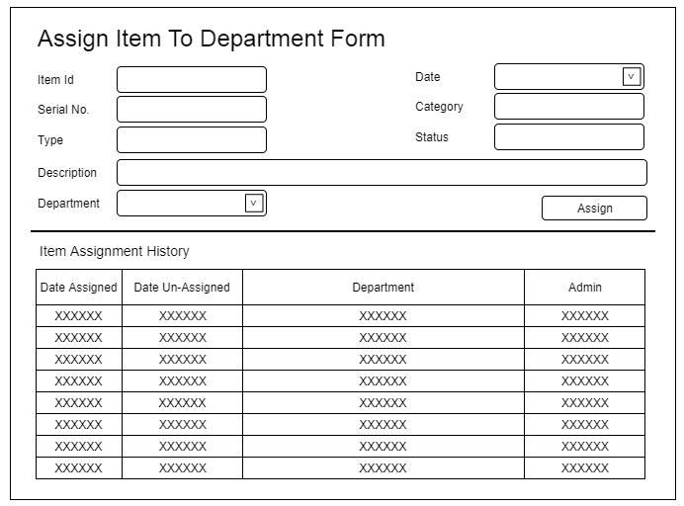
Title | Form Design
Design Type | Form
List Title | Assign Item from Department form

