WireFrame
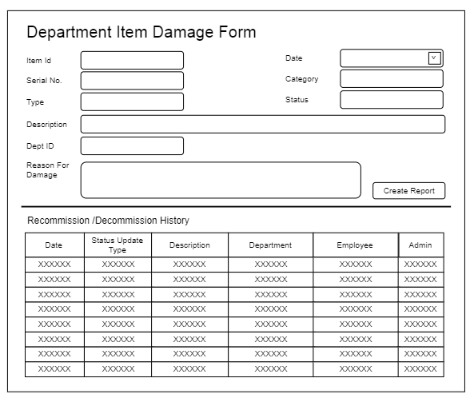
Title | Form Design
Design Type | Form
List Title | Department Item Damage Form

