WireFrame
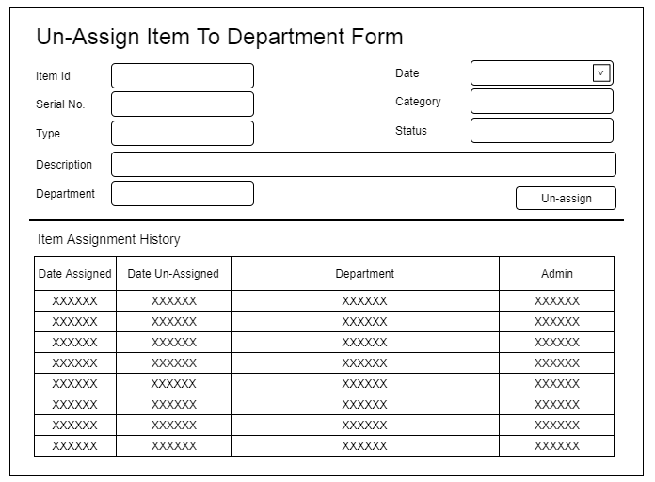
Title | Form Design
Design Type | Form
List Title | Un-assign Item from Department form

