WireFrame
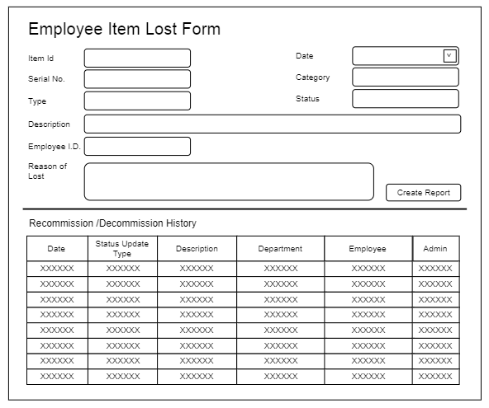
Title | Form Design
Design Type | Form
List Title | Employee Item Lost form

