WireFrame
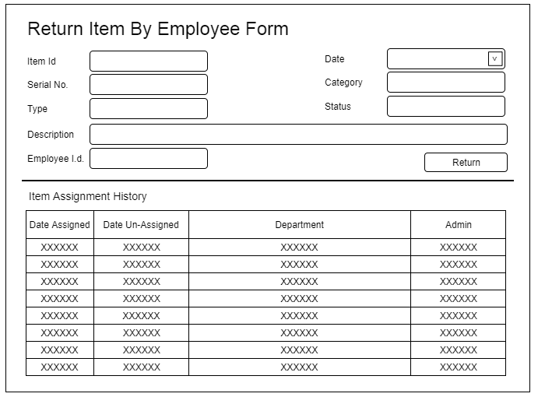
Title | Form Design
Design Type | Form
List Title | Return Item By Employee form

