Sheet1
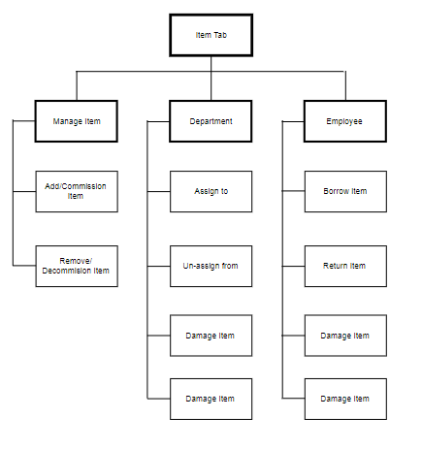
Project: | Construction Inventory System
Design Level: | 2 | Date Created: | 23-Nov-19
Design Title: | System Structure Design for "Equipment Inventory Sub-System" | Date Completed:
Overview: | Overall Design for "Equipment Inventory Sub-System" | Created By: | Jasper Arvin L. Abella
Objective: | To have a detailed look of the design and functionalities of the "Equipment Inventory Sub-System" | Programing Language: | .NET CORE 3

