Introduction
THC PATH Book+ ™ |  | Confidential. DO NOT DISTRIBUTE WITHOUT THC PERMISSION

The information in this document is subject to change without notice.
THC shall not be liable for technical or editorial errors or omissions contained herein; nor for incidental or consequential damages resulting from the furnishing, performance or use of this material
The PATH Book+ is furnished under a license agreement or non-disclosure agreement. It may be used or copied only in accordance with the terms of agreement.
Descriptions | THC PATH Book+ enable users 1) to generate reports in Risk Officer and 2) to review all the data input to generate the reports

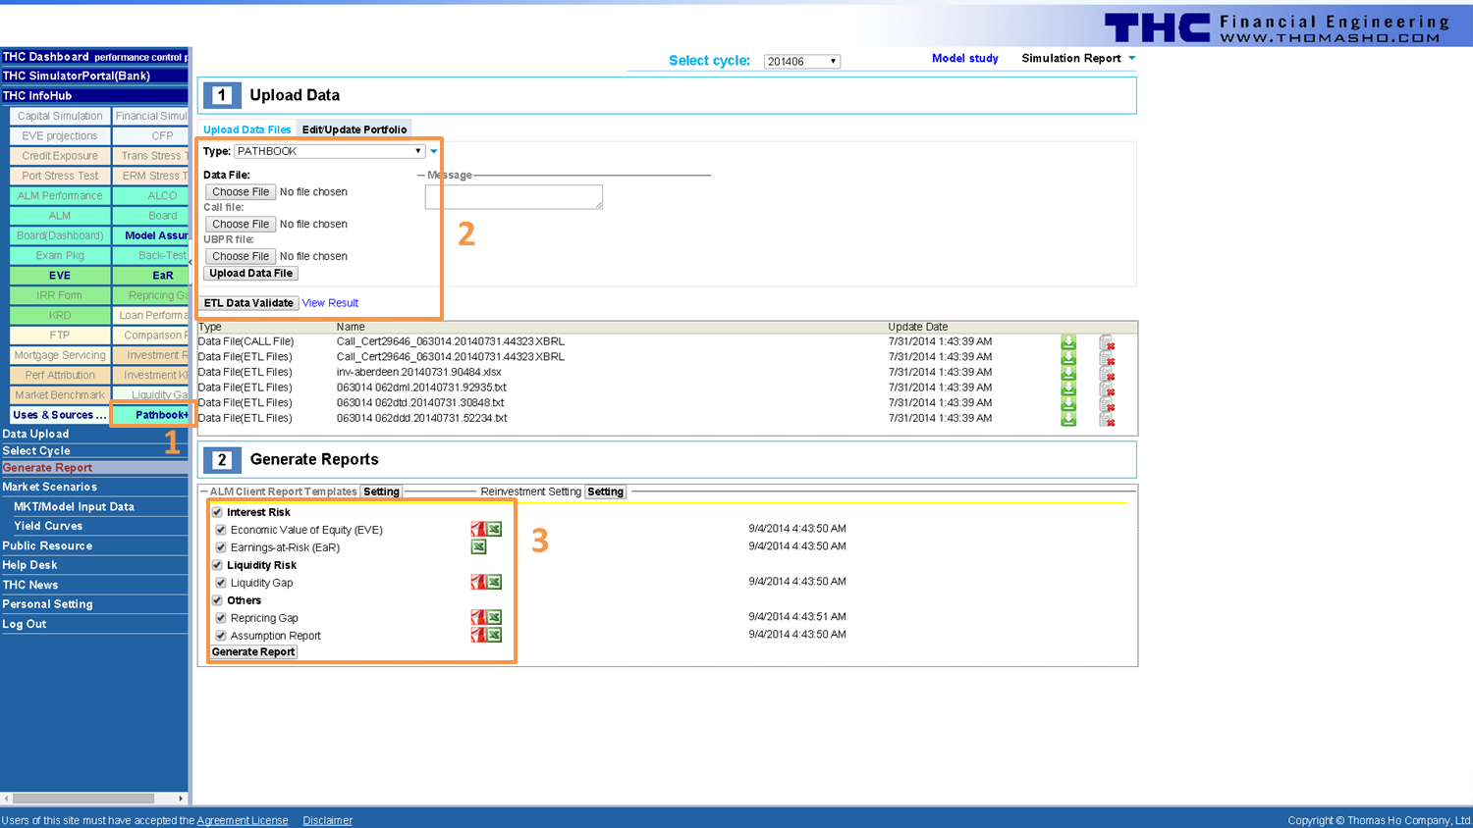
Instructions to generate reports in Risk Officer
Step 1: Download PATHBOOK+ from INFOHUB on Risk Officer left panel (1)
Step 2: Edit and upload PATHBOOK+ via Generate Report (2)
Step 3: Generate and download report (3)
The screen shot on the right depicts all the steps

THC copyright

Contact Information
Thomas Ho Company, Ltd
55 Liberty Street, suite 4B
New York, New York 10005
1-212-732-2878

For further information, please contact joey.chen@thomasho.com or use our website support@thomasho.com

Chart of Accounts
Home
THC PATH File
Chart of Accounts
Provide your existing structure.
In the data sheets (loans and deposits etc), the COA is the inputs too for the account level data. This sheet is to provide the summary of the COA.

