Introduction
THC PATH Book+ ™ |  | Confidential. DO NOT DISTRIBUTE WITHOUT THC PERMISSION

The information in this document is subject to change without notice.
THC shall not be liable for technical or editorial errors or omissions contained herein; nor for incidental or consequential damages resulting from the furnishing, performance or use of this material
The PATH Book+ is furnished under a license agreement or non-disclosure agreement. It may be used or copied only in accordance with the terms of agreement.
Descriptions | THC PATH Book+ enable users 1) to generate reports in Risk Officer and 2) to review all the data input to generate the reports

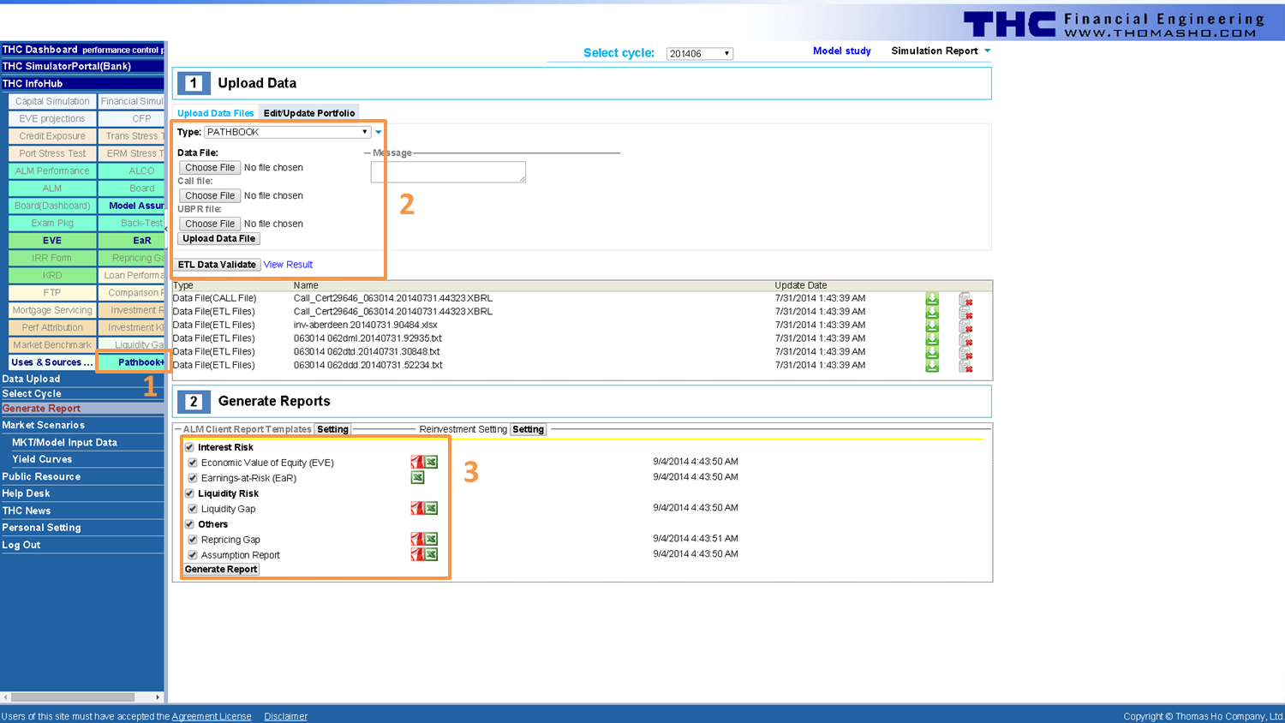
Instructions to generate reports in Risk Officer
Step 1: Download PATHBOOK+ from INFOHUB on Risk Officer left panel (1)
Step 2: Edit and upload PATHBOOK+ via Generate Report (2)
Step 3: Generate and download report (3)
The screen shot on the right depicts all the steps

THC copyright

Contact Information
Thomas Ho Company, Ltd
55 Liberty Street, suite 4B
New York, New York 10005
1-212-732-2878

For further information, please contact joey.chen@thomasho.com or use our website support@thomasho.com

Chart of Accounts
Home
THC PATH File
Chart of Accounts
Provide your existing structure.
In the data sheets (loans and deposits etc), the COA is the inputs too for the account level data. This sheet is to provide the summary of the COA.

AL_Side | Hierarchy 1 | Hierarchy 2 | Hierarchy 3 | Hierarchy 4 | Account | Amount
Total assets | Cash & Short Term | Noninterest-bearing balances and currency and coin |  |  |  | 1,296,000
Total assets | Cash & Short Term | Interest-bearing balances |  |  |  | 7,677,000
Total assets | Securities | U.S. Treasury securities |  |  |  | 4,899,000
Total assets | Securities | U.S. Government agency obligations (exclude mortgage-backed securities) | Issued by U.S. Government agencies |  |  | 7,214,000
Total assets | Securities | Securities issued by states and political subdivisions in the U.S. |  |  |  | 413,000
Total assets | Securities | Mortgage-backed securities (MBS) | Residential mortgage pass-through securities | Guaranteed by GNMA |  | 576,000
Total assets | Securities | Mortgage-backed securities (MBS) | Other residential mortgage-backed securities (include CMOs, REMICs, and stripped MBS) | Issued or guaranteed by FNMA, FHLMC, or GNMA |  | 47,000
Total assets | Loans and lease financing receivables | Loans secured by real estate | Construction, land development, and other land loans | 1-4 family residential construction loans |  | 3,157,000
Total assets | Loans and lease financing receivables | Loans secured by real estate | Construction, land development, and other land loans | Other construction loans and all land development and other land loans |  | 2,496,000
Total assets | Loans and lease financing receivables | Loans secured by real estate | Secured by farmland (including farm residential and other improvements) |  |  | 4,557,000
Total assets | Loans and lease financing receivables | Loans secured by real estate | Secured by 1-4 family residential properties | Revolving, open-end loans secured by 1-4 family residential properties and extended under lines of credit |  | 1,771,000
Total assets | Loans and lease financing receivables | Loans secured by real estate | Secured by 1-4 family residential properties | Closed-end loans secured by 1-4 family residential properties | Secured by first liens | 70,192,000
Total assets | Loans and lease financing receivables | Loans secured by real estate | Secured by 1-4 family residential properties | Closed-end loans secured by 1-4 family residential properties | Secured by junior liens | 1,233,000
Total assets | Loans and lease financing receivables | Loans secured by real estate | Secured by nonfarm nonresidential properties | Loans secured by owner-occupied nonfarm nonresidential properties |  | 8,740,000
Total assets | Loans and lease financing receivables | Loans secured by real estate | Secured by nonfarm nonresidential properties | Loans secured by other nonfarm nonresidential properties |  | 527,000
Total assets | Loans and lease financing receivables | Loans to finance agricultural production and other loans to farmers |  |  |  | 899,000
Total assets | Loans and lease financing receivables | Commercial and industrial loans |  |  |  | 7,085,000
Total assets | Loans and lease financing receivables | Loans to individuals for household, family, and other personal expenditures (i.e., consumer loans) (includes purchased paper) | Automobile loans |  |  | 6,672,000
Total assets | Loans and lease financing receivables | Loans to individuals for household, family, and other personal expenditures (i.e., consumer loans) (includes purchased paper) | Other consumer loans (includes single payment, installment, and all student loans) |  |  | 3,604,000
Total assets | Other assets | Premises and fixed assets (including capitalized leases) |  |  |  | 1,660,000
Total assets | Other assets | Others |  |  |  | 4,014,000
Total assets | Other assets | LESS: Allowance for loan and lease losses |  |  |  | -1,501,000
Total liabilities | Deposits | Retail CD |  |  |  | 42,133,000
Total liabilities | Deposits | MMDAs |  |  |  | 2,666,000
Total liabilities | Deposits | Passbook Accounts |  |  |  | 32,511,000
Total liabilities | Deposits | Transaction Accounts |  |  |  | 12,323,000
Total liabilities | Deposits | Noninterest-bearing Accounts |  |  |  | 28,971,000
Total liabilities | Borrowings | Federal Home Loan Bank advances |  |  |  | 1,000,000
Total liabilities | Borrowings | Others |  |  |  | 179,000
Total liabilities | Other liabilities | Others |  |  |  | 684,000

