Sheet1
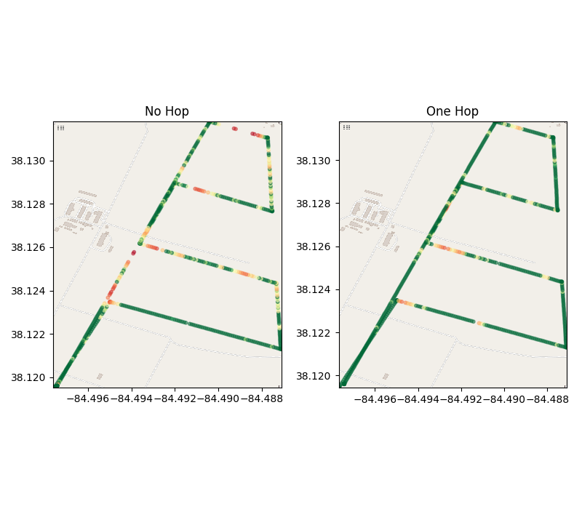

No Hop
Differential Delay | mean | med | Q1 | Q3
 | 0.74051891265 | 0.036835432053 | 0.022622227669 | 0.69613027573
Packet Stats | Total Loss | Drop Rate
 | 51 | 7.317%

One Hop
Differential Delay | mean | med | Q1 | Q3
 | 0.28984611876 | 0.021081328392 | 0.014982223511 | 0.036053240299
Packet Stats | Total Loss | Drop Rate
 | 6 | 0.876%

Note: Differential Delay is used due to timebase issues in the data causing negative numbers. All delays are measured against the minimum recorded delay which should be sufficiently similar between both tests.

