Section1-Descriptive Statisti
1 | Given the dataset data = [12, 15, 14, 10, 18, 20, 22, 24, 17, 19], calculate the Mean, Median, and Mode using both Excel/Google Sheets/ Python
 | Dataset | Mean | Median | Mode
 | 8 | 18.7 | 16.5 | No mde
 | 10
 | 12
 | 14
 | 15
 | 18
 | 20
 | 25
 | 30
 | 35
2 | Compute the 25th percentile (Q1), 50th percentile (Q2), and 75th percentile (Q3) for the dataset using both tools.
 | Percentiles | 20th Rank | 20th percentile |  | 50th Rank | 50th percentile |  | 90th Rank | 90th precentile
 |  | 2.8 | 11.6 |  | 5.5 | 16.5 |  | 9.1 | 30.5

3 | Find the IQR for the given dataset and explain its significance.
 | IQR=75th percentile-25th percentile |  | 25th Rank | 25th percentile |  | 75th Rank | 75th percentile |  | IQR
 |  |  | 3.25 | 12.5 |  | 7.75 | 23.75 |  | 11.25

4 | Identify the minimum and maximum values from the dataset.
 | MIN | MAX
 | 8 | 35

5 | Compute the Lower Bound and Upper Bound. Identify any outliers in the dataset.
 | Lower Bound | Upper Bound | Outliers
 | -4.375 | 40.625 | 0

6 | Compute the Range, Variance, and Standard Deviation using both Excel/Google Sheets/Python.
 | Range | dataset | mean | xi-x_mean | (xi-x-)^2 | variance | Std Dev
 | 27 | 8 | 8.7 | -0.7 | 0.49 | 170.61 | 13.061776296
 |  | 10 |  | 1.3 | 1.69
 |  | 12 |  | 3.3 | 10.89
 |  | 14 |  | 5.3 | 28.09
 |  | 15 |  | 6.3 | 39.69
 |  | 18 |  | 9.3 | 86.49
 |  | 20 |  | 11.3 | 127.69
 |  | 25 |  | 16.3 | 265.69
 |  | 30 |  | 21.3 | 453.69
 |  | 35 |  | 26.3 | 691.69

7 | Compute the Z-scores for each value in the dataset and explain its significance in data standardization.
 | dataset | xi-mean | Z-score
 | 8 | -0.7 | -0.053591470688
 | 10 | 1.3 | 0.099527016992
 | 12 | 3.3 | 0.25264550467
 | 14 | 5.3 | 0.40576399235
 | 15 | 6.3 | 0.48232323619
 | 18 | 9.3 | 0.71200096771
 | 20 | 11.3 | 0.86511945539
 | 25 | 16.3 | 1.2479156746
 | 30 | 21.3 | 1.6307118938
 | 35 | 26.3 | 2.013508113

8 | Given two datasets x = [10, 20, 30, 40, 50] and y = [5, 10, 15, 20, 25], compute the Pearson correlation coefficient.
 | x | y | x mean | y mean | c=xi-x_mean | d=yi-y_mean | a=(xi-x-)^2 | b=(yi-y-)^2 | a*b | c*d | numerator | pearson coefficient
 | 5 | 2 | 15 | 6 | -10 | -4 | 100 | 16 | 10000 | 40 | 100 | 1
 | 10 | 4 |  |  | -5 | -2 | 25 | 4 | denominator | 10
 | 15 | 6 |  |  | 0 | 0 | 0 | 0 | 100 | 0
 | 20 | 8 |  |  | 5 | 2 | 25 | 4 |  | 10
 | 25 | 10 |  |  | 10 | 4 | 100 | 16 |  | 40

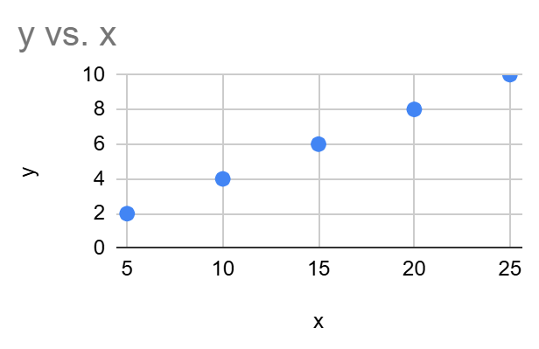
9 | Create a scatter plot using both Excel/Python to visually inspect the correlation between x and y.
 | Scatter plot | x | y
 |  | 5 | 2
 |  | 10 | 4
 |  | 15 | 6
 |  | 20 | 8
 |  | 25 | 10

10 | Create a box plot for the dataset to visualize Q1, Q2, Q3, lower bound, upper bound, and outliers.

 | Box plot | data | mean | 18.7
 |  | 8 | median | 16.5
 |  | 10 | Q1 | 12.5
 |  | 12 | Q3 | 23.75
 |  | 14 | min | 8
 |  | 15 | max | 5
 |  | 18
 |  | 20
 |  | 25
 |  | 30
 |  | 35

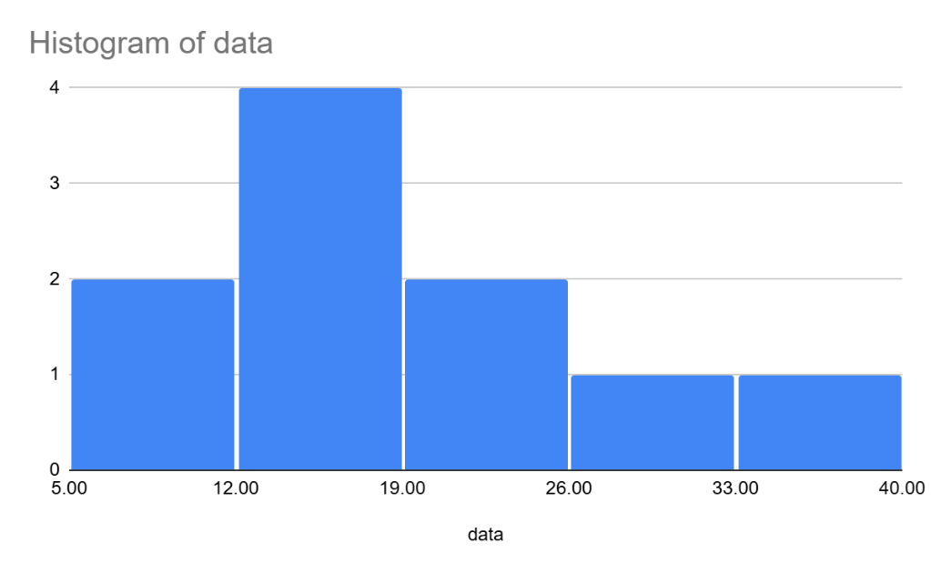
11 | Construct a histogram to show the frequency distribution of the dataset.
 | Histogram | data
 |  | 8
 |  | 10
 |  | 12
 |  | 14
 |  | 15
 |  | 18
 |  | 20
 |  | 25
 |  | 30
 |  | 35

Section 2 Inferential Statisti
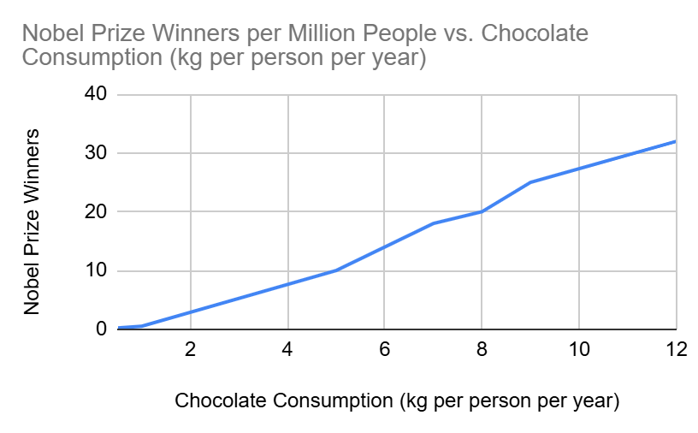
12 | Explain the difference between Correlation and Causation with an example : Chocolate Consumption & Nobel Prize Winners Correlation: When two variables move together, meaning as one increases, the other tends to increase (or decrease). However, this does not mean one causes the other. Causation: When a change in one variable directly causes a change in another.
 | Observation from the graph : Countries that consume more chocolate tend to have more Nobel Prize winners.This is correlation, not causation.Eating more chocolate does not make people smarter or more likely to win a Nobel Prize. The real factor (hidden third variable) is wealth and education quality: Wealthier countries have better education systems and stronger research institutions, leading to more Nobel Prize winners.These same countries also have higher disposable income, allowing people to buy more chocolate. Thus, both Nobel Prizes and chocolate consumption are influenced by wealth and education, but chocolate itself does not "cause" Nobel Prizes. | Country | Chocolate Consumption (kg per person per year) | Nobel Prize Winners per Million People
 |  | Switzerland | 12 | 32
 |  | Sweden | 9 | 25
 |  | Denmark | 8 | 20
 |  | Germany | 7 | 18
 |  | USA | 5 | 10
 |  | China | 1 | 0.5
 |  | India | 0.5 | 0.2

13 | Why do we need sampling? Provide a real-world example: Sampling is essential when trying to gather information about a large population, like the income of an entire country's population, because it is often impractical, expensive, and time-consuming to collect data from every single individual. For an instance government wants to understand the the average income of the entire population of India, which is over 1.4 billion people. In this case they can use sampling.A random sample of people might be selected from different regions, income groups etc. By using sampling, government can obtain a reliable estimate of income for the Indian population without needing to survey every individual.

14 | Define Null Hypothesis, Alternate Hypothesis, Significance Level (α), and P-value : Null Hypothesis (H₀) The null hypothesis is a statement that there is no effect, no difference, or no relationship between variables in a study. Example: A new drug has no effect on fever compared to a placebo. Alternative Hypothesis (H₁ or Ha) The alternative hypothesis is the opposite of the null hypothesis. It suggests that there is an effect, difference, or relationship between variables. This is what the researcher aims to prove. Example : The new drug significantly reduces fever. Significance Level (α) The significance level (α) is the threshold used to decide whether to reject the null hypothesis. Common values: 0.05 (5%), 0.01 (1%). P-value The p-value is the probability of obtaining results at least as extreme as the observed data, assuming the null hypothesis is true. If p ≤ α, reject H₀ (statistically significant result). If p > α, fail to reject H₀ (not statistically significant).

15 | Given a sample mean of 25, population mean of 22, population standard deviation of 3, and sample size of 40, compute the Z-test statistic and interpret the results. | sample mean | pop_mean | pop_SD | sample size
 | Null hypothesis : sample mean and population mean is same. | 25 | 22 | 3 | 40
 | Alternate hypothesis : sample and population mean is not same.
 |  | Z-Score
 |  | 6.3245553203
 | Since calculated Z-score is 6.32, which is far beyond any reasonable critical value, we reject the null hypothesis and conclude that the sample mean is significantly different from the population mean.

16 | Using a standard normal table, find the p-value corresponding to the Z-test statistic computed in the previous question and determine whether to reject the null hypothesis at α = 0.05. | Z score | Z statistic | P-Value
 | Z Score =6.324 is is extremely high means the probability in the tail is very small. | 6.324 | 0.9999 | 0.0002
 | From the Z table , it will be very close to 1(around 0.9999).
 | P=2x(1-0.9999)
 | P=0.0002
 | Since P<<0.05 , we reject the null hypothesis.

17 | Given a sample of data = [45, 50, 55, 60, 62, 48, 52], test whether the mean is significantly different from 50 using a one-sample t-test. | Data | Pop Mean | Sample_mean | X-Xmean | a=(X-Xmean)**2 | b=a/(n-1) | Sample_SD | T statistics | Critical Value
 | Significance level=0.05 | 45 | 50 | 53.142857143 | -8.14285714 | 66.306122402 | 38.80952381 | 6.2297290318 | 1.3347640586 | 2.447
 | Null Hypothesis: sample mean is same as population mean. | 50 |  |  | -3.14285714 | 9.8775510024
 | Alternative Hypothesis: sample mean is not equal to population mean.(Two Tailed) | 55 |  |  | 1.85714286 | 3.4489796024
 | Since it is two tailed significance level=0.05/2= 0.025 | 60 |  |  | 6.85714286 | 47.020408202
 | df=n-1=(7-1)=6 | 62 |  |  | 8.85714286 | 78.448979642
 | Critical value = ±2.447 | 48 |  |  | -5.14285714 | 26.448979562
 | T statistics = 1.334764 | 52 |  |  | -1.14285714 | 1.3061224424
 | Here T statistics(1.334764) < Crtitical Value(2.447), We fail to reject null hypothesis. |  |  |  |  | 232.85714286
 | There is no significant evidence to conclude that the mean is different from 50 at the 5% significance level.

18 | Two groups of students took a math test. Their scores are: | Group 1 | Group 2 | X1-X2 | a=(1/n1)+(1/n2) | X1-X1mean | (X1-X1mean)^2 | X2-X2 mean | (X2-X2mean)^2
 | ○ Group 1: [85, 90, 88, 92, 86] | 85 | 78 | 7 | 0.4 | -3.2 | 10.24 | -1 | 1
 | ○ Group 2: [78, 75, 80, 83, 79] | 90 | 75 | 15 |  | 1.8 | 3.24 | -4 | 16
 | Perform an independent sample t-test to determine if there is a significant difference between the means. | 88 | 80 | 8 | a^(1/2) | -0.2 | 0.04 | 1 | 1
 | Null Hypthesis: Both groups have same mean. | 92 | 83 | 9 | 0.63245553203 | 3.8 | 14.44 | 4 | 16
 | Alternate Hypothesis: Both groups have different mean. | 86 | 79 | 7 |  | -2.2 | 4.84 | 0 | 0
 | T statistics = 5.034016028 |  |  |  |  |  | 32.8 |  | 34
 |  | X1_mean | X2_mean | S1 | S2 | SP^2
 |  | 88.2 | 79 | 2.8635642127 | 2.9154759474 | 8.35

 |  | variance of X1Variance of X2 |  | (s1)^2 | (s2)^2 | SP
 |  | 8.2 | 8.5 | 8.2 | 8.5 | 2.8896366554

 |  | T statistics
 |  | 5.0340160275

19 | Using a t-table, find the critical t-value for α = 0.05 with degrees of freedom appropriate for question 18 and interpret the results. | Critical Value
 | df=(n1+n2-2)=(5+5-2)=8 | 2.306
 | Significance level = 0.05
 | Critical value = ±2.306
 | Here T statistics(5.034) > Crtitical Value(2.306), We reject null hypothesis.
 | There is a statistically significant difference between the means of Group 1 and Group 2.

20 | Summarize the key takeaways from the analysis performed above and describe how descriptive and inferential statistics can be used in real-world data analysis
 | 1)We compared the mean math scores of two groups of students.The computed t-value (5.03) was greater than the critical t-value (2.306), which leads us to reject the null hypothesis. There is a statistically significant difference between the two groups' mean scores.
 | 2)The t-table was used to find the critical value based on degrees of freedom (df = 8) and α = 0.05.
 | 3)The rejection region was determined using this critical value ±2.306.Since the computed t-value fell in this rejection region, the null hypothesis was rejected.
 | 4)Descriptive statistics help us summarize and understand datasets by using: Measures of Central Tendency (Mean, Median, Mode) Measures of Variability (Standard Deviation, Range, Variance) Data Visualization (Histograms, Boxplots) In a classroom, descriptive statistics can be used to find the average test score, the highest and lowest scores, and how spread out the scores are. 5)Inferential statistics allow us to draw conclusions and make predictions about a population based on a sample. This includes: Hypothesis Testing (e.g t-test) A pharmaceutical company tests a new drug on a sample of patients and uses inferential statistics to determine if the drug is effective for the entire population.

