url_qrcode
網址 | QR code
https://www.youtube.com/ | 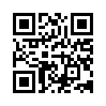
https://www.youtube.com/watch?v=-M41WaGzbMU | 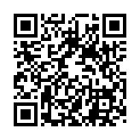
https://www.facebook.com/ | 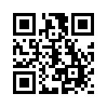
https://blog.xuite.net/hankohya34/blog/58188192-%E5%9C%A8%E7%B6%B2%E9%A0%81%E4%B8%8A%E7%94%A2%E7%94%9FQRCode%E5%9C%96%E7%89%87+PHP%E7%89%88 | 