EmbeddedServletContainerFactory
package org.springframework.boot.context.embedded;
/**
* Factory interface that can be used to create {@link EmbeddedServletContainer}s. |  |  |  | 创建EmbeddedServletContainer的工厂接口
* Implementations are encouraged to extend |  |  |  | 如果需要的话，实现者应该去扩展它的抽象类AbstractEmbeddedServletContainerFactory
* {@link AbstractEmbeddedServletContainerFactory} when possible.
*
* @author Phillip Webb
* @see EmbeddedServletContainer
* @see AbstractEmbeddedServletContainerFactory
* @see JettyEmbeddedServletContainerFactory
* @see TomcatEmbeddedServletContainerFactory
*/
public interface EmbeddedServletContainerFactory {

 | /**
 | * Gets a new fully configured but paused {@link EmbeddedServletContainer} instance. |  |  |  | 取得一个新的已经配置过的但是暂停的EmbeddedServletContainer的实例。
 | * Clients should not be able to connect to the returned server until |  |  |  | 客户端应该在EmbeddedServletContainer#start()被调用后再去连接到返回的server，
 | * {@link EmbeddedServletContainer#start()} is called (which happens when the |  |  |  | 而只用ApplicationContext被完全刷新后才会发生EmbeddedServletContainer#start()
 | * {@link ApplicationContext} has been fully refreshed).
 | * @param initializers {@link ServletContextInitializer}s that should be applied as
 | * the container starts
 | * @return a fully configured and started {@link EmbeddedServletContainer}
 | * @see EmbeddedServletContainer#stop()
 | */
 | EmbeddedServletContainer getEmbeddedServletContainer(
 |  |  | ServletContextInitializer... initializers);

}

确认启动被调用时机，在它的实现TomcatEmbeddedServletContainerFactory的方法下断点
 | org.springframework.boot.context.embedded.tomcat.TomcatEmbeddedServletContainerFactory.getEmbeddedServletContainer(ServletContextInitializer...)
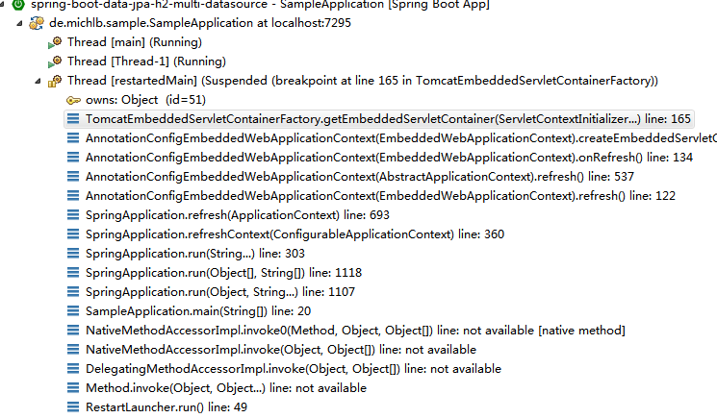

 |  | 发现奇怪现象，如果通过springboot启动程序的话，启动线程是
 |  |  | org.springframework.boot.devtools.restart.RestartLauncher.run()

springboot启动
在下面线程的构造方法下断点，前面在线程run上下断点的话，调用堆栈最底层只能看到当前线程，而看不到调用源。
 | org.springframework.boot.devtools.restart.RestartLauncher.RestartLauncher(ClassLoader, String, String[], UncaughtExceptionHandler)

接下来在LeakSafeThread的构造方法下断点
 | org.springframework.boot.devtools.restart.Restarter.LeakSafeThread.LeakSafeThread(Restarter)
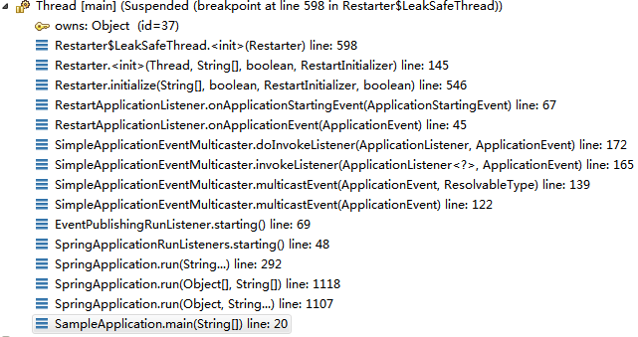

 |  | 最终还是启动类启动的
 |  |  | 不管是不是通过springboot方式启动，都会调用springboot的
 |  |  |  | Restarter | -> | RestartLauncher
 |  |  |  |  |  |  | 由RestartLauncher再次加载启动类
 |  |  |  |  |  |  |  |  | args | [--spring.output.ansi.enabled=always]
网上搜索发现是因为加上了热部署spring-boot-devtools依赖，才导致启动类执行两次。
 | <dependency>
 |  | <groupId>org.springframework.boot</groupId>
 |  | <artifactId>spring-boot-devtools</artifactId>
 |  | <optional>true</optional>
 |  | <scope>true</scope>
 | </dependency>

 | org.springframework.boot.SpringApplication.run(String...)
 |  | SpringApplicationRunListeners listeners = getRunListeners(args);
 | L292 | listeners.starting();

 | public void multicastEvent(final ApplicationEvent event, ResolvableType eventType) {
 |  | ResolvableType type = (eventType != null ? eventType : resolveDefaultEventType(event));
 |  | for (final ApplicationListener<?> listener : getApplicationListeners(event, type)) {
 |  |  | Executor executor = getTaskExecutor();
 |  |  | if (executor != null) {
 |  |  |  | executor.execute(new Runnable() {
 |  |  |  |  | @Override
 |  |  |  |  | public void run() {
 |  |  |  |  |  | invokeListener(listener, event);
 |  |  |  |  | }
 |  |  |  | });
 |  |  | }
 |  |  | else {
 |  |  |  | invokeListener(listener, event); |  |  |  | listener= | org.springframework.boot.devtools.restart.RestartApplicationListener@279fedbd
 |  |  | }
 |  | }
 | }

 | org.springframework.context.event.AbstractApplicationEventMulticaster.retrieveApplicationListeners(ResolvableType, Class<?>, ListenerRetriever)
 |  | synchronized (this.retrievalMutex) {
 |  |  | listeners = new LinkedHashSet<ApplicationListener<?>>(this.defaultRetriever.applicationListeners);
 |  |  | listenerBeans = new LinkedHashSet<String>(this.defaultRetriever.applicationListenerBeans);
 |  | }
 |  |  |  |  |  |  |  | 这个this.defaultRetriever.applicationListeners的map中包含
 |  |  |  |  |  |  |  |  |  | org.springframework.boot.devtools.restart.RestartApplicationListener

 | 这个map中加入这个listener的时机？
 | 在下面函数下断点
 |  | org.springframework.context.event.AbstractApplicationEventMulticaster.addApplicationListener(ApplicationListener<?>)
 | 发现下面方法中
 |  | org.springframework.boot.context.event.EventPublishingRunListener.EventPublishingRunListener(SpringApplication, String[])

 |  |  | for (ApplicationListener<?> listener : application.getListeners()) { |  |  |  |  |  | 从SpringApplication获得listeners
 |  |  |  | this.initialMulticaster.addApplicationListener(listener);
 |  |  | }

 | SpringApplication设置listener的时机？
 | 在下面函数下断点
 |  | org.springframework.boot.SpringApplication.setListeners(Collection<? extends ApplicationListener<?>>)
 | 发现下面方法中
 |  | org.springframework.boot.SpringApplication.initialize(Object[])
 |  |  | setListeners((Collection) getSpringFactoriesInstances(ApplicationListener.class)); |  |  |  |  |  |  |  | 设置listeners

 | 关键函数
 |  | org.springframework.core.io.support.SpringFactoriesLoader.loadFactoryNames(Class<?>, ClassLoader)
 |  |  | Enumeration<URL> urls = (classLoader != null ? classLoader.getResources(FACTORIES_RESOURCE_LOCATION) :
 |  |  |  |  | ClassLoader.getSystemResources(FACTORIES_RESOURCE_LOCATION)); |  |  |  |  |  |  | FACTORIES_RESOURCE_LOCATION的值
 |  |  | List<String> result = new ArrayList<String>(); |  |  |  |  |  |  |  |  |  | META-INF/spring.factories
 |  |  | while (urls.hasMoreElements()) { |  |  |  |  |  |  |  |  | 从所有jar中搜索上面文件
 |  |  |  | URL url = urls.nextElement();
 |  |  |  | Properties properties = PropertiesLoaderUtils.loadProperties(new UrlResource(url));
 |  |  |  | String factoryClassNames = properties.getProperty(factoryClassName);
 |  |  |  | result.addAll(Arrays.asList(StringUtils.commaDelimitedListToStringArray(factoryClassNames)));
 |  |  | }

 |  | 其中urls包含
 |  | jar:file:/F:/Repositories/Maven/org/springframework/boot/spring-boot-devtools/1.5.9.RELEASE/spring-boot-devtools-1.5.9.RELEASE.jar!/META-INF/spring.factories

 |  | Properties
 |  |  | {org.springframework.boot.env.EnvironmentPostProcessor=org.springframework.boot.devtools.env.DevToolsHomePropertiesPostProcessor
 |  |  | org.springframework.boot.devtools.env.DevToolsPropertyDefaultsPostProcessor
 |  |  | org.springframework.context.ApplicationContextInitializer=org.springframework.boot.devtools.restart.RestartScopeInitializer
 |  |  | org.springframework.context.ApplicationListener=org.springframework.boot.devtools.restart.RestartApplicationListener
 |  |  | org.springframework.boot.autoconfigure.EnableAutoConfiguration=org.springframework.boot.devtools.autoconfigure.DevToolsDataSourceAutoConfiguration
 |  |  | org.springframework.boot.devtools.autoconfigure.LocalDevToolsAutoConfiguration
 |  |  | org.springframework.boot.devtools.autoconfigure.RemoteDevToolsAutoConfiguration}

