System design
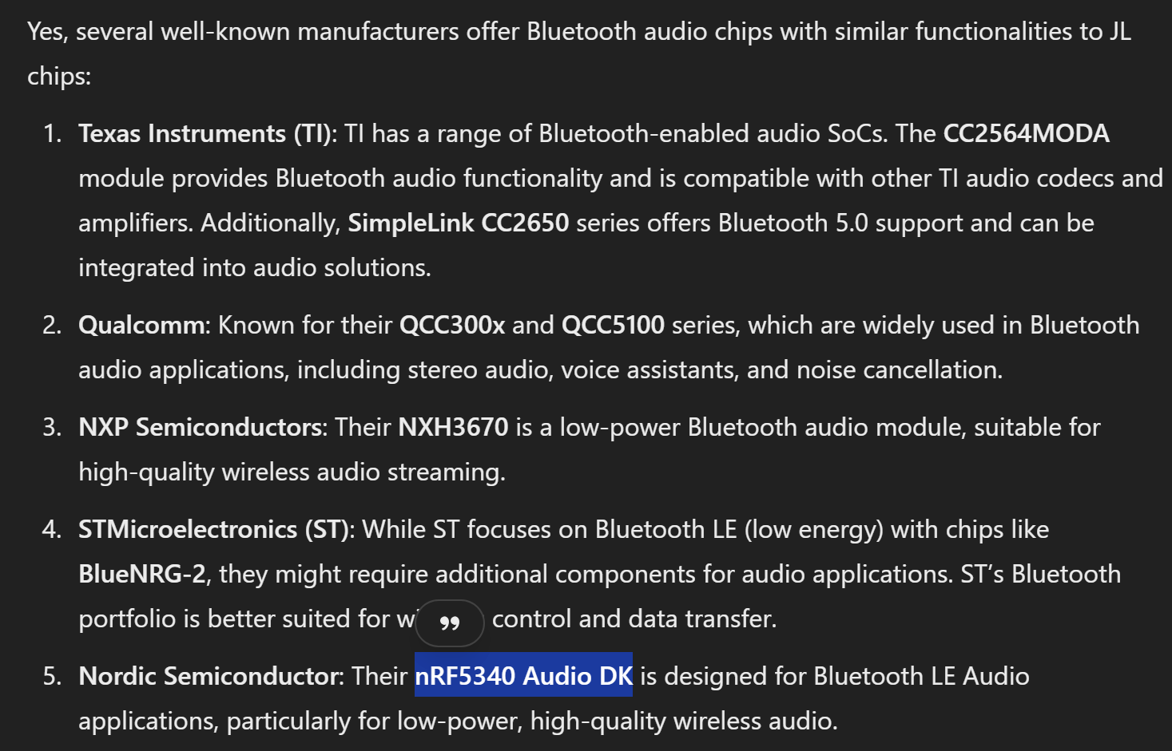
Nordic
https://www.nordicsemi.com/Products/Development-hardware/nRF5340-Audio-DK | Design kit that uses nRF5340 for bluetooth and Cirrus CS47L63 for audio DSP | Bluetooth LE only

Noise and interference | https://www.diyaudio.com/community/threads/bluetooth-audio-receiver-possible-solution-for-all-kind-of-noise.384052/

NXP
NXH3670UK | Ultra-low power 2.4 GHz Bluetooth Low Energy transceiver for audio streaming
 | DSP for audio processing
 | https://www.nxp.com/products/wireless-connectivity/bluetooth-le-audio/nxh3670adk-development-kit:NXH3670ADK
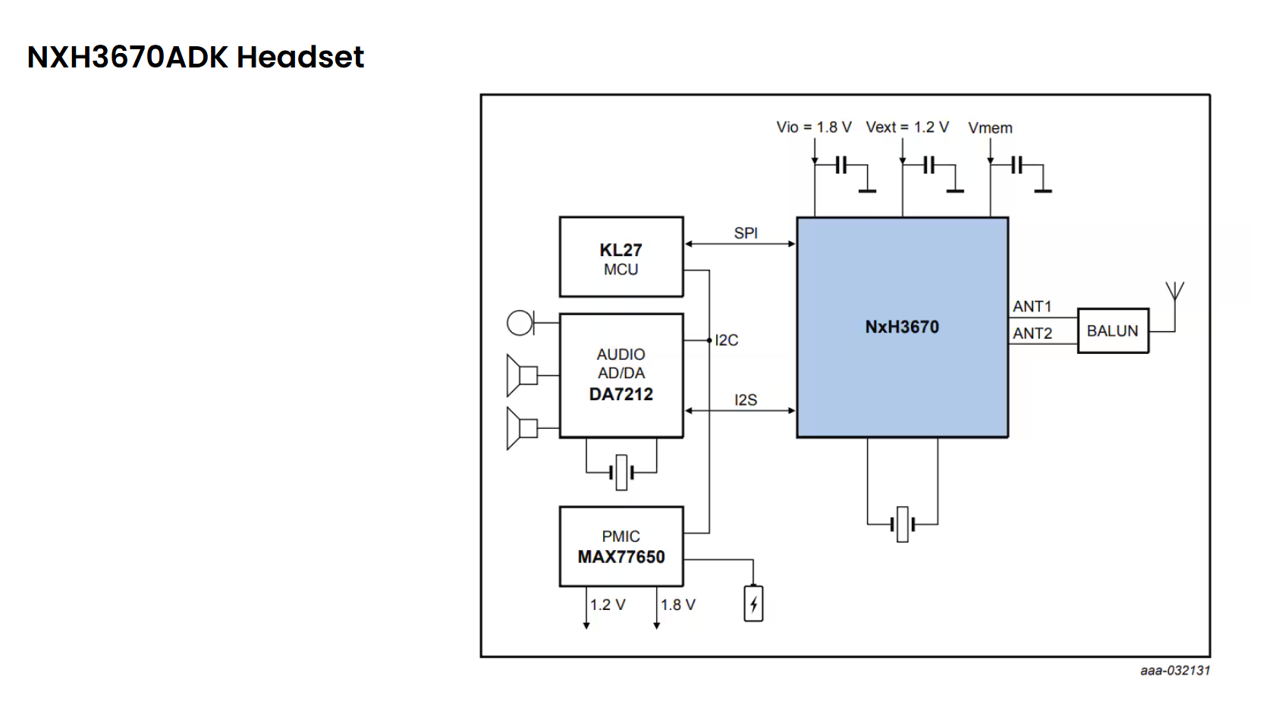

TI
Smart speaker solution | https://www.ti.com/solution/smart-speaker

Microchip

ESP-32
ESP-32D0WD-V3 | https://jlcpcb.com/partdetail/EspressifSystems-ESP32_D0WDV3/C967021

Requires external flash
Bluetooth LE and Bluetooth (Classic)
Requires external audio codec | https://jlcpcb.com/partdetail/339918-ES8388/C365736
Audio board reference: | https://docs.espressif.com/projects/esp-adf/en/latest/design-guide/dev-boards/board-esp32-lyrat-v4.3.html

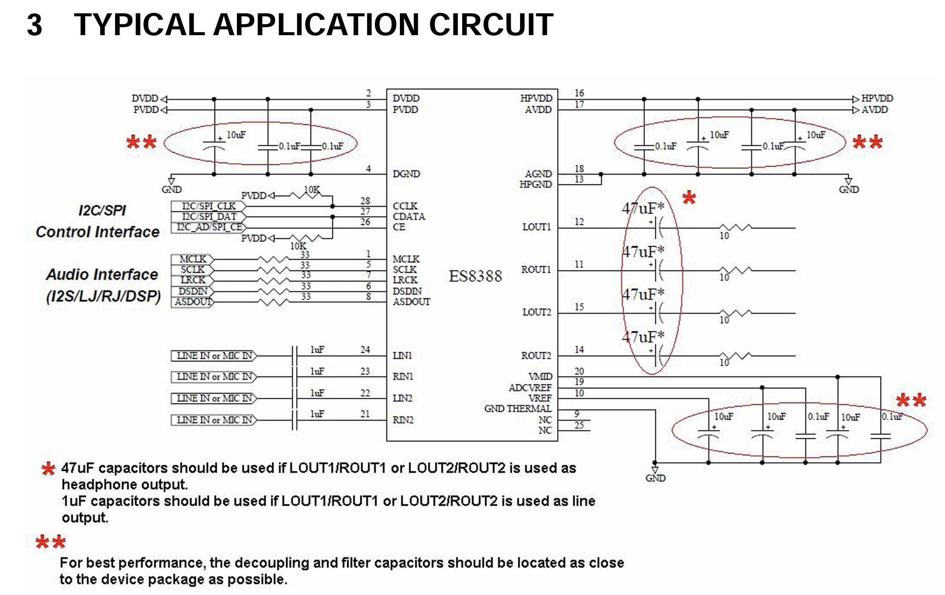
ES8388

Digital VDD = 1.8V
Analog VDD = 3.3V

usblc6-2sc6

Specifications
Specifications
Number | Description |  | Method | Implemented? | Components | Notes
1 | Efficient regulation from 12V battery supply to 3V3 VCC |  | Buck converter | FALSE | TPS5430 | https://jlcpcb.com/partdetail/TexasInstruments-TPS5430DDAR/C9864
2 | Able to handle car battery voltage spikes |  | Buck converter circuitry rated for higher than 12V. How much higher? (36V at least) | FALSE |  | https://www.eevblog.com/forum/beginners/powering-electronics-with-12v-in-car-protection/ https://www.eevblog.com/forum/projects/design-of-automotive-electronics/
3 |  |  | TVS on V_IN | FALSE |  | Rate to 100V+
4 | Undervoltage protection |  | 7V UVLO on input. | FALSE |  | Buck IC (TPS5430) has built in UVLO
5 |  |  |  | FALSE
6 | Phone can connect to device via bluetooth to stream audio |  | Configure device as bluetooth "sink" | FALSE |  | Check that ESP32 bluetooth stack can do this. Investigate A2DP protocol and HF (Hands free interface)
7 | Can connect to all phones |  | Use bluetooth classic (instead of BLE audio) | FALSE |  | Rules out STM32WB family of chips (BLE audio only)
8 | Toolchain and SDKs available to hobbyists |  | Use ESP / Nordic instead of Qualcomm | FALSE | ESP-32D0WD-V3 | Nordic is BLE audio focused. Use ESP
9 | Provide external flash for program storage (ESP32 specific) |  | Use external flash IC | FALSE
10 | Low cost antenna |  | PCB trace antenna inverted F design | FALSE
11 | Option to use off the shelf 2.4GHz antenna |  | RF switch to enable / disable on board antenna? | FALSE
12 |  |  | Different board variants? | FALSE
13 |  |  |  | FALSE
14 | high quality audio |  | Offboard audio codec / DAC | FALSE | ES8388
15 | Connects to aux input of car radio |  | Onboard audio barrel jack connector - use standard aux cable to connect to car radio aux. | FALSE
16 | Configure as Hands Free Device |  | MEMS microphone on board | FALSE
17 |  |  | Codec supports microphone input | FALSE
18 |  |  | Bidirectional i2s? | FALSE
19 |  |  | ESP bluetooth stack can support correct bluetooth handsfree protocol? | FALSE
20 |  |  | Any buttons required? | FALSE
 | Controllable Equaliser |  | DSP capabilities on microcontroller | FALSE |  | https://docs.espressif.com/projects/esp-dsp/en/latest/esp32/index.html
 | Battery backup |  | Powered from coin cell with battery charging circuitry | FALSE

Finalised Spec

Number | Requirement | Consideration | Implementation | Complete? (schematic) | Components | Comments

 | Power subsystem
 | Powered from car battery via USB cable into cigarette lighter socket | Vin = dirty 5V. | Wide-ish voltage range LDO regulator. | TRUE | NCP1117ST33T3G
 |  | Working voltage range 3.3-12V |  | TRUE
 | Current sufficient to power Micro, codec, bluetooth communications | Budget roughly 300mA (1.5 SF) |  | TRUE |  | Need to find a smaller regulator

 | ESP32 VCC = 3.3V | Primary LDO = 3v3 |  | TRUE
 | Audio codec AVDD = 3v3 | Run off primary LDO |  | TRUE
 | Audio codec DVDD = 1.8V | Secondary linear regulator = 1.8V |  | TRUE | TLV71318
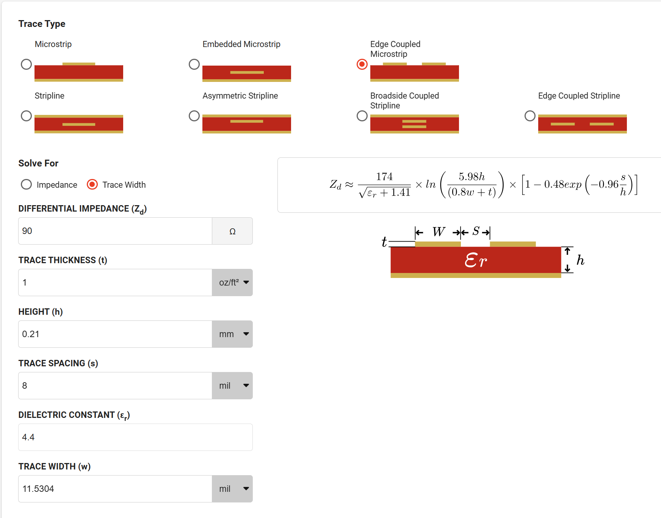
 | Audio subsystem |  |  |  |  | https://dl.espressif.com/dl/schematics/ESP32-LYRAT_V4.3-20220119.pdf | Reference schematic for ESP32 LyraT
 | High quality audio | ESP DAC not perfect for audio - use separate stereo codec | ES8388 (Everest Semiconductor) | TRUE |  | https://cdn.pcbartists.com/wp-content/uploads/2022/12/ES8388-user-guide-application-note.pdf
 |  | ESP - ES8388 interface - i2c for configuration, i2s for sound (slave mode) |  | TRUE |  | https://docs.espressif.com/projects/esp-adf/en/latest/api-reference/abstraction/es8388.html
 |  | 1k i2c pullups |  | TRUE |  | https://github.com/espressif/esp-adf
 | For HFA eventually - need full duplex audio in and out | Full duplex audio required for ES8388 to ESP32 over i2s |  | TRUE |  | Check i2s pin config for this.
 | Audio out over aux cable | Stereo barrel jack 3.5mm required. |  | TRUE
 |  | ES8388 connects to barrel jack on one of the out channels |  | TRUE
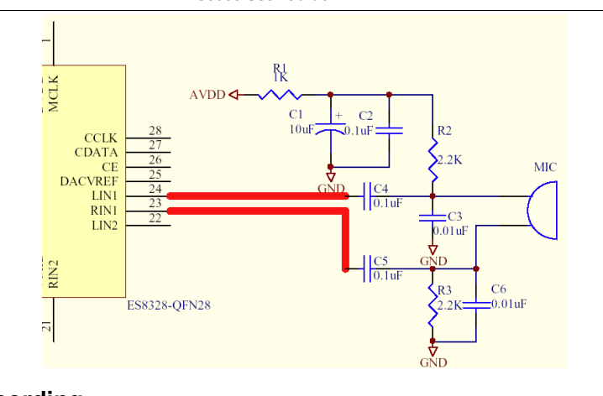
 |  |  |  | FALSE
 | Audio in via microphone on board | Consider PDM MEMS microphone |  | FALSE |  | Check if ES8388 can do digital mic in (no it can't)
 |  | Analog might be required because ES8388 takes a line / mic in. |  | TRUE
 |  | ES8388 recommends differential analog mic in, L1-R1, L2-R2 |  | TRUE
 | Microcontroller
 | Can connect to all phones (not just super modern ones) | Rules out BLE audio. Use bluetooth classic instead | ESP32-D0WD-V3 | TRUE
 | Able to configure as a bluetooth sink (device can connect to it and stream music one direction) | A2DP profile capable |  | TRUE |  | ESP32 Bluetooth SDK supports this - double confirm
 | (Future) Can function as a handsfree device (audio in and out, with volume control etc) | Bluetooth HFP profile capable |  | TRUE |  | Via the ESP32 Bluetooth SDK
 | Can store program in flash | ESP32 requires external flash chip | W25Q32JVZP (32Mbit = 4MB. ESP can support up to 8MB?) | TRUE |  | Check power pin (SPI power)

 | Option to reset the ESP32 chip | Pull EN to ground. | 2x1 testpoint EN/GND | TRUE
 |  |  | Auto-download circuit implemented with transistors to DTR, RTS | TRUE
 | External MHz crystal required for ESP32 | Spec crystal load caps as per ESP HW design guide | 2x 18pF, 10pF 40MHz crystal | TRUE

 | Visual indicators for ESP32 | 3x LEDS, Blue, green and red | 2x LEDs - Blue and Green implemented | TRUE |  | TODO on free GPIOs

 | Low cost antenna | 2.4GHz PCB trace antenna |  | TRUE |  | https://www.rfinsights.com/insights/design/concepts/quality-factor/
 |  | Matching PI network required |  | TRUE |  | research how to size these components
 |  | 50 ohm controlled impedance traces |  | FALSE |  | size according to PCB stackup
 |  | Best practice - solid ground plane below RF | 4 layer PCB | FALSE |  | https://www.openems.de/

 | Programmable over USB | ESP might have USB-UART built in? | Not in ESP. Only in ESP-Sx and ESP-Cx | FALSE |  | Double check USB comms -Phils lab
 |  | Backup SWD pins | n/a. Not an ARM core | FALSE
 |  | USB C housing (USB 2) | USB connector on board | TRUE

 | EMI protected | USB Shield ungrounded - Ground on the source side |  | TRUE
 |  | ESD protection on USB lines |  | TRUE | USB-LC6-2SC6

 | Development

 | Must be able to flash code to the board | Need control over ENABLE and BOOT pins |  | TRUE |  | https://hackaday.com/2024/04/03/esp-prog-adapter-makes-your-esp32-tinkering-seamless/ | https://jacobbokor.com/posts/esp-jtag-adapter/
 |  | ESP32 doesn't have built in USB-UART bridge |  | FALSE |  | (and all the nice USB-CDC, USB JTAG etc that comes with it) | https://www.robotics.org.za/SOP8-DIP-PROG?search=soic8
 |  | ESP32 doesn't have built in USB hardware peripheral |  | FALSE |  | (hence the lack of USB DP, DN in the pin summary) | https://medium.com/@kazutaka.yoshinaga/esp32-understanding-the-automatic-boot-loader-mechanism-and-truth-table-68c4dcfd081b
 |  | Flash code over UART |  | FALSE |  |  | https://www.phippselectronics.com/support/using-the-bluetooth-audio-receiver-amplifier-module-bt50-audio-pro/?srsltid=AfmBOoqDw51mJtkfJT7iajATPIMTeUkQ28yYEk6aSk8vb9BWVt05JKrG
 |  | On board or Off board USB-UART |  | TRUE | ch340k
 |  | `- ON board option: | Use a CP2102 chip (presumably connects to RX, TX, EN, BOOT | FALSE |  | https://www.silabs.com/interface/usb-bridges/classic/device.cp2102?tab=specs | https://electronics.stackexchange.com/questions/448187/esp32-with-ftdi-programmer
 |  | `-OFF board option: | Expose the UART RX, TX and use a external USB-serial converter, and manually toggle the EN and BOOT pins as required | TRUE
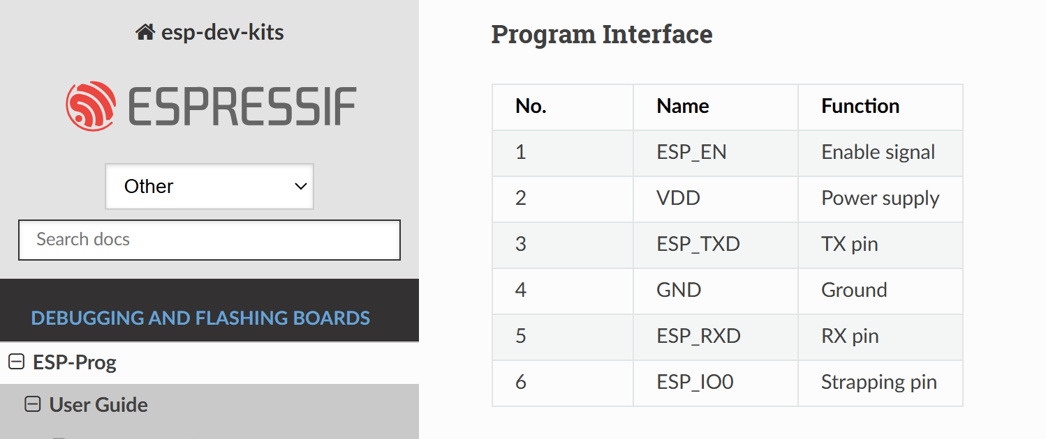
 |  |  | Alternatively, use a ESP-PROG | TRUE

 | Must be able to debug code | JTAG debugging can be broken out separately | Break out JTAG and connect to it with ESP-PROG | TRUE
 |  | Doesn't support SWD |  | FALSE |  | (SWD is only on ARM architectures. ESP is Xtensa)

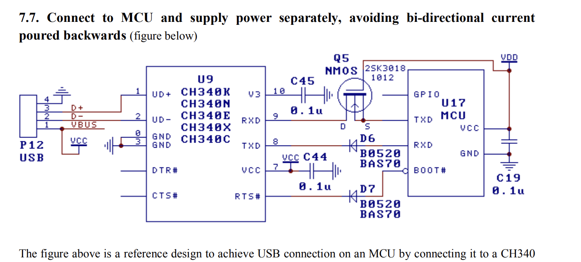
 | Able to probe key points | i2c
 |  | mic input
 |  | spare mic
 |  | audio out
 |  | audio out spare
 |  | boot pin + GND
 |  | spare GPIOs
 |  | VDD, VDDSDIO
 |  | GND

Power
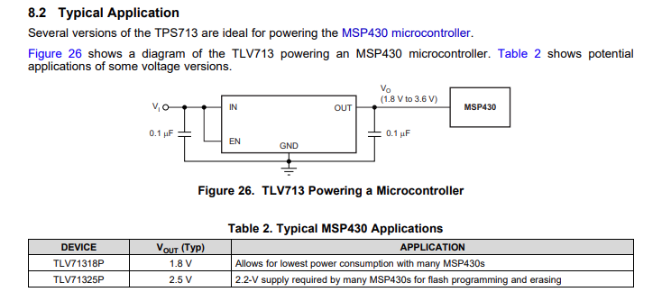
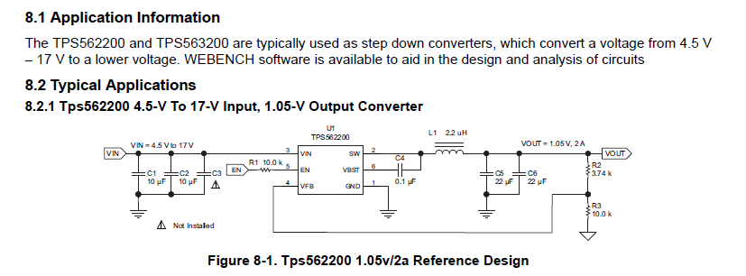

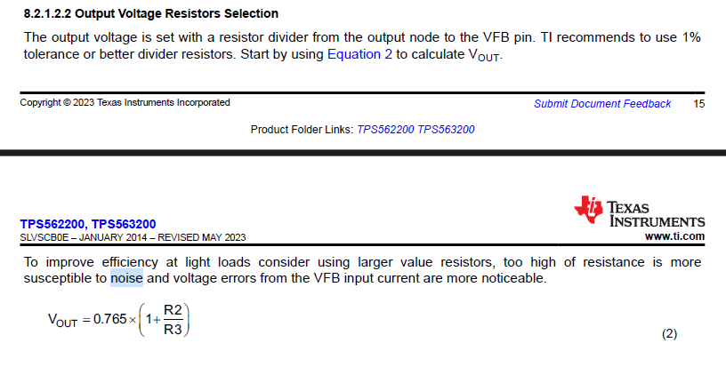

 |  |  |  |  | For Vout = 3v3 |  |  | Use <1% tolerance resistors
 |  |  |  |  |  |  |  |  | For 3v3 | For 5V
 |  |  |  |  | R2 | 33200 | Ohms | From recommended values table | 33.2k | 56k
 |  |  |  |  | R3 | 10000 | Ohms |  | 10k | 10k

 |  |  |  |  | Vout | 3.3048 | V | Equation 2

 |  |  |  |  | L_out | 4.70E-06 | F |  | 3.3uH
 |  |  |  |  | C_out | 4.40E-05 | F |  | 68uF

 |  |  |  |  | F_P | 1.11E+01 | kHz

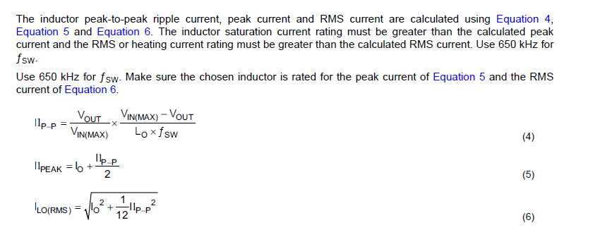

 |  |  |  |  | I_out | 2 | A | Output current design requirement

 |  |  |  |  | V_in(max) | 12 | V
 |  |  |  |  | f_sw | 650000 | Hz

 |  |  |  |  | Ilp-p | 0.784 | A | Equation 4
 |  |  |  |  | Il_peak | 2.392 | A | Equation 5 |  | Inductor peak and RMS currents inform peak current rating and RMS current rating of inductor
 |  |  |  |  | I_LO(rms) | 2.013 | A | Equation 6

 |  |  |  |  | I_CO(rms) | 2.26E-01 |  | Equation 7 |  | informs current rating of output capacitors |  |  |  | (Didn't match expected value when testing on the application example from datasheet)

 |  |  |  |  | ESR | 0.1

 |  |  |  |  | V_ripple | 0.078384879869 | V

 |  |  |  |  |  |  |  |  | C1 = 47uF |  | Bulk |  | All caps 16V | Consider increasing to prevent dropout on car start up
 |  |  |  |  |  |  |  |  | C2 = 10uF |  | Decoupling | Ceramic
 |  |  |  |  |  |  |  |  | C3 = 0.1uF |  | HF filtering
 |  |  |  |  |  |  |  |  | C4 = 0.1uF |  | bootstrap | Ceramic

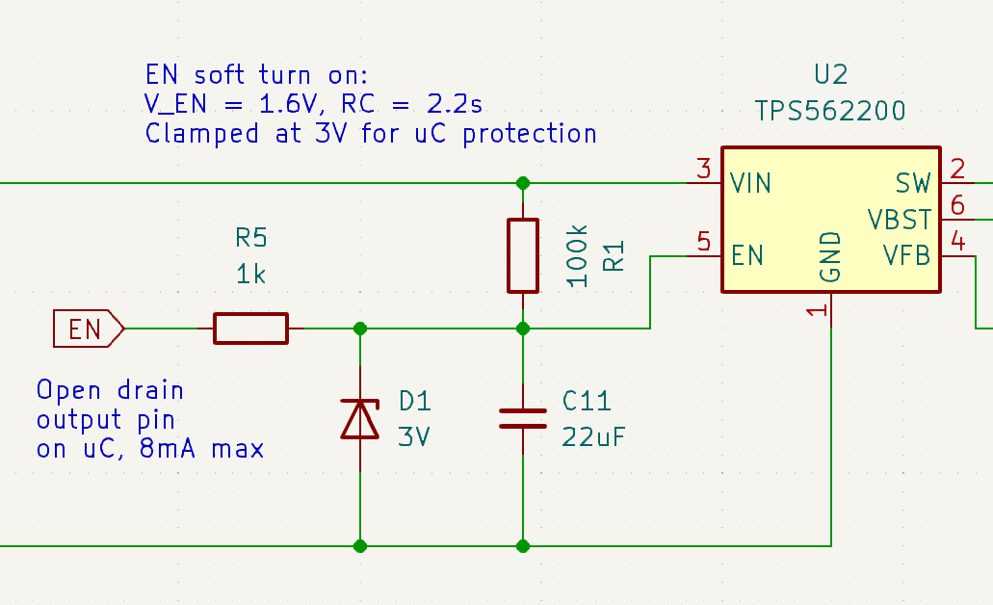
 |  |  |  |  | R1 | 100000 | Ohms | R_EN = 225k internal (min), so R1=100k guarantees that V_EN can reach up to 2/3 V_IN | R1=10k
 |  |  |  |  | C11 | 2.20E-05 | F |  | C11=22uF

 |  |  |  |  | RC | 2.20 | s

 |  |  |  |  | V_EN | 1.6 | V | Voltage required to turn on regulator
 |  |  |  |  | t_EN | -0.31482185601 | s | Rise time to reach V_EN |  | Must be longer than the holdup time of the VCC bulk caps to allow the STM32 to power down. Could use a FET to pull down both VCC and EN for faster turn off
 |  |  |  |  | V_Z | 3 | V | Zener clamp voltage for uC protection | V_Z=3V

 |  |  |  |  | R5 | 1000 | Ohms | As small as possible to discharge C11 fast, without exceeding 8mA open drain max current on STM32 GPIO | R5=1k

 |  |  |  |  | RC_off | 0.02 | s | Time constant between R5 and C11
 |  |  |  |  | t_EN_LOW | 0.01 | s | Time to drain C11 from V_Z to below V_EN, to turn off regulator by pulling EN pin low |  | Should be as fast as possible.

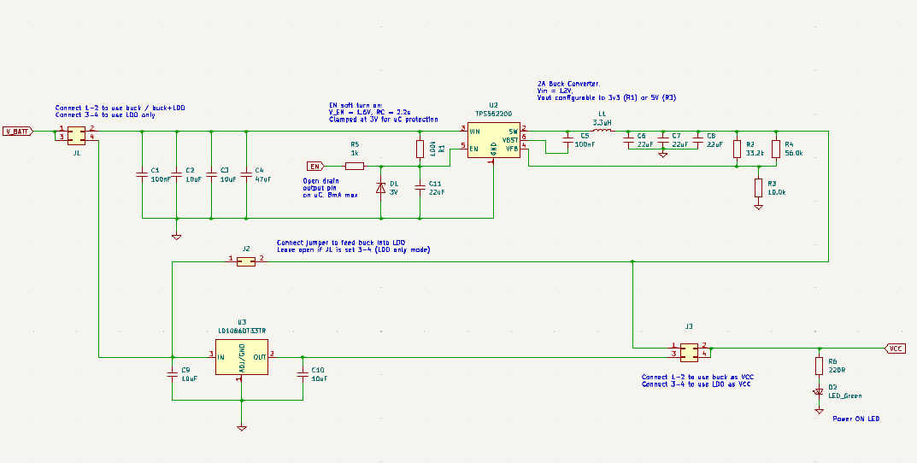

Abandoned in favour of LDO only (40V tolerant LDO) |  |  |  | https://www.lcsc.com/datasheet/lcsc_datasheet_1811151523_STMicroelectronics-LM317MDT-TR_C68136.pdf
 |  |  |  | https://www.lcsc.com/datasheet/lcsc_datasheet_1811151523_STMicroelectronics-LM317MDT-TR_C68136.pdf

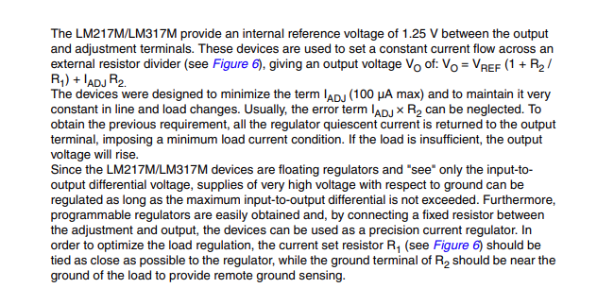

 | V_ref | 1.25 | V

 | R1 | 330 | Ohms
 | R2 | 526 | Ohms | Use 470 + 56
 | I_adj | 1.00E-04 | A
 | error | 0.05 | V

 | V_out | 3.30 | v

STM32WB
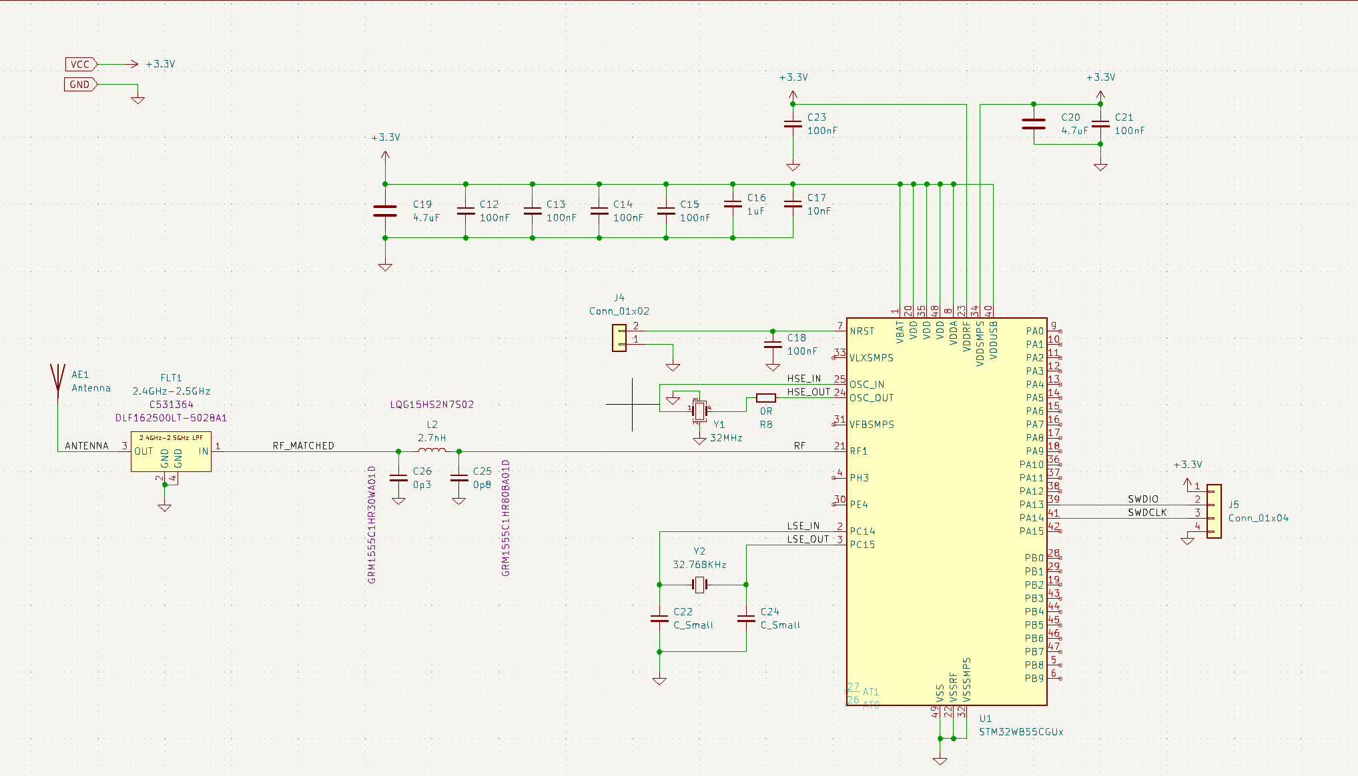
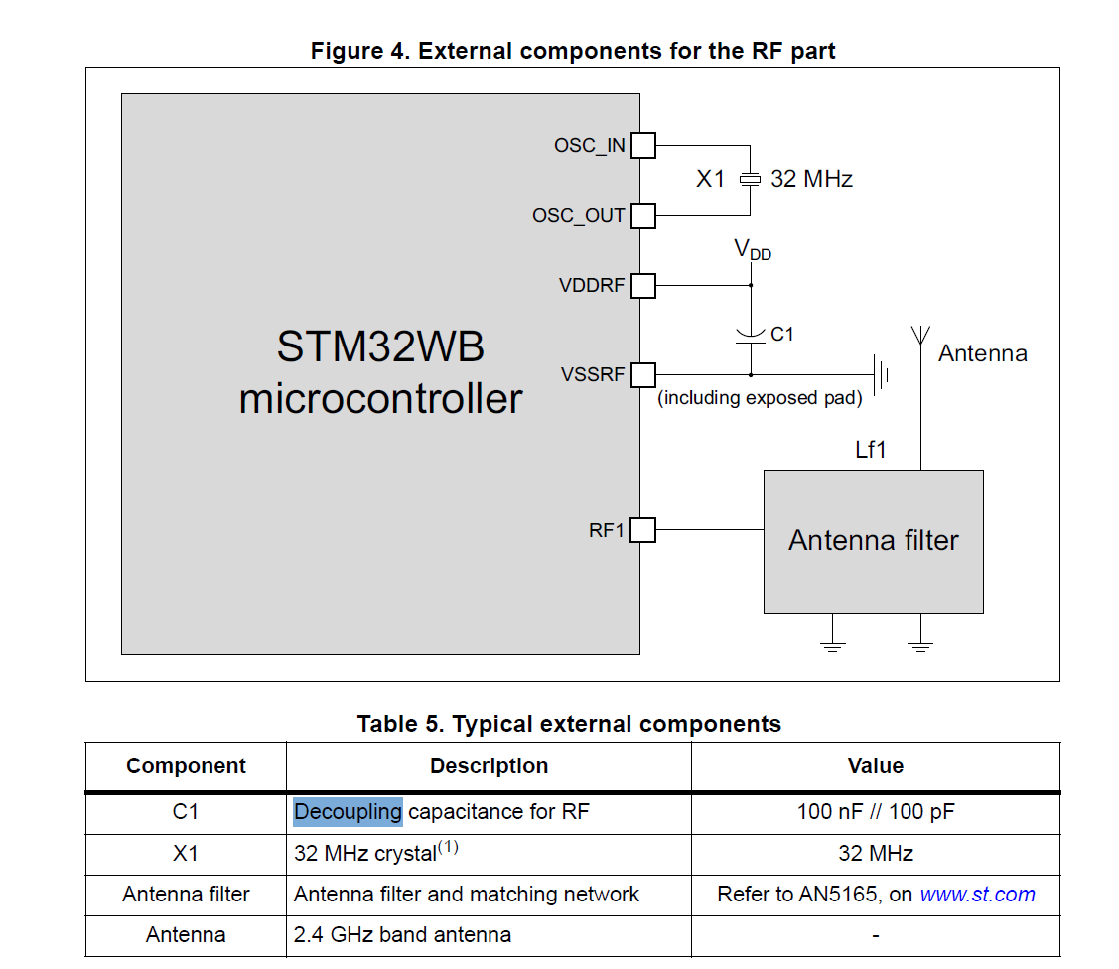

STM32WB ruled out because it only supports BLE audio which is not compatible with all phones currently

