Buck converter
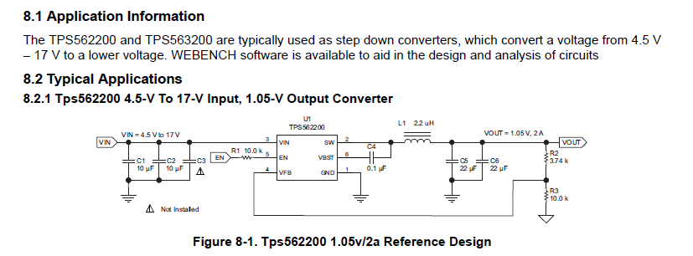

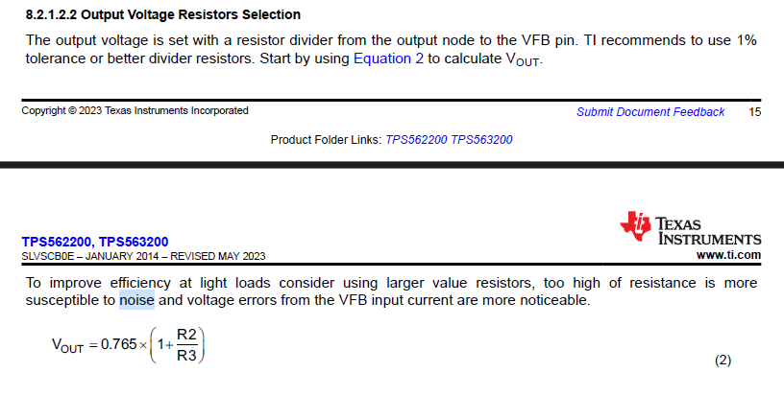

For Vout = 3v3 |  |  | Use <1% tolerance resistors
 |  |  |  | For 3v3 | For 5V
R2 | 33200 | Ohms | From recommended values table | 33.2k | 56k
R3 | 10000 | Ohms |  | 10k | 10k

Vout | 3.3048 | V | Equation 2

L_out | 4.70E-06 | F |  | 3.3uH
C_out | 4.40E-05 | F |  | 68uF

F_P | 1.11E+01 | kHz

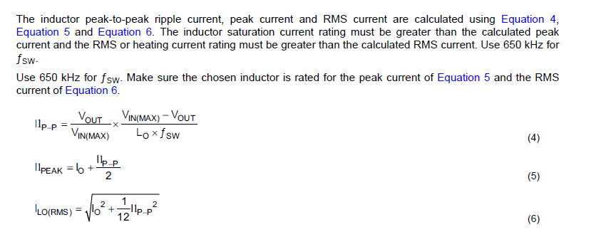

I_out | 2 | A | Output current design requirement

V_in(max) | 12 | V
f_sw | 650000 | Hz

Ilp-p | 0.784 | A | Equation 4
Il_peak | 2.392 | A | Equation 5 |  | Inductor peak and RMS currents inform peak current rating and RMS current rating of inductor
I_LO(rms) | 2.013 | A | Equation 6

I_CO(rms) | 2.26E-01 |  | Equation 7 |  | informs current rating of output capacitors |  |  |  | (Didn't match expected value when testing on the application example from datasheet)

ESR | 0.1

V_ripple | 0.078384879869 | V

 |  |  |  | C1 = 47uF |  | Bulk |  | All caps 16V | Consider increasing to prevent dropout on car start up
 |  |  |  | C2 = 10uF |  | Decoupling | Ceramic
 |  |  |  | C3 = 0.1uF |  | HF filtering
 |  |  |  | C4 = 0.1uF |  | bootstrap | Ceramic

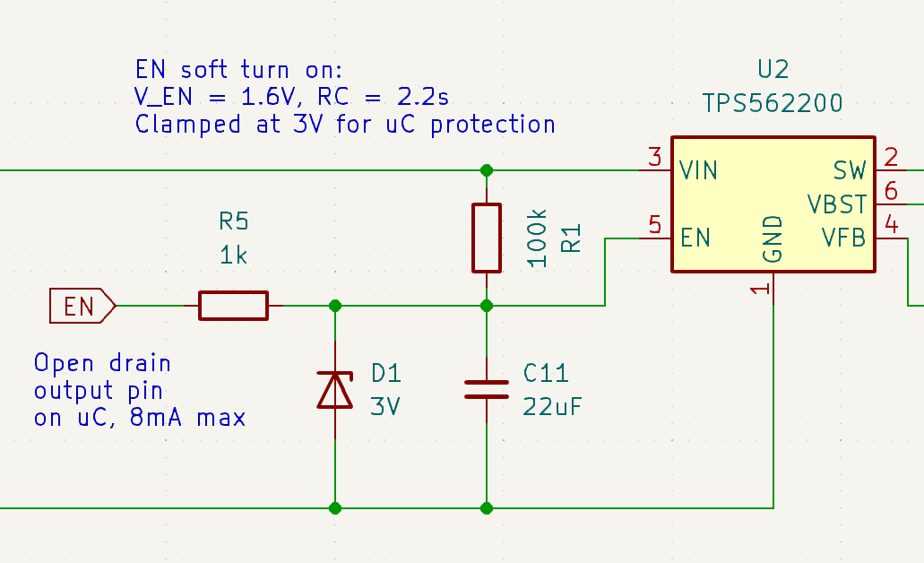
R1 | 100000 | Ohms | R_EN = 225k internal (min), so R1=100k guarantees that V_EN can reach up to 2/3 V_IN | R1=10k
C11 | 2.20E-05 | F |  | C11=22uF

RC | 2.20 | s

V_EN | 1.6 | V | Voltage required to turn on regulator
t_EN | -0.31482185601 | s | Rise time to reach V_EN |  | Must be longer than the holdup time of the VCC bulk caps to allow the STM32 to power down. Could use a FET to pull down both VCC and EN for faster turn off
V_Z | 3 | V | Zener clamp voltage for uC protection | V_Z=3V

R5 | 1000 | Ohms | As small as possible to discharge C11 fast, without exceeding 8mA open drain max current on STM32 GPIO | R5=1k

RC_off | 0.02 | s | Time constant between R5 and C11
t_EN_LOW | 0.01 | s | Time to drain C11 from V_Z to below V_EN, to turn off regulator by pulling EN pin low |  | Should be as fast as possible.

RF
