Boundary
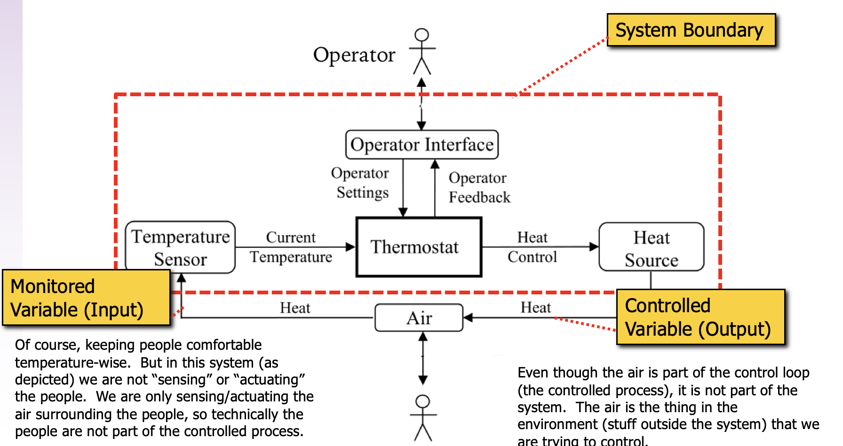
Boundary and Context Entities

Physical Interactions | Type (input/output) | Context interactions | Physical Interpretation
Current Temperature | Monitored | Air (+ infant indirectly) | Current air temperature inside Isolette
Heating Element | Controlled | Air (+ infant indirectly) | Heating element whose actuation increases the air temperature within the Isolette

Operator Interactions | Type (input/output) | Context interactions | Interpretation
Upper Desired Temperature | Monitored | Operator | Upper bound of target temperature range; Input (keyed) by Operator
Lower Desired Temperature | Monitored | Operator | Lower bound of target temperature range; Input (keyed) by Operator
Upper Alarm Temperature | Monitored | Operator | Upper bound of alarm temperature range; Input (keyed) by Operator
Lower Alarm Temperature | Monitored | Operator | Lower bound of alarm temperature range; Input (keyed) by Operator
Display Temperature | Controlled | Operator | Value of system's understand of the current temperature within the Isolette; visual output to operator
Regulator Status | Controlled | Operator | Status (reflects current mode) of Regulate Function
Monitor Status | Controlled | Operator | Status (reflects current mode) of Monitor Function

Context entities
Nurse
Air (in Isolette)
Infant (indirect, but listed since the primary safety objective pertains to the infant)

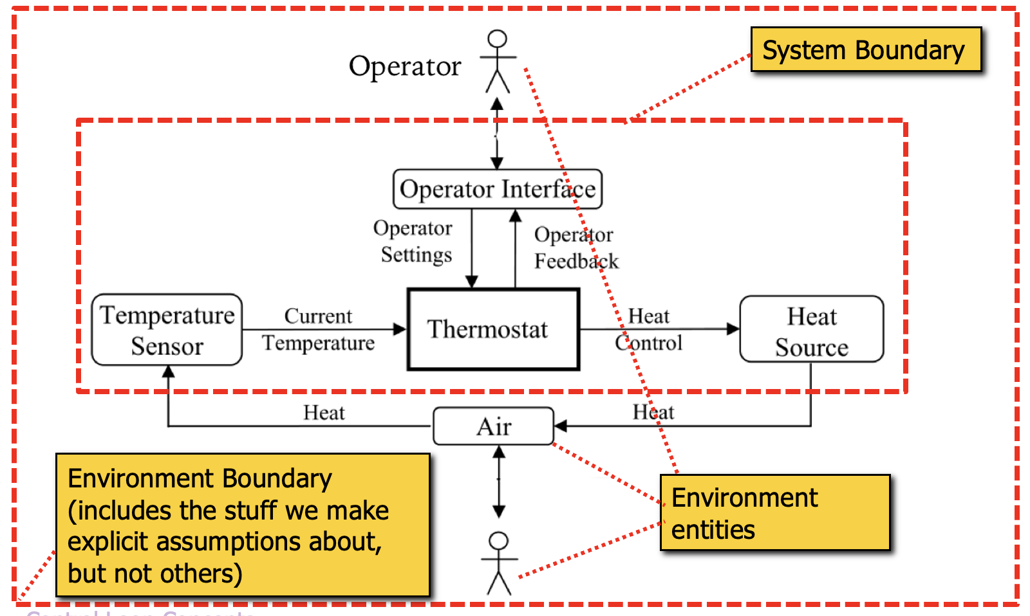
Boundary and Environment Diagrams

