Mapping
Elements_fieldname | DW_fieldname | Notes | Notes 2 | Example | Fields from DW currently not matched | Notes
[Title] |  | We don’t have this in our DW information | Could infer that all faculty are Dr.? Or perhaps DW has this info | See “Sample Elements HR Sheet” tab for example | Union Code
[Initials] |  | We don’t have this in our DW information | Does DW have this? Even if they have middle names we could infer | See “Sample Elements HR Sheet” tab for example | Position ID
[Firstname] | FirstName |  |  |  | Email Type
[Lastname] | LastName |  |  |  | Preferred Email
[KnownAs] |  | We don’t have this in our DW information | Does DW have this? | See “Sample Elements HR Sheet” tab for example | Campus Address
[Suffix] |  | We don’t have this in our DW information | Does DW have this? | See “Sample Elements HR Sheet” tab for example | Campus Ph Nbr
[Email] | Email addr |  |  |  | Camp Phone Ext
[AuthenticatingAuthority] |  | Assuming that this would be ADS? |  |  | Business Address
[Username] | MAC ID |  |  |  | Business Ph Nbr
[Proprietary_ID] | ID |  |  |  | Business Ph Ext
[PrimaryGroupDescriptor] | Faculty |  |  |  | Campus Addr St.
[Generic01] |  |  |  |  | Camp Building
[Generic02] |  |  |  |  | Building Code
[Generic03]
[Generic04]
[Generic05]
[Generic06]
[Generic07]
[Generic08]
[Generic09]
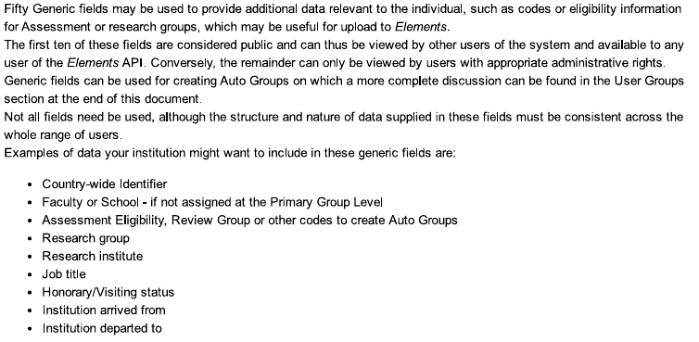
[Generic10]
[Generic11]
[Generic12]
[Generic13]
[Generic14]
[Generic15]
[Generic16]
[Generic17]
[Generic18]
[Generic19]
[Generic20]
[Generic21]
[Generic22]
[Generic23]
[Generic24]
[Generic25]
[Generic26]
[Generic27]
[Generic28]
[Generic29]
[Generic30]
[Generic31]
[Generic32]
[Generic33]
[Generic34]
[Generic35]
[Generic36]
[Generic37]
[Generic38]
[Generic39]
[Generic40]
[Generic41]
[Generic42]
[Generic43]
[Generic44]
[Generic45]
[Generic46]
[Generic47]
[Generic48]
[Generic49]
[Generic50]
[IsAcademic]
[IsCurrent]
[LoginAllowed]
[ArriveDate]
[LeaveDate]
[Position] | Position
[Department] | Department

