Sheet1
 |  | 1 |  | Condition
Passenger | Date (Must be in july but with different years) | # of booking record |  | pass. From IT
 | Jul-21 |  |  | Using Bus
 | Jul-20

 |  | 2
Passenger age group | # of booking record |  |  | Group by group age
13~19
20~29
30~39
40~49
….
 |  | 3
Reg. No | Team ID | # of maintanence record |  | At least one maintance team
 |  |  |  | team from CENTER 04

 |  | 4
main. Type | main. Cost |  |  | Type == "minibus"
 |  |  |  | Group by each main. Type

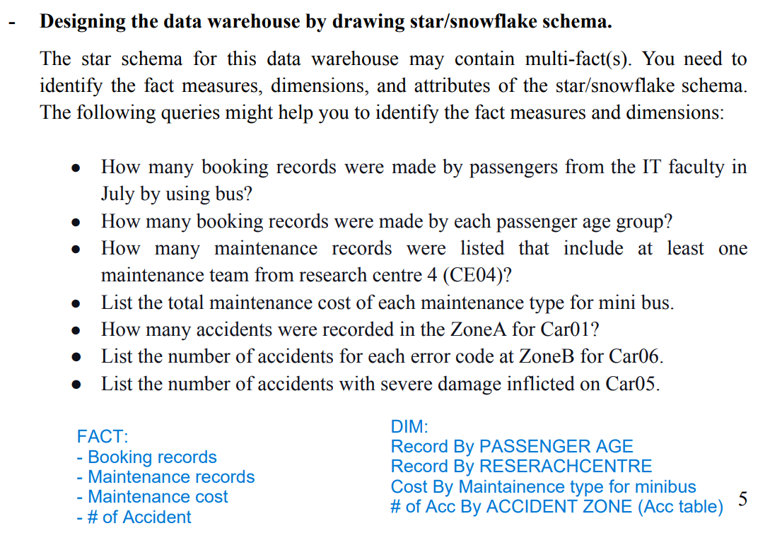
 |  | 5
Reg. No | Zone | # of accident record |  | Car 01
Car 01 |  |  |  | Zone A

 |  | 6
Reg. No | Zone | # of accident record | Error code | Zone B
Car 06 | B |  | 1 | Car 06
 | B |  | 2 | Group by error code
 | B |  | 3
 | B |  | 4

 |  | 7
Reg. No | Car_damage_severity | # of accident record |  | Car 05
Car 05 | Severe damage |  |  | Severe damage

