Cover_page
Case description:
Background
ModularDYNAMIC is an advanced electro-mechanical systems engineering company. They are producing a next generation self-adapting robotic arm (the FlexAdapt 1.0) that is receiving high demand from a variety of industries specialising in material handling and manufacturing to automate their manufacturing processes. For The FlexAdapt 1.0 robotic arms, they are currently produced at two specialised production facilities in Vietnam and South Korea, and sell those to United States, United Kingdom, Germany, and China.
Objectives
Since our manager is interested in optimising the cost in production and distribution for the future months of December and January — one of the business objectives. Through this network modeling, we hope to find the optimal way to meet demand at each market country at the minimum cost.
Navigation to the report
There are three sheets in this file:
- The first one is implementing the network diagram to create an excel model to solve for the optimal values for decision variables (shipped crates)
- the second one is a report summary for the number of shipped crates to each market country and the minimum shipping cost associated

Network diagram:

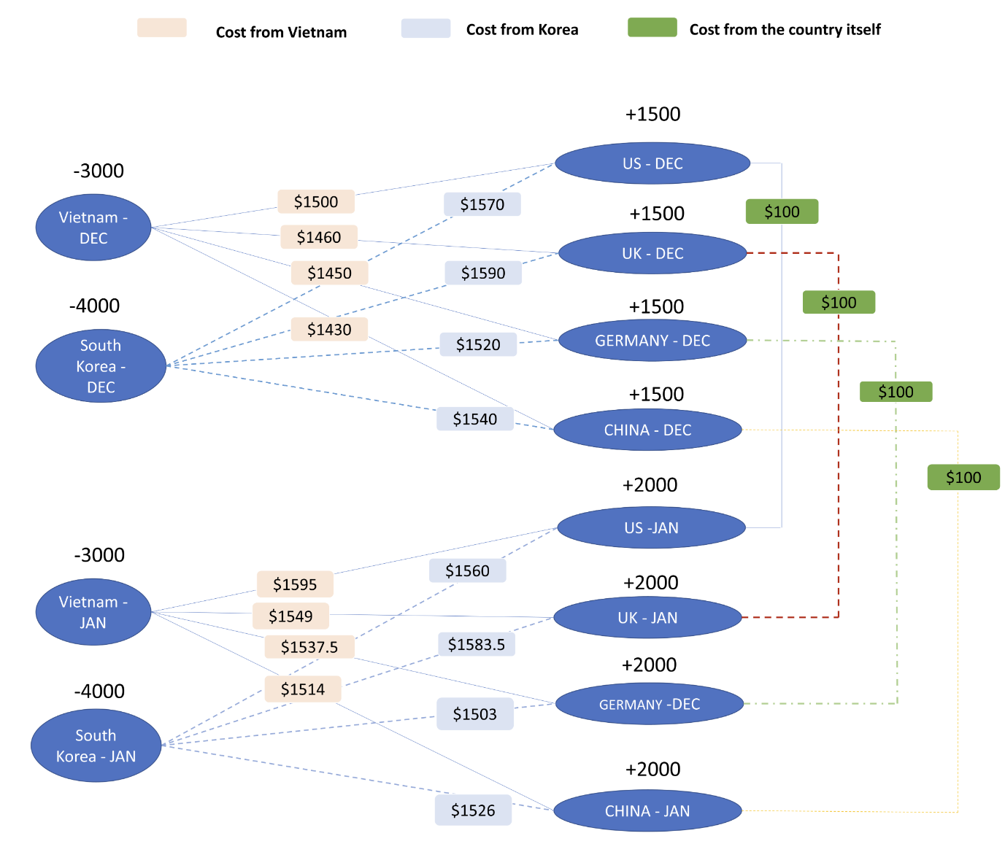

Contributions
Name | Tasks | Percentage
Jason | Excel model, network model | 33.333333333
Derek | Excel model | 33.333333333
Jing | Excel model, document edit | 33.333333333

Report summary
The total minimum cost to meet the demand at each market country for the future months of December and January is $17,929,500

The optimal amount of crates to be shipped entails
 | 200 crates from Vietnam in December to United Kingdom in Decemer
 | 100 crates from Vietnam in December to China in December
 | 200 crates from South Korea in December to United States in December
 | 150 crates from South Korea in December to Germany in December
 | 50 crates from South Korea in December to China in December
 | 50 excess crates held by United States in December into January
 | 50 excess crates held by United Kingdom in December into January
 | 150 crates from Vietnam in January to United Kingdom in January
 | 150 crates from Vietnam in January to China in January
 | 150 crates from South Korea in January to United States in January
 | 200 crates from South Korea in January to Germany in January
 | 50 crates from South Korea in January to China in January

Assumption of the constraint:
There is an excess of 1000 units from December since supply (7000) >= demand (6000). According to the balance of flow rules approach, this excess carries over into January's supply, making the supply (7000 + 1000) = demand (8000).

