Cover_page
Case description:

Background
DynaSafe Training (DST) is an award-winning and accredited safety training provider for heavy machinery and earth moving equipment operators with a clientele of large mining companies. NorthStar Minerals Inc. (NMI) is interested in having DynaSafe provide a safety training program for its new heavy machine operators and has submitted a contract proposal.
Objectives
NorthStar Minerals Inc. (NMI) requires a contract as it wants to ensure a steady supply of newly trained heavy machine operators to manage high demand across its multiple mining operations. Since our managers is interested in optimising the class sizes and analysing the cost and class sizes with different scenario. Throught this inventory modelling problem, we hope to find the optimal way to meet the need of NMI at the minimum cost.
Navigation to the report
There are 6 sheets in this file each sheet representing our answer to the respective questions.

Contributions
Name | Tasks | Percentage
Jason | Excel model, answering questions | 33.33
Derek | Excel model, answering questions, document edit | 33.33
Jing | Excel model, answering questions | 33.33

Q6
Since the problem assumes that shortages will apply, the following formula can be used to calculate the appropriate numbers considering the delays:
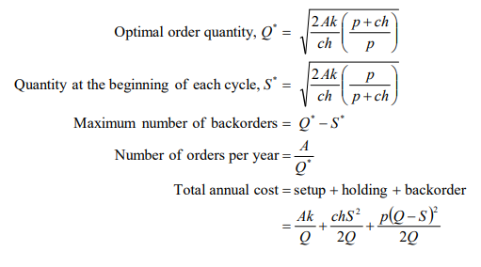

So, using the information calculated previously, we can calculate the following
Cost breakdown of 4-week of heavy machine operator safety training course
Item | Amount
Trained Heavy Machine Operators | 6 per month
Instructor | $3,000
Machines and equipment facilities | $1,500
Office administration and support fees | $250
Untrained Machine Operators | $1,600

Annual Demand (A) | 72
Fixed cost per order (k) | 4750
Cost per item (c) | 1600
Holding cost (h) | 0.32

Delay (Week) | Backorder Penalty cost (p) | Optimal order quantity (Q*) | Quantity at the start of each cycle (S*) | Max Number of backorders | Number of orders per year | cycle time | Order costs | Holding costs | Backorder costs | Total costs
1 | 500 | 52.170393903 | 25.94862524 | 26.221768663 | 1.3800930875 | 0.72458880421 | 6555.4421658 | 3260.56023954845 | 3294.8819263 | 13110.884331658
2 | 1000 | 45.141444372 | 29.989071436 | 15.152372936 | 1.5949866249 | 0.62696450517 | 7576.186468 | 5033.13087038013 | 2543.0555977 | 15152.3729360918
3 | 1500 | 42.541156543 | 31.822124973 | 10.71903157 | 1.6924786689 | 0.59084939643 | 8039.2736774 | 6013.62991615168 | 2025.6437612 | 16078.5473547634
4 | 2000 | 41.179485184 | 32.874378928 | 8.3051062555 | 1.7484434222 | 0.57193729422 | 8305.1062555 | 6630.12684266552 | 1674.9794129 | 16610.2125110989

From the calculations above, we've concluded two observations: Firstly, planned delays would incur lower total annual costs. This is because they are able to clearly hold more people per class as seen by comparing the optimal class size (Q*) with planned delays and without delays. Where Q* with delay can optimally hold up to approximately 52 people and comparatively Q* without delay can optimally hold up to approximately 37 people. Secondly, as the optimal class size decreases as the delay increases, it can be concluded that increasing delay results in increasing total annual costs .

