Cover_page
Case description:

Background
DynaSafe Training (DST) is an award-winning and accredited safety training provider for heavy machinery and earth moving equipment operators with a clientele of large mining companies. NorthStar Minerals Inc. (NMI) is interested in having DynaSafe provide a safety training program for its new heavy machine operators and has submitted a contract proposal.
Objectives
NorthStar Minerals Inc. (NMI) requires a contract as it wants to ensure a steady supply of newly trained heavy machine operators to manage high demand across its multiple mining operations. Since our managers is interested in optimising the class sizes and analysing the cost and class sizes with different scenario. Throught this inventory modelling problem, we hope to find the optimal way to meet the need of NMI at the minimum cost.
Navigation to the report
There are three sheets in this file:
- The first one is to answer Q1 requested by manager;
- the second one is to answer Q2 requested by manager;
- the third one is answer Q3 requested by manager;
- the fourth one is to answer Q4 requested by manager;
- the fifth one is to answer Q5 requested by manager
- and the final one is to answer Q6 requested by manager.

Q6
Since the problem assumes that shortages will apply, the following formula can be used to calculate the appropriate numbers considering the delays:
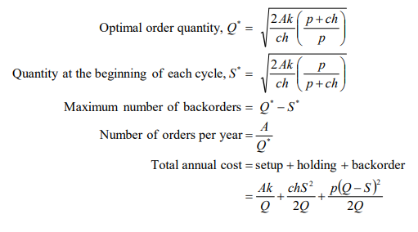

So, using the information calculated previously, we can calculate the following
Cost of 4-week of heavy machine operator safety training course
Item | Amount
Trained Heavy Machine Operators | 6 per month
Instructor | $3,000
Machines | $1,500
Office | $250
Operator | $1,600

Annual Demand (A) | 72
Fixed cost per order (k) | 4750
Cost per item (c) | 1600
Holding cost (h) | 0.316

Delay (Week) | Backorder Penalty cost (p) | Optimal order quantity (Q*) | Quantity at the start of each cycle (S*) | Max Number of backorders | Number of orders per year | cycle time | Order costs | Holding costs | Backorder costs | Total costs
1 | 500 | 52.170393903 | 25.94862524 | 26.221768663 | 1.3800930875 | 0.72458880421 | 6555.4421658 | 3.261E+03 | 3294.8819263 | 13110.884331658
2 | 1000 | 45.141444372 | 29.989071436 | 15.152372936 | 1.5949866249 | 0.62696450517 | 7576.186468 | 5.03313E+03 | 2543.0555977 | 15152.3729360917
3 | 1500 | 42.541156543 | 31.822124973 | 10.71903157 | 1.6924786689 | 0.59084939643 | 8039.2736774 | 6.01363E+03 | 2025.6437612 | 16078.5473547634
4 | 2000 | 41.179485184 | 32.874378928 | 8.3051062555 | 1.7484434222 | 0.57193729422 | 8305.1062555 | 6.63013E+03 | 1674.9794129 | 16610.2125110989

