Network ana
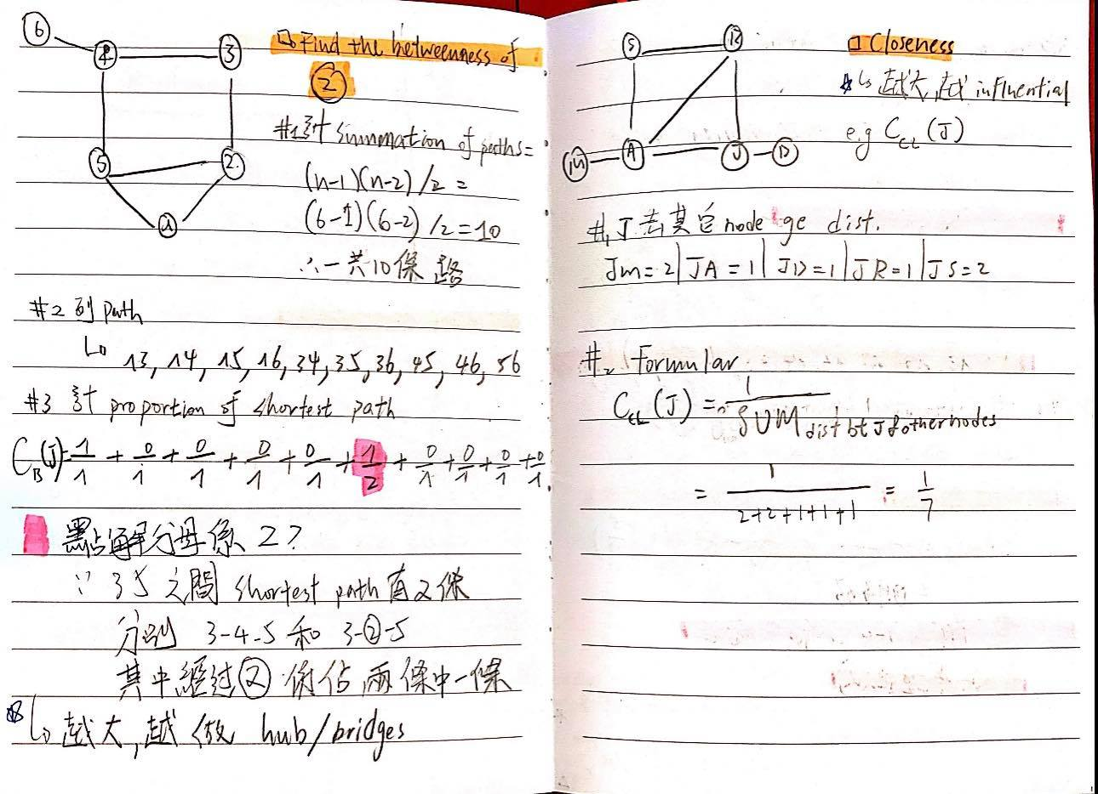
Clustering Coeff |  | Degree distr
1. find tripples | 13 | 1. find 每個node 字節點
2. find #of 三角形 | 2 | 2. 整table
3. formula | 0.46153846154 |  | Degree | Number
 |  |  | 0 | 0
Density |  |  | 1 | 2
1. # of link | 7 |  | 2 | 1
2. # nodes | 6 |  | 3 | 2
3. formula | 0.46666666667 |  | 4 | 1

Diameter
dist. Matrix ge 最長距離 | 兩node 之間最長ge links ge 最短距離

Average Path Length
1. Sum of dist matrix | 25
2. # nodes | 6
3. formula | 1.6666666667

Decision Tree
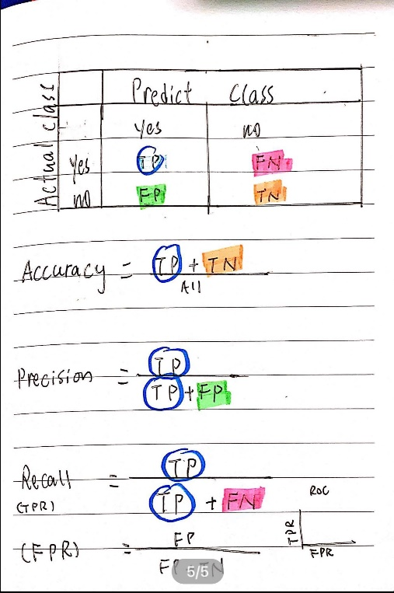
 |  |  | Log Base | 2 | 0.3010

Initial State | Yes | No | P(Yes) | Log2(Yes) | P(No) | Log2(No) | Entropy
Entropy(S) | 4 | 5 | 0.4444 | -1.1699 | 0.5556 | -0.8480 | 0.9911

NB
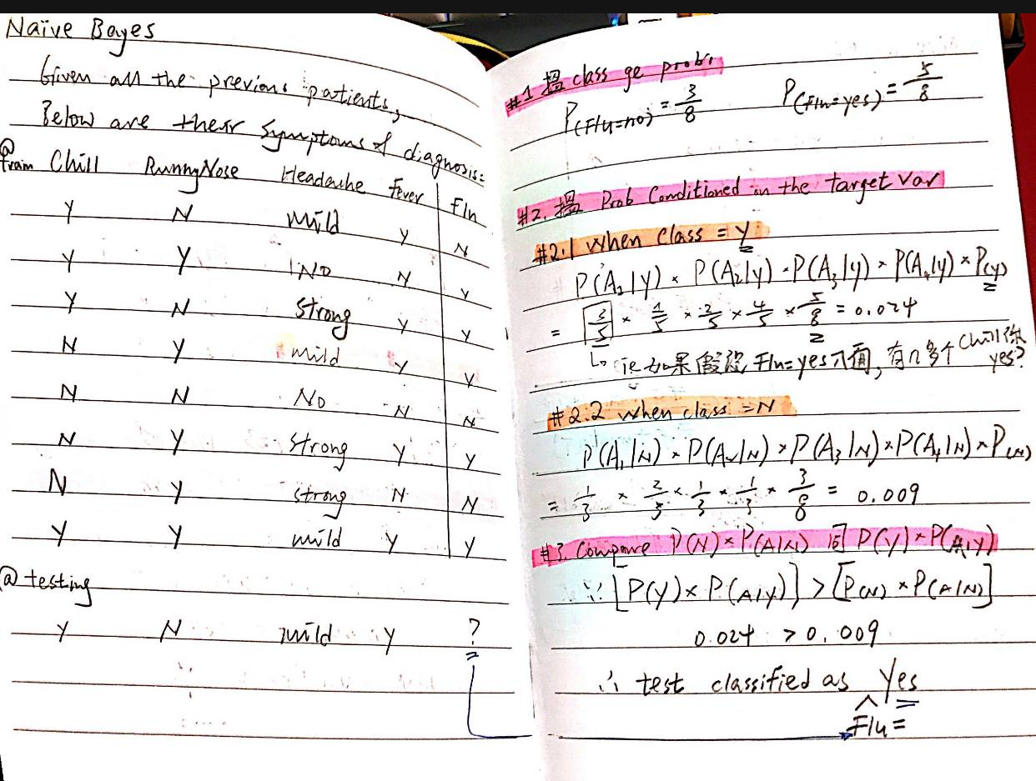
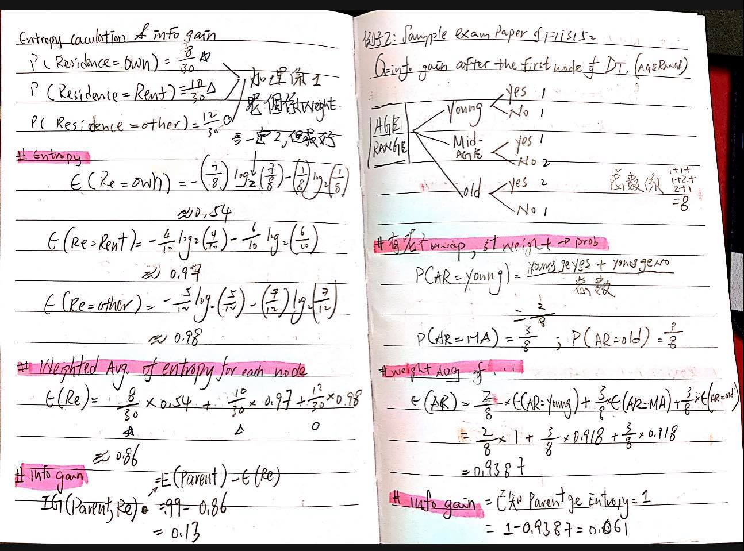

ROC-Lift
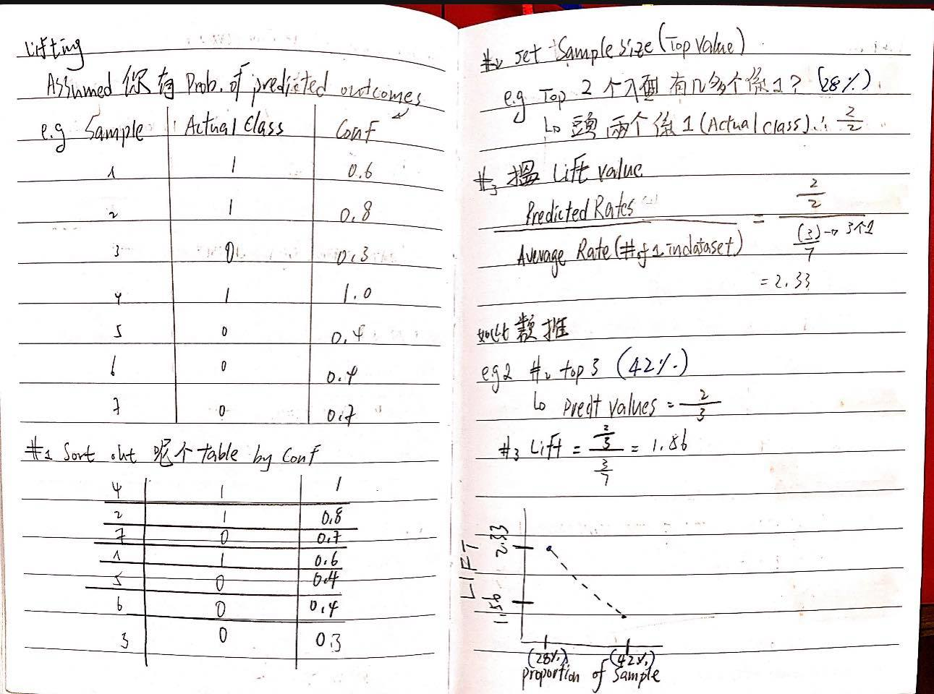
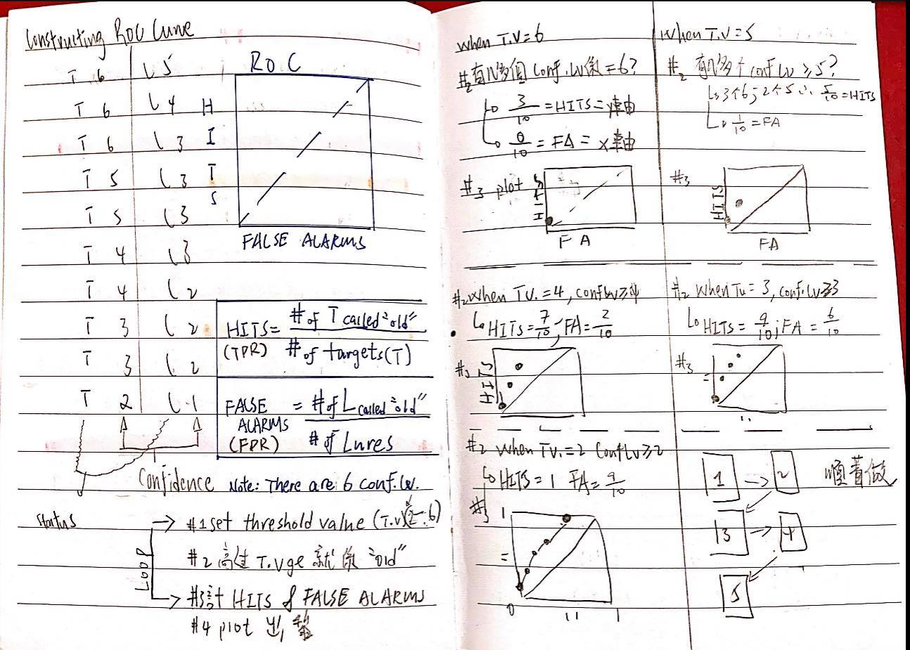

Text-analysis
