MM1
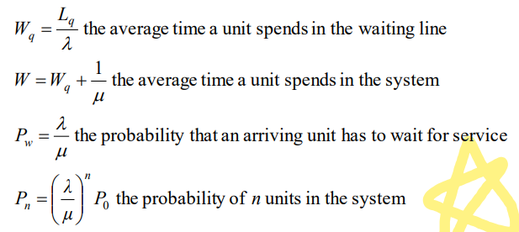
Input Parameters for M/M/1 Queue
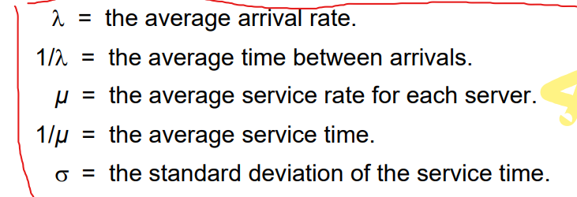
The mean arrival rate for the system (lambda) | 5 | 6 | 7 | 8 | 9 | 10 | 11
The mean service rate for each channel (mu) | 12 | 12 | 12 | 12 | 12 | 12 | 12
Number of units in the system (n) | 6 | 6 | 6 | 6 | 6 | 6 | 6
Operating Characteristics
The probability that no units are in the system (Po) | 0.58 | 0.50 | 0.42 | 0.33 | 0.25 | 0.17 | 0.08
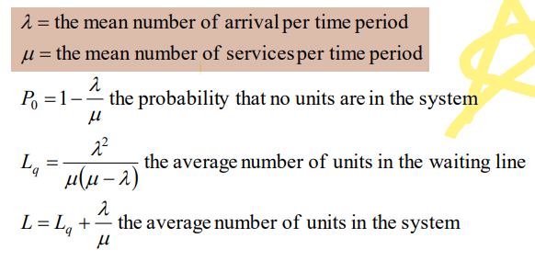
The average number of units in the waiting line (Lq) | 0.30 | 0.50 | 0.82 | 1.33 | 2.25 | 4.17 | 10.08
The average number of units in the system (L) | 0.71 | 1.00 | 1.40 | 2.00 | 3.00 | 5.00 | 11.00
The average time a unit is in the waiting line (Wq) | 0.06 | 0.08 | 0.12 | 0.17 | 0.25 | 0.42 | 0.92
The average time a unit spends in the system (W) | 0.14 | 0.17 | 0.20 | 0.25 | 0.33 | 0.50 | 1.00
The probability that a unit has to wait (Pw) | 0.42 | 0.50 | 0.58 | 0.67 | 0.75 | 0.83 | 0.92
Probability of n units in the system (Pn) | 0.00 | 0.01 | 0.02 | 0.03 | 0.04 | 0.06 | 0.05
Server utilisation factor (rho) | 0.42 | 0.50 | 0.58 | 0.67 | 0.75 | 0.83 | 0.92

MG1
Input Parameters for M/G/1 Queue

The mean arrival rate for the system (lambda) | 8 | 8 | 8 | 8 | 8 | 8 | 8
The mean service rate for each channel (mu) | 12 | 12 | 12 | 12 | 12 | 12 | 12
The standard deviation of service time (sigma) | 0 | 0.016666666667 | 0.033333333333 | 0.05 | 0.066666666667 | 0.083333333333 | 0.1
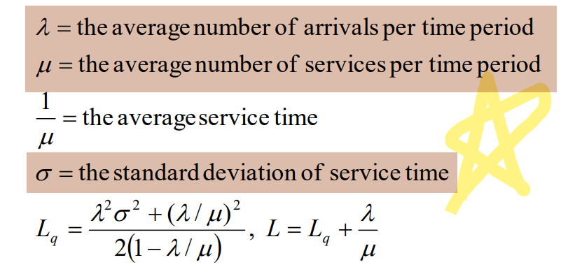
Number of units in the system (n) | 6 | 6 | 6 | 6 | 6 | 6 | 6
Operating Characteristics
The probability that no units are in the system (Po) | 0.33 | 0.33 | 0.33 | 0.33 | 0.33 | 0.33 | 0.33
The average number of units in the waiting line (Lq) | 0.67 | 0.69 | 0.77 | 0.91 | 1.09 | 1.33 | 1.63
The average number of units in the system (L) | 1.33 | 1.36 | 1.44 | 1.57 | 1.76 | 2.00 | 2.29
The average time a unit is in the waiting line (Wq) | 0.08 | 0.09 | 0.10 | 0.11 | 0.14 | 0.17 | 0.20
The average time a unit spends in the system (W) | 0.17 | 0.17 | 0.18 | 0.20 | 0.22 | 0.25 | 0.29
The probability that a unit has to wait (Pw) | 0.67 | 0.67 | 0.67 | 0.67 | 0.67 | 0.67 | 0.67
Probability of n units in the system (Pn) | 0.03 | 0.03 | 0.03 | 0.03 | 0.03 | 0.03 | 0.03
Server utilisation factor (rho) | 0.67 | 0.67 | 0.67 | 0.67 | 0.67 | 0.67 | 0.67

MMS
Input Parameters for M/M/S Queue

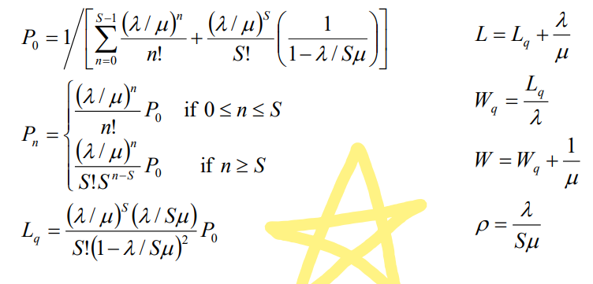
The mean arrival rate for the system (lambda) | 20 | 20 | 20 | 20 | 20
The mean service rate for each channel (mu) | 12 | 12 | 12 | 12 | 12
The number of channels (S) | 2 | 3 | 4 | 5 | 6
Number of units in the system (n) | 6 | 6 | 6 | 6 | 6
Operating Characteristics
The probability that no units are in the system (Po) | 0.091 | 0.173 | 0.186 | 0.188 | 0.189
The average number of units in the waiting line (Lq) | 3.788 | 0.375 | 0.073 | 0.015 | 0.003
The average number of units in the system (L) | 5.455 | 2.041 | 1.740 | 1.682 | 1.670
The average time a unit spends in the waiting line (Wq) | 0.189 | 0.019 | 0.004 | 0.001 | 0.000
The average time a unit spends in the system (W) | 0.273 | 0.102 | 0.087 | 0.084 | 0.083
The probability that a unit arriving has to wait for service (Pw) | 0.758 | 0.300 | 0.102 | 0.030 | 0.008
Probability of n units in the system (Pn) | 0.061 | 0.023 | 0.010 | 0.007 | 0.006
Server utilisation factor (rho) | 0.833 | 0.556 | 0.417 | 0.333 | 0.278

ExpoDist
Expo
x | 4
theta (Mean) | 8
Function | 0.60653065971

 | 0.075816332464

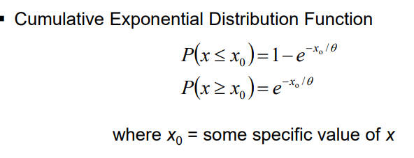

P(X <= X_0) | 0.39346934029

P(X >= X_0) | 0.60653065971

