Picture
DOE Commercial Building Benchmark - Hospital

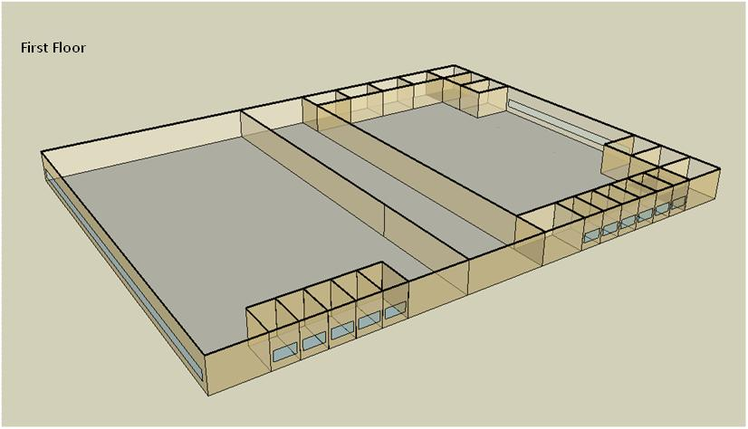

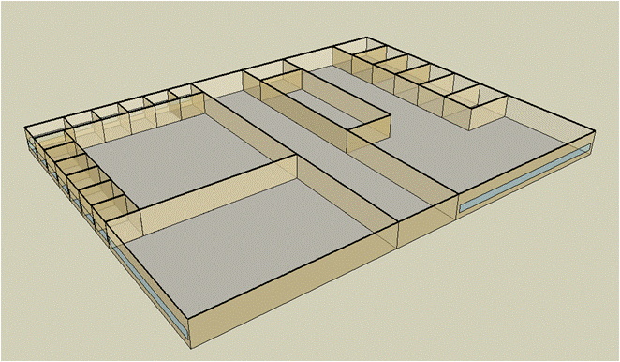
Second Floor

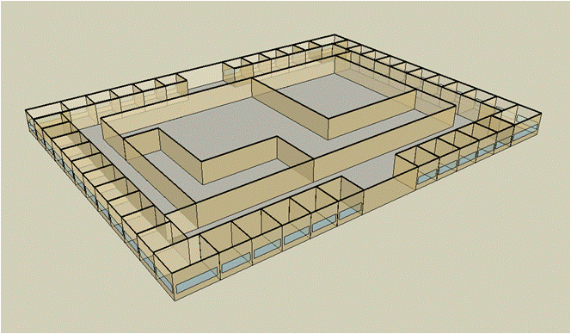
Third Floor

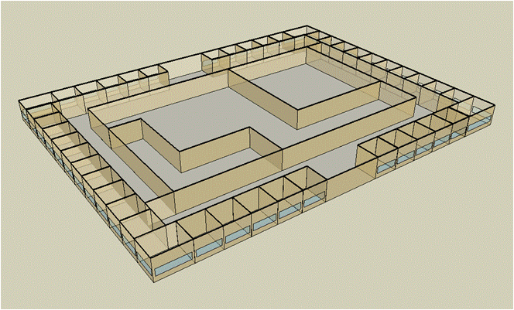
Forth Floor

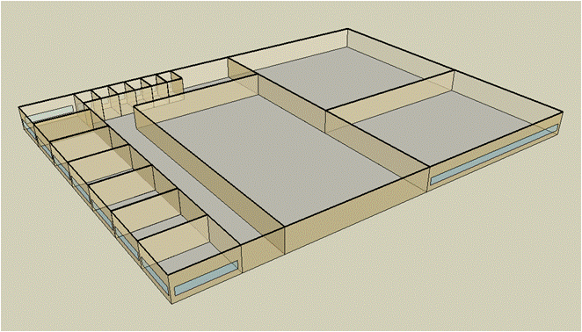
Fifth Floor

Electricity
 | Cooling | Interior Lighting | Exterior Lighting | Interior Equipment | Fans | Pumps | Heat Rejection | Refrigeration
Miami | 2,063,266.67 | 1,119,436.11 | 0.00 | 1,944,536.11 | 698,075.00 | 420,991.67 | 282,950.00 | 58,761.11
Houston | 1,748,050.00 | 1,119,436.11 | 0.00 | 1,944,536.11 | 721,452.78 | 399,141.67 | 267,894.44 | 56,677.78
Phoenix | 1,139,633.33 | 1,119,436.11 | 0.00 | 1,944,536.11 | 769,380.56 | 307,619.44 | 202,841.67 | 57,163.89
Atlanta | 1,276,408.33 | 1,119,436.11 | 0.00 | 1,944,536.11 | 722,130.56 | 359,816.67 | 236,050.00 | 54,902.78
Los Angeles | 885,866.67 | 1,119,436.11 | 0.00 | 1,944,536.11 | 702,955.56 | 250,244.44 | 170,025.00 | 55,113.89
Las Vegas | 853,113.89 | 1,119,436.11 | 0.00 | 1,944,536.11 | 760,425.00 | 267,072.22 | 159,986.11 | 55,875.00
San Francisco | 473,255.56 | 1,119,436.11 | 0.00 | 1,944,536.11 | 735,813.89 | 201,886.11 | 139,705.56 | 53,441.67
Baltimore | 1,133,075.00 | 1,119,436.11 | 0.00 | 1,944,536.11 | 710,425.00 | 349,263.89 | 211,408.33 | 53,583.33
Albuquerque | 529,675.00 | 1,119,436.11 | 0.00 | 1,944,536.11 | 764,250.00 | 207,280.56 | 98,177.78 | 53,819.44
Seattle | 362,777.78 | 1,119,436.11 | 0.00 | 1,944,536.11 | 701,311.11 | 190,519.44 | 101,113.89 | 52,488.89
Chicago | 652,311.11 | 1,119,436.11 | 0.00 | 1,944,536.11 | 729,655.56 | 313,358.33 | 133,338.89 | 52,727.78
Boulder | 412,869.44 | 1,119,436.11 | 0.00 | 1,944,536.11 | 779,713.89 | 202,352.78 | 84,066.67 | 52,736.11
Minneapolis | 593,758.33 | 1,119,436.11 | 0.00 | 1,944,536.11 | 734,286.11 | 299,980.56 | 120,105.56 | 52,355.56
Helena | 303,722.22 | 1,119,436.11 | 0.00 | 1,944,536.11 | 767,652.78 | 192,922.22 | 68,913.89 | 51,755.56
Duluth | 315,644.44 | 1,119,436.11 | 0.00 | 1,944,536.11 | 726,238.89 | 243,744.44 | 76,844.44 | 51,058.33
Fairbanks | 181,841.67 | 1,119,436.11 | 0.00 | 1,944,536.11 | 726,802.78 | 170,975.00 | 41,675.00 | 50,383.33

Gas
 | Heating | Interior Equipment | Water Systems
Miami | 3,673,472.22 | 566,000.00 | 126,833.33
Houston | 4,281,536.11 | 566,000.00 | 152,127.78
Phoenix | 3,987,238.89 | 566,000.00 | 137,580.56
Atlanta | 4,485,558.33 | 566,000.00 | 176,513.89
Los Angeles | 3,711,383.33 | 566,000.00 | 171,786.11
Las Vegas | 3,909,230.56 | 566,000.00 | 155,111.11
San Francisco | 4,773,755.56 | 566,000.00 | 192,655.56
Baltimore | 5,205,455.56 | 566,000.00 | 195,683.33
Albuquerque | 3,795,822.22 | 566,000.00 | 192,047.22
Seattle | 4,936,450.00 | 566,000.00 | 205,658.33
Chicago | 5,760,969.44 | 566,000.00 | 212,505.56
Boulder | 4,494,736.11 | 566,000.00 | 211,625.00
Minneapolis | 6,330,175.00 | 566,000.00 | 227,041.67
Helena | 5,430,100.00 | 566,000.00 | 229,686.11
Duluth | 6,801,108.33 | 566,000.00 | 251,025.00
Fairbanks | 8,995,805.56 | 566,000.00 | 280,047.22

EUI
 | Heating (elec) | Cooling (elec) | Interior Lighting (elec) | Exterior Lighting (elec) | Interior Equipment (elec) | Fans (elec) | Pumps (elec) | Heat Rejection (elec) | Refrigeration (elec) | Heating (gas) | Interior Equipment (gas) | Water Systems (gas)
Miami | 0.00 | 331.27 | 179.73 | 0.00 | 312.20 | 112.08 | 67.59 | 45.43 | 9.43 | 589.79 | 90.87 | 20.36
Houston | 0.00 | 280.66 | 179.73 | 0.00 | 312.20 | 115.83 | 64.08 | 43.01 | 9.10 | 687.42 | 90.87 | 24.42
Phoenix | 0.00 | 182.97 | 179.73 | 0.00 | 312.20 | 123.53 | 49.39 | 32.57 | 9.18 | 640.17 | 90.87 | 22.09
Atlanta | 0.00 | 204.93 | 179.73 | 0.00 | 312.20 | 115.94 | 57.77 | 37.90 | 8.81 | 720.18 | 90.87 | 28.34
Los Angeles | 0.00 | 142.23 | 179.73 | 0.00 | 312.20 | 112.86 | 40.18 | 27.30 | 8.85 | 595.88 | 90.87 | 27.58
Las Vegas | 0.00 | 136.97 | 179.73 | 0.00 | 312.20 | 122.09 | 42.88 | 25.69 | 8.97 | 627.65 | 90.87 | 24.90
San Francisco | 0.00 | 75.98 | 179.73 | 0.00 | 312.20 | 118.14 | 32.41 | 22.43 | 8.58 | 766.45 | 90.87 | 30.93
Baltimore | 0.00 | 181.92 | 179.73 | 0.00 | 312.20 | 114.06 | 56.08 | 33.94 | 8.60 | 835.76 | 90.87 | 31.42
Albuquerque | 0.00 | 85.04 | 179.73 | 0.00 | 312.20 | 122.70 | 33.28 | 15.76 | 8.64 | 609.44 | 90.87 | 30.83
Seattle | 0.00 | 58.25 | 179.73 | 0.00 | 312.20 | 112.60 | 30.59 | 16.23 | 8.43 | 792.57 | 90.87 | 33.02
Chicago | 0.00 | 104.73 | 179.73 | 0.00 | 312.20 | 117.15 | 50.31 | 21.41 | 8.47 | 924.95 | 90.87 | 34.12
Boulder | 0.00 | 66.29 | 179.73 | 0.00 | 312.20 | 125.19 | 32.49 | 13.50 | 8.47 | 721.65 | 90.87 | 33.98
Minneapolis | 0.00 | 95.33 | 179.73 | 0.00 | 312.20 | 117.89 | 48.16 | 19.28 | 8.41 | 1,016.34 | 90.87 | 36.45
Helena | 0.00 | 48.76 | 179.73 | 0.00 | 312.20 | 123.25 | 30.97 | 11.06 | 8.31 | 871.83 | 90.87 | 36.88
Duluth | 0.00 | 50.68 | 179.73 | 0.00 | 312.20 | 116.60 | 39.13 | 12.34 | 8.20 | 1,091.95 | 90.87 | 40.30
Fairbanks | 0.00 | 29.20 | 179.73 | 0.00 | 312.20 | 116.69 | 27.45 | 6.69 | 8.09 | 1,444.32 | 90.87 | 44.96

Water
 | Total Building | Water for Electricity (m3)
Miami | 34,997.72 | 3,490.07
Houston | 29,330.54 | 10,181.70
Phoenix | 31,995.73 | 164,657.00
Atlanta | 23,965.31 | 35,677.70
Los Angeles | 17,834.12 | 90,052.90
Las Vegas | 28,725.80 | 141,751.00
San Francisco | 11,565.26 | 81,967.10
Baltimore | 21,344.82 | 1,254.00
Albuquerque | 18,788.97 | 21,449.30
Seattle | 10,625.70 | 45,701.20
Chicago | 16,327.51 | 7,676.74
Boulder | 15,847.42 | 20,895.50
Minneapolis | 15,302.14 | 7,551.65
Helena | 12,877.66 | 282,145.00
Duluth | 10,887.48 | 6,952.41
Fairbanks | 9,023.19 | 4,332.14

Carbon
 | Carbon Equivalent (kg)
Miami | 2,090,220.00
Houston | 2,411,820.00
Phoenix | 1,977,870.00
Atlanta | 2,099,600.00
Los Angeles | 888,229.40
Las Vegas | 2,043,290.00
San Francisco | 904,731.00
Baltimore | 1,877,870.00
Albuquerque | 2,225,240.00
Seattle | 696,355.30
Chicago | 3,062,620.00
Boulder | 2,222,060.00
Minneapolis | 2,128,540.00
Helena | 2,031,880.00
Duluth | 2,028,460.00
Fairbanks | 1,832,050.00

LghtSch
Lighting Schedules
 | WD | Sat | Sun, Hol, Other
 | 0.1 | 0.1 | 0.05
 | 0.1 | 0.1 | 0.05
 | 0.1 | 0.1 | 0.05
 | 0.1 | 0.1 | 0.05
 | 0.1 | 0.1 | 0.05
 | 0.1 | 0.1 | 0.05
 | 0.1 | 0.1 | 0.05
 | 0.5 | 0.2 | 0.05
 | 0.9 | 0.4 | 0.1
 | 0.9 | 0.4 | 0.1
 | 0.9 | 0.4 | 0.1
 | 0.9 | 0.4 | 0.1
 | 0.9 | 0.4 | 0.1
 | 0.9 | 0.4 | 0.1
 | 0.9 | 0.4 | 0.1
 | 0.9 | 0.4 | 0.1
 | 0.3 | 0.4 | 0.05
 | 0.3 | 0.4 | 0.05
 | 0.3 | 0.1 | 0.05
 | 0.3 | 0.1 | 0.05
 | 0.3 | 0.1 | 0.05
 | 0.3 | 0.1 | 0.05
 | 0.3 | 0.1 | 0.05
 | 0.1 | 0.1 | 0.05

LghtSch (2)
Extended Operation Lighting Schedules
 | WD | Sat | Sun, Hol, Other
 | 0.5 | 0.5 | 0.5
 | 0.5 | 0.5 | 0.5
 | 0.5 | 0.5 | 0.5
 | 0.5 | 0.5 | 0.5
 | 0.5 | 0.5 | 0.5
 | 0.5 | 0.5 | 0.5
 | 0.5 | 0.5 | 0.5
 | 0.5 | 0.5 | 0.5
 | 0.9 | 0.8 | 0.7
 | 0.9 | 0.8 | 0.7
 | 0.9 | 0.8 | 0.7
 | 0.9 | 0.8 | 0.7
 | 0.9 | 0.8 | 0.7
 | 0.9 | 0.8 | 0.7
 | 0.9 | 0.8 | 0.7
 | 0.9 | 0.8 | 0.7
 | 0.5 | 0.8 | 0.5
 | 0.5 | 0.8 | 0.5
 | 0.5 | 0.5 | 0.5
 | 0.5 | 0.5 | 0.5
 | 0.5 | 0.5 | 0.5
 | 0.5 | 0.5 | 0.5
 | 0.5 | 0.5 | 0.5
 | 0.5 | 0.5 | 0.5

EqpSch
Euipment Schedules
 | WD | Sat | Sun, Hol, Other
 | 0.4 | 0.4 | 0.3
 | 0.4 | 0.4 | 0.3
 | 0.4 | 0.4 | 0.3
 | 0.4 | 0.4 | 0.3
 | 0.4 | 0.4 | 0.3
 | 0.4 | 0.4 | 0.3
 | 0.4 | 0.4 | 0.3
 | 0.7 | 0.5 | 0.3
 | 0.9 | 0.65 | 0.4
 | 0.9 | 0.65 | 0.4
 | 0.9 | 0.65 | 0.4
 | 0.9 | 0.65 | 0.4
 | 0.9 | 0.65 | 0.4
 | 0.9 | 0.65 | 0.4
 | 0.9 | 0.65 | 0.4
 | 0.9 | 0.65 | 0.4
 | 0.6 | 0.65 | 0.3
 | 0.6 | 0.65 | 0.3
 | 0.6 | 0.4 | 0.3
 | 0.6 | 0.4 | 0.3
 | 0.6 | 0.4 | 0.3
 | 0.6 | 0.4 | 0.3
 | 0.6 | 0.4 | 0.3
 | 0.4 | 0.4 | 0.3

EqpSch (2)
Extened Operation Euipment Schedules
 | WD | Sat | Sun, Hol, Other
 | 0.4 | 0.4 | 0.4
 | 0.4 | 0.4 | 0.4
 | 0.4 | 0.4 | 0.4
 | 0.4 | 0.4 | 0.4
 | 0.4 | 0.4 | 0.4
 | 0.4 | 0.4 | 0.4
 | 0.4 | 0.4 | 0.4
 | 0.7 | 0.5 | 0.4
 | 0.9 | 0.65 | 0.6
 | 0.9 | 0.65 | 0.6
 | 0.9 | 0.65 | 0.6
 | 0.9 | 0.65 | 0.6
 | 0.9 | 0.65 | 0.6
 | 0.9 | 0.65 | 0.6
 | 0.9 | 0.65 | 0.6
 | 0.9 | 0.65 | 0.6
 | 0.6 | 0.65 | 0.4
 | 0.6 | 0.65 | 0.4
 | 0.6 | 0.4 | 0.4
 | 0.6 | 0.4 | 0.4
 | 0.6 | 0.4 | 0.4
 | 0.6 | 0.4 | 0.4
 | 0.6 | 0.4 | 0.4
 | 0.4 | 0.4 | 0.4

OccSch
Occupancy Schedules
 | WD | Sat | Sun, Hol, Other
 | 0 | 0 | 0
 | 0 | 0 | 0
 | 0 | 0 | 0
 | 0 | 0 | 0
 | 0 | 0 | 0
 | 0 | 0 | 0
 | 0 | 0 | 0
 | 0.1 | 0.1 | 0
 | 0.5 | 0.3 | 0.05
 | 0.8 | 0.4 | 0.05
 | 0.8 | 0.4 | 0.05
 | 0.8 | 0.4 | 0.05
 | 0.8 | 0.4 | 0.05
 | 0.8 | 0.4 | 0.05
 | 0.8 | 0.4 | 0.05
 | 0.8 | 0.4 | 0.05
 | 0.8 | 0.4 | 0
 | 0.5 | 0.1 | 0
 | 0.3 | 0.1 | 0
 | 0.3 | 0 | 0
 | 0.2 | 0 | 0
 | 0.2 | 0 | 0
 | 0 | 0 | 0
 | 0 | 0 | 0

OccSch (2)
Extened Operation Occupancy Schedules
 | WD | Sat | Sun, Hol, Other
 | 0.4 | 0.4 | 0.4
 | 0.4 | 0.4 | 0.4
 | 0.4 | 0.4 | 0.4
 | 0.4 | 0.4 | 0.4
 | 0.4 | 0.4 | 0.4
 | 0.4 | 0.4 | 0.4
 | 0.4 | 0.4 | 0.4
 | 0.5 | 0.5 | 0.4
 | 0.6 | 0.6 | 0.6
 | 0.8 | 0.6 | 0.6
 | 0.8 | 0.6 | 0.6
 | 0.8 | 0.6 | 0.6
 | 0.8 | 0.6 | 0.6
 | 0.8 | 0.6 | 0.6
 | 0.8 | 0.6 | 0.6
 | 0.8 | 0.6 | 0.6
 | 0.8 | 0.6 | 0.4
 | 0.6 | 0.5 | 0.4
 | 0.5 | 0.5 | 0.4
 | 0.5 | 0.4 | 0.4
 | 0.4 | 0.4 | 0.4
 | 0.4 | 0.4 | 0.4
 | 0.4 | 0.4 | 0.4
 | 0.4 | 0.4 | 0.4

HeatSch
Heating Set Point Schedules
 | All
 | 21
 | 21
 | 21
 | 21
 | 21
 | 21
 | 21
 | 21
 | 21
 | 21
 | 21
 | 21
 | 21
 | 21
 | 21
 | 21
 | 21
 | 21
 | 21
 | 21
 | 21
 | 21
 | 21
 | 21

CoolSch
Cooling Set Point Schedules
 | All
 | 24
 | 24
 | 24
 | 24
 | 24
 | 24
 | 24
 | 24
 | 24
 | 24
 | 24
 | 24
 | 24
 | 24
 | 24
 | 24
 | 24
 | 24
 | 24
 | 24
 | 24
 | 24
 | 24
 | 24

