Picture
DOE Commercial Building Benchmark - Hospital

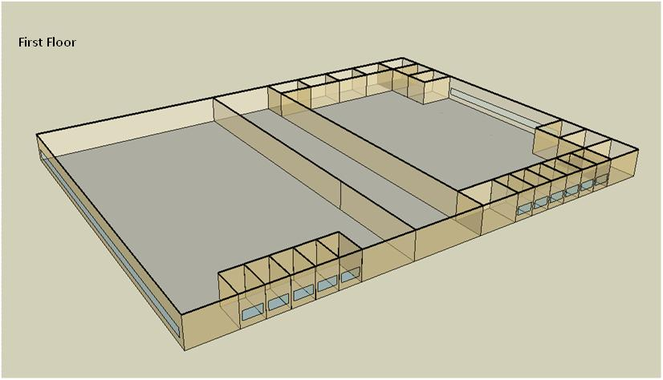

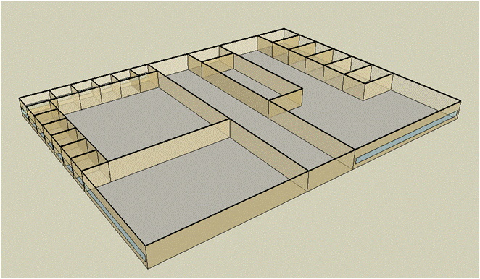
Second Floor

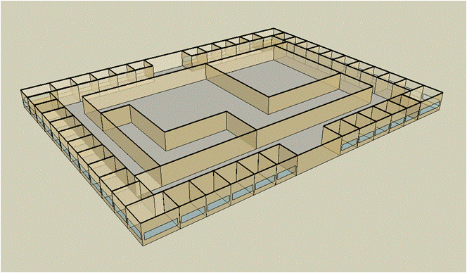
Third Floor

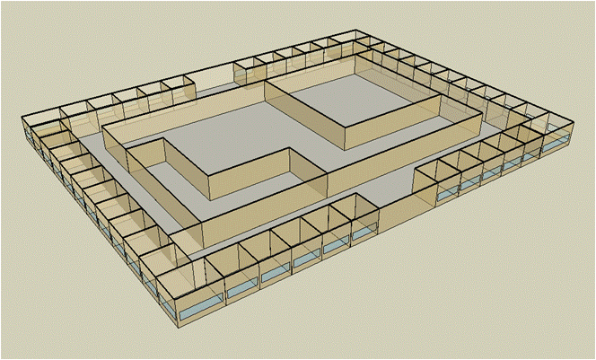
Forth Floor

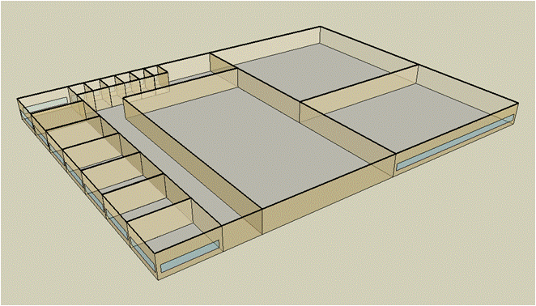
Fifth Floor

Electricity
 | Cooling | Interior Lighting | Exterior Lighting | Interior Equipment | Fans | Pumps | Heat Rejection | Refrigeration
Miami | 1,789,088.89 | 1,153,597.22 | 14,163.89 | 1,817,169.44 | 616,908.33 | 435,830.56 | 309,680.56 | 57,377.78
Houston | 1,432,561.11 | 1,153,597.22 | 14,136.11 | 1,817,169.44 | 609,950.00 | 415,619.44 | 292,238.89 | 54,983.33
Phoenix | 980,655.56 | 1,153,597.22 | 14,133.33 | 1,817,169.44 | 637,241.67 | 364,533.33 | 270,777.78 | 55,283.33
Atlanta | 960,780.56 | 1,153,597.22 | 14,155.56 | 1,817,169.44 | 596,058.33 | 366,536.11 | 247,597.22 | 53,011.11
Los Angeles | 813,430.56 | 1,153,597.22 | 14,155.56 | 1,817,169.44 | 583,180.56 | 321,161.11 | 237,766.67 | 53,480.56
Las Vegas | 700,752.78 | 1,153,597.22 | 14,141.67 | 1,817,169.44 | 609,969.44 | 308,275.00 | 214,900.00 | 53,605.56
San Francisco | 519,663.89 | 1,153,597.22 | 14,125.00 | 1,817,169.44 | 620,172.22 | 276,066.67 | 210,647.22 | 51,847.22
Baltimore | 810,738.89 | 1,153,597.22 | 14,138.89 | 1,817,169.44 | 590,602.78 | 363,483.33 | 218,852.78 | 51,605.56
Albuquerque | 477,516.67 | 1,153,597.22 | 14,136.11 | 1,817,169.44 | 615,197.22 | 256,805.56 | 148,741.67 | 51,269.44
Seattle | 422,488.89 | 1,153,597.22 | 14,116.67 | 1,817,169.44 | 580,347.22 | 268,680.56 | 191,994.44 | 50,644.44
Chicago | 594,027.78 | 1,153,597.22 | 14,119.44 | 1,817,169.44 | 589,427.78 | 341,763.89 | 180,491.67 | 50,636.11
Boulder | 379,963.89 | 1,153,597.22 | 14,122.22 | 1,817,169.44 | 608,313.89 | 244,522.22 | 130,383.33 | 50,102.78
Minneapolis | 533,958.33 | 1,153,597.22 | 14,130.56 | 1,817,169.44 | 588,383.33 | 313,538.89 | 161,175.00 | 50,191.67
Helena | 305,827.78 | 1,153,597.22 | 14,113.89 | 1,817,169.44 | 594,947.22 | 224,733.33 | 114,525.00 | 49,394.44
Duluth | 331,063.89 | 1,153,597.22 | 14,111.11 | 1,817,169.44 | 593,519.44 | 263,091.67 | 124,411.11 | 48,813.89
Fairbanks | 226,819.44 | 1,153,597.22 | 14,027.78 | 1,817,169.44 | 644,313.89 | 180,327.78 | 84,677.78 | 47,819.44

Gas
 | Heating | Interior Equipment | Water Systems
Miami | 10,348,490.00 | 1,358,420.00 | 456,540.00
Houston | 11,917,180.00 | 1,358,420.00 | 547,640.00
Phoenix | 10,812,070.00 | 1,358,420.00 | 495,260.00
Atlanta | 12,236,830.00 | 1,358,420.00 | 635,430.00
Los Angeles | 12,205,970.00 | 1,358,420.00 | 618,410.00
Las Vegas | 10,575,660.00 | 1,358,420.00 | 558,340.00
San Francisco | 14,524,110.00 | 1,358,420.00 | 693,520.00
Baltimore | 13,994,810.00 | 1,358,420.00 | 704,410.00
Albuquerque | 9,723,790.00 | 1,358,420.00 | 691,320.00
Seattle | 13,979,600.00 | 1,358,420.00 | 740,330.00
Chicago | 14,721,350.00 | 1,358,420.00 | 764,980.00
Boulder | 10,749,220.00 | 1,358,420.00 | 761,820.00
Minneapolis | 15,972,940.00 | 1,358,420.00 | 817,310.00
Helena | 12,866,870.00 | 1,358,420.00 | 826,810.00
Duluth | 17,169,630.00 | 1,358,420.00 | 903,630.00
Fairbanks | 24,431,560.00 | 1,358,420.00 | 1,008,110.00

EUI
 | Heating (elec) | Cooling (elec) | Interior Lighting (elec) | Exterior Lighting (elec) | Interior Equipment (elec) | Fans (elec) | Pumps (elec) | Heat Rejection (elec) | Refrigeration (elec) | Heating (gas) | Interior Equipment (gas) | Water Systems (gas)
Miami | 0.00 | 287.25 | 185.22 | 2.27 | 291.76 | 99.05 | 69.97 | 49.72 | 9.21 | 461.53 | 60.58 | 20.36
Houston | 0.00 | 230.00 | 185.22 | 2.27 | 291.76 | 97.93 | 66.73 | 46.92 | 8.83 | 531.49 | 60.58 | 24.42
Phoenix | 0.00 | 157.45 | 185.22 | 2.27 | 291.76 | 102.31 | 58.53 | 43.47 | 8.88 | 482.20 | 60.58 | 22.09
Atlanta | 0.00 | 154.26 | 185.22 | 2.27 | 291.76 | 95.70 | 58.85 | 39.75 | 8.51 | 545.75 | 60.58 | 28.34
Los Angeles | 0.00 | 130.60 | 185.22 | 2.27 | 291.76 | 93.63 | 51.56 | 38.17 | 8.59 | 544.37 | 60.58 | 27.58
Las Vegas | 0.00 | 112.51 | 185.22 | 2.27 | 291.76 | 97.93 | 49.50 | 34.50 | 8.61 | 471.66 | 60.58 | 24.90
San Francisco | 0.00 | 83.43 | 185.22 | 2.27 | 291.76 | 99.57 | 44.32 | 33.82 | 8.32 | 647.75 | 60.58 | 30.93
Baltimore | 0.00 | 130.17 | 185.22 | 2.27 | 291.76 | 94.82 | 58.36 | 35.14 | 8.29 | 624.15 | 60.58 | 31.42
Albuquerque | 0.00 | 76.67 | 185.22 | 2.27 | 291.76 | 98.77 | 41.23 | 23.88 | 8.23 | 433.67 | 60.58 | 30.83
Seattle | 0.00 | 67.83 | 185.22 | 2.27 | 291.76 | 93.18 | 43.14 | 30.83 | 8.13 | 623.47 | 60.58 | 33.02
Chicago | 0.00 | 95.37 | 185.22 | 2.27 | 291.76 | 94.64 | 54.87 | 28.98 | 8.13 | 656.55 | 60.58 | 34.12
Boulder | 0.00 | 61.01 | 185.22 | 2.27 | 291.76 | 97.67 | 39.26 | 20.93 | 8.04 | 479.40 | 60.58 | 33.98
Minneapolis | 0.00 | 85.73 | 185.22 | 2.27 | 291.76 | 94.47 | 50.34 | 25.88 | 8.06 | 712.37 | 60.58 | 36.45
Helena | 0.00 | 49.10 | 185.22 | 2.27 | 291.76 | 95.52 | 36.08 | 18.39 | 7.93 | 573.84 | 60.58 | 36.87
Duluth | 0.00 | 53.15 | 185.22 | 2.27 | 291.76 | 95.29 | 42.24 | 19.97 | 7.84 | 765.74 | 60.58 | 40.30
Fairbanks | 0.00 | 36.42 | 185.22 | 2.25 | 291.76 | 103.45 | 28.95 | 13.60 | 7.68 | 1,089.61 | 60.58 | 44.96

Water
 | Total Building | Water for Electricity (m3)
Miami | 33,297.03 | 3,652.10
Houston | 27,575.71 | 10,668.50
Phoenix | 34,828.61 | 186,109.00
Atlanta | 22,446.35 | 38,018.80
Los Angeles | 19,515.93 | 101,136.00
Las Vegas | 30,091.66 | 167,358.00
San Francisco | 14,038.95 | 95,043.90
Baltimore | 20,026.81 | 1,366.18
Albuquerque | 20,151.38 | 26,064.70
Seattle | 12,956.81 | 54,631.00
Chicago | 16,810.91 | 8,994.62
Boulder | 16,867.90 | 25,571.70
Minneapolis | 15,555.26 | 8,944.22
Helena | 13,952.07 | 349,611.00
Duluth | 11,787.49 | 8,681.83
Fairbanks | 10,326.22 | 5,787.02

Carbon
 | Carbon Equivalent (kg)
Miami | 2,109,990.00
Houston | 2,436,320.00
Phoenix | 2,119,760.00
Atlanta | 2,132,330.00
Los Angeles | 928,920.47
Las Vegas | 2,282,780.00
San Francisco | 931,530.63
Baltimore | 1,913,400.00
Albuquerque | 2,557,140.00
Seattle | 679,392.92
Chicago | 3,394,740.00
Boulder | 2,532,550.00
Minneapolis | 2,300,630.00
Helena | 2,288,360.00
Duluth | 2,265,870.00
Fairbanks | 2,077,080.00

LghtSch
Lighting Schedules
 | Weekday | Saturday | Sunday
 | 0.1 | 0.1 | 0.05
 | 0.1 | 0.1 | 0.05
 | 0.1 | 0.1 | 0.05
 | 0.1 | 0.1 | 0.05
 | 0.1 | 0.1 | 0.05
 | 0.1 | 0.1 | 0.05
 | 0.1 | 0.1 | 0.05
 | 0.5 | 0.2 | 0.05
 | 0.9 | 0.4 | 0.1
 | 0.9 | 0.4 | 0.1
 | 0.9 | 0.4 | 0.1
 | 0.9 | 0.4 | 0.1
 | 0.9 | 0.4 | 0.1
 | 0.9 | 0.4 | 0.1
 | 0.9 | 0.4 | 0.1
 | 0.9 | 0.4 | 0.1
 | 0.3 | 0.4 | 0.05
 | 0.3 | 0.4 | 0.05
 | 0.3 | 0.1 | 0.05
 | 0.3 | 0.1 | 0.05
 | 0.3 | 0.1 | 0.05
 | 0.3 | 0.1 | 0.05
 | 0.3 | 0.1 | 0.05
 | 0.1 | 0.1 | 0.05

CritLghtSch
Critical Operation Lighting Schedules
 | Weekday | Saturday | Sunday
 | 0.5 | 0.5 | 0.5
 | 0.5 | 0.5 | 0.5
 | 0.5 | 0.5 | 0.5
 | 0.5 | 0.5 | 0.5
 | 0.7 | 0.7 | 0.7
 | 0.7 | 0.7 | 0.7
 | 0.9 | 0.9 | 0.9
 | 0.9 | 0.9 | 0.9
 | 0.9 | 0.9 | 0.9
 | 0.9 | 0.9 | 0.9
 | 0.9 | 0.9 | 0.9
 | 0.9 | 0.9 | 0.9
 | 0.9 | 0.9 | 0.9
 | 0.9 | 0.9 | 0.9
 | 0.9 | 0.9 | 0.9
 | 0.9 | 0.9 | 0.9
 | 0.9 | 0.9 | 0.9
 | 0.9 | 0.9 | 0.9
 | 0.7 | 0.7 | 0.7
 | 0.7 | 0.7 | 0.7
 | 0.7 | 0.7 | 0.7
 | 0.7 | 0.7 | 0.7
 | 0.5 | 0.5 | 0.5
 | 0.5 | 0.5 | 0.5

AdminOccSch
Admin Occupancy Schedules
 | WD | Sat | Sun, Hol, Other
 | 0.05 | 0.05 | 0
 | 0.05 | 0.05 | 0
 | 0.05 | 0.05 | 0
 | 0.05 | 0.05 | 0
 | 0.2 | 0.05 | 0
 | 0.2 | 0.05 | 0
 | 0.5 | 0.05 | 0
 | 0.9 | 0.2 | 0
 | 0.9 | 0.2 | 0.05
 | 0.9 | 0.3 | 0.05
 | 0.9 | 0.3 | 0.05
 | 0.9 | 0.3 | 0.05
 | 0.9 | 0.3 | 0.05
 | 0.9 | 0.3 | 0.05
 | 0.9 | 0.3 | 0.05
 | 0.9 | 0.2 | 0.05
 | 0.9 | 0.2 | 0.05
 | 0.9 | 0.2 | 0
 | 0.5 | 0.2 | 0
 | 0.5 | 0.2 | 0
 | 0.2 | 0.05 | 0
 | 0.2 | 0.05 | 0
 | 0.05 | 0.05 | 0
 | 0.05 | 0.05 | 0

CritOccSch
Critical Operation Occupancy Schedules
 | WD | Sat | Sun, Hol, Other
 | 0.4 | 0.4 | 0.4
 | 0.4 | 0.4 | 0.4
 | 0.4 | 0.4 | 0.4
 | 0.4 | 0.4 | 0.4
 | 0.65 | 0.65 | 0.65
 | 0.65 | 0.65 | 0.65
 | 0.9 | 0.9 | 0.9
 | 0.9 | 0.9 | 0.9
 | 0.9 | 0.9 | 0.9
 | 0.9 | 0.9 | 0.9
 | 0.9 | 0.9 | 0.9
 | 0.9 | 0.9 | 0.9
 | 0.9 | 0.9 | 0.9
 | 0.9 | 0.9 | 0.9
 | 0.9 | 0.9 | 0.9
 | 0.9 | 0.9 | 0.9
 | 0.9 | 0.9 | 0.9
 | 0.9 | 0.9 | 0.9
 | 0.65 | 0.65 | 0.65
 | 0.65 | 0.65 | 0.65
 | 0.65 | 0.65 | 0.65
 | 0.65 | 0.65 | 0.65
 | 0.4 | 0.4 | 0.4
 | 0.4 | 0.4 | 0.4

HeatSch
Heating Set Point Schedules
 | WD | Sat | Sun, Hol, Other
 | 18.3 | 18.3 | 18.3
 | 18.3 | 18.3 | 18.3
 | 18.3 | 18.3 | 18.3
 | 18.3 | 18.3 | 18.3
 | 18.3 | 18.3 | 18.3
 | 21.1 | 18.3 | 18.3
 | 21.1 | 18.3 | 18.3
 | 21.1 | 21.1 | 18.3
 | 21.1 | 21.1 | 18.3
 | 21.1 | 21.1 | 18.3
 | 21.1 | 21.1 | 18.3
 | 21.1 | 21.1 | 18.3
 | 21.1 | 21.1 | 18.3
 | 21.1 | 21.1 | 18.3
 | 21.1 | 21.1 | 18.3
 | 21.1 | 18.3 | 18.3
 | 21.1 | 18.3 | 18.3
 | 21.1 | 18.3 | 18.3
 | 18.3 | 18.3 | 18.3
 | 18.3 | 18.3 | 18.3
 | 18.3 | 18.3 | 18.3
 | 18.3 | 18.3 | 18.3
 | 18.3 | 18.3 | 18.3
 | 18.3 | 18.3 | 18.3

CritHeatSch
Critical Heating Set Point Schedules
 | All
 | 21.1
 | 21.1
 | 21.1
 | 21.1
 | 21.1
 | 21.1
 | 21.1
 | 21.1
 | 21.1
 | 21.1
 | 21.1
 | 21.1
 | 21.1
 | 21.1
 | 21.1
 | 21.1
 | 21.1
 | 21.1
 | 21.1
 | 21.1
 | 21.1
 | 21.1
 | 21.1
 | 21.1

CoolSch
Cooling Set Point Schedules
 | WD | Sat | Sun, Hol, Other
 | 25 | 25 | 25
 | 25 | 25 | 25
 | 25 | 25 | 25
 | 25 | 25 | 25
 | 25 | 25 | 25
 | 22.2 | 25 | 25
 | 22.2 | 25 | 25
 | 22.2 | 22.2 | 25
 | 22.2 | 22.2 | 25
 | 22.2 | 22.2 | 25
 | 22.2 | 22.2 | 25
 | 22.2 | 22.2 | 25
 | 22.2 | 22.2 | 25
 | 22.2 | 22.2 | 25
 | 22.2 | 22.2 | 25
 | 22.2 | 25 | 25
 | 22.2 | 25 | 25
 | 22.2 | 25 | 25
 | 25 | 25 | 25
 | 25 | 25 | 25
 | 25 | 25 | 25
 | 25 | 25 | 25
 | 25 | 25 | 25
 | 25 | 25 | 25

CritCoolSch
Critical Cooling Set Point Schedules
 | All
 | 22.2
 | 22.2
 | 22.2
 | 22.2
 | 22.2
 | 22.2
 | 22.2
 | 22.2
 | 22.2
 | 22.2
 | 22.2
 | 22.2
 | 22.2
 | 22.2
 | 22.2
 | 22.2
 | 22.2
 | 22.2
 | 22.2
 | 22.2
 | 22.2
 | 22.2
 | 22.2
 | 22.2

