Picture
DOE Commercial Building Benchmark - Hospital

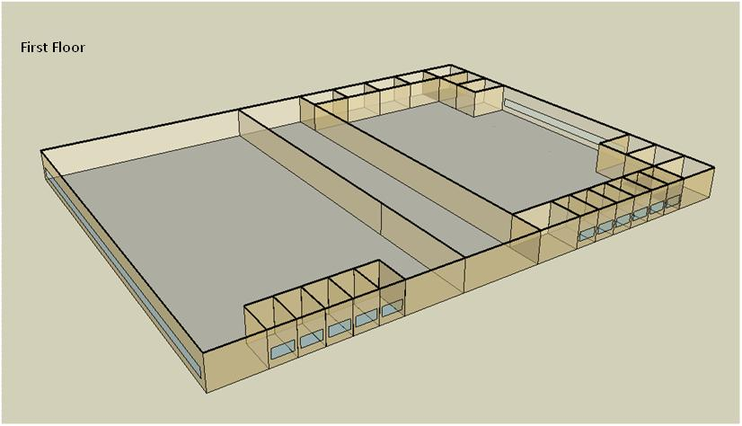

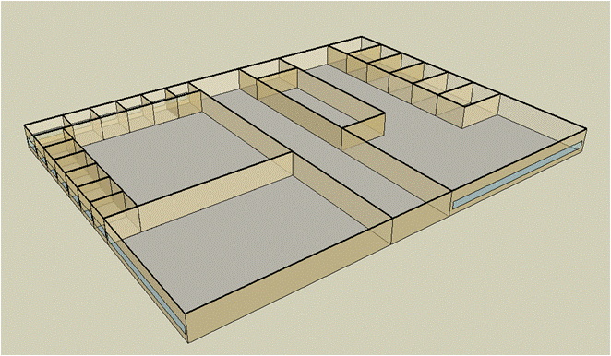
Second Floor

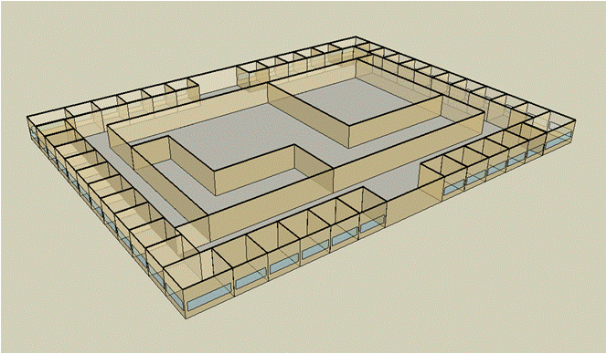
Third Floor

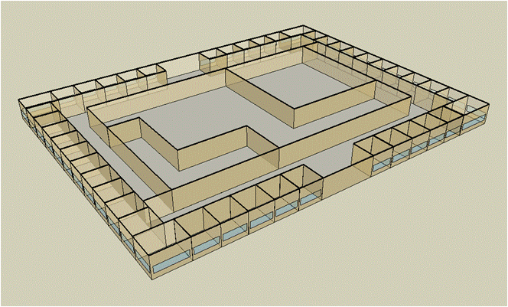
Forth Floor

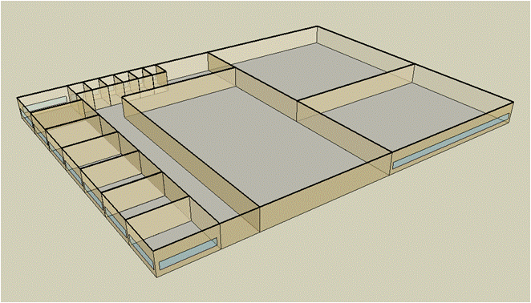
Fifth Floor

Electricity
 | Cooling | Interior Lighting | Exterior Lighting | Interior Equipment | Fans | Pumps | Heat Rejection | Refrigeration
Miami | 4,772,450.00 | 1,156,866.67 | 67,375.00 | 1,817,169.44 | 913,508.33 | 459,938.89 | 317,330.56 | 57,080.56
Houston | 4,818,250.00 | 1,156,866.67 | 67,255.56 | 1,817,169.44 | 899,788.89 | 439,066.67 | 311,041.67 | 54,938.89
Phoenix | 4,404,350.00 | 1,156,866.67 | 67,236.11 | 1,817,169.44 | 942,386.11 | 384,608.33 | 285,019.44 | 55,191.67
Atlanta | 4,423,988.89 | 1,156,866.67 | 67,350.00 | 1,817,169.44 | 882,950.00 | 389,580.56 | 275,972.22 | 52,777.78
Los Angeles | 3,923,005.56 | 1,156,866.67 | 67,336.11 | 1,817,169.44 | 864,055.56 | 340,055.56 | 243,994.44 | 53,197.22
Las Vegas | 3,674,752.78 | 1,156,866.67 | 67,272.22 | 1,817,169.44 | 904,730.56 | 327,325.00 | 239,988.89 | 53,350.00
San Francisco | 3,642,350.00 | 1,156,866.67 | 67,200.00 | 1,817,169.44 | 921,061.11 | 292,952.78 | 217,366.67 | 51,575.00
Baltimore | 4,276,100.00 | 1,156,866.67 | 67,266.67 | 1,817,169.44 | 874,986.11 | 385,252.78 | 263,377.78 | 51,375.00
Albuquerque | 2,947,044.44 | 1,156,866.67 | 67,255.56 | 1,817,169.44 | 906,963.89 | 274,463.89 | 188,119.44 | 51,313.89
Seattle | 3,517,266.67 | 1,156,866.67 | 67,155.56 | 1,817,169.44 | 860,113.89 | 285,747.22 | 216,911.11 | 50,413.89
Chicago | 3,606,750.00 | 1,156,866.67 | 67,175.00 | 1,817,169.44 | 873,336.11 | 364,600.00 | 229,408.33 | 50,416.67
Boulder | 2,782,902.78 | 1,156,866.67 | 67,186.11 | 1,817,169.44 | 894,522.22 | 264,405.56 | 172,272.22 | 50,138.89
Minneapolis | 3,215,077.78 | 1,156,866.67 | 67,230.56 | 1,817,169.44 | 871,958.33 | 338,772.22 | 198,961.11 | 49,975.00
Helena | 2,590,652.78 | 1,156,866.67 | 67,147.22 | 1,817,169.44 | 880,300.00 | 245,911.11 | 156,866.67 | 49,197.22
Duluth | 2,725,563.89 | 1,156,866.67 | 67,130.56 | 1,817,169.44 | 879,591.67 | 287,213.89 | 162,077.78 | 48,591.67
Fairbanks | 1,781,552.78 | 1,156,866.67 | 66,727.78 | 1,817,169.44 | 849,652.78 | 189,305.56 | 102,755.56 | 47,605.56

Gas
 | Heating | Interior Equipment | Water Systems
Miami | 10,349,520.00 | 1,358,420.00 | 453,040.00
Houston | 12,025,510.00 | 1,358,420.00 | 543,380.00
Phoenix | 10,811,550.00 | 1,358,420.00 | 491,440.00
Atlanta | 12,366,180.00 | 1,358,420.00 | 630,470.00
Los Angeles | 12,126,470.00 | 1,358,420.00 | 613,600.00
Las Vegas | 10,638,320.00 | 1,358,420.00 | 554,010.00
San Francisco | 14,414,250.00 | 1,358,420.00 | 688,100.00
Baltimore | 14,105,820.00 | 1,358,420.00 | 698,920.00
Albuquerque | 9,661,030.00 | 1,358,420.00 | 685,940.00
Seattle | 14,019,470.00 | 1,358,420.00 | 734,550.00
Chicago | 14,818,960.00 | 1,358,420.00 | 759,010.00
Boulder | 10,761,160.00 | 1,358,420.00 | 755,900.00
Minneapolis | 15,983,570.00 | 1,358,420.00 | 810,910.00
Helena | 12,939,920.00 | 1,358,420.00 | 820,360.00
Duluth | 17,069,920.00 | 1,358,420.00 | 896,550.00
Fairbanks | 22,696,010.00 | 1,358,420.00 | 1,000,220.00

EUI
 | Heating (elec) | Cooling (elec) | Interior Lighting (elec) | Exterior Lighting (elec) | Interior Equipment (elec) | Fans (elec) | Pumps (elec) | Heat Rejection (elec) | Refrigeration (elec) | Heating (gas) | Interior Equipment (gas) | Water Systems (gas)
Miami | 0.00 | 766.24 | 185.74 | 10.82 | 291.76 | 146.67 | 73.85 | 50.95 | 9.16 | 461.57 | 60.58 | 20.20
Houston | 0.00 | 773.59 | 185.74 | 10.80 | 291.76 | 144.47 | 70.49 | 49.94 | 8.82 | 536.32 | 60.58 | 24.23
Phoenix | 0.00 | 707.14 | 185.74 | 10.80 | 291.76 | 151.30 | 61.75 | 45.76 | 8.86 | 482.18 | 60.58 | 21.92
Atlanta | 0.00 | 710.29 | 185.74 | 10.81 | 291.76 | 141.76 | 62.55 | 44.31 | 8.47 | 551.51 | 60.58 | 28.12
Los Angeles | 0.00 | 629.86 | 185.74 | 10.81 | 291.76 | 138.73 | 54.60 | 39.17 | 8.54 | 540.82 | 60.58 | 27.37
Las Vegas | 0.00 | 590.00 | 185.74 | 10.80 | 291.76 | 145.26 | 52.55 | 38.53 | 8.57 | 474.45 | 60.58 | 24.71
San Francisco | 0.00 | 584.80 | 185.74 | 10.79 | 291.76 | 147.88 | 47.03 | 34.90 | 8.28 | 642.86 | 60.58 | 30.69
Baltimore | 0.00 | 686.55 | 185.74 | 10.80 | 291.76 | 140.48 | 61.85 | 42.29 | 8.25 | 629.10 | 60.58 | 31.17
Albuquerque | 0.00 | 473.16 | 185.74 | 10.80 | 291.76 | 145.62 | 44.07 | 30.20 | 8.24 | 430.87 | 60.58 | 30.59
Seattle | 0.00 | 564.71 | 185.74 | 10.78 | 291.76 | 138.10 | 45.88 | 34.83 | 8.09 | 625.25 | 60.58 | 32.76
Chicago | 0.00 | 579.08 | 185.74 | 10.79 | 291.76 | 140.22 | 58.54 | 36.83 | 8.09 | 660.90 | 60.58 | 33.85
Boulder | 0.00 | 446.81 | 185.74 | 10.79 | 291.76 | 143.62 | 42.45 | 27.66 | 8.05 | 479.93 | 60.58 | 33.71
Minneapolis | 0.00 | 516.20 | 185.74 | 10.79 | 291.76 | 140.00 | 54.39 | 31.94 | 8.02 | 712.84 | 60.58 | 36.17
Helena | 0.00 | 415.94 | 185.74 | 10.78 | 291.76 | 141.34 | 39.48 | 25.19 | 7.90 | 577.10 | 60.58 | 36.59
Duluth | 0.00 | 437.60 | 185.74 | 10.78 | 291.76 | 141.22 | 46.11 | 26.02 | 7.80 | 761.29 | 60.58 | 39.98
Fairbanks | 0.00 | 286.04 | 185.74 | 10.71 | 291.76 | 136.42 | 30.39 | 16.50 | 7.64 | 1,012.21 | 60.58 | 44.61

Water
 | Total Building | Water for Electricity (m3)
Miami | 38,671.44 | 5,436.32
Houston | 33,531.62 | 16,809.90
Phoenix | 40,921.30 | 299,589.00
Atlanta | 28,499.70 | 62,108.70
Los Angeles | 24,759.76 | 162,103.00
Las Vegas | 35,410.86 | 259,812.00
San Francisco | 19,241.12 | 156,561.00
Baltimore | 26,058.24 | 2,245.49
Albuquerque | 24,688.93 | 39,122.50
Seattle | 18,363.99 | 90,117.20
Chicago | 22,519.90 | 14,308.80
Boulder | 21,418.42 | 38,323.50
Minneapolis | 20,623.56 | 13,729.90
Helena | 18,230.23 | 520,054.00
Duluth | 16,258.22 | 13,024.80
Fairbanks | 12,589.45 | 7,584.60

Carbon
 | Carbon Equivalent (kg)
Miami | 3,033,620.00
Houston | 3,697,210.00
Phoenix | 3,272,930.00
Atlanta | 3,323,080.00
Los Angeles | 1,333,200.00
Las Vegas | 3,420,460.00
San Francisco | 1,338,920.00
Baltimore | 2,960,440.00
Albuquerque | 3,730,600.00
Seattle | 932,983.53
Chicago | 5,222,590.00
Boulder | 3,679,830.00
Minneapolis | 3,356,570.00
Helena | 3,272,860.00
Duluth | 3,222,130.00
Fairbanks | 2,540,720.00

LghtSch
Lighting Schedules
 | Weekday | Saturday | Sunday
 | 0.1 | 0.1 | 0.05
 | 0.1 | 0.1 | 0.05
 | 0.1 | 0.1 | 0.05
 | 0.1 | 0.1 | 0.05
 | 0.3 | 0.1 | 0.05
 | 0.3 | 0.1 | 0.05
 | 0.6 | 0.1 | 0.05
 | 0.9 | 0.3 | 0.05
 | 0.9 | 0.3 | 0.1
 | 0.9 | 0.4 | 0.1
 | 0.9 | 0.4 | 0.1
 | 0.9 | 0.4 | 0.1
 | 0.9 | 0.4 | 0.1
 | 0.9 | 0.4 | 0.1
 | 0.9 | 0.4 | 0.1
 | 0.9 | 0.3 | 0.1
 | 0.9 | 0.3 | 0.1
 | 0.9 | 0.3 | 0.05
 | 0.6 | 0.3 | 0.05
 | 0.6 | 0.3 | 0.05
 | 0.3 | 0.1 | 0.05
 | 0.3 | 0.1 | 0.05
 | 0.1 | 0.1 | 0.05
 | 0.1 | 0.1 | 0.05

CritLghtSch
Critical Operation Lighting Schedules
 | Weekday | Saturday | Sunday
 | 0.5 | 0.5 | 0.5
 | 0.5 | 0.5 | 0.5
 | 0.5 | 0.5 | 0.5
 | 0.5 | 0.5 | 0.5
 | 0.7 | 0.7 | 0.7
 | 0.7 | 0.7 | 0.7
 | 0.9 | 0.9 | 0.9
 | 0.9 | 0.9 | 0.9
 | 0.9 | 0.9 | 0.9
 | 0.9 | 0.9 | 0.9
 | 0.9 | 0.9 | 0.9
 | 0.9 | 0.9 | 0.9
 | 0.9 | 0.9 | 0.9
 | 0.9 | 0.9 | 0.9
 | 0.9 | 0.9 | 0.9
 | 0.9 | 0.9 | 0.9
 | 0.9 | 0.9 | 0.9
 | 0.9 | 0.9 | 0.9
 | 0.7 | 0.7 | 0.7
 | 0.7 | 0.7 | 0.7
 | 0.7 | 0.7 | 0.7
 | 0.7 | 0.7 | 0.7
 | 0.5 | 0.5 | 0.5
 | 0.5 | 0.5 | 0.5

AdminOccSch
Admin Occupancy Schedules
 | Weekday | Saturday | Sun, Hol, Other
 | 0.05 | 0.05 | 0
 | 0.05 | 0.05 | 0
 | 0.05 | 0.05 | 0
 | 0.05 | 0.05 | 0
 | 0.2 | 0.05 | 0
 | 0.2 | 0.05 | 0
 | 0.5 | 0.05 | 0
 | 0.9 | 0.2 | 0
 | 0.9 | 0.2 | 0.05
 | 0.9 | 0.3 | 0.05
 | 0.9 | 0.3 | 0.05
 | 0.9 | 0.3 | 0.05
 | 0.9 | 0.3 | 0.05
 | 0.9 | 0.3 | 0.05
 | 0.9 | 0.3 | 0.05
 | 0.9 | 0.2 | 0.05
 | 0.9 | 0.2 | 0.05
 | 0.9 | 0.2 | 0
 | 0.5 | 0.2 | 0
 | 0.5 | 0.2 | 0
 | 0.2 | 0.05 | 0
 | 0.2 | 0.05 | 0
 | 0.05 | 0.05 | 0
 | 0.05 | 0.05 | 0

CritOccSch
Critical Operation Occupancy Schedules
 | Weekday | Saturday | Other
 | 0.4 | 0.4 | 0.4
 | 0.4 | 0.4 | 0.4
 | 0.4 | 0.4 | 0.4
 | 0.4 | 0.4 | 0.4
 | 0.65 | 0.65 | 0.65
 | 0.65 | 0.65 | 0.65
 | 0.9 | 0.9 | 0.9
 | 0.9 | 0.9 | 0.9
 | 0.9 | 0.9 | 0.9
 | 0.9 | 0.9 | 0.9
 | 0.9 | 0.9 | 0.9
 | 0.9 | 0.9 | 0.9
 | 0.9 | 0.9 | 0.9
 | 0.9 | 0.9 | 0.9
 | 0.9 | 0.9 | 0.9
 | 0.9 | 0.9 | 0.9
 | 0.9 | 0.9 | 0.9
 | 0.9 | 0.9 | 0.9
 | 0.65 | 0.65 | 0.65
 | 0.65 | 0.65 | 0.65
 | 0.65 | 0.65 | 0.65
 | 0.65 | 0.65 | 0.65
 | 0.4 | 0.4 | 0.4
 | 0.4 | 0.4 | 0.4

HeatSch
Heating Set Point Schedules
 | Weekday | Saturday | Other
 | 18.3 | 18.3 | 18.3
 | 18.3 | 18.3 | 18.3
 | 18.3 | 18.3 | 18.3
 | 18.3 | 18.3 | 18.3
 | 18.3 | 18.3 | 18.3
 | 21.1 | 18.3 | 18.3
 | 21.1 | 18.3 | 18.3
 | 21.1 | 21.1 | 18.3
 | 21.1 | 21.1 | 18.3
 | 21.1 | 21.1 | 18.3
 | 21.1 | 21.1 | 18.3
 | 21.1 | 21.1 | 18.3
 | 21.1 | 21.1 | 18.3
 | 21.1 | 21.1 | 18.3
 | 21.1 | 21.1 | 18.3
 | 21.1 | 18.3 | 18.3
 | 21.1 | 18.3 | 18.3
 | 21.1 | 18.3 | 18.3
 | 18.3 | 18.3 | 18.3
 | 18.3 | 18.3 | 18.3
 | 18.3 | 18.3 | 18.3
 | 18.3 | 18.3 | 18.3
 | 18.3 | 18.3 | 18.3
 | 18.3 | 18.3 | 18.3

CritHeatSch
Critical Heating Set Point Schedules
 | All
 | 21.1
 | 21.1
 | 21.1
 | 21.1
 | 21.1
 | 21.1
 | 21.1
 | 21.1
 | 21.1
 | 21.1
 | 21.1
 | 21.1
 | 21.1
 | 21.1
 | 21.1
 | 21.1
 | 21.1
 | 21.1
 | 21.1
 | 21.1
 | 21.1
 | 21.1
 | 21.1
 | 21.1

CoolSch
Cooling Set Point Schedules
 | Weekday | Saturday | Other
 | 30 | 25 | 25
 | 30 | 25 | 25
 | 30 | 25 | 25
 | 30 | 25 | 25
 | 30 | 25 | 25
 | 26 | 25 | 25
 | 26 | 25 | 25
 | 26 | 22.2 | 25
 | 26 | 22.2 | 25
 | 26 | 22.2 | 25
 | 26 | 22.2 | 25
 | 26 | 22.2 | 25
 | 26 | 22.2 | 25
 | 26 | 22.2 | 25
 | 26 | 22.2 | 25
 | 26 | 25 | 25
 | 26 | 25 | 25
 | 26 | 25 | 25
 | 30 | 25 | 25
 | 30 | 25 | 25
 | 30 | 25 | 25
 | 30 | 25 | 25
 | 30 | 25 | 25
 | 30 | 25 | 25

CritCoolSch
Critical Cooling Set Point Schedules
 | All
 | 22.2
 | 22.2
 | 22.2
 | 22.2
 | 22.2
 | 22.2
 | 22.2
 | 22.2
 | 22.2
 | 22.2
 | 22.2
 | 22.2
 | 22.2
 | 22.2
 | 22.2
 | 22.2
 | 22.2
 | 22.2
 | 22.2
 | 22.2
 | 22.2
 | 22.2
 | 22.2
 | 22.2

