Picture
DOE Commercial Building Benchmark - Hospital

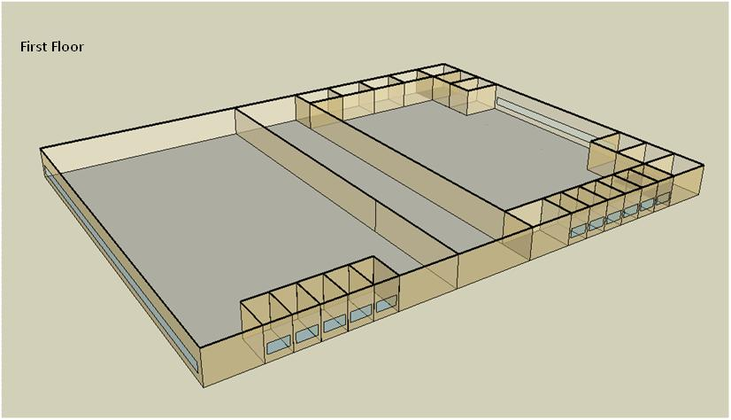

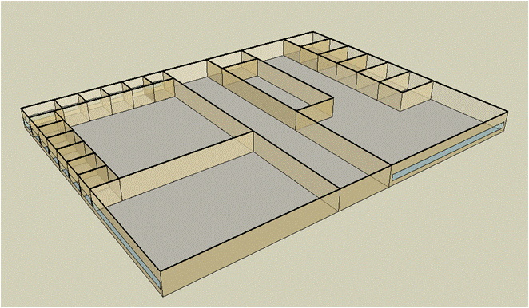
Second Floor

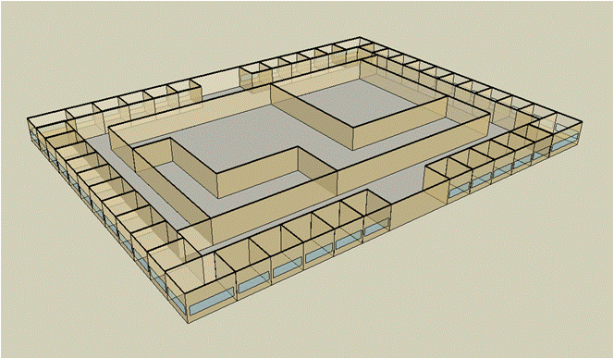
Third Floor

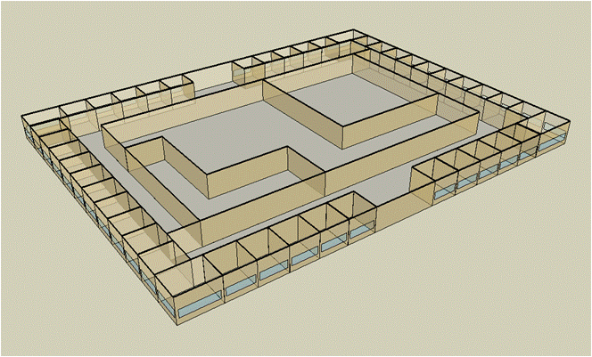
Forth Floor

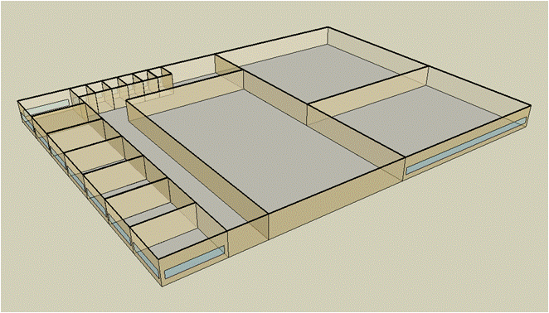
Fifth Floor

Electricity
 | Cooling | Interior Lighting | Exterior Lighting | Interior Equipment | Fans | Pumps | Heat Rejection | Refrigeration
Miami | 2,335,141.67 | 2,326,391.67 | 30,086.11 | 1,817,169.44 | 709,208.33 | 496,786.11 | 356,086.11 | 57,152.78
Houston | 1,868,441.67 | 2,326,391.67 | 30,033.33 | 1,817,169.44 | 693,977.78 | 471,866.67 | 334,994.44 | 54,941.67
Phoenix | 1,323,880.56 | 2,326,391.67 | 30,025.00 | 1,817,169.44 | 764,858.33 | 420,563.89 | 312,016.67 | 55,308.33
Atlanta | 1,285,777.78 | 2,326,391.67 | 30,075.00 | 1,817,169.44 | 688,413.89 | 422,783.33 | 288,408.33 | 52,866.67
Los Angeles | 1,121,077.78 | 2,326,391.67 | 30,069.44 | 1,817,169.44 | 689,258.33 | 381,058.33 | 282,936.11 | 53,091.67
Las Vegas | 969,816.67 | 2,326,391.67 | 30,041.67 | 1,817,169.44 | 744,383.33 | 361,566.67 | 251,763.89 | 53,347.22
San Francisco | 647,219.44 | 2,326,391.67 | 30,008.33 | 1,817,169.44 | 654,758.33 | 304,613.89 | 234,769.44 | 51,597.22
Baltimore | 1,061,555.56 | 2,326,391.67 | 30,038.89 | 1,817,169.44 | 664,719.44 | 410,322.22 | 250,486.11 | 51,622.22
Albuquerque | 657,452.78 | 2,326,391.67 | 30,033.33 | 1,817,169.44 | 743,930.56 | 299,047.22 | 174,286.11 | 51,461.11
Seattle | 563,805.56 | 2,326,391.67 | 29,988.89 | 1,817,169.44 | 666,963.89 | 305,519.44 | 219,144.44 | 50,588.89
Chicago | 779,847.22 | 2,326,391.67 | 29,997.22 | 1,817,169.44 | 670,477.78 | 387,219.44 | 205,772.22 | 50,627.78
Boulder | 519,097.22 | 2,326,391.67 | 30,002.78 | 1,817,169.44 | 723,813.89 | 281,627.78 | 151,638.89 | 50,427.78
Minneapolis | 699,955.56 | 2,326,391.67 | 30,022.22 | 1,817,169.44 | 670,500.00 | 353,841.67 | 182,983.33 | 50,152.78
Helena | 415,469.44 | 2,326,391.67 | 29,986.11 | 1,817,169.44 | 697,958.33 | 255,716.67 | 131,616.67 | 49,455.56
Duluth | 438,419.44 | 2,326,391.67 | 29,977.78 | 1,817,169.44 | 679,683.33 | 296,319.44 | 141,047.22 | 48,788.89
Fairbanks | 288,844.44 | 2,326,391.67 | 29,797.22 | 1,817,169.44 | 701,002.78 | 196,950.00 | 93,247.22 | 47,880.56

Gas
 | Heating | Interior Equipment | Water Systems
Miami | 8,873,200.00 | 1,358,420.00 | 468,230.00
Houston | 10,688,630.00 | 1,358,420.00 | 561,660.00
Phoenix | 10,816,840.00 | 1,358,420.00 | 507,910.00
Atlanta | 11,566,730.00 | 1,358,420.00 | 651,710.00
Los Angeles | 11,740,280.00 | 1,358,420.00 | 634,220.00
Las Vegas | 10,486,960.00 | 1,358,420.00 | 572,650.00
San Francisco | 12,678,750.00 | 1,358,420.00 | 711,280.00
Baltimore | 12,386,360.00 | 1,358,420.00 | 722,460.00
Albuquerque | 9,350,490.00 | 1,358,420.00 | 709,040.00
Seattle | 12,880,460.00 | 1,358,420.00 | 759,300.00
Chicago | 13,265,260.00 | 1,358,420.00 | 784,570.00
Boulder | 9,996,420.00 | 1,358,420.00 | 781,340.00
Minneapolis | 14,168,340.00 | 1,358,420.00 | 838,260.00
Helena | 11,591,360.00 | 1,358,420.00 | 848,000.00
Duluth | 15,329,100.00 | 1,358,420.00 | 926,780.00
Fairbanks | 22,409,780.00 | 1,358,420.00 | 1,033,940.00

EUI
 | Heating (elec) | Cooling (elec) | Interior Lighting (elec) | Exterior Lighting (elec) | Interior Equipment (elec) | Fans (elec) | Pumps (elec) | Heat Rejection (elec) | Refrigeration (elec) | Heating (gas) | Interior Equipment (gas) | Water Systems (gas)
Miami | 0.00 | 374.92 | 373.51 | 4.83 | 291.76 | 113.87 | 79.76 | 57.17 | 9.18 | 395.73 | 60.58 | 20.88
Houston | 0.00 | 299.99 | 373.51 | 4.82 | 291.76 | 111.42 | 75.76 | 53.78 | 8.82 | 476.70 | 60.58 | 25.05
Phoenix | 0.00 | 212.56 | 373.51 | 4.82 | 291.76 | 122.80 | 67.52 | 50.10 | 8.88 | 482.42 | 60.58 | 22.65
Atlanta | 0.00 | 206.44 | 373.51 | 4.83 | 291.76 | 110.53 | 67.88 | 46.31 | 8.49 | 515.86 | 60.58 | 29.07
Los Angeles | 0.00 | 179.99 | 373.51 | 4.83 | 291.76 | 110.66 | 61.18 | 45.43 | 8.52 | 523.60 | 60.58 | 28.29
Las Vegas | 0.00 | 155.71 | 373.51 | 4.82 | 291.76 | 119.51 | 58.05 | 40.42 | 8.57 | 467.70 | 60.58 | 25.54
San Francisco | 0.00 | 103.91 | 373.51 | 4.82 | 291.76 | 105.12 | 48.91 | 37.69 | 8.28 | 565.45 | 60.58 | 31.72
Baltimore | 0.00 | 170.44 | 373.51 | 4.82 | 291.76 | 106.72 | 65.88 | 40.22 | 8.29 | 552.41 | 60.58 | 32.22
Albuquerque | 0.00 | 105.56 | 373.51 | 4.82 | 291.76 | 119.44 | 48.01 | 27.98 | 8.26 | 417.02 | 60.58 | 31.62
Seattle | 0.00 | 90.52 | 373.51 | 4.81 | 291.76 | 107.08 | 49.05 | 35.18 | 8.12 | 574.45 | 60.58 | 33.86
Chicago | 0.00 | 125.21 | 373.51 | 4.82 | 291.76 | 107.65 | 62.17 | 33.04 | 8.13 | 591.61 | 60.58 | 34.99
Boulder | 0.00 | 83.34 | 373.51 | 4.82 | 291.76 | 116.21 | 45.22 | 24.35 | 8.10 | 445.83 | 60.58 | 34.85
Minneapolis | 0.00 | 112.38 | 373.51 | 4.82 | 291.76 | 107.65 | 56.81 | 29.38 | 8.05 | 631.89 | 60.58 | 37.39
Helena | 0.00 | 66.71 | 373.51 | 4.81 | 291.76 | 112.06 | 41.06 | 21.13 | 7.94 | 516.96 | 60.58 | 37.82
Duluth | 0.00 | 70.39 | 373.51 | 4.81 | 291.76 | 109.13 | 47.58 | 22.65 | 7.83 | 683.66 | 60.58 | 41.33
Fairbanks | 0.00 | 46.38 | 373.51 | 4.78 | 291.76 | 112.55 | 31.62 | 14.97 | 7.69 | 999.44 | 60.58 | 46.11

Water
 | Total Building | Water for Electricity (m3)
Miami | 37,399.04 | 4,677.44
Houston | 30,822.52 | 13,633.50
Phoenix | 39,840.32 | 240,617.00
Atlanta | 25,452.35 | 48,900.40
Los Angeles | 22,576.99 | 131,418.00
Las Vegas | 34,877.04 | 217,577.00
San Francisco | 14,976.74 | 119,755.00
Baltimore | 22,248.17 | 1,740.84
Albuquerque | 23,065.45 | 33,833.20
Seattle | 14,323.86 | 70,095.20
Chicago | 18,639.30 | 11,476.80
Boulder | 19,072.13 | 33,052.60
Minneapolis | 17,185.81 | 11,407.20
Helena | 15,553.64 | 449,810.00
Duluth | 12,933.92 | 11,070.80
Fairbanks | 10,992.05 | 7,245.49

Carbon
 | Carbon Equivalent (kg)
Miami | 2,614,410.00
Houston | 3,022,260.00
Phoenix | 2,674,020.00
Atlanta | 2,657,400.00
Los Angeles | 1,122,370.00
Las Vegas | 2,898,830.00
San Francisco | 1,063,050.00
Baltimore | 2,330,040.00
Albuquerque | 3,249,590.00
Seattle | 770,156.64
Chicago | 4,221,820.00
Boulder | 3,192,320.00
Minneapolis | 2,811,860.00
Helena | 2,843,800.00
Duluth | 2,760,170.00
Fairbanks | 2,442,780.00

LghtSch
Lighting Schedules
 | Weekday | Saturday | Sunday
 | 0.1 | 0.1 | 0.05
 | 0.1 | 0.1 | 0.05
 | 0.1 | 0.1 | 0.05
 | 0.1 | 0.1 | 0.05
 | 0.1 | 0.1 | 0.05
 | 0.1 | 0.1 | 0.05
 | 0.1 | 0.1 | 0.05
 | 0.5 | 0.2 | 0.05
 | 0.9 | 0.4 | 0.1
 | 0.9 | 0.4 | 0.1
 | 0.9 | 0.4 | 0.1
 | 0.9 | 0.4 | 0.1
 | 0.9 | 0.4 | 0.1
 | 0.9 | 0.4 | 0.1
 | 0.9 | 0.4 | 0.1
 | 0.9 | 0.4 | 0.1
 | 0.3 | 0.4 | 0.05
 | 0.3 | 0.4 | 0.05
 | 0.3 | 0.1 | 0.05
 | 0.3 | 0.1 | 0.05
 | 0.3 | 0.1 | 0.05
 | 0.3 | 0.1 | 0.05
 | 0.3 | 0.1 | 0.05
 | 0.1 | 0.1 | 0.05

CritLghtSch
Critical Operation Lighting Schedules
 | Weekday | Saturday | Sunday
 | 0.5 | 0.5 | 0.5
 | 0.5 | 0.5 | 0.5
 | 0.5 | 0.5 | 0.5
 | 0.5 | 0.5 | 0.5
 | 0.7 | 0.7 | 0.7
 | 0.7 | 0.7 | 0.7
 | 0.9 | 0.9 | 0.9
 | 0.9 | 0.9 | 0.9
 | 0.9 | 0.9 | 0.9
 | 0.9 | 0.9 | 0.9
 | 0.9 | 0.9 | 0.9
 | 0.9 | 0.9 | 0.9
 | 0.9 | 0.9 | 0.9
 | 0.9 | 0.9 | 0.9
 | 0.9 | 0.9 | 0.9
 | 0.9 | 0.9 | 0.9
 | 0.9 | 0.9 | 0.9
 | 0.9 | 0.9 | 0.9
 | 0.7 | 0.7 | 0.7
 | 0.7 | 0.7 | 0.7
 | 0.7 | 0.7 | 0.7
 | 0.7 | 0.7 | 0.7
 | 0.5 | 0.5 | 0.5
 | 0.5 | 0.5 | 0.5

AdminOccSch
Admin Occupancy Schedules
 | WD | Sat | Sun, Hol, Other
 | 0.05 | 0.05 | 0
 | 0.05 | 0.05 | 0
 | 0.05 | 0.05 | 0
 | 0.05 | 0.05 | 0
 | 0.2 | 0.05 | 0
 | 0.2 | 0.05 | 0
 | 0.5 | 0.05 | 0
 | 0.9 | 0.2 | 0
 | 0.9 | 0.2 | 0.05
 | 0.9 | 0.3 | 0.05
 | 0.9 | 0.3 | 0.05
 | 0.9 | 0.3 | 0.05
 | 0.9 | 0.3 | 0.05
 | 0.9 | 0.3 | 0.05
 | 0.9 | 0.3 | 0.05
 | 0.9 | 0.2 | 0.05
 | 0.9 | 0.2 | 0.05
 | 0.9 | 0.2 | 0
 | 0.5 | 0.2 | 0
 | 0.5 | 0.2 | 0
 | 0.2 | 0.05 | 0
 | 0.2 | 0.05 | 0
 | 0.05 | 0.05 | 0
 | 0.05 | 0.05 | 0

CritOccSch
Critical Operation Occupancy Schedules
 | WD | Sat | Sun, Hol, Other
 | 0.4 | 0.4 | 0.4
 | 0.4 | 0.4 | 0.4
 | 0.4 | 0.4 | 0.4
 | 0.4 | 0.4 | 0.4
 | 0.65 | 0.65 | 0.65
 | 0.65 | 0.65 | 0.65
 | 0.9 | 0.9 | 0.9
 | 0.9 | 0.9 | 0.9
 | 0.9 | 0.9 | 0.9
 | 0.9 | 0.9 | 0.9
 | 0.9 | 0.9 | 0.9
 | 0.9 | 0.9 | 0.9
 | 0.9 | 0.9 | 0.9
 | 0.9 | 0.9 | 0.9
 | 0.9 | 0.9 | 0.9
 | 0.9 | 0.9 | 0.9
 | 0.9 | 0.9 | 0.9
 | 0.9 | 0.9 | 0.9
 | 0.65 | 0.65 | 0.65
 | 0.65 | 0.65 | 0.65
 | 0.65 | 0.65 | 0.65
 | 0.65 | 0.65 | 0.65
 | 0.4 | 0.4 | 0.4
 | 0.4 | 0.4 | 0.4

HeatSch
Heating Set Point Schedules
 | WD | Sat | Sun, Hol, Other
 | 18.3 | 18.3 | 18.3
 | 18.3 | 18.3 | 18.3
 | 18.3 | 18.3 | 18.3
 | 18.3 | 18.3 | 18.3
 | 18.3 | 18.3 | 18.3
 | 21.1 | 18.3 | 18.3
 | 21.1 | 18.3 | 18.3
 | 21.1 | 21.1 | 18.3
 | 21.1 | 21.1 | 18.3
 | 21.1 | 21.1 | 18.3
 | 21.1 | 21.1 | 18.3
 | 21.1 | 21.1 | 18.3
 | 21.1 | 21.1 | 18.3
 | 21.1 | 21.1 | 18.3
 | 21.1 | 21.1 | 18.3
 | 21.1 | 18.3 | 18.3
 | 21.1 | 18.3 | 18.3
 | 21.1 | 18.3 | 18.3
 | 18.3 | 18.3 | 18.3
 | 18.3 | 18.3 | 18.3
 | 18.3 | 18.3 | 18.3
 | 18.3 | 18.3 | 18.3
 | 18.3 | 18.3 | 18.3
 | 18.3 | 18.3 | 18.3

CritHeatSch
Critical Heating Set Point Schedules
 | All
 | 21.1
 | 21.1
 | 21.1
 | 21.1
 | 21.1
 | 21.1
 | 21.1
 | 21.1
 | 21.1
 | 21.1
 | 21.1
 | 21.1
 | 21.1
 | 21.1
 | 21.1
 | 21.1
 | 21.1
 | 21.1
 | 21.1
 | 21.1
 | 21.1
 | 21.1
 | 21.1
 | 21.1

CoolSch
Cooling Set Point Schedules
 | WD | Sat | Sun, Hol, Other
 | 25 | 25 | 25
 | 25 | 25 | 25
 | 25 | 25 | 25
 | 25 | 25 | 25
 | 25 | 25 | 25
 | 22.2 | 25 | 25
 | 22.2 | 25 | 25
 | 22.2 | 22.2 | 25
 | 22.2 | 22.2 | 25
 | 22.2 | 22.2 | 25
 | 22.2 | 22.2 | 25
 | 22.2 | 22.2 | 25
 | 22.2 | 22.2 | 25
 | 22.2 | 22.2 | 25
 | 22.2 | 22.2 | 25
 | 22.2 | 25 | 25
 | 22.2 | 25 | 25
 | 22.2 | 25 | 25
 | 25 | 25 | 25
 | 25 | 25 | 25
 | 25 | 25 | 25
 | 25 | 25 | 25
 | 25 | 25 | 25
 | 25 | 25 | 25

CritCoolSch
Critical Cooling Set Point Schedules
 | All
 | 22.2
 | 22.2
 | 22.2
 | 22.2
 | 22.2
 | 22.2
 | 22.2
 | 22.2
 | 22.2
 | 22.2
 | 22.2
 | 22.2
 | 22.2
 | 22.2
 | 22.2
 | 22.2
 | 22.2
 | 22.2
 | 22.2
 | 22.2
 | 22.2
 | 22.2
 | 22.2
 | 22.2

