Picture
DOE Commercial Building Benchmark - Hospital

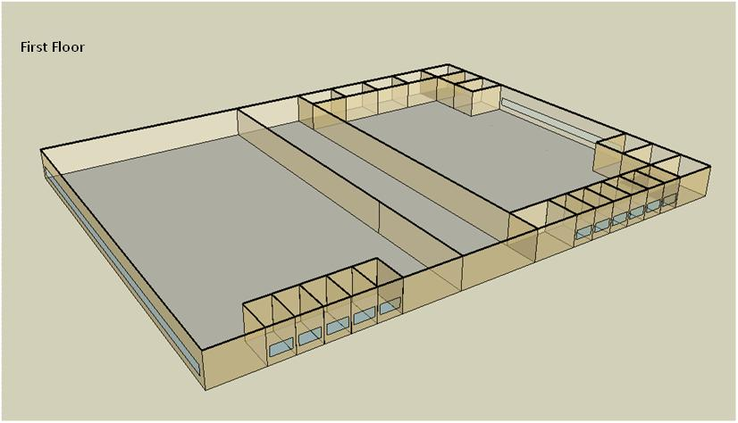

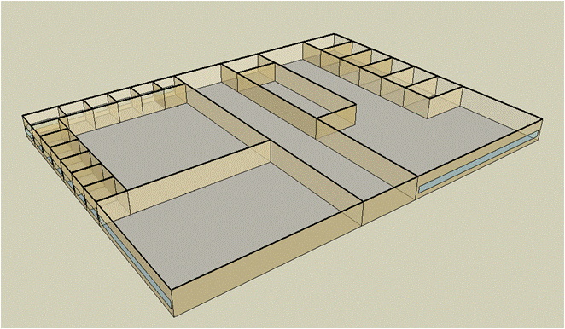
Second Floor

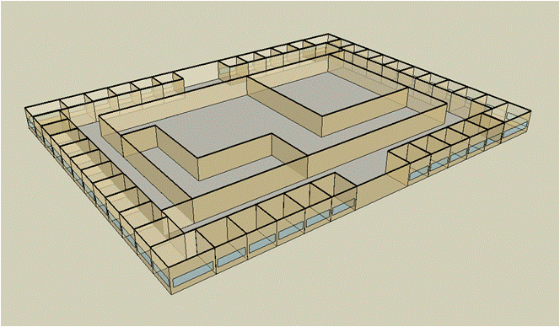
Third Floor

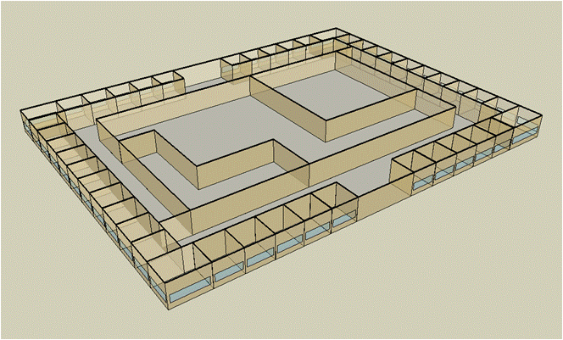
Forth Floor

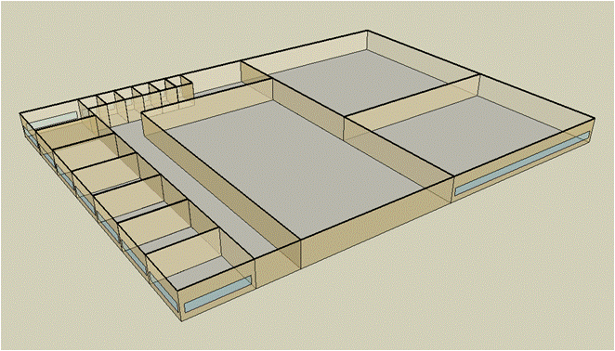
Fifth Floor

Electricity
 | Cooling | Interior Lighting | Exterior Lighting | Interior Equipment | Fans | Pumps | Heat Rejection | Refrigeration
Miami | 6,291,316.67 | 2,326,391.67 | 91,075.00 | 1,817,169.44 | 1,050,097.22 | 522,341.67 | 363,850.00 | 57,044.44
Houston | 6,327,405.56 | 2,326,391.67 | 90,913.89 | 1,817,169.44 | 1,028,925.00 | 496,483.33 | 355,044.44 | 54,875.00
Phoenix | 5,806,275.00 | 2,326,391.67 | 90,886.11 | 1,817,169.44 | 1,133,869.44 | 442,780.56 | 327,152.78 | 55,077.78
Atlanta | 5,917,802.78 | 2,326,391.67 | 91,038.89 | 1,817,169.44 | 1,023,011.11 | 448,083.33 | 321,372.22 | 52,772.22
Los Angeles | 5,333,411.11 | 2,326,391.67 | 91,022.22 | 1,817,169.44 | 1,017,877.78 | 401,408.33 | 289,269.44 | 53,069.44
Las Vegas | 4,916,425.00 | 2,326,391.67 | 90,933.33 | 1,817,169.44 | 1,100,808.33 | 382,502.78 | 280,572.22 | 53,394.44
San Francisco | 4,704,761.11 | 2,326,391.67 | 90,836.11 | 1,817,169.44 | 967,747.22 | 322,527.78 | 242,791.67 | 51,586.11
Baltimore | 5,643,586.11 | 2,326,391.67 | 90,927.78 | 1,817,169.44 | 986,611.11 | 434,172.22 | 302,705.56 | 51,430.56
Albuquerque | 3,966,250.00 | 2,326,391.67 | 90,913.89 | 1,817,169.44 | 1,102,127.78 | 319,716.67 | 221,719.44 | 51,455.56
Seattle | 4,629,002.78 | 2,326,391.67 | 90,777.78 | 1,817,169.44 | 987,019.44 | 324,766.67 | 247,530.56 | 50,519.44
Chicago | 4,759,355.56 | 2,326,391.67 | 90,802.78 | 1,817,169.44 | 998,491.67 | 412,483.33 | 263,952.78 | 50,444.44
Boulder | 3,723,822.22 | 2,326,391.67 | 90,819.44 | 1,817,169.44 | 1,076,816.67 | 304,838.89 | 201,636.11 | 50,205.56
Minneapolis | 4,221,366.67 | 2,326,391.67 | 90,877.78 | 1,817,169.44 | 998,786.11 | 382,250.00 | 227,830.56 | 49,969.44
Helena | 3,422,533.33 | 2,326,391.67 | 90,766.67 | 1,817,169.44 | 1,041,483.33 | 279,822.22 | 181,480.56 | 49,244.44
Duluth | 3,579,569.44 | 2,326,391.67 | 90,741.67 | 1,817,169.44 | 1,011,933.33 | 323,005.56 | 185,627.78 | 48,597.22
Fairbanks | 2,426,752.78 | 2,326,391.67 | 90,200.00 | 1,817,169.44 | 1,041,294.44 | 222,172.22 | 122,941.67 | 47,677.78

Gas
 | Heating | Interior Equipment | Water Systems
Miami | 8,811,250.00 | 1,358,420.00 | 464,640.00
Houston | 10,710,350.00 | 1,358,420.00 | 557,300.00
Phoenix | 10,744,110.00 | 1,358,420.00 | 504,030.00
Atlanta | 11,670,030.00 | 1,358,420.00 | 646,620.00
Los Angeles | 11,548,980.00 | 1,358,420.00 | 629,310.00
Las Vegas | 10,424,190.00 | 1,358,420.00 | 568,200.00
San Francisco | 12,522,680.00 | 1,358,420.00 | 705,730.00
Baltimore | 12,467,270.00 | 1,358,420.00 | 716,820.00
Albuquerque | 9,216,260.00 | 1,358,420.00 | 703,520.00
Seattle | 12,851,960.00 | 1,358,420.00 | 753,400.00
Chicago | 13,371,500.00 | 1,358,420.00 | 778,460.00
Boulder | 9,947,810.00 | 1,358,420.00 | 775,260.00
Minneapolis | 14,179,610.00 | 1,358,420.00 | 831,690.00
Helena | 11,578,470.00 | 1,358,420.00 | 841,380.00
Duluth | 15,224,430.00 | 1,358,420.00 | 919,530.00
Fairbanks | 22,116,480.00 | 1,358,420.00 | 1,025,850.00

EUI
 | Heating (elec) | Cooling (elec) | Interior Lighting (elec) | Exterior Lighting (elec) | Interior Equipment (elec) | Fans (elec) | Pumps (elec) | Heat Rejection (elec) | Refrigeration (elec) | Heating (gas) | Interior Equipment (gas) | Water Systems (gas)
Miami | 0.00 | 1,010.10 | 373.51 | 14.62 | 291.76 | 168.60 | 83.86 | 58.42 | 9.16 | 392.97 | 60.58 | 20.72
Houston | 0.00 | 1,015.90 | 373.51 | 14.60 | 291.76 | 165.20 | 79.71 | 57.00 | 8.81 | 477.67 | 60.58 | 24.85
Phoenix | 0.00 | 932.23 | 373.51 | 14.59 | 291.76 | 182.05 | 71.09 | 52.53 | 8.84 | 479.17 | 60.58 | 22.48
Atlanta | 0.00 | 950.13 | 373.51 | 14.62 | 291.76 | 164.25 | 71.94 | 51.60 | 8.47 | 520.47 | 60.58 | 28.84
Los Angeles | 0.00 | 856.31 | 373.51 | 14.61 | 291.76 | 163.43 | 64.45 | 46.44 | 8.52 | 515.07 | 60.58 | 28.07
Las Vegas | 0.00 | 789.36 | 373.51 | 14.60 | 291.76 | 176.74 | 61.41 | 45.05 | 8.57 | 464.90 | 60.58 | 25.34
San Francisco | 0.00 | 755.37 | 373.51 | 14.58 | 291.76 | 155.38 | 51.78 | 38.98 | 8.28 | 558.49 | 60.58 | 31.47
Baltimore | 0.00 | 906.11 | 373.51 | 14.60 | 291.76 | 158.41 | 69.71 | 48.60 | 8.26 | 556.02 | 60.58 | 31.97
Albuquerque | 0.00 | 636.80 | 373.51 | 14.60 | 291.76 | 176.95 | 51.33 | 35.60 | 8.26 | 411.03 | 60.58 | 31.38
Seattle | 0.00 | 743.21 | 373.51 | 14.57 | 291.76 | 158.47 | 52.14 | 39.74 | 8.11 | 573.18 | 60.58 | 33.60
Chicago | 0.00 | 764.14 | 373.51 | 14.58 | 291.76 | 160.31 | 66.23 | 42.38 | 8.10 | 596.35 | 60.58 | 34.72
Boulder | 0.00 | 597.88 | 373.51 | 14.58 | 291.76 | 172.89 | 48.94 | 32.37 | 8.06 | 443.66 | 60.58 | 34.58
Minneapolis | 0.00 | 677.76 | 373.51 | 14.59 | 291.76 | 160.36 | 61.37 | 36.58 | 8.02 | 632.39 | 60.58 | 37.09
Helena | 0.00 | 549.50 | 373.51 | 14.57 | 291.76 | 167.22 | 44.93 | 29.14 | 7.91 | 516.38 | 60.58 | 37.52
Duluth | 0.00 | 574.72 | 373.51 | 14.57 | 291.76 | 162.47 | 51.86 | 29.80 | 7.80 | 678.99 | 60.58 | 41.01
Fairbanks | 0.00 | 389.63 | 373.51 | 14.48 | 291.76 | 167.18 | 35.67 | 19.74 | 7.65 | 986.36 | 60.58 | 45.75

Water
 | Total Building | Water for Electricity (m3)
Miami | 44,284.86 | 7,003.82
Houston | 38,346.07 | 21,606.70
Phoenix | 47,480.86 | 387,681.00
Atlanta | 33,151.27 | 80,665.90
Los Angeles | 29,402.04 | 212,701.00
Las Vegas | 41,547.35 | 338,781.00
San Francisco | 21,578.45 | 198,025.00
Baltimore | 29,807.35 | 2,885.63
Albuquerque | 28,863.03 | 51,088.10
Seattle | 21,089.95 | 116,017.00
Chicago | 25,792.49 | 18,388.50
Boulder | 24,828.16 | 49,832.80
Minneapolis | 23,509.70 | 17,593.60
Helena | 20,854.29 | 670,831.00
Duluth | 18,473.83 | 16,671.40
Fairbanks | 14,610.68 | 9,901.38

Carbon
 | Carbon Equivalent (kg)
Miami | 3,817,560.00
Houston | 4,657,080.00
Phoenix | 4,167,190.00
Atlanta | 4,226,360.00
Los Angeles | 1,659,860.00
Las Vegas | 4,387,710.00
San Francisco | 1,581,110.00
Baltimore | 3,692,080.00
Albuquerque | 4,799,350.00
Seattle | 1,096,910.00
Chicago | 6,598,810.00
Boulder | 4,700,900.00
Minneapolis | 4,176,860.00
Helena | 4,118,540.00
Duluth | 3,993,810.00
Fairbanks | 3,168,820.00

LghtSch
Lighting Schedules
 | Weekday | Saturday | Sunday
 | 0.1 | 0.1 | 0.05
 | 0.1 | 0.1 | 0.05
 | 0.1 | 0.1 | 0.05
 | 0.1 | 0.1 | 0.05
 | 0.3 | 0.1 | 0.05
 | 0.3 | 0.1 | 0.05
 | 0.6 | 0.1 | 0.05
 | 0.9 | 0.3 | 0.05
 | 0.9 | 0.3 | 0.1
 | 0.9 | 0.4 | 0.1
 | 0.9 | 0.4 | 0.1
 | 0.9 | 0.4 | 0.1
 | 0.9 | 0.4 | 0.1
 | 0.9 | 0.4 | 0.1
 | 0.9 | 0.4 | 0.1
 | 0.9 | 0.3 | 0.1
 | 0.9 | 0.3 | 0.1
 | 0.9 | 0.3 | 0.05
 | 0.6 | 0.3 | 0.05
 | 0.6 | 0.3 | 0.05
 | 0.3 | 0.1 | 0.05
 | 0.3 | 0.1 | 0.05
 | 0.1 | 0.1 | 0.05
 | 0.1 | 0.1 | 0.05

CritLghtSch
Critical Operation Lighting Schedules
 | Weekday | Saturday | Sunday
 | 0.5 | 0.5 | 0.5
 | 0.5 | 0.5 | 0.5
 | 0.5 | 0.5 | 0.5
 | 0.5 | 0.5 | 0.5
 | 0.7 | 0.7 | 0.7
 | 0.7 | 0.7 | 0.7
 | 0.9 | 0.9 | 0.9
 | 0.9 | 0.9 | 0.9
 | 0.9 | 0.9 | 0.9
 | 0.9 | 0.9 | 0.9
 | 0.9 | 0.9 | 0.9
 | 0.9 | 0.9 | 0.9
 | 0.9 | 0.9 | 0.9
 | 0.9 | 0.9 | 0.9
 | 0.9 | 0.9 | 0.9
 | 0.9 | 0.9 | 0.9
 | 0.9 | 0.9 | 0.9
 | 0.9 | 0.9 | 0.9
 | 0.7 | 0.7 | 0.7
 | 0.7 | 0.7 | 0.7
 | 0.7 | 0.7 | 0.7
 | 0.7 | 0.7 | 0.7
 | 0.5 | 0.5 | 0.5
 | 0.5 | 0.5 | 0.5

AdminOccSch
Admin Occupancy Schedules
 | Weekday | Saturday | Sun, Hol, Other
 | 0.05 | 0.05 | 0
 | 0.05 | 0.05 | 0
 | 0.05 | 0.05 | 0
 | 0.05 | 0.05 | 0
 | 0.2 | 0.05 | 0
 | 0.2 | 0.05 | 0
 | 0.5 | 0.05 | 0
 | 0.9 | 0.2 | 0
 | 0.9 | 0.2 | 0.05
 | 0.9 | 0.3 | 0.05
 | 0.9 | 0.3 | 0.05
 | 0.9 | 0.3 | 0.05
 | 0.9 | 0.3 | 0.05
 | 0.9 | 0.3 | 0.05
 | 0.9 | 0.3 | 0.05
 | 0.9 | 0.2 | 0.05
 | 0.9 | 0.2 | 0.05
 | 0.9 | 0.2 | 0
 | 0.5 | 0.2 | 0
 | 0.5 | 0.2 | 0
 | 0.2 | 0.05 | 0
 | 0.2 | 0.05 | 0
 | 0.05 | 0.05 | 0
 | 0.05 | 0.05 | 0

CritOccSch
Critical Operation Occupancy Schedules
 | Weekday | Saturday | Other
 | 0.4 | 0.4 | 0.4
 | 0.4 | 0.4 | 0.4
 | 0.4 | 0.4 | 0.4
 | 0.4 | 0.4 | 0.4
 | 0.65 | 0.65 | 0.65
 | 0.65 | 0.65 | 0.65
 | 0.9 | 0.9 | 0.9
 | 0.9 | 0.9 | 0.9
 | 0.9 | 0.9 | 0.9
 | 0.9 | 0.9 | 0.9
 | 0.9 | 0.9 | 0.9
 | 0.9 | 0.9 | 0.9
 | 0.9 | 0.9 | 0.9
 | 0.9 | 0.9 | 0.9
 | 0.9 | 0.9 | 0.9
 | 0.9 | 0.9 | 0.9
 | 0.9 | 0.9 | 0.9
 | 0.9 | 0.9 | 0.9
 | 0.65 | 0.65 | 0.65
 | 0.65 | 0.65 | 0.65
 | 0.65 | 0.65 | 0.65
 | 0.65 | 0.65 | 0.65
 | 0.4 | 0.4 | 0.4
 | 0.4 | 0.4 | 0.4

HeatSch
Heating Set Point Schedules
 | Weekday | Saturday | Other
 | 18.3 | 18.3 | 18.3
 | 18.3 | 18.3 | 18.3
 | 18.3 | 18.3 | 18.3
 | 18.3 | 18.3 | 18.3
 | 18.3 | 18.3 | 18.3
 | 21.1 | 18.3 | 18.3
 | 21.1 | 18.3 | 18.3
 | 21.1 | 21.1 | 18.3
 | 21.1 | 21.1 | 18.3
 | 21.1 | 21.1 | 18.3
 | 21.1 | 21.1 | 18.3
 | 21.1 | 21.1 | 18.3
 | 21.1 | 21.1 | 18.3
 | 21.1 | 21.1 | 18.3
 | 21.1 | 21.1 | 18.3
 | 21.1 | 18.3 | 18.3
 | 21.1 | 18.3 | 18.3
 | 21.1 | 18.3 | 18.3
 | 18.3 | 18.3 | 18.3
 | 18.3 | 18.3 | 18.3
 | 18.3 | 18.3 | 18.3
 | 18.3 | 18.3 | 18.3
 | 18.3 | 18.3 | 18.3
 | 18.3 | 18.3 | 18.3

CritHeatSch
Critical Heating Set Point Schedules
 | All
 | 21.1
 | 21.1
 | 21.1
 | 21.1
 | 21.1
 | 21.1
 | 21.1
 | 21.1
 | 21.1
 | 21.1
 | 21.1
 | 21.1
 | 21.1
 | 21.1
 | 21.1
 | 21.1
 | 21.1
 | 21.1
 | 21.1
 | 21.1
 | 21.1
 | 21.1
 | 21.1
 | 21.1

CoolSch
Cooling Set Point Schedules
 | Weekday | Saturday | Other
 | 30 | 25 | 25
 | 30 | 25 | 25
 | 30 | 25 | 25
 | 30 | 25 | 25
 | 30 | 25 | 25
 | 26 | 25 | 25
 | 26 | 25 | 25
 | 26 | 22.2 | 25
 | 26 | 22.2 | 25
 | 26 | 22.2 | 25
 | 26 | 22.2 | 25
 | 26 | 22.2 | 25
 | 26 | 22.2 | 25
 | 26 | 22.2 | 25
 | 26 | 22.2 | 25
 | 26 | 25 | 25
 | 26 | 25 | 25
 | 26 | 25 | 25
 | 30 | 25 | 25
 | 30 | 25 | 25
 | 30 | 25 | 25
 | 30 | 25 | 25
 | 30 | 25 | 25
 | 30 | 25 | 25

CritCoolSch
Critical Cooling Set Point Schedules
 | All
 | 22.2
 | 22.2
 | 22.2
 | 22.2
 | 22.2
 | 22.2
 | 22.2
 | 22.2
 | 22.2
 | 22.2
 | 22.2
 | 22.2
 | 22.2
 | 22.2
 | 22.2
 | 22.2
 | 22.2
 | 22.2
 | 22.2
 | 22.2
 | 22.2
 | 22.2
 | 22.2
 | 22.2

