Picture
DOE Commercial Building Benchmark - Hospital

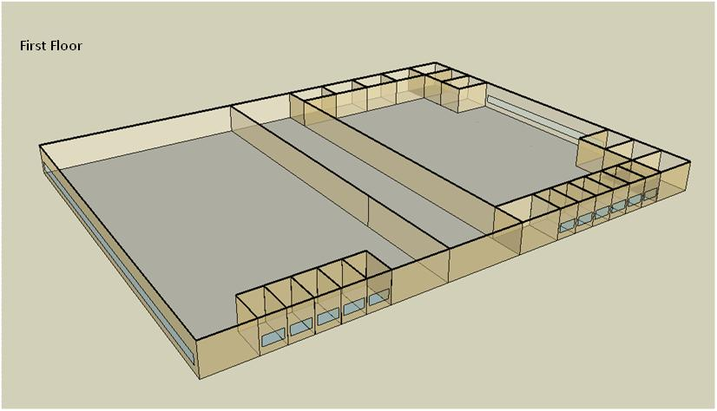

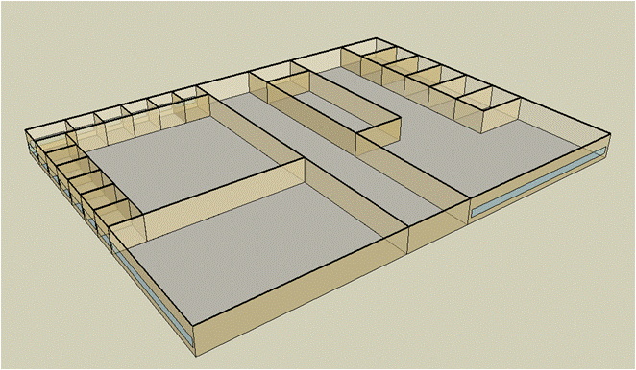
Second Floor

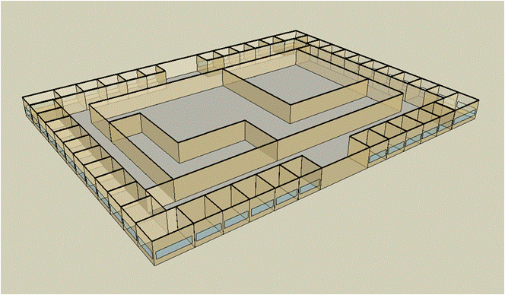
Third Floor

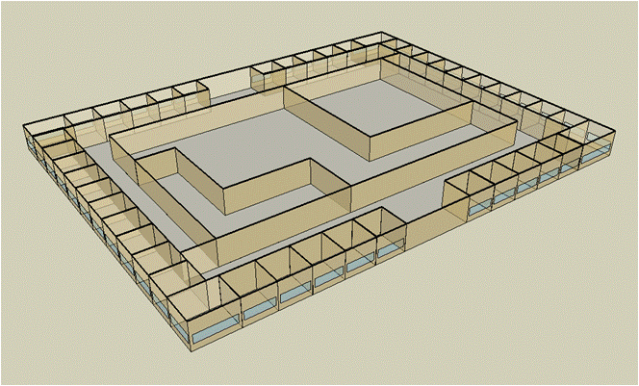
Forth Floor

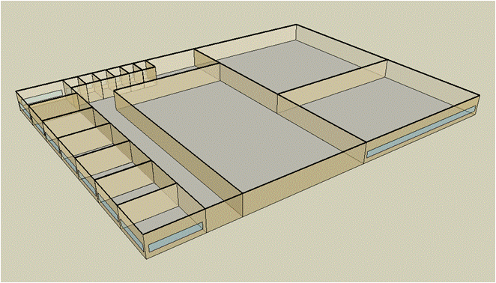
Fifth Floor

Electricity
 | Cooling | Interior Lighting | Exterior Lighting | Interior Equipment | Fans | Pumps | Heat Rejection | Refrigeration
Miami | 2,282,263.89 | 2,326,391.67 | 30,086.11 | 1,817,169.44 | 751,113.89 | 510,608.33 | 362,841.67 | 56,850.00
Houston | 1,854,413.89 | 2,326,391.67 | 30,033.33 | 1,817,169.44 | 748,422.22 | 489,372.22 | 345,672.22 | 54,633.33
Phoenix | 1,308,136.11 | 2,326,391.67 | 30,025.00 | 1,817,169.44 | 812,780.56 | 437,077.78 | 322,625.00 | 54,847.22
Atlanta | 1,310,961.11 | 2,326,391.67 | 30,075.00 | 1,817,169.44 | 756,788.89 | 444,883.33 | 302,613.89 | 52,625.00
Los Angeles | 1,070,336.11 | 2,326,391.67 | 30,069.44 | 1,817,169.44 | 707,063.89 | 381,911.11 | 282,163.89 | 53,094.44
Las Vegas | 986,272.22 | 2,326,391.67 | 30,041.67 | 1,817,169.44 | 814,961.11 | 384,197.22 | 266,019.44 | 53,219.44
San Francisco | 639,219.44 | 2,326,391.67 | 30,008.33 | 1,817,169.44 | 693,302.78 | 313,505.56 | 240,511.11 | 51,544.44
Baltimore | 1,093,919.44 | 2,326,391.67 | 30,038.89 | 1,817,169.44 | 732,027.78 | 433,727.78 | 266,413.89 | 51,308.33
Albuquerque | 665,597.22 | 2,326,391.67 | 30,033.33 | 1,817,169.44 | 805,913.89 | 315,530.56 | 183,255.56 | 51,175.00
Seattle | 569,855.56 | 2,326,391.67 | 29,988.89 | 1,817,169.44 | 719,125.00 | 321,786.11 | 229,997.22 | 50,355.56
Chicago | 744,411.11 | 2,326,391.67 | 29,997.22 | 1,817,169.44 | 681,536.11 | 390,316.67 | 207,066.67 | 50,458.33
Boulder | 495,236.11 | 2,326,391.67 | 30,002.78 | 1,817,169.44 | 732,994.44 | 284,775.00 | 152,972.22 | 50,141.67
Minneapolis | 669,844.44 | 2,326,391.67 | 30,022.22 | 1,817,169.44 | 683,063.89 | 357,252.78 | 184,388.89 | 49,983.33
Helena | 396,380.56 | 2,326,391.67 | 29,986.11 | 1,817,169.44 | 706,875.00 | 258,083.33 | 132,575.00 | 49,372.22
Duluth | 414,397.22 | 2,326,391.67 | 29,977.78 | 1,817,169.44 | 662,963.89 | 302,752.78 | 143,272.22 | 48,838.89
Fairbanks | 254,505.56 | 2,326,391.67 | 29,797.22 | 1,817,169.44 | 652,925.00 | 189,805.56 | 89,283.33 | 47,908.33

Gas
 | Heating | Interior Equipment | Water Systems
Miami | 10,469,070.00 | 1,358,420.00 | 456,550.00
Houston | 12,243,730.00 | 1,358,420.00 | 547,640.00
Phoenix | 12,436,940.00 | 1,358,420.00 | 495,230.00
Atlanta | 13,690,020.00 | 1,358,420.00 | 635,430.00
Los Angeles | 12,121,820.00 | 1,358,420.00 | 618,380.00
Las Vegas | 12,354,870.00 | 1,358,420.00 | 558,340.00
San Francisco | 13,570,260.00 | 1,358,420.00 | 693,490.00
Baltimore | 15,274,140.00 | 1,358,420.00 | 704,420.00
Albuquerque | 11,039,580.00 | 1,358,420.00 | 691,330.00
Seattle | 15,645,360.00 | 1,358,420.00 | 740,330.00
Chicago | 14,154,210.00 | 1,358,420.00 | 764,980.00
Boulder | 10,509,000.00 | 1,358,420.00 | 761,820.00
Minneapolis | 15,427,570.00 | 1,358,420.00 | 817,320.00
Helena | 12,611,230.00 | 1,358,420.00 | 826,810.00
Duluth | 16,608,580.00 | 1,358,420.00 | 903,630.00
Fairbanks | 23,459,360.00 | 1,358,420.00 | 1,008,110.00

EUI
 | Heating (elec) | Cooling (elec) | Interior Lighting (elec) | Exterior Lighting (elec) | Interior Equipment (elec) | Fans (elec) | Pumps (elec) | Heat Rejection (elec) | Refrigeration (elec) | Heating (gas) | Interior Equipment (gas) | Water Systems (gas)
Miami | 0.00 | 366.43 | 373.51 | 4.83 | 291.76 | 120.59 | 81.98 | 58.26 | 9.13 | 466.91 | 60.58 | 20.36
Houston | 0.00 | 297.74 | 373.51 | 4.82 | 291.76 | 120.16 | 78.57 | 55.50 | 8.77 | 546.05 | 60.58 | 24.42
Phoenix | 0.00 | 210.03 | 373.51 | 4.82 | 291.76 | 130.50 | 70.17 | 51.80 | 8.81 | 554.67 | 60.58 | 22.09
Atlanta | 0.00 | 210.48 | 373.51 | 4.83 | 291.76 | 121.51 | 71.43 | 48.59 | 8.45 | 610.56 | 60.58 | 28.34
Los Angeles | 0.00 | 171.85 | 373.51 | 4.83 | 291.76 | 113.52 | 61.32 | 45.30 | 8.52 | 540.62 | 60.58 | 27.58
Las Vegas | 0.00 | 158.35 | 373.51 | 4.82 | 291.76 | 130.85 | 61.68 | 42.71 | 8.54 | 551.01 | 60.58 | 24.90
San Francisco | 0.00 | 102.63 | 373.51 | 4.82 | 291.76 | 111.31 | 50.33 | 38.62 | 8.28 | 605.21 | 60.58 | 30.93
Baltimore | 0.00 | 175.63 | 373.51 | 4.82 | 291.76 | 117.53 | 69.64 | 42.77 | 8.24 | 681.20 | 60.58 | 31.42
Albuquerque | 0.00 | 106.86 | 373.51 | 4.82 | 291.76 | 129.39 | 50.66 | 29.42 | 8.22 | 492.35 | 60.58 | 30.83
Seattle | 0.00 | 91.49 | 373.51 | 4.81 | 291.76 | 115.46 | 51.66 | 36.93 | 8.08 | 697.76 | 60.58 | 33.02
Chicago | 0.00 | 119.52 | 373.51 | 4.82 | 291.76 | 109.42 | 62.67 | 33.25 | 8.10 | 631.26 | 60.58 | 34.12
Boulder | 0.00 | 79.51 | 373.51 | 4.82 | 291.76 | 117.69 | 45.72 | 24.56 | 8.05 | 468.69 | 60.58 | 33.98
Minneapolis | 0.00 | 107.55 | 373.51 | 4.82 | 291.76 | 109.67 | 57.36 | 29.60 | 8.03 | 688.05 | 60.58 | 36.45
Helena | 0.00 | 63.64 | 373.51 | 4.81 | 291.76 | 113.49 | 41.44 | 21.29 | 7.93 | 562.44 | 60.58 | 36.87
Duluth | 0.00 | 66.53 | 373.51 | 4.81 | 291.76 | 106.44 | 48.61 | 23.00 | 7.84 | 740.72 | 60.58 | 40.30
Fairbanks | 0.00 | 40.86 | 373.51 | 4.78 | 291.76 | 104.83 | 30.47 | 14.33 | 7.69 | 1,046.25 | 60.58 | 44.96

Water
 | Total Building | Water for Electricity (m3)
Miami | 38,397.05 | 4,682.67
Houston | 32,021.50 | 13,756.50
Phoenix | 41,231.54 | 243,016.00
Atlanta | 26,912.38 | 49,852.10
Los Angeles | 22,693.83 | 130,885.00
Las Vegas | 36,829.89 | 222,727.00
San Francisco | 15,387.15 | 120,623.00
Baltimore | 23,628.42 | 1,780.23
Albuquerque | 24,193.63 | 34,498.00
Seattle | 14,948.27 | 71,140.30
Chicago | 18,753.45 | 11,455.10
Boulder | 19,213.21 | 33,031.10
Minneapolis | 17,317.74 | 11,400.10
Helena | 15,647.24 | 449,922.00
Duluth | 12,985.92 | 11,005.60
Fairbanks | 10,627.83 | 7,114.20

Carbon
 | Carbon Equivalent (kg)
Miami | 2,645,680.00
Houston | 3,075,250.00
Phoenix | 2,727,380.00
Atlanta | 2,742,340.00
Los Angeles | 1,125,410.00
Las Vegas | 2,995,570.00
San Francisco | 1,084,590.00
Baltimore | 2,428,610.00
Albuquerque | 3,339,530.00
Seattle | 827,123.61
Chicago | 4,230,040.00
Boulder | 3,199,270.00
Minneapolis | 2,832,620.00
Helena | 2,862,460.00
Duluth | 2,768,440.00
Fairbanks | 2,425,080.00

LghtSch
Lighting Schedules
 | Weekday | Saturday | Sunday
 | 0.1 | 0.1 | 0.05
 | 0.1 | 0.1 | 0.05
 | 0.1 | 0.1 | 0.05
 | 0.1 | 0.1 | 0.05
 | 0.1 | 0.1 | 0.05
 | 0.1 | 0.1 | 0.05
 | 0.1 | 0.1 | 0.05
 | 0.5 | 0.2 | 0.05
 | 0.9 | 0.4 | 0.1
 | 0.9 | 0.4 | 0.1
 | 0.9 | 0.4 | 0.1
 | 0.9 | 0.4 | 0.1
 | 0.9 | 0.4 | 0.1
 | 0.9 | 0.4 | 0.1
 | 0.9 | 0.4 | 0.1
 | 0.9 | 0.4 | 0.1
 | 0.3 | 0.4 | 0.05
 | 0.3 | 0.4 | 0.05
 | 0.3 | 0.1 | 0.05
 | 0.3 | 0.1 | 0.05
 | 0.3 | 0.1 | 0.05
 | 0.3 | 0.1 | 0.05
 | 0.3 | 0.1 | 0.05
 | 0.1 | 0.1 | 0.05

CritLghtSch
Critical Operation Lighting Schedules
 | Weekday | Saturday | Sunday
 | 0.5 | 0.5 | 0.5
 | 0.5 | 0.5 | 0.5
 | 0.5 | 0.5 | 0.5
 | 0.5 | 0.5 | 0.5
 | 0.7 | 0.7 | 0.7
 | 0.7 | 0.7 | 0.7
 | 0.9 | 0.9 | 0.9
 | 0.9 | 0.9 | 0.9
 | 0.9 | 0.9 | 0.9
 | 0.9 | 0.9 | 0.9
 | 0.9 | 0.9 | 0.9
 | 0.9 | 0.9 | 0.9
 | 0.9 | 0.9 | 0.9
 | 0.9 | 0.9 | 0.9
 | 0.9 | 0.9 | 0.9
 | 0.9 | 0.9 | 0.9
 | 0.9 | 0.9 | 0.9
 | 0.9 | 0.9 | 0.9
 | 0.7 | 0.7 | 0.7
 | 0.7 | 0.7 | 0.7
 | 0.7 | 0.7 | 0.7
 | 0.7 | 0.7 | 0.7
 | 0.5 | 0.5 | 0.5
 | 0.5 | 0.5 | 0.5

AdminOccSch
Admin Occupancy Schedules
 | WD | Sat | Sun, Hol, Other
 | 0.05 | 0.05 | 0
 | 0.05 | 0.05 | 0
 | 0.05 | 0.05 | 0
 | 0.05 | 0.05 | 0
 | 0.2 | 0.05 | 0
 | 0.2 | 0.05 | 0
 | 0.5 | 0.05 | 0
 | 0.9 | 0.2 | 0
 | 0.9 | 0.2 | 0.05
 | 0.9 | 0.3 | 0.05
 | 0.9 | 0.3 | 0.05
 | 0.9 | 0.3 | 0.05
 | 0.9 | 0.3 | 0.05
 | 0.9 | 0.3 | 0.05
 | 0.9 | 0.3 | 0.05
 | 0.9 | 0.2 | 0.05
 | 0.9 | 0.2 | 0.05
 | 0.9 | 0.2 | 0
 | 0.5 | 0.2 | 0
 | 0.5 | 0.2 | 0
 | 0.2 | 0.05 | 0
 | 0.2 | 0.05 | 0
 | 0.05 | 0.05 | 0
 | 0.05 | 0.05 | 0

CritOccSch
Critical Operation Occupancy Schedules
 | WD | Sat | Sun, Hol, Other
 | 0.4 | 0.4 | 0.4
 | 0.4 | 0.4 | 0.4
 | 0.4 | 0.4 | 0.4
 | 0.4 | 0.4 | 0.4
 | 0.65 | 0.65 | 0.65
 | 0.65 | 0.65 | 0.65
 | 0.9 | 0.9 | 0.9
 | 0.9 | 0.9 | 0.9
 | 0.9 | 0.9 | 0.9
 | 0.9 | 0.9 | 0.9
 | 0.9 | 0.9 | 0.9
 | 0.9 | 0.9 | 0.9
 | 0.9 | 0.9 | 0.9
 | 0.9 | 0.9 | 0.9
 | 0.9 | 0.9 | 0.9
 | 0.9 | 0.9 | 0.9
 | 0.9 | 0.9 | 0.9
 | 0.9 | 0.9 | 0.9
 | 0.65 | 0.65 | 0.65
 | 0.65 | 0.65 | 0.65
 | 0.65 | 0.65 | 0.65
 | 0.65 | 0.65 | 0.65
 | 0.4 | 0.4 | 0.4
 | 0.4 | 0.4 | 0.4

HeatSch
Heating Set Point Schedules
 | WD | Sat | Sun, Hol, Other
 | 18.3 | 18.3 | 18.3
 | 18.3 | 18.3 | 18.3
 | 18.3 | 18.3 | 18.3
 | 18.3 | 18.3 | 18.3
 | 18.3 | 18.3 | 18.3
 | 21.1 | 18.3 | 18.3
 | 21.1 | 18.3 | 18.3
 | 21.1 | 21.1 | 18.3
 | 21.1 | 21.1 | 18.3
 | 21.1 | 21.1 | 18.3
 | 21.1 | 21.1 | 18.3
 | 21.1 | 21.1 | 18.3
 | 21.1 | 21.1 | 18.3
 | 21.1 | 21.1 | 18.3
 | 21.1 | 21.1 | 18.3
 | 21.1 | 18.3 | 18.3
 | 21.1 | 18.3 | 18.3
 | 21.1 | 18.3 | 18.3
 | 18.3 | 18.3 | 18.3
 | 18.3 | 18.3 | 18.3
 | 18.3 | 18.3 | 18.3
 | 18.3 | 18.3 | 18.3
 | 18.3 | 18.3 | 18.3
 | 18.3 | 18.3 | 18.3

CritHeatSch
Critical Heating Set Point Schedules
 | All
 | 21.1
 | 21.1
 | 21.1
 | 21.1
 | 21.1
 | 21.1
 | 21.1
 | 21.1
 | 21.1
 | 21.1
 | 21.1
 | 21.1
 | 21.1
 | 21.1
 | 21.1
 | 21.1
 | 21.1
 | 21.1
 | 21.1
 | 21.1
 | 21.1
 | 21.1
 | 21.1
 | 21.1

CoolSch
Cooling Set Point Schedules
 | WD | Sat | Sun, Hol, Other
 | 25 | 25 | 25
 | 25 | 25 | 25
 | 25 | 25 | 25
 | 25 | 25 | 25
 | 25 | 25 | 25
 | 22.2 | 25 | 25
 | 22.2 | 25 | 25
 | 22.2 | 22.2 | 25
 | 22.2 | 22.2 | 25
 | 22.2 | 22.2 | 25
 | 22.2 | 22.2 | 25
 | 22.2 | 22.2 | 25
 | 22.2 | 22.2 | 25
 | 22.2 | 22.2 | 25
 | 22.2 | 22.2 | 25
 | 22.2 | 25 | 25
 | 22.2 | 25 | 25
 | 22.2 | 25 | 25
 | 25 | 25 | 25
 | 25 | 25 | 25
 | 25 | 25 | 25
 | 25 | 25 | 25
 | 25 | 25 | 25
 | 25 | 25 | 25

CritCoolSch
Critical Cooling Set Point Schedules
 | All
 | 22.2
 | 22.2
 | 22.2
 | 22.2
 | 22.2
 | 22.2
 | 22.2
 | 22.2
 | 22.2
 | 22.2
 | 22.2
 | 22.2
 | 22.2
 | 22.2
 | 22.2
 | 22.2
 | 22.2
 | 22.2
 | 22.2
 | 22.2
 | 22.2
 | 22.2
 | 22.2
 | 22.2

