Picture
DOE Commercial Building Benchmark - Hospital

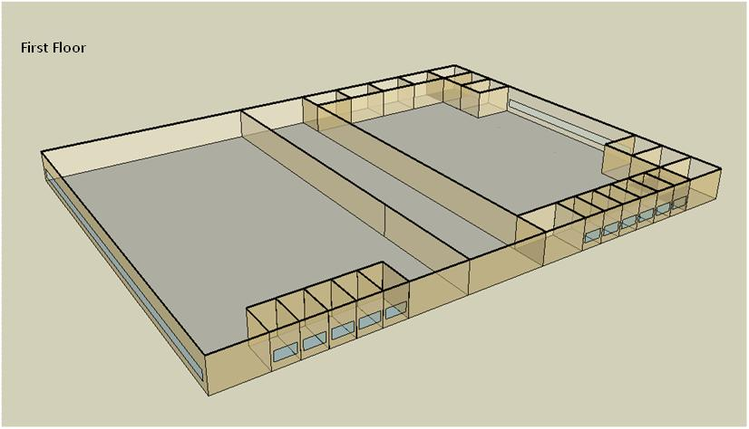

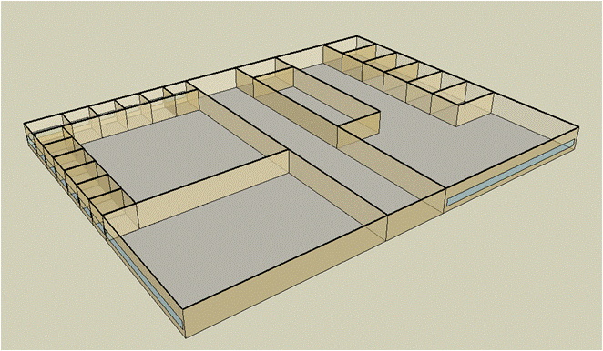
Second Floor

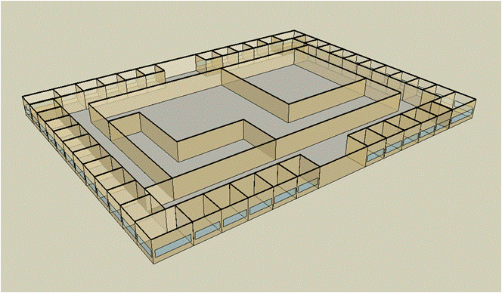
Third Floor

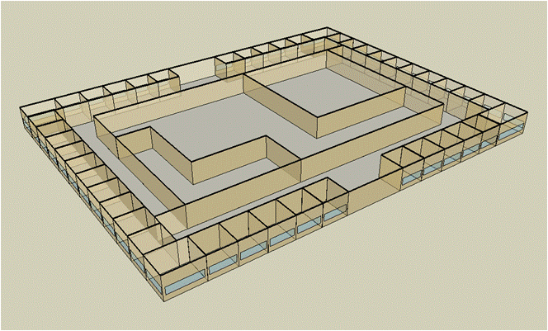
Forth Floor

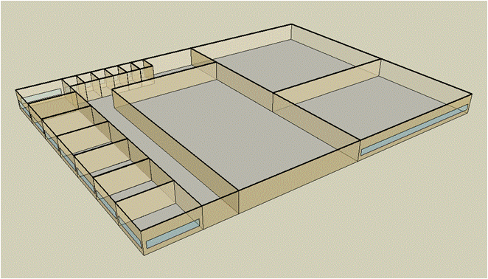
Fifth Floor

Electricity
 | Cooling | Interior Lighting | Exterior Lighting | Interior Equipment | Fans | Pumps | Heat Rejection | Refrigeration
Miami | 6,041,913.89 | 2,326,391.67 | 91,075.00 | 1,817,169.44 | 1,111,300.00 | 536,961.11 | 370,891.67 | 56,830.56
Houston | 6,144,113.89 | 2,326,391.67 | 90,913.89 | 1,817,169.44 | 1,104,200.00 | 515,213.89 | 365,561.11 | 54,613.89
Phoenix | 5,670,177.78 | 2,326,391.67 | 90,886.11 | 1,817,169.44 | 1,204,191.67 | 460,500.00 | 338,133.33 | 54,802.78
Atlanta | 5,807,797.22 | 2,326,391.67 | 91,038.89 | 1,817,169.44 | 1,121,686.11 | 470,233.33 | 334,836.11 | 52,597.22
Los Angeles | 5,020,475.00 | 2,326,391.67 | 91,022.22 | 1,817,169.44 | 1,043,163.89 | 402,850.00 | 288,675.00 | 53,072.22
Las Vegas | 4,880,800.00 | 2,326,391.67 | 90,933.33 | 1,817,169.44 | 1,204,102.78 | 406,288.89 | 295,269.44 | 53,152.78
San Francisco | 4,532,091.67 | 2,326,391.67 | 90,836.11 | 1,817,169.44 | 1,025,125.00 | 331,730.56 | 248,055.56 | 51,533.33
Baltimore | 5,637,280.56 | 2,326,391.67 | 90,927.78 | 1,817,169.44 | 1,083,111.11 | 457,736.11 | 318,897.22 | 51,275.00
Albuquerque | 3,915,866.67 | 2,326,391.67 | 90,913.89 | 1,817,169.44 | 1,191,336.11 | 336,138.89 | 231,336.11 | 51,116.67
Seattle | 4,570,638.89 | 2,326,391.67 | 90,777.78 | 1,817,169.44 | 1,060,836.11 | 340,972.22 | 258,072.22 | 50,333.33
Chicago | 4,527,244.44 | 2,326,391.67 | 90,802.78 | 1,817,169.44 | 1,010,316.67 | 414,844.44 | 264,100.00 | 50,436.11
Boulder | 3,545,466.67 | 2,326,391.67 | 90,819.44 | 1,817,169.44 | 1,086,363.89 | 307,313.89 | 202,208.33 | 50,083.33
Minneapolis | 4,022,738.89 | 2,326,391.67 | 90,877.78 | 1,817,169.44 | 1,010,566.67 | 384,572.22 | 228,302.78 | 50,016.67
Helena | 3,253,083.33 | 2,326,391.67 | 90,766.67 | 1,817,169.44 | 1,050,011.11 | 281,461.11 | 181,538.89 | 49,319.44
Duluth | 3,336,769.44 | 2,326,391.67 | 90,741.67 | 1,817,169.44 | 985,736.11 | 319,986.11 | 182,536.11 | 48,650.00
Fairbanks | 2,199,008.33 | 2,326,391.67 | 90,200.00 | 1,817,169.44 | 968,341.67 | 213,788.89 | 117,161.11 | 47,713.89

Gas
 | Heating | Interior Equipment | Water Systems
Miami | 10,372,910.00 | 1,358,420.00 | 453,040.00
Houston | 12,231,090.00 | 1,358,420.00 | 543,380.00
Phoenix | 12,366,960.00 | 1,358,420.00 | 491,450.00
Atlanta | 13,729,090.00 | 1,358,420.00 | 630,470.00
Los Angeles | 11,945,840.00 | 1,358,420.00 | 613,600.00
Las Vegas | 12,232,100.00 | 1,358,420.00 | 554,010.00
San Francisco | 13,443,620.00 | 1,358,420.00 | 688,100.00
Baltimore | 15,343,140.00 | 1,358,420.00 | 698,910.00
Albuquerque | 10,856,460.00 | 1,358,420.00 | 685,920.00
Seattle | 15,586,420.00 | 1,358,420.00 | 734,550.00
Chicago | 14,238,060.00 | 1,358,420.00 | 759,010.00
Boulder | 10,453,230.00 | 1,358,420.00 | 755,890.00
Minneapolis | 15,412,790.00 | 1,358,420.00 | 810,920.00
Helena | 12,588,580.00 | 1,358,420.00 | 820,360.00
Duluth | 16,305,680.00 | 1,358,420.00 | 896,590.00
Fairbanks | 23,191,490.00 | 1,358,420.00 | 1,000,220.00

EUI
 | Heating (elec) | Cooling (elec) | Interior Lighting (elec) | Exterior Lighting (elec) | Interior Equipment (elec) | Fans (elec) | Pumps (elec) | Heat Rejection (elec) | Refrigeration (elec) | Heating (gas) | Interior Equipment (gas) | Water Systems (gas)
Miami | 0.00 | 970.06 | 373.51 | 14.62 | 291.76 | 178.42 | 86.21 | 59.55 | 9.12 | 462.62 | 60.58 | 20.20
Houston | 0.00 | 986.47 | 373.51 | 14.60 | 291.76 | 177.28 | 82.72 | 58.69 | 8.77 | 545.49 | 60.58 | 24.23
Phoenix | 0.00 | 910.37 | 373.51 | 14.59 | 291.76 | 193.34 | 73.94 | 54.29 | 8.80 | 551.55 | 60.58 | 21.92
Atlanta | 0.00 | 932.47 | 373.51 | 14.62 | 291.76 | 180.09 | 75.50 | 53.76 | 8.44 | 612.30 | 60.58 | 28.12
Los Angeles | 0.00 | 806.06 | 373.51 | 14.61 | 291.76 | 167.49 | 64.68 | 46.35 | 8.52 | 532.77 | 60.58 | 27.37
Las Vegas | 0.00 | 783.64 | 373.51 | 14.60 | 291.76 | 193.32 | 65.23 | 47.41 | 8.53 | 545.53 | 60.58 | 24.71
San Francisco | 0.00 | 727.65 | 373.51 | 14.58 | 291.76 | 164.59 | 53.26 | 39.83 | 8.27 | 599.57 | 60.58 | 30.69
Baltimore | 0.00 | 905.09 | 373.51 | 14.60 | 291.76 | 173.90 | 73.49 | 51.20 | 8.23 | 684.28 | 60.58 | 31.17
Albuquerque | 0.00 | 628.71 | 373.51 | 14.60 | 291.76 | 191.27 | 53.97 | 37.14 | 8.21 | 484.18 | 60.58 | 30.59
Seattle | 0.00 | 733.84 | 373.51 | 14.57 | 291.76 | 170.32 | 54.74 | 41.43 | 8.08 | 695.13 | 60.58 | 32.76
Chicago | 0.00 | 726.87 | 373.51 | 14.58 | 291.76 | 162.21 | 66.61 | 42.40 | 8.10 | 635.00 | 60.58 | 33.85
Boulder | 0.00 | 569.24 | 373.51 | 14.58 | 291.76 | 174.42 | 49.34 | 32.47 | 8.04 | 466.20 | 60.58 | 33.71
Minneapolis | 0.00 | 645.87 | 373.51 | 14.59 | 291.76 | 162.25 | 61.74 | 36.66 | 8.03 | 687.39 | 60.58 | 36.17
Helena | 0.00 | 522.30 | 373.51 | 14.57 | 291.76 | 168.58 | 45.19 | 29.15 | 7.92 | 561.43 | 60.58 | 36.59
Duluth | 0.00 | 535.73 | 373.51 | 14.57 | 291.76 | 158.26 | 51.38 | 29.31 | 7.81 | 727.21 | 60.58 | 39.99
Fairbanks | 0.00 | 353.06 | 373.51 | 14.48 | 291.76 | 155.47 | 34.32 | 18.81 | 7.66 | 1,034.31 | 60.58 | 44.61

Water
 | Total Building | Water for Electricity (m3)
Miami | 45,002.98 | 6,915.79
Houston | 39,270.95 | 21,489.60
Phoenix | 48,757.07 | 387,258.00
Atlanta | 34,286.69 | 80,958.90
Los Angeles | 29,164.96 | 207,711.00
Las Vegas | 43,453.49 | 343,385.00
San Francisco | 21,759.60 | 196,335.00
Baltimore | 31,011.33 | 2,923.32
Albuquerque | 29,895.64 | 51,613.70
Seattle | 21,653.23 | 116,622.00
Chicago | 25,638.75 | 18,060.20
Boulder | 24,755.52 | 49,105.80
Minneapolis | 23,396.72 | 17,321.10
Helena | 20,743.65 | 661,298.00
Duluth | 18,052.23 | 16,229.20
Fairbanks | 13,991.71 | 9,540.31

Carbon
 | Carbon Equivalent (kg)
Miami | 3,799,950.00
Houston | 4,660,250.00
Phoenix | 4,191,940.00
Atlanta | 4,277,660.00
Los Angeles | 1,633,510.00
Las Vegas | 4,476,660.00
San Francisco | 1,586,150.00
Baltimore | 3,788,420.00
Albuquerque | 4,875,890.00
Seattle | 1,150,190.00
Chicago | 6,501,270.00
Boulder | 4,644,270.00
Minneapolis | 4,138,580.00
Helena | 4,081,370.00
Duluth | 3,915,330.00
Fairbanks | 3,088,300.00

LghtSch
Lighting Schedules
 | Weekday | Saturday | Sunday
 | 0.1 | 0.1 | 0.05
 | 0.1 | 0.1 | 0.05
 | 0.1 | 0.1 | 0.05
 | 0.1 | 0.1 | 0.05
 | 0.3 | 0.1 | 0.05
 | 0.3 | 0.1 | 0.05
 | 0.6 | 0.1 | 0.05
 | 0.9 | 0.3 | 0.05
 | 0.9 | 0.3 | 0.1
 | 0.9 | 0.4 | 0.1
 | 0.9 | 0.4 | 0.1
 | 0.9 | 0.4 | 0.1
 | 0.9 | 0.4 | 0.1
 | 0.9 | 0.4 | 0.1
 | 0.9 | 0.4 | 0.1
 | 0.9 | 0.3 | 0.1
 | 0.9 | 0.3 | 0.1
 | 0.9 | 0.3 | 0.05
 | 0.6 | 0.3 | 0.05
 | 0.6 | 0.3 | 0.05
 | 0.3 | 0.1 | 0.05
 | 0.3 | 0.1 | 0.05
 | 0.1 | 0.1 | 0.05
 | 0.1 | 0.1 | 0.05

CritLghtSch
Critical Operation Lighting Schedules
 | Weekday | Saturday | Sunday
 | 0.5 | 0.5 | 0.5
 | 0.5 | 0.5 | 0.5
 | 0.5 | 0.5 | 0.5
 | 0.5 | 0.5 | 0.5
 | 0.7 | 0.7 | 0.7
 | 0.7 | 0.7 | 0.7
 | 0.9 | 0.9 | 0.9
 | 0.9 | 0.9 | 0.9
 | 0.9 | 0.9 | 0.9
 | 0.9 | 0.9 | 0.9
 | 0.9 | 0.9 | 0.9
 | 0.9 | 0.9 | 0.9
 | 0.9 | 0.9 | 0.9
 | 0.9 | 0.9 | 0.9
 | 0.9 | 0.9 | 0.9
 | 0.9 | 0.9 | 0.9
 | 0.9 | 0.9 | 0.9
 | 0.9 | 0.9 | 0.9
 | 0.7 | 0.7 | 0.7
 | 0.7 | 0.7 | 0.7
 | 0.7 | 0.7 | 0.7
 | 0.7 | 0.7 | 0.7
 | 0.5 | 0.5 | 0.5
 | 0.5 | 0.5 | 0.5

AdminOccSch
Admin Occupancy Schedules
 | Weekday | Saturday | Sun, Hol, Other
 | 0.05 | 0.05 | 0
 | 0.05 | 0.05 | 0
 | 0.05 | 0.05 | 0
 | 0.05 | 0.05 | 0
 | 0.2 | 0.05 | 0
 | 0.2 | 0.05 | 0
 | 0.5 | 0.05 | 0
 | 0.9 | 0.2 | 0
 | 0.9 | 0.2 | 0.05
 | 0.9 | 0.3 | 0.05
 | 0.9 | 0.3 | 0.05
 | 0.9 | 0.3 | 0.05
 | 0.9 | 0.3 | 0.05
 | 0.9 | 0.3 | 0.05
 | 0.9 | 0.3 | 0.05
 | 0.9 | 0.2 | 0.05
 | 0.9 | 0.2 | 0.05
 | 0.9 | 0.2 | 0
 | 0.5 | 0.2 | 0
 | 0.5 | 0.2 | 0
 | 0.2 | 0.05 | 0
 | 0.2 | 0.05 | 0
 | 0.05 | 0.05 | 0
 | 0.05 | 0.05 | 0

CritOccSch
Critical Operation Occupancy Schedules
 | Weekday | Saturday | Other
 | 0.4 | 0.4 | 0.4
 | 0.4 | 0.4 | 0.4
 | 0.4 | 0.4 | 0.4
 | 0.4 | 0.4 | 0.4
 | 0.65 | 0.65 | 0.65
 | 0.65 | 0.65 | 0.65
 | 0.9 | 0.9 | 0.9
 | 0.9 | 0.9 | 0.9
 | 0.9 | 0.9 | 0.9
 | 0.9 | 0.9 | 0.9
 | 0.9 | 0.9 | 0.9
 | 0.9 | 0.9 | 0.9
 | 0.9 | 0.9 | 0.9
 | 0.9 | 0.9 | 0.9
 | 0.9 | 0.9 | 0.9
 | 0.9 | 0.9 | 0.9
 | 0.9 | 0.9 | 0.9
 | 0.9 | 0.9 | 0.9
 | 0.65 | 0.65 | 0.65
 | 0.65 | 0.65 | 0.65
 | 0.65 | 0.65 | 0.65
 | 0.65 | 0.65 | 0.65
 | 0.4 | 0.4 | 0.4
 | 0.4 | 0.4 | 0.4

HeatSch
Heating Set Point Schedules
 | Weekday | Saturday | Other
 | 18.3 | 18.3 | 18.3
 | 18.3 | 18.3 | 18.3
 | 18.3 | 18.3 | 18.3
 | 18.3 | 18.3 | 18.3
 | 18.3 | 18.3 | 18.3
 | 21.1 | 18.3 | 18.3
 | 21.1 | 18.3 | 18.3
 | 21.1 | 21.1 | 18.3
 | 21.1 | 21.1 | 18.3
 | 21.1 | 21.1 | 18.3
 | 21.1 | 21.1 | 18.3
 | 21.1 | 21.1 | 18.3
 | 21.1 | 21.1 | 18.3
 | 21.1 | 21.1 | 18.3
 | 21.1 | 21.1 | 18.3
 | 21.1 | 18.3 | 18.3
 | 21.1 | 18.3 | 18.3
 | 21.1 | 18.3 | 18.3
 | 18.3 | 18.3 | 18.3
 | 18.3 | 18.3 | 18.3
 | 18.3 | 18.3 | 18.3
 | 18.3 | 18.3 | 18.3
 | 18.3 | 18.3 | 18.3
 | 18.3 | 18.3 | 18.3

CritHeatSch
Critical Heating Set Point Schedules
 | All
 | 21.1
 | 21.1
 | 21.1
 | 21.1
 | 21.1
 | 21.1
 | 21.1
 | 21.1
 | 21.1
 | 21.1
 | 21.1
 | 21.1
 | 21.1
 | 21.1
 | 21.1
 | 21.1
 | 21.1
 | 21.1
 | 21.1
 | 21.1
 | 21.1
 | 21.1
 | 21.1
 | 21.1

CoolSch
Cooling Set Point Schedules
 | Weekday | Saturday | Other
 | 30 | 25 | 25
 | 30 | 25 | 25
 | 30 | 25 | 25
 | 30 | 25 | 25
 | 30 | 25 | 25
 | 26 | 25 | 25
 | 26 | 25 | 25
 | 26 | 22.2 | 25
 | 26 | 22.2 | 25
 | 26 | 22.2 | 25
 | 26 | 22.2 | 25
 | 26 | 22.2 | 25
 | 26 | 22.2 | 25
 | 26 | 22.2 | 25
 | 26 | 22.2 | 25
 | 26 | 25 | 25
 | 26 | 25 | 25
 | 26 | 25 | 25
 | 30 | 25 | 25
 | 30 | 25 | 25
 | 30 | 25 | 25
 | 30 | 25 | 25
 | 30 | 25 | 25
 | 30 | 25 | 25

CritCoolSch
Critical Cooling Set Point Schedules
 | All
 | 22.2
 | 22.2
 | 22.2
 | 22.2
 | 22.2
 | 22.2
 | 22.2
 | 22.2
 | 22.2
 | 22.2
 | 22.2
 | 22.2
 | 22.2
 | 22.2
 | 22.2
 | 22.2
 | 22.2
 | 22.2
 | 22.2
 | 22.2
 | 22.2
 | 22.2
 | 22.2
 | 22.2

