Example pp.207-208
Example pp.207-208 |  | Perpetuity

 | Cost | 250
 | Cash Flow | 20.00

NPV
 | Discount interest rate | NPV
 | 1% | 1750.000
 | 2% | 750.000
 | 3% | 416.667
 | 4% | 250.000
 | 5% | 150.000
 | 6% | 83.333
 | 7% | 35.714
 | 8% | 0.000
 | 9% | -27.778
 | 10% | -50.000
 | 11% | -68.182
 | 12% | -83.333
 | 13% | -96.154
 | 14% | -107.143
 | 15% | -116.667
 | 16% | -125.000
 | 17% | -132.353
 | 18% | -138.889
 | 20% | -150.000
 | 21% | -154.762
 | 25% | -170.000
 | 30% | -183.333

Example pp.210-211
Example pp.210-211

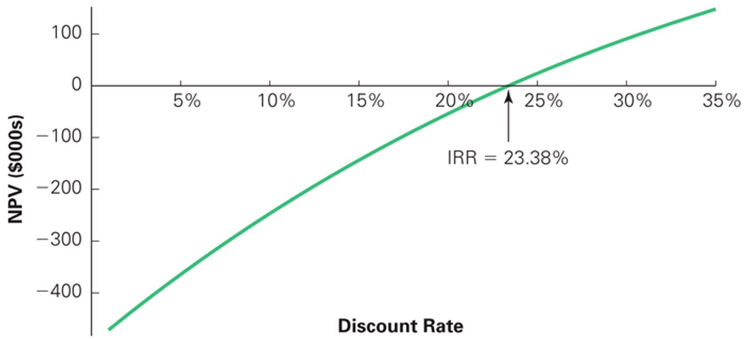

 | Number of periods |  | 3
 | Discount rate |  | 10%

 |  |  | Year
 |  | 0 | 1 | 2 | 3
 | Cost |  | 500000 | 500000 | 500000
 | Benefits | 1000000
 | Cash flows | 1000000 | -500000 | -500000 | -500000

 | PVBenefits | 1000000
 | PVCost | 1243426.00
NPV Rule: |  |  |  |  |  |  | IRR Rule: |  | Use the IRR formula
 | NPV | -243426.00 |  | NPV < 0 |  |  | IRR = | 23.38% |  | IRR > Cost of Capital
Use the NPV formula |  |  |  | We should ….. |  |  | Cost of capital | 10% |  | We should ….

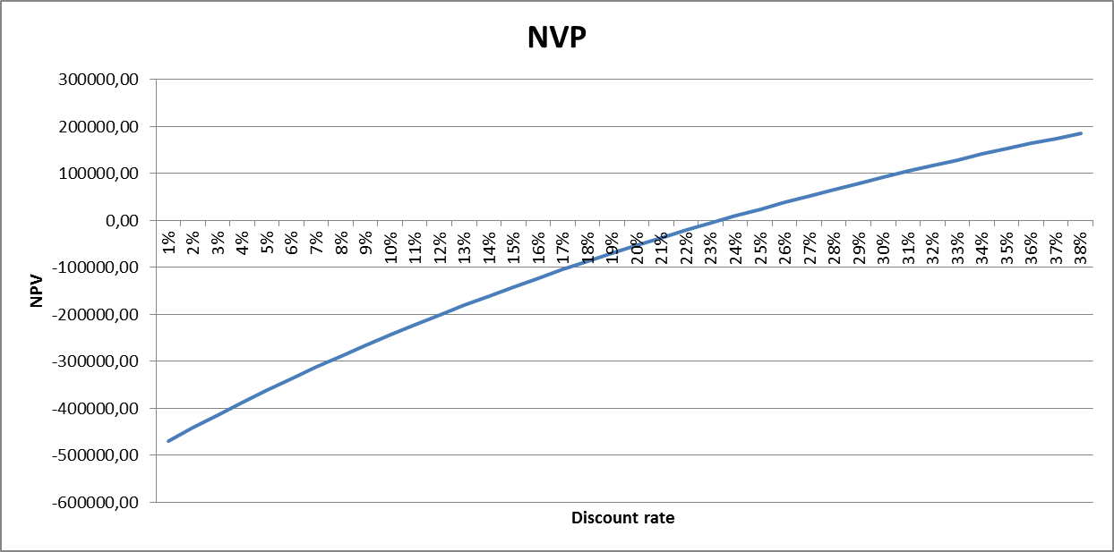
Construct the Chart of the NPV as follows |  |  |  |  |  | The IRR Rule fails.
 | Discount Rate | NPV
 | 1%
 | 2%
 | 3%
 | 4%
 | 5%
 | 6%
 | 7%
 | 8%
 | 9%
 | 10%
 | 11%
 | 12%
 | 13%
 | 14%
 | 15%
 | 16%
 | 17%
 | 18%
 | 19%
 | 20%
 | 21%
 | 22%
 | 23%
 | 24%
 | 25%
 | 26%
 | 27%
 | 28%
 | 29%
 | 30%
 | 31%
 | 32%
 | 33%
 | 34%
 | 35%
 | 36%
 | 37%
 | 38%

