Sheet1
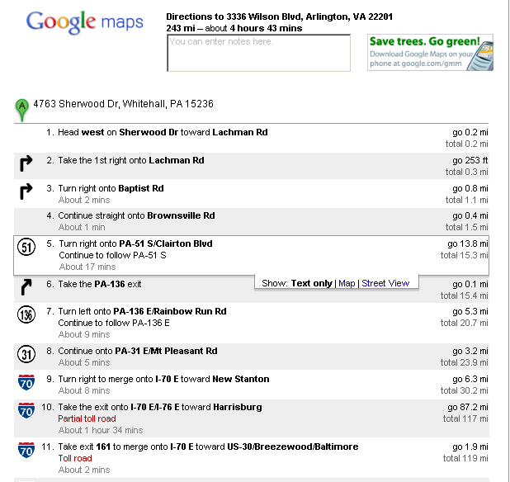
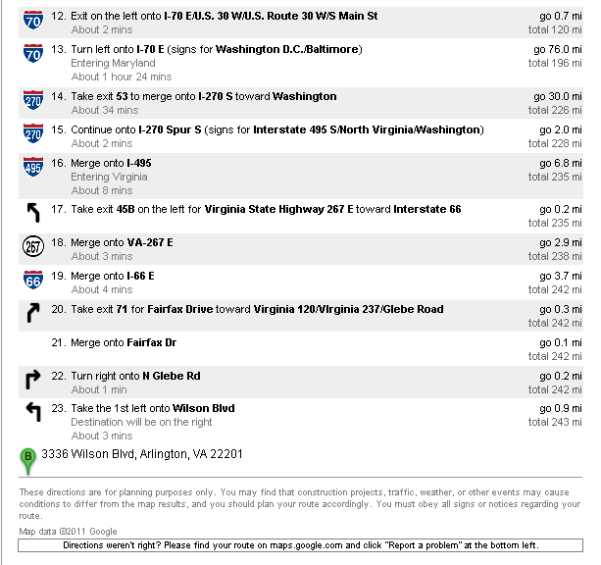
poster printing | 124.12 |  | $
toll | 7.5 |  | $
hotel | 203.85 | (2 nights) | $
total | 335.47 |  | $

mileage | 486 | (both ways) | miles

