Sheet1
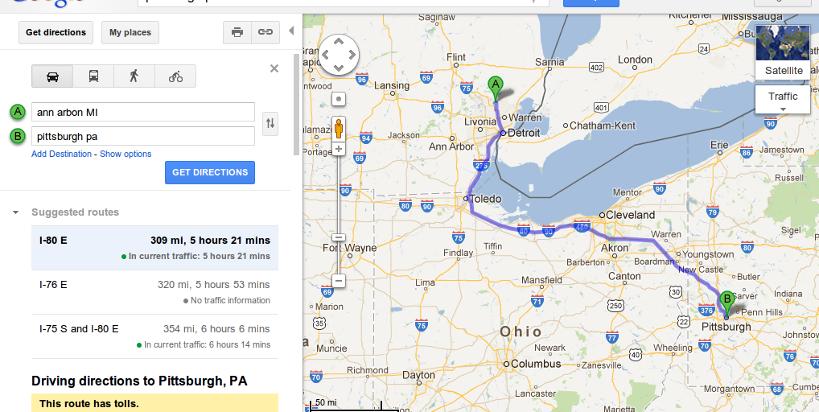
food | 16.49 |  | $
toll | 24 |  | $
gas | 62.63 |  | $
hotel | 461.76 | (4 nights) | $
sub total | 564.88 |  | $

mileage | 708 | (both ways) | miles
 | 354 | @ 0.005$/mile | $/mile
total (with mileage) | 918.88 |  | $

