Sheet1
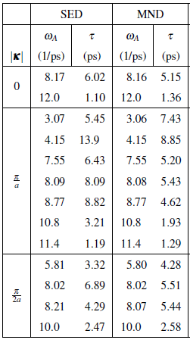
SED | NMD
6.02 | 5.15 | 0 | 0
1.1 | 1.36 | 15 | 15
5.45 | 7.43
13.9 | 8.85
6.43 | 5.2
8.09 | 5.43
8.82 | 4.62
3.21 | 1.93
1.1 | 1.29
3.32 | 4.28
6.89 | 5.51
4.29 | 5.44
2.47 | 2.58

