Sheet2
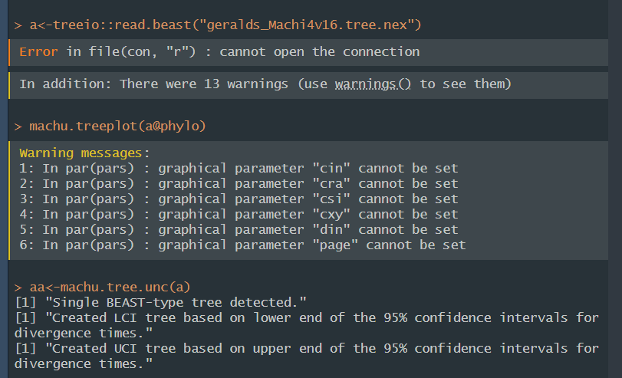
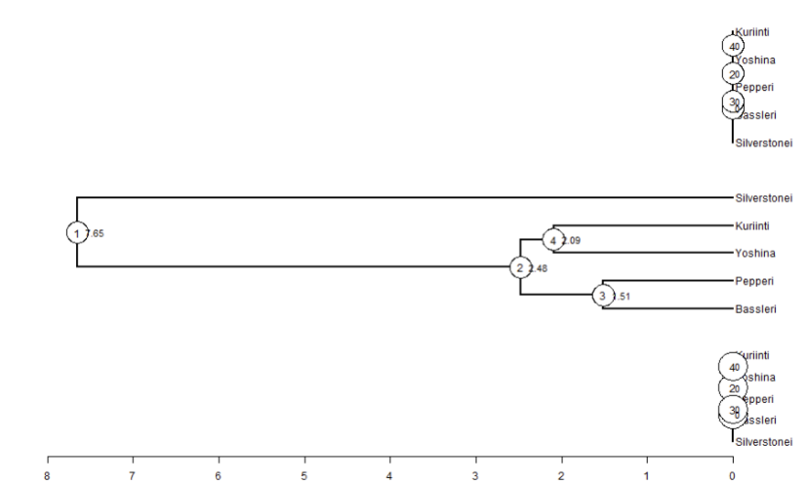
The
Problem

 |  |  |  |  |  |  |  |  |  | Fig A. Branch IDs and Dates
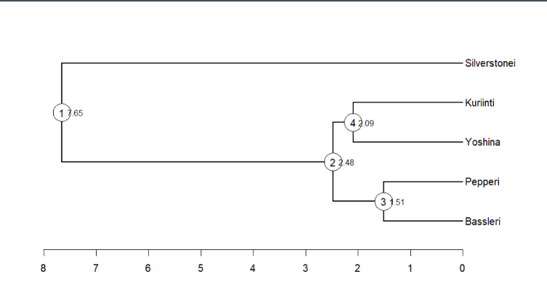

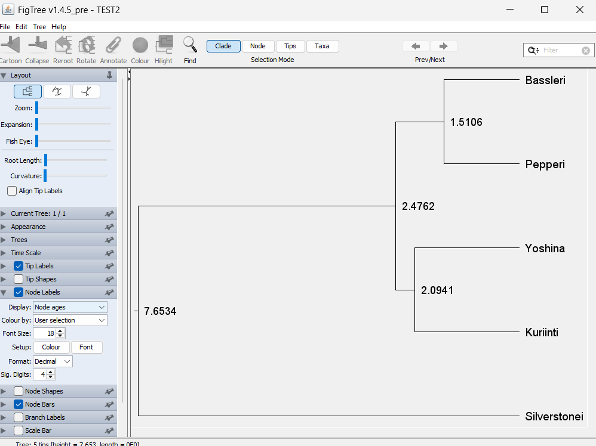
STEP 1 - fill in obvious branches and label each data point by looking at IQ tree
and machu.treeplot() and FigTree with HPD values | 1 | 2 | 3 | 4 | 5 | 6 | 7 | 8 | NOT PRESENT
See Figs A- C (to right) or open treefile to get values | branch 1 to 2 | branch 3 to 2 | pepperi (3) | bassleri (3) | branch 2 to 4 | kuriinti (4) | yoshina (4) | silverstone (1) | branch 2 | Fig B. Time tree in Figtree
output from R "inputtree" edge length | 5.1772206 | 0.9655423 | 1.510637 | 1.510637 | 0.3820743 | 2.0941051 | 2.0941051 | 7.6534
matching data for lower 95% HPD tree - for edge length "lCI tree" |  |  | 1.30373209 | 1.30373209 |  | 1.86806374 | 1.86806374
matching data for upper 95% HPD tree - for edge length "uCI tree" |  |  | 1.7503782 | 1.7503782 |  | 2.347498 | 2.347498

STEP 2 - get hidden value from your tree (e.g. look at IQ tree)
One branch length will not be listed, here it is branch 2. | 1 | 2 | 3 | 4 | 5 | 6 | 7 | 8 | NOT PRESENT
Identify this and label it to match machu.treeplot # | branch 1 to 2 | branch 3 to 2 | pepperi (3) | bassleri (3) | branch 2 to 4 | kuriinti (4) | yoshina (4) | silverstone (1) | branch 2
output from R "inputtree" edge length | 5.1772206 | 0.9655423 | 1.510637 | 1.510637 | 0.3820743 | 2.0941051 | 2.0941051 | 7.6534 | 2.47617938
matching data for lower 95% HPD tree - for edge length "lCI tree" |  |  | 1.30373209 | 1.30373209 |  | 1.86806374 | 1.86806374 | 4.666167 | 2.16444194
matching data for upper 95% HPD tree - for edge length "uCI tree" |  |  | 1.7503782 | 1.7503782 |  | 2.347498 | 2.347498 | 11.373 | 2.83281533

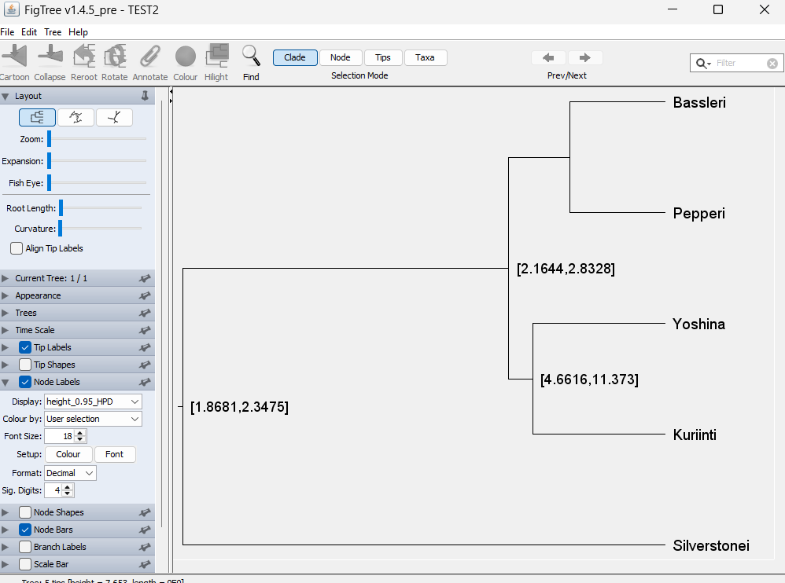
STEP 3 - fill out other branch lengths by using tree figures from | 1 | 2 | 3 | 4 | 5 | 6 | 7 | 8 | NOT PRESENT
machu.treeplot() and FigTree with HPD values | branch 1 to 2 | branch 3 to 2 | pepperi (3) | bassleri (3) | branch 2 to 4 | kuriinti (4) | yoshina (4) | silverstone (1) | branch 2 | Fig C. Time tree in Figtree (CI ranges for upper and lower values)
output from R "inputtree" edge length | 5.1772206 | 0.9655423 | 1.510637 | 1.510637 | 0.3820743 | 2.0941051 | 2.0941051 | 7.6534 | 2.47617938
matching data for lower 95% HPD tree - for edge length "lCI tree" | 2.50172506 | 0.86070985 | 1.30373209 | 1.30373209 | 0.2963782 | 1.86806374 | 1.86806374 | 4.666167 | 2.16444194
matching data for upper 95% HPD tree - for edge length "uCI tree" | 8.54018467 | 1.08243713 | 1.7503782 | 1.7503782 | 0.48531733 | 2.347498 | 2.347498 | 11.373 | 2.83281533

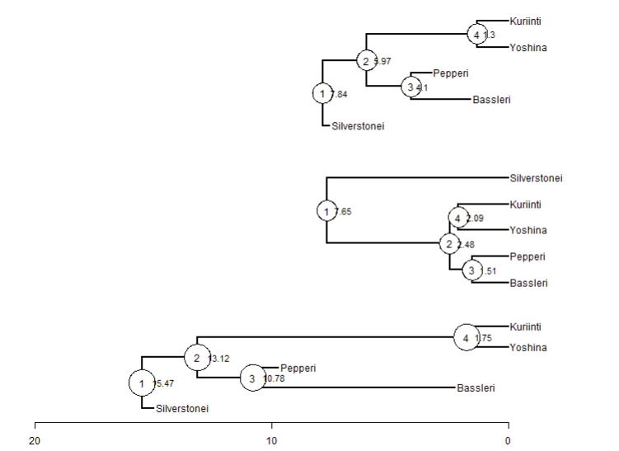
STEP 4 - note the the terminals in upper and lower trees are in a different order, we need to fix that before we assign our values to the upper and lower trees |  |  |  | Fig D. What happens if you don’t properly order the input values
See Fig D (to right)
Go to R and get :TREENAME$inputree$edge

From R | Output Order For Input Tree
[1,] 6 7 | 1
[2,] 7 8 | 2
[3,] 8 1 | 3
[4,] 8 2 | 4
[5,] 7 9 | 5
[6,] 9 3 | 6
[7,] 9 4 | 7
[8,] 6 5 | 8

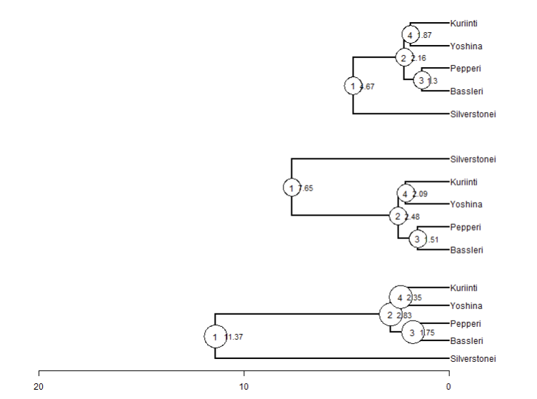
STEP 5- identify tree data order for upper and lower trees
Walk through the pairs and find the matching values "i.e. in row 1: 8 1" from STEP 4 , these numbers are actually the 3rd in the list above. Repeat for all numbers. This is the order that your new numbers need to be stored in R as.
See Fig E (to right) |  | corresponding edge lengths |  |  | Fig. E. Correctly ordered file - from R code below
 |  | e.g. for lCI, from Step 3
Go to R and get: TREENAME$uCItree$edge | REORDER
[1,] 8 1 | 3 | 1.30373209 | 1.7503782
[2,] 8 2 | 4 | 1.30373209 | 1.7503782
[3,] 9 3 | 6 | 1.86806374 | 2.347498
[4,] 9 4 | 7 | 1.86806374 | 2.347498
[5,] 6 5 | 8 | 4.666167 | 11.373
[6,] 6 7 | 1 | 2.50172506 | 8.54018467
[7,] 7 8 | 2 | 0.86070985 | 1.0824371
[8,] 7 9 | 5 | 0.2963782 | 0.48531733

Step 6 - compile R code -

Use this new order for input into your Rcode
aa$lCItree$edge.length<-c(1.30373209,1.30373209,1.86806374,1.86806374,4.666167,2.50172506,0.86070985,0.2963782)
aa$uCItree$edge.length<-c(1.7503782,1.7503782,2.347498,2.347498,11.373,8.54018467,1.08243713,0.48531733)

Code graveyard

