input
Welcome to Your Garden!
Rose | Lisianthus
Carnation | Gardenia

photos
Flower | Flower Pic
Marigold | 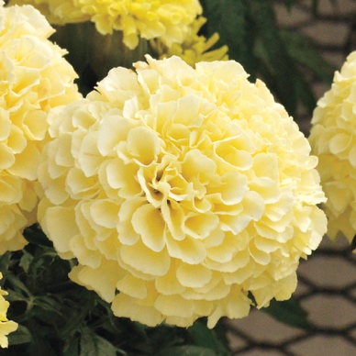
Lilly | 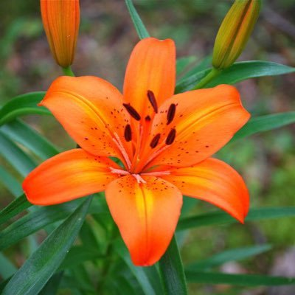 | Marigold
Peony | 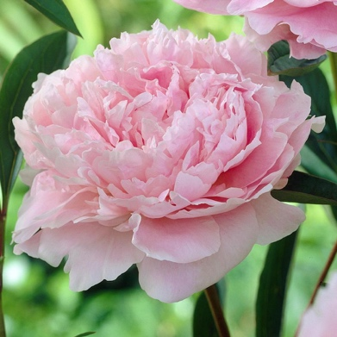 | 0
None

