input
Welcome to Your Garden!
 |  |  | 0
Marigold | Marigold | Marigold | Marigold
Marigold | Peony | None | Marigold

photos
Flower | Flower Pic
Marigold | 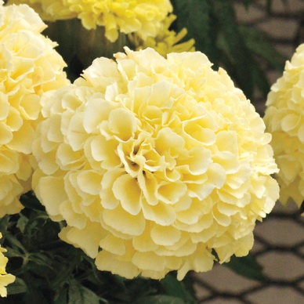
Lilly | 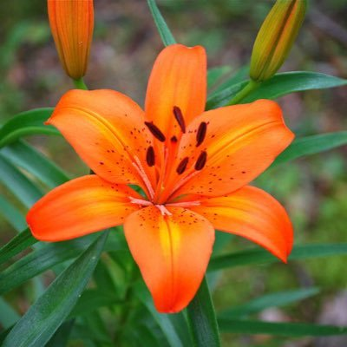 | Marigold
Peony | 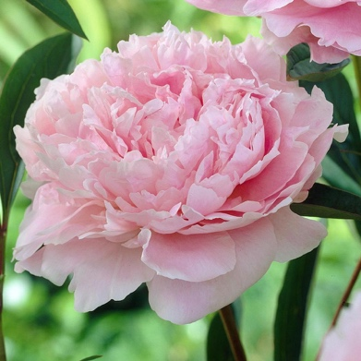 | 0
None

