Sheet1
Zendesk Take Home Assessment TestCase
Ng Yau Chuan Jason

Test Case # | Test Case Description | Test Data | Expected Result | Actual Result | Pass/Fail | OutPut
TC_1.1 | Check name input for player1 and player 2 with invalid data. (No input) | input = "" | An invalid input message will be displayed and the user will be prompted again to enter name. | As Expected | Pass
TC_1.2 | Check name input for player1 and player 2 with invalid data. (Space) | input = " " | An invalid input message will be displayed and the user will be prompted again to enter name. | As Expected | Pass
TC_1.3 | Check name input for player1 and player 2 with valid data. | input = John Doe (player1) input = Michael Doe (player2) | Next part of the program will be executed. Respective player name will be mentioned accordingly. (During turn, win, etc) | As Expected | Pass
TC_2.1 | Check board size input for invalid data. (no input) | input = "" | An invalid input message will be displayed and the user will be prompted again to enter board size. | As Expected | Pass
TC_2.2 | Check board size input for invalid data. (Space) | input = " " | An invalid input message will be displayed and the user will be prompted again to enter board size. | As Expected | Pass
TC_2.3 | Check board size input for invalid data. (non-integer) | input = test | An invalid input message will be displayed and the user will be prompted again to enter board size. | As Expected | Pass
TC_2.4 | Check board size input for invalid data. (non-integer) | input = 3.5 | An invalid input message will be displayed and the user will be prompted again to enter board size. | As Expected | Pass
TC_2.5 | Check board size input for invalid data. (negative integer) | input = -4 | An invalid input message will be displayed and the user will be prompted again to enter board size. | As Expected | Pass
TC_2.6 | Check board size input for invalid data. (invalid integer, win condition is 3 in a row) | input = 2 | An invalid input message will be displayed and the user will be prompted again to enter board size. | As Expected | Pass
TC_2.7 | Check board size input for valid data. | input = 5 | Next part of the program will be executed. TicTacToe board will be generated and displayed. | As Expected | Pass
TC_3.1 | Check box input for invalid data. (no input) | input = "" | An invalid input message will be displayed and the player will be prompted again to enter box to place their symbol. | As Expected | Pass
TC_3.2 | Check box input for invalid data. (Space) | input = " " | An invalid input message will be displayed and the player will be prompted again to enter box to place their symbol. | As Expected | Pass
TC_3.3 | Check box input for invalid data. (non-integer) | input = test | An invalid input message will be displayed and the player will be prompted again to enter box to place their symbol. | As Expected | Pass
TC_3.4 | Check box input for invalid data. (non-integer) | input = 3.5 | An invalid input message will be displayed and the player will be prompted again to enter box to place their symbol. | As Expected | Pass
TC_3.5 | Check box input for invalid data. (negative integer) | input = -4 | An invalid input message will be displayed and the player will be prompted again to enter box to place their symbol. | As Expected | Pass
TC_3.6 | Check box input for invalid data. (values outside the box) | input = 50 | An invalid input message will be displayed and the player will be prompted again to enter box to place their symbol. | As Expected | Pass
TC_3.7 | Check box input for valid data. | input = 13 | Next part of the program will be executed. Next Player's turn | As Expected | Pass | 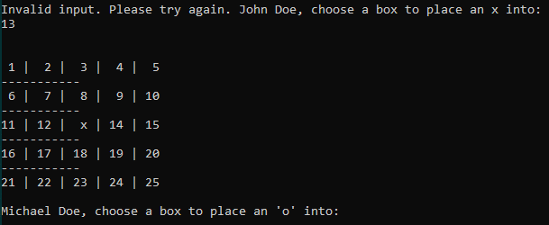
TC_3.8 | Check box input for invalid data. (values that already has a symbol) | input = 13 (After TC_3.7, valid input) | An invalid input message will be displayed and the player will be prompted again to enter box to place their symbol. | As Expected | Pass | 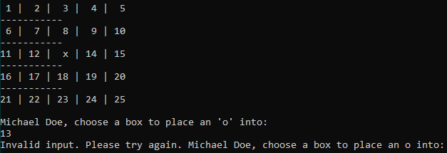
TC_4.1 | 5th turn onwards, check for win with players input. (diagonal win, \, with last input on top left) | input = 1 (Based on above inputs, inputs can vary for same win condition) | Program congratulates and announces winner then prompts if users would like to play again. | As Expected | Pass | 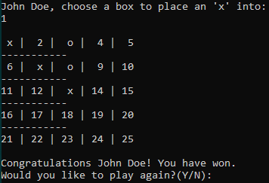
TC_4.2 | 5th turn onwards, check for win with players input. (vertical win, |, with last input on top) | input = 3 (Based on above inputs, inputs can vary for same win condition) | Program congratulates and announces winner then prompts if users would like to play again. | As Expected | Pass | 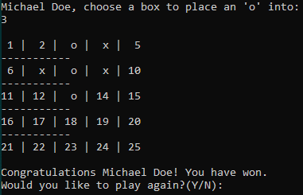
TC_4.3 | 5th turn onwards, check for win with players input. (diagonal win, /, with last input on top right) | input = 5 (Based on above inputs, inputs can vary for same win condition) | Program congratulates and announces winner then prompts if users would like to play again. | As Expected | Pass | 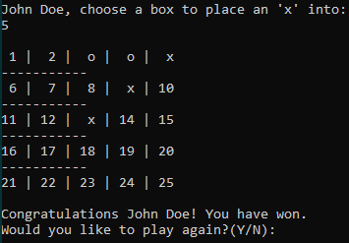
TC_4.4 | 5th turn onwards, check for win with players input. (horizontal win, -, with last input on most right) | input = 15 (Based on above inputs, inputs can vary for same win condition) | Program congratulates and announces winner then prompts if users would like to play again. | As Expected | Pass | 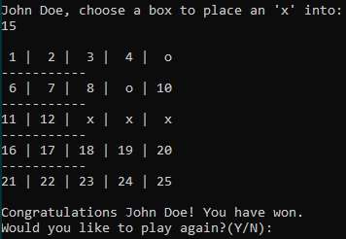
TC_4.5 | 5th turn onwards, check for win with players input. (diagonal win, \, with last input on bottom right) | input = 25 (Based on above inputs, inputs can vary for same win condition) | Program congratulates and announces winner then prompts if users would like to play again. | As Expected | Pass | 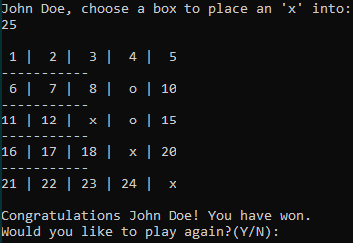
TC_4.6 | 5th turn onwards, check for win with players input. (vertical win, |, with last input on bottom) | input = 23 (Based on above inputs, inputs can vary for same win condition) | Program congratulates and announces winner then prompts if users would like to play again. | As Expected | Pass | 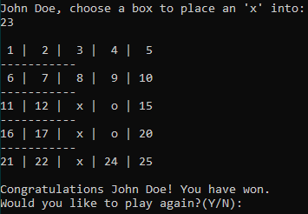
TC_4.7 | 5th turn onwards, check for win with players input. (diagonal win, /, with last input on bottom left) | input = 21 (Based on above inputs, inputs can vary for same win condition) | Program congratulates and announces winner then prompts if users would like to play again. | As Expected | Pass | 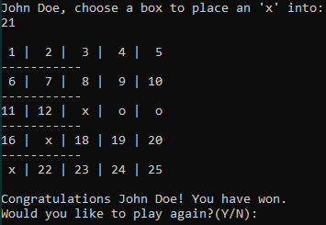
TC_4.8 | 5th turn onwards, check for win with players input. (horizontal win, -, with last input on most left) | input = 11 (Based on above inputs, inputs can vary for same win condition) | Program congratulates and announces winner then prompts if users would like to play again. | As Expected | Pass | 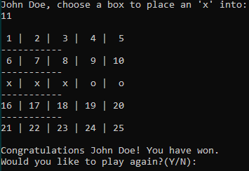
TC_4.9 | 5th turn onwards, check for win with players input. (diagonal win, \, with last input in the middle) | input = 7 (Based on above inputs, inputs can vary for same win condition) | Program congratulates and announces winner then prompts if users would like to play again. | As Expected | Pass | 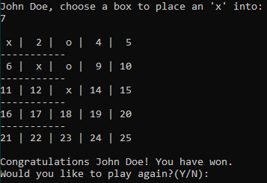
TC_4.10 | 5th turn onwards, check for win with players input. (vertical win, |, with last input in the middle) | input = 8 (Based on above inputs, inputs can vary for same win condition) | Program congratulates and announces winner then prompts if users would like to play again. | As Expected | Pass | 
TC_4.11 | 5th turn onwards, check for win with players input. (diagonal win, /, with last input in the middle) | input = 9 (Based on above inputs, inputs can vary for same win condition) | Program congratulates and announces winner then prompts if users would like to play again. | As Expected | Pass | 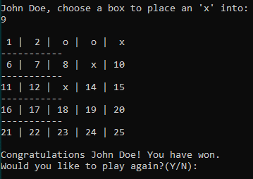
TC_4.12 | 5th turn onwards, check for win with players input. (horizontal win, -, with last input in the middle) | input = 14 (Based on above inputs, inputs can vary for same win condition) | Program congratulates and announces winner then prompts if users would like to play again. | As Expected | Pass | 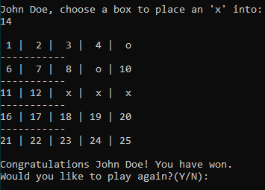
TC_4.13 | On the last turn, check for win and there is no win. | input = 7 (Based on size 3) | Program announces game ends in a draw then prompts if users would like to play again. | As Expected | Pass | 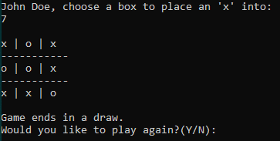
TC_5.1 | Check play again input for invalid input. (Not Y/y/N/n) | input = k | An invalid input message will be displayed and the player will be prompted again to enter if user wants to play again. | As Expected | Pass
TC_5.2 | Check play again input for valid input. | input = Y | Program will activate game again and prompt user to enter board size. | As Expected | Pass
TC_5.3 | Check play again input for valid input. | input = n | Program will exit. | As Expected | Pass

