Sheet1
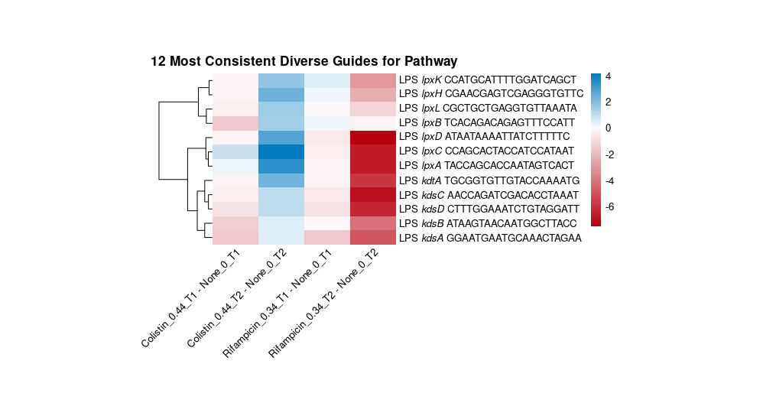
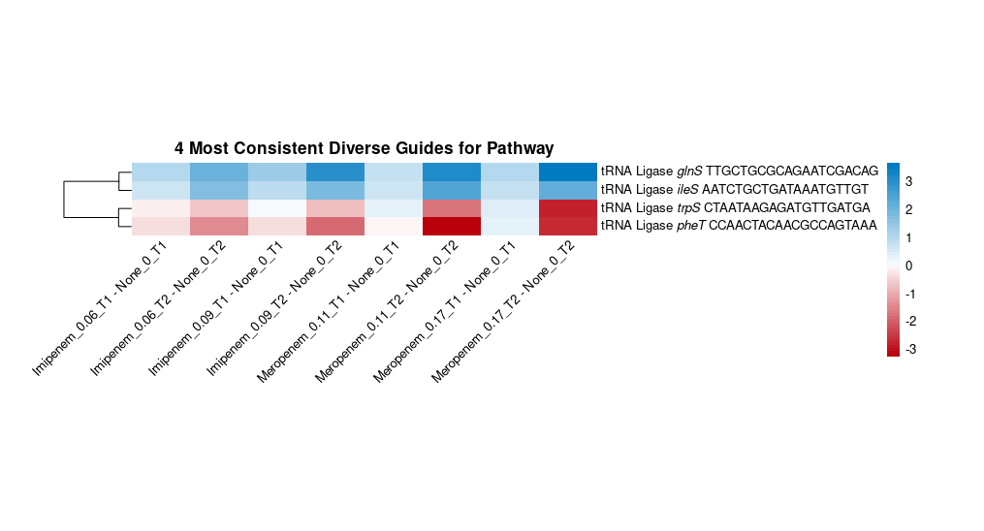
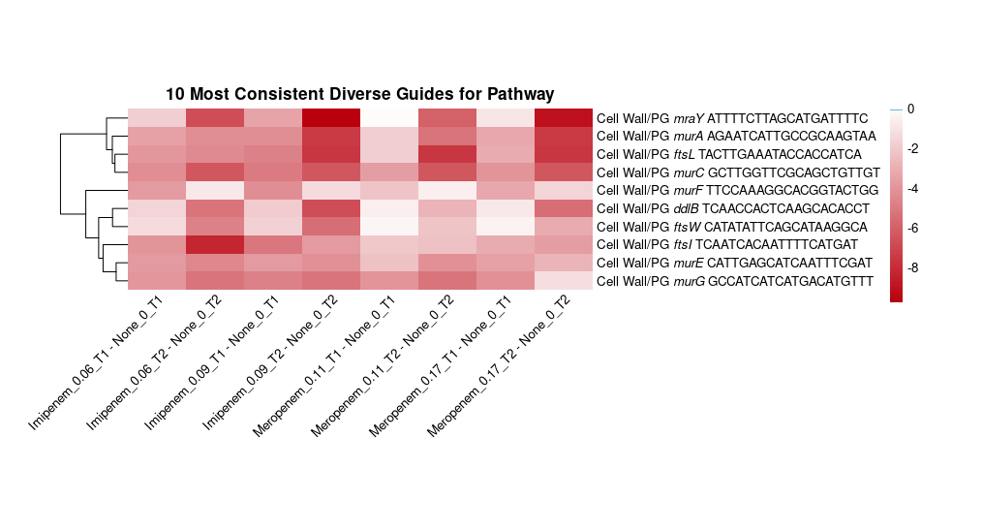
AB030 | unique_name | spacer | medLFC | meanLFC | stdLFC | aggregate_FDR
IX87_12835 | murF | TTCCAAAGGCACGGTACTGG | -1.88 | -2.23 | 1.41 | 1.65E-17
IX87_12830 | mraY | ATTTTCTTAGCATGATTTTC | -4.68 | -4.74 | 3.71 | 9.70E-38
IX87_12840 | murE | CATTGAGCATCAATTTCGAT | -3.80 | -3.64 | 0.78 | 5.82E-29
IX87_13705 | murC | GCTTGGTTCGCAGCTGTTGT | -5.69 | -5.34 | 1.21 | 2.18E-21
IX87_12845 | ftsI | TCAATCACAATTTTCATGAT | -3.68 | -4.04 | 1.96 | 1.02E-32
IX87_12850 | ftsL | TACTTGAAATACCACCATCA | -4.64 | -5.13 | 2.27 | 4.27E-30
IX87_13700 | ddlB | TCAACCACTCAAGCACACCT | -2.35 | -3.12 | 2.38 | 2.10E-29
IX87_13710 | murG | GCCATCATCATGACATGTTT | -4.48 | -4.24 | 1.34 | 1.95E-12
IX87_15785 | ftsW | CATATATTCAGCATAAGGCA | -1.90 | -2.42 | 1.91 | 4.59E-20
IX87_17660 | murA | AGAATCATTGCCGCAAGTAA | -4.31 | -4.69 | 2.00 | 2.49E-28
IX87_18105 | nuoH | CAACACGGTTTGGACCATAA | -1.00 | -2.41 | 4.53 | 7.07E-09
IX87_18120 | nuoK | GGCTCATTAACATAAATAGT | 0.06 | -0.09 | 1.81 | 1.83E-23
IX87_18080 | nuoB | ACAATTTGACGATCTTGCAA | -0.63 | -2.13 | 5.40 | 7.00E-18
IX87_18130 | nuoM | ATACCGAGAGATTGAATCCA | -0.13 | -0.55 | 3.12 | 3.44E-20
IX87_18095 | nuoF | ACCTAATGCTTTTTTAAAGC | -0.50 | -1.23 | 3.95 | 2.64E-19
IX87_02335 | kdsB | ATAAGTAACAATGGCTTACC | -0.71 | -1.27 | 2.03 | 3.82E-05
IX87_02340 | lpxK | CCATGCATTTTGGATCAGCT | 0.12 | -0.22 | 1.97 | 3.56E-12
IX87_04365 | kdsC | AACCAGATCGACACCTAAAT | -0.47 | -1.72 | 3.59 | 7.40E-09
IX87_04370 | kdsD | CTTTGGAAATCTGTAGGATT | -0.73 | -1.68 | 3.16 | 3.63E-15
IX87_06525 | lpxH | CGAACGAGTCGAGGGTGTTC | -0.01 | 0.02 | 1.92 | 0.00035043600438
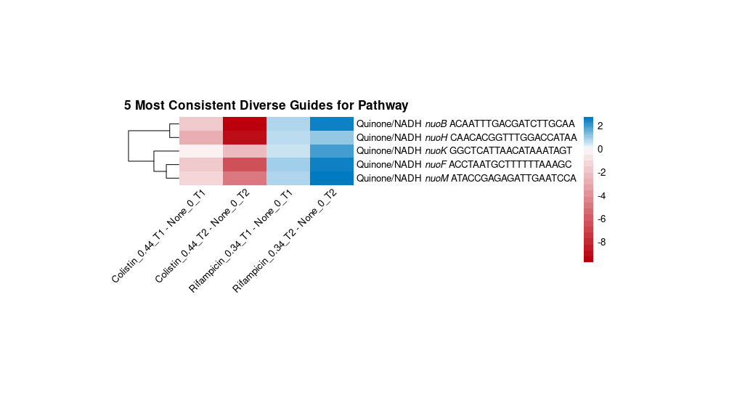
IX87_09555 | lpxL | CGCTGCTGAGGTGTTAAATA | -0.20 | -0.01 | 1.17 | 1.28E-05
IX87_13580 | kdtA | TGCGGTGTTGTACCAAAATG | -0.24 | -0.99 | 3.42 | 3.40E-05
IX87_13680 | lpxC | CCAGCACTACCATCCATAAT | 0.23 | -0.50 | 4.54 | 2.97E-17
IX87_19185 | lpxB | TCACAGACAGAGTTTCCATT | -0.01 | -0.01 | 1.23 | 0.00053278506984
IX87_20945 | kdsA | GGAATGAATGCAAACTAGAA | -1.56 | -1.89 | 2.23 | 1.77E-11
IX87_21620 | lpxA | TACCAGCACCAATAGTCACT | 0.01 | -0.81 | 4.25 | 1.37E-08
IX87_21630 | lpxD | ATAATAAAATTATCTTTTTC | -0.42 | -1.38 | 4.39 | 3.30E-08
IX87_14685 | ileS | AATCTGCTGATAAATGTTGT | 1.32 | 1.37 | 0.71 | 1.09E-51
IX87_06515 | glnS | TTGCTGCGCAGAATCGACAG | 1.71 | 2.00 | 1.13 | 1.50E-47
IX87_10075 | trpS | CTAATAAGAGATGTTGATGA | -0.41 | -0.67 | 1.10 | 0.82639186814
IX87_17510 | pheT | CCAACTACAACGCCAGTAAA | -0.91 | -1.23 | 1.30 | 8.84E-05
control | control | AATATCCTTAAAAAACCAGA | 0.09 | 0.08 | 0.09 | 0.95365013818
control | control | CTACCTGTATAACAATTTGA | 0.04 | 0.06 | 0.10 | 0.98595480667
control | control | AATCATAGTTAACTCTTAAC | 0.00 | 0.03 | 0.12 | 0.99661533119
control | control | TAGACCAATTCAAATACATA | 0.05 | 0.02 | 0.13 | 0.99642498304

