Stock Overview
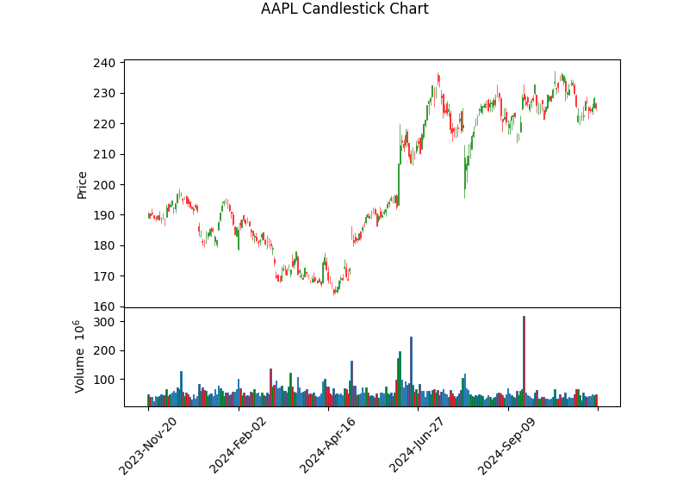
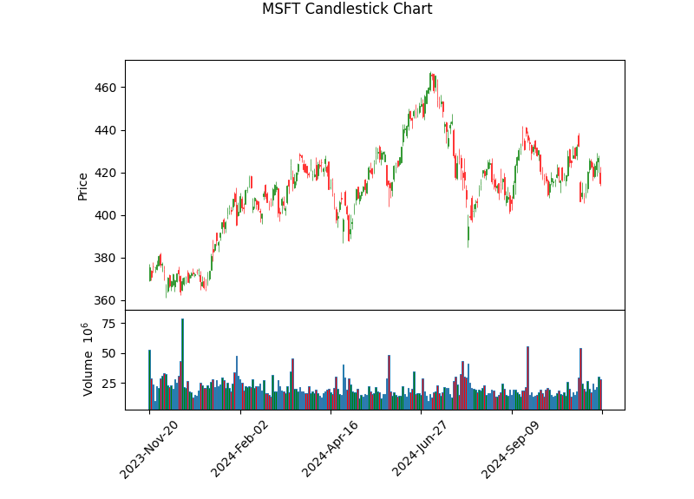
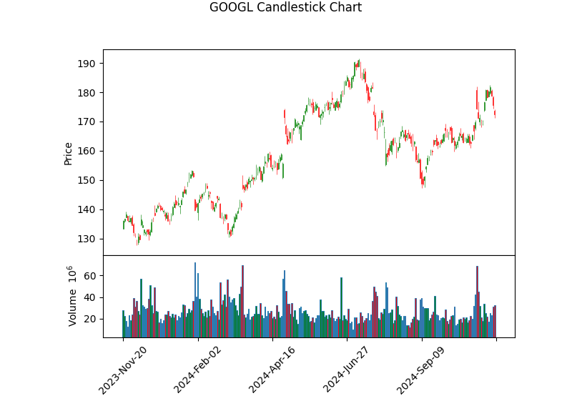
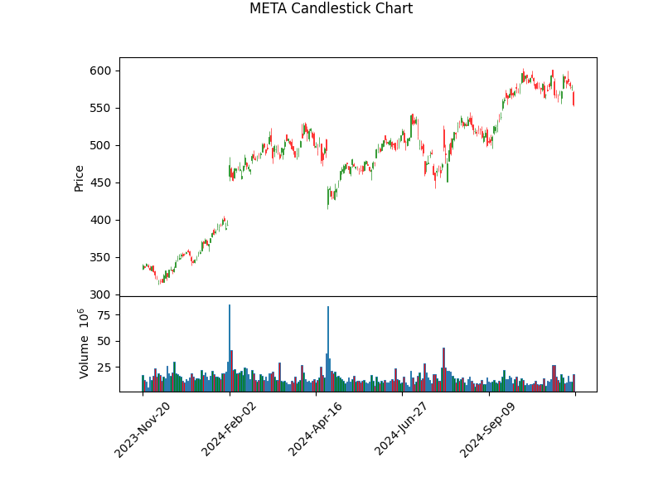
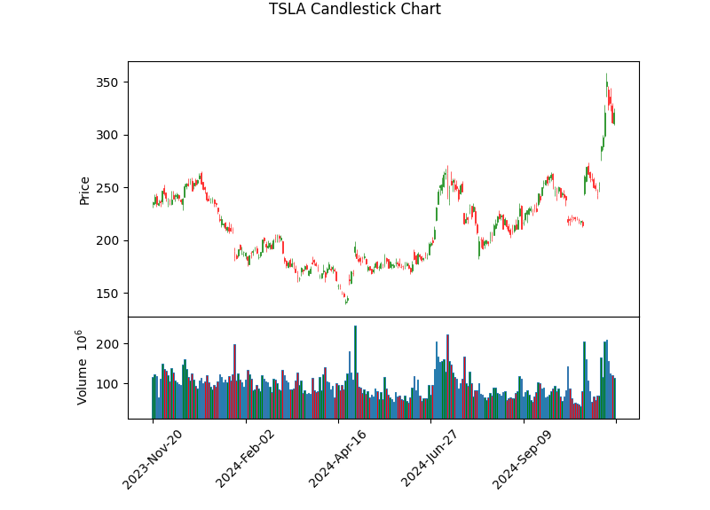
Stock Symbol | Company Name | Sector | Industry | Market Cap | P/E Ratio | PEG Ratio | EPS | Beta | Revenue Growth (%) | Debt-to-Equity | Free Cash Flow | Current Price | Price 3 Months Ago | Price 6 Months Ago | Price 1 Year Ago | % Change (3M) | % Change (6M) | % Change (1Y) | Dividend Yield (%) | Payout Ratio | Sentiment Score | Intrinsic Value | Fair Value | Volatility | Max Drawdown | Sharpe Ratio | MA Crossover
AAPL | Apple Inc. | Technology | Consumer Electronics | $3,401,054,945,280 | 37.00658 | N/A | 6.08 | 1.24 | 6.1 | 209.059 | $110,846,001,152 | $225.00 | $226.26 | $190.61 | $190.52 | -0.56 | 18.04 | 18.1 | 0.44 | 0.16 | 0.07 | $2077224545454.55 | $2077224545454.55 | 0.2261 | -0.1661 | 0.857 | Golden Cross
MSFT | Microsoft Corporation | Technology | Software - Infrastructure | $3,085,475,250,176 | 34.240925 | N/A | 12.12 | 0.904 | 16 | 33.657 | $61,280,874,496 | $415.00 | $424.80 | $424.57 | $375.39 | -2.31 | -2.26 | 10.55 | 0.8 | 0.25 | 0.17 | $1414082727272.73 | $1414082727272.73 | 0.1963 | -0.1549 | 0.6157 | Golden Cross
GOOGL | Alphabet Inc. | Communication Services | Internet Content & Information | $2,119,194,902,528 | 22.87666 | N/A | 7.54 | 1.034 | 15.1 | 9.324 | $41,104,498,688 | $172.49 | $166.96 | $176.48 | $135.91 | 3.31 | -2.26 | 26.91 | 0.46 | 0.05 | 0.07 | $1326722727272.73 | $1326722727272.73 | 0.2666 | -0.2214 | 1.0376 | Golden Cross
META | Meta Platforms, Inc. | Communication Services | Internet Content & Information | $1,398,769,451,008 | 26.172888 | N/A | 21.17 | 1.215 | 18.9 | 29.811 | $39,083,376,640 | $554.08 | $526.23 | $467.93 | $338.95 | 5.29 | 18.41 | 63.47 | 0.36 | 0.07 | 0.17 | $837079090909.09 | $837079090909.09 | 0.3643 | -0.1843 | 1.5428 | Golden Cross
TSLA | Tesla, Inc. | Consumer Cyclical | Auto Manufacturers | $1,029,530,451,968 | 87.62841 | N/A | 3.66 | 2.295 | 7.8 | 18.078 | $676,625,024 | $320.72 | $221.10 | $174.95 | $235.60 | 45.06 | 83.32 | 36.13 | N/A | N/A | 0.12 | $83179090909.09 | $83179090909.09 | 0.6133 | -0.4567 | 0.8076 | Golden Cross

