Stock Overview
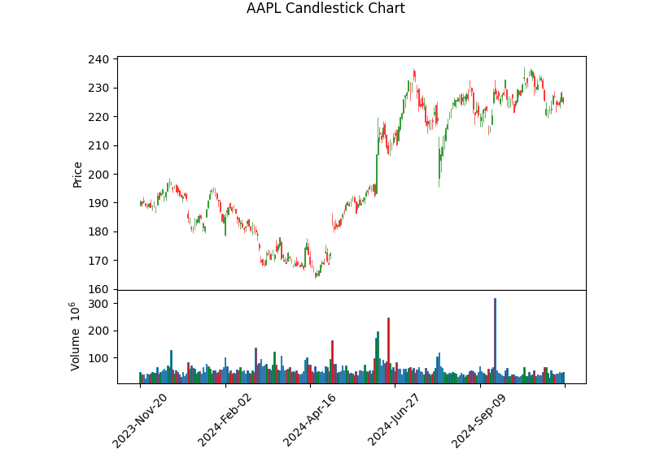
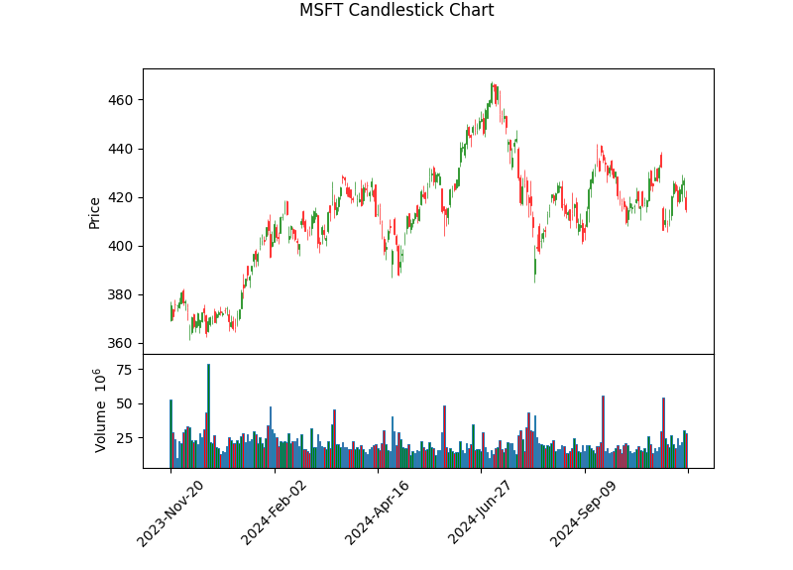
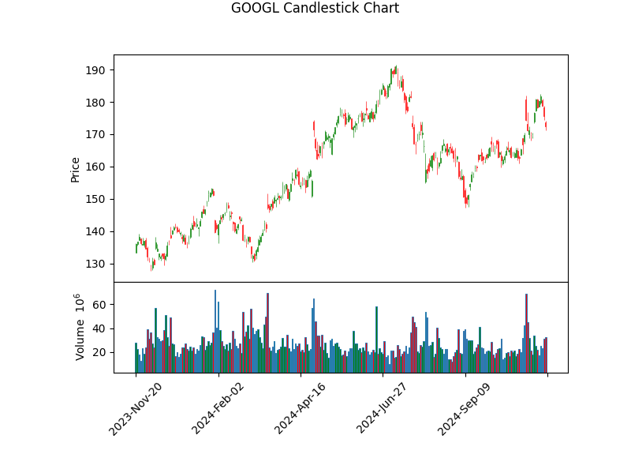
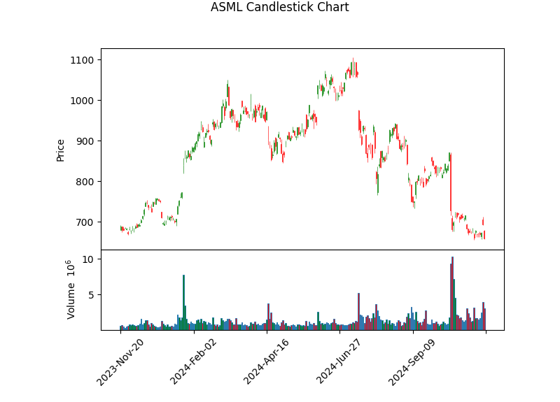
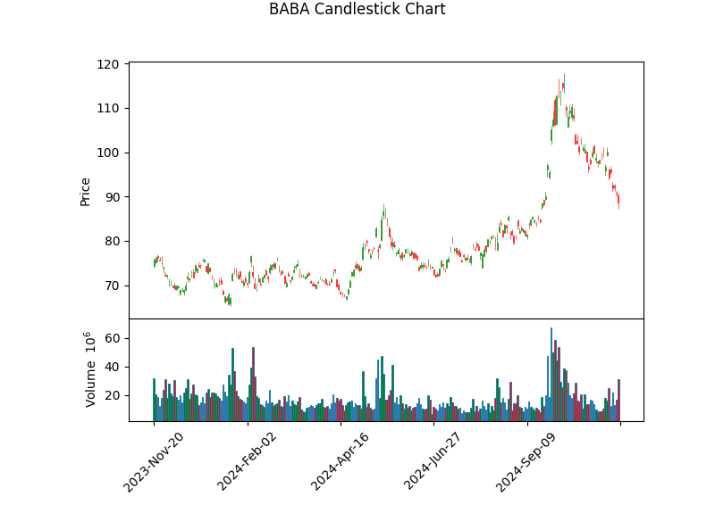
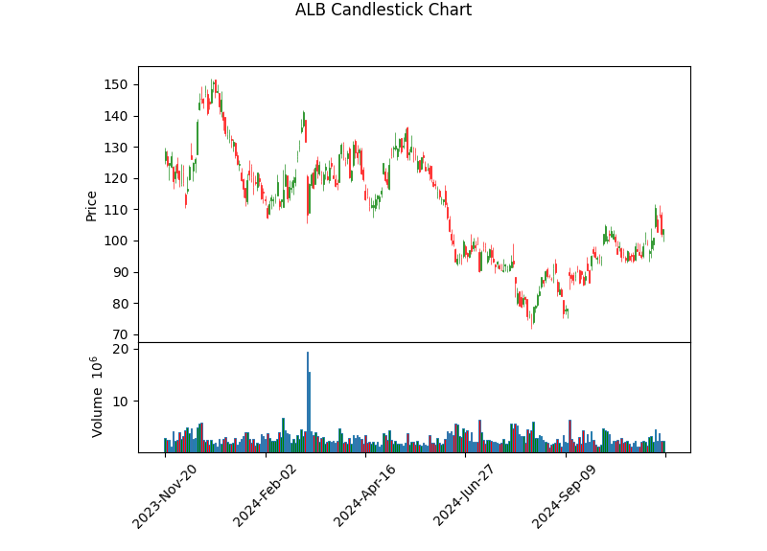
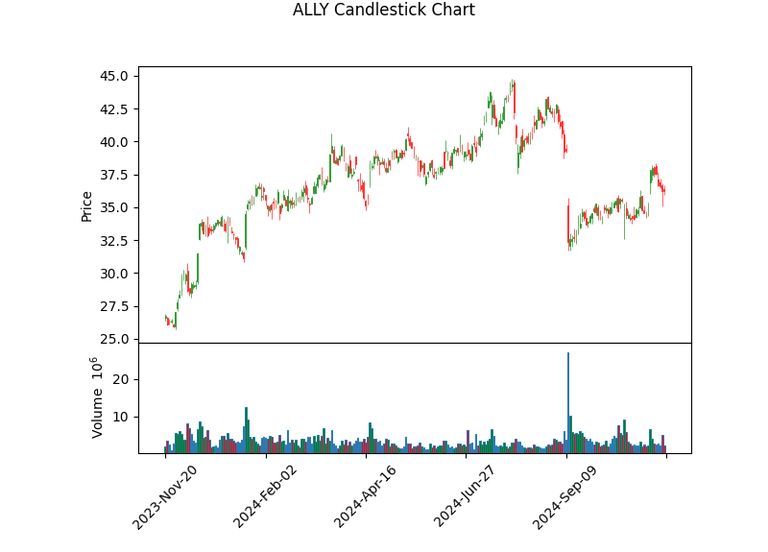
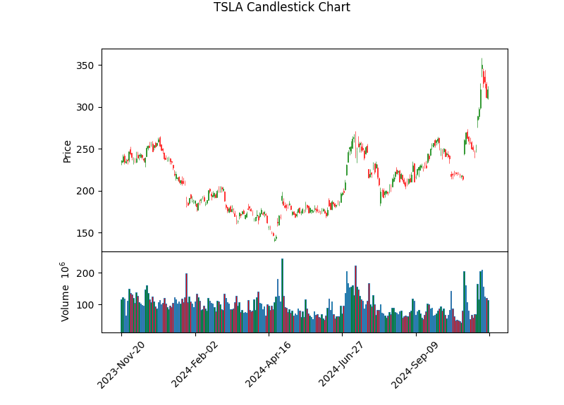
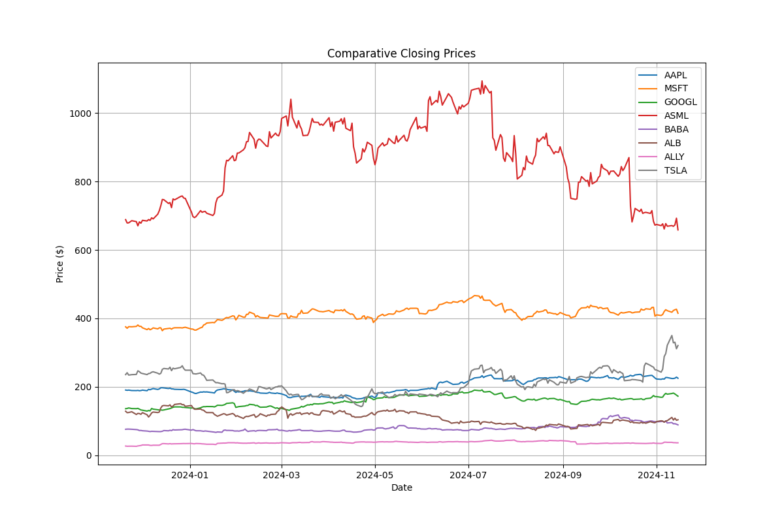
Stock Symbol | Company Name | Sector | Industry | Market Cap | P/E Ratio | PEG Ratio | EPS | Beta | Revenue Growth (%) | Debt-to-Equity | Free Cash Flow | Current Price | Price 3 Months Ago | Price 6 Months Ago | Price 1 Year Ago | % Change (3M) | % Change (6M) | % Change (1Y) | Dividend Yield (%) | Payout Ratio | Sentiment Score | Intrinsic Value | Fair Value | Volatility | Max Drawdown | Sharpe Ratio | MA Crossover
AAPL | Apple Inc. | Technology | Consumer Electronics | $3,401,054,945,280 | 37.00658 | N/A | 6.08 | 1.24 | 6.1 | 209.059 | $110,846,001,152 | $225.00 | $226.26 | $190.61 | $190.52 | -0.56 | 18.04 | 18.1 | 0.44 | 0.16 | 0.07 | $2077224545454.55 | $2077224545454.55 | 0.2261 | -0.1661 | 0.857 | Golden Cross
MSFT | Microsoft Corporation | Technology | Software - Infrastructure | $3,085,475,250,176 | 34.240925 | N/A | 12.12 | 0.904 | 16 | 33.657 | $61,280,874,496 | $415.00 | $424.80 | $424.57 | $375.39 | -2.31 | -2.26 | 10.55 | 0.8 | 0.25 | 0.17 | $1414082727272.73 | $1414082727272.73 | 0.1963 | -0.1549 | 0.6157 | Golden Cross
GOOGL | Alphabet Inc. | Communication Services | Internet Content & Information | $2,119,194,902,528 | 22.87666 | N/A | 7.54 | 1.034 | 15.1 | 9.324 | $41,104,498,688 | $172.49 | $166.96 | $176.48 | $135.91 | 3.31 | -2.26 | 26.91 | 0.46 | 0.05 | 0.07 | $1326722727272.73 | $1326722727272.73 | 0.2666 | -0.2214 | 1.0376 | Golden Cross
ASML | ASML Holding N.V. | Technology | Semiconductor Equipment & Materials | $278,961,422,336 | 35.582386 | N/A | 18.51 | 1.104 | 11.9 | 29.051 | $524,100,000 | $658.63 | $924.02 | $935.51 | $688.77 | -28.72 | -29.6 | -4.38 | 1.03 | 0.35 | 0.03 | $61992000000.00 | $61992000000.00 | 0.4518 | -0.3982 | 0.1297 | Death Cross
BABA | Alibaba Group Holding Limited | Consumer Cyclical | Internet Retail | $214,419,685,376 | 22.950777 | N/A | 3.86 | 0.349 | 3.9 | 22.796 | $142,874,492,928 | $88.59 | $81.04 | $86.40 | $75.77 | 9.32 | 2.53 | 16.92 | 2.21 | 0.51 | 0.06 | $2857221818181.82 | $2857221818181.82 | 0.3668 | -0.2462 | 0.6125 | Golden Cross
ALB | Albemarle Corporation | Basic Materials | Specialty Chemicals | $12,168,915,968 | N/A | N/A | -16.76 | 1.551 | -41.4 | 35.334 | $-1,791,566,336 | $103.53 | $83.83 | $129.08 | $128.50 | 23.49 | -19.79 | -19.43 | 1.56 | 0.58 | 0.11 | $-15730145454.55 | $-15730145454.55 | 0.5913 | -0.5186 | -0.074 | Death Cross
ALLY | Ally Financial Inc. | Financial Services | Credit Services | $11,036,777,472 | 14.488001 | N/A | 2.5 | 1.389 | -0.8 | N/A | N/A | $36.22 | $41.68 | $38.84 | $26.78 | -13.1 | -6.75 | 35.26 | 3.31 | 0.48 | 0.02 | $36349090909.09 | $36349090909.09 | 0.3653 | -0.2693 | 1.0228 | Death Cross
TSLA | Tesla, Inc. | Consumer Cyclical | Auto Manufacturers | $1,029,530,451,968 | 87.62841 | N/A | 3.66 | 2.295 | 7.8 | 18.078 | $676,625,024 | $320.72 | $221.10 | $174.95 | $235.60 | 45.06 | 83.32 | 36.13 | N/A | N/A | 0.12 | $83179090909.09 | $83179090909.09 | 0.6133 | -0.4567 | 0.8076 | Golden Cross

