tbl_SCM_materials
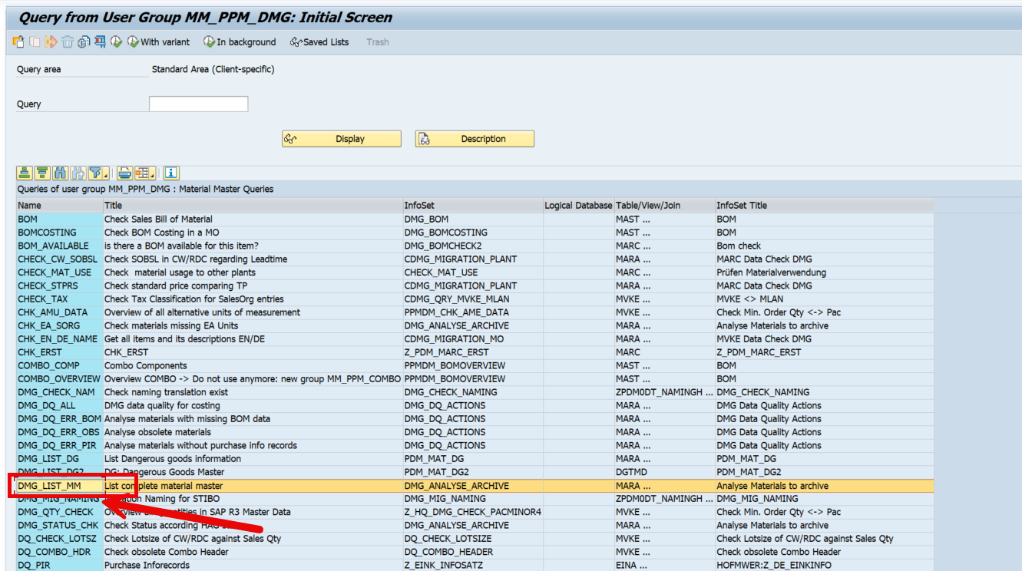
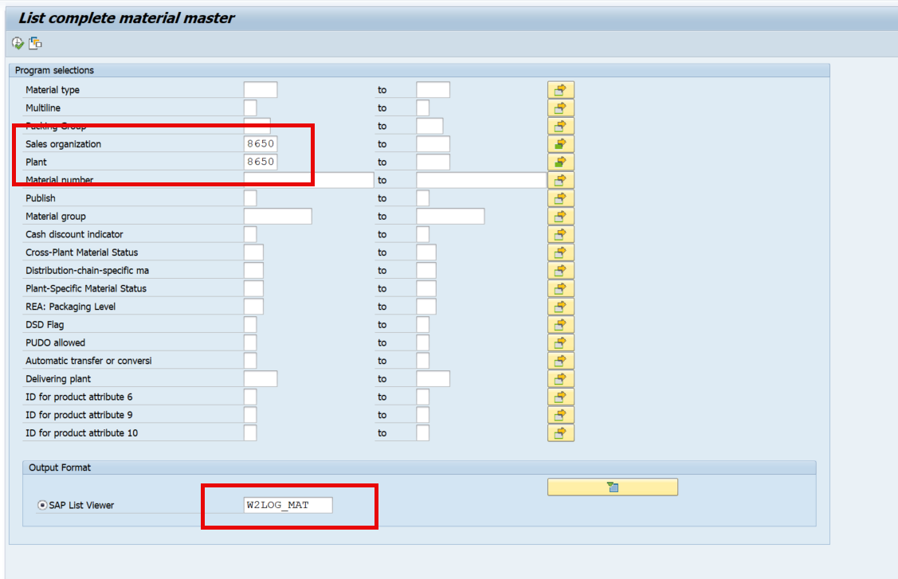
 | SAP Parameters | CL | AR | MX | BR
 | Sales Organization | 8650 | 8750 | 3000 | 8300
 | Plant | 8650-8663-8655-8658-8662 | 8750-8760 | 3000-3010-3014-3016-3018-3022-3002 | 8330
 | View | W2LOG_MAT | W2LOG_MAT | W2LOG_MAT | W2LOG_MAT
 | Trasaction | /nZSQ01 | /nZSQ01 | /nZSQ01 | /nZSQ01
 | Group | MM_PPM_DMG | MM_PPM_DMG | MM_PPM_DMG | MM_PPM_DMG
 | Query | DMG_LIST_MM | DMG_LIST_MM | DMG_LIST_MM | DMG_LIST_MM
 |  |  |  |  |  |  |  |  |  |  |  |  |  |  |  |  |  |  |  |  |  |  |  |  |  |  |  |  |  | calculated field | calculated field2
Table | 1 | 2 | 3 | 4 | 5 | 6 | 7 | 8 | 9 | 10 | 11 | 12 | 13 | 14 | 15 | 16 | 17 | 18 | 19 | 20 | 21 | 22 | 23 | 24 | 25 | 26 | 27 | 28 | 29 | 30 | 31
Name in SAP | SOrg. | Plnt | Material | Material number | X-Plant Material Status | MS | Gross weight | WUn | Spart | ValidFrom | Min.order qty | BUn | Orig | Web | FM rel. | Av | PGr | GRT | Typ | MRPCn | Min.lot size | BUn | SPT | PDT | TABCD | XYZ | Pl | Safety Stock | BUn | Origem | Key_Material
Name | Sales_organization | Plant | Material | Material_description | Material_status_1 | Material_status_2 | Gross_weight | Weight_unit | Spare_part | Valid_from | Min_order_qty | Bun_1 | Origen | Web_enable | FM_relevant | Av_check | Purchasing_group | GRT | MRP_type | MRP_controller | Min_lot_size | Bun_2 | SPT | PDT | TABCD | XYZ | Flag_deletation | Safety_stock | Bun_3 | Origen_2 | Key_material

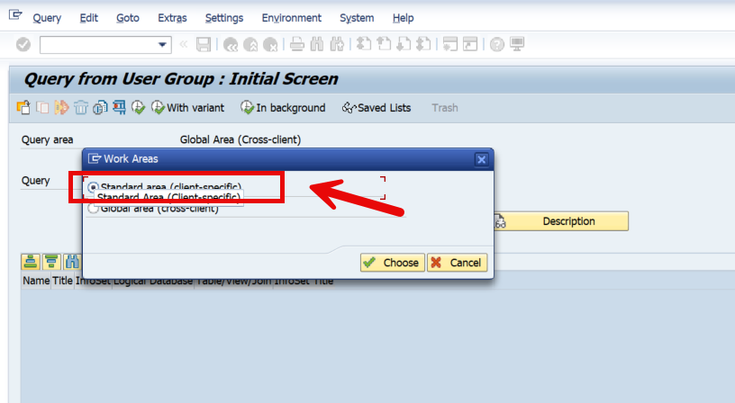

 |  |  |  |  |  |  | 8650 |  | 5241
 |  |  |  |  |  |  | 8750 |  | 5211
 |  |  |  |  |  |  | 3000 |  | 5251
 |  |  |  |  |  |  | 8300 |  | 5221
 |  |  |  |  |  |  |  |  | /nZSQ01
 |  |  |  |  |  |  | 8650
 |  |  |  |  |  |  | 8750 |  | 8650
 |  |  |  |  |  |  | 3000 |  | 8750
 |  |  |  |  |  |  | 8330 |  | 3000
 |  |  |  |  |  |  |  |  | 8330
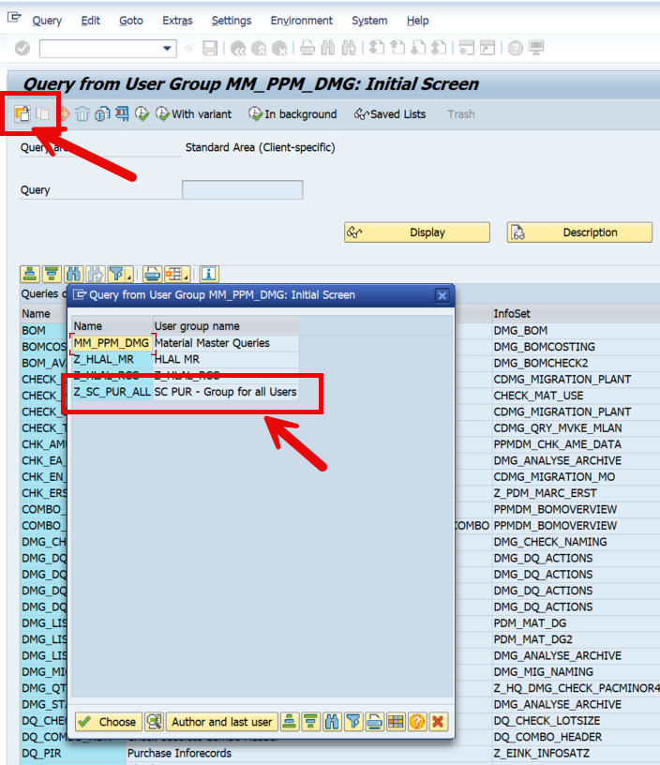
 |  |  |  |  |  |  |  |  | W2LOG_MAT
 |  |  |  |  |  |  | C:\Users\sepujas\Documents\dev-projects\mat2\01_source_files\ |  | vba_material_mocl.vbs
 |  |  |  |  |  |  | tbl_material_8650.txt |  | C:\Users\sepujas\Dev\mat2\references\vba
 |  |  |  |  |  |  | tbl_material_8750.txt |  | c:\Users\sepujas\Dev\mat2\data\raw
 |  |  |  |  |  |  | tbl_material_3000.txt |  | tbl_material_mocl.txt
 |  |  |  |  |  |  | tbl_material_8300.txt

tbl_SCM_MOB52
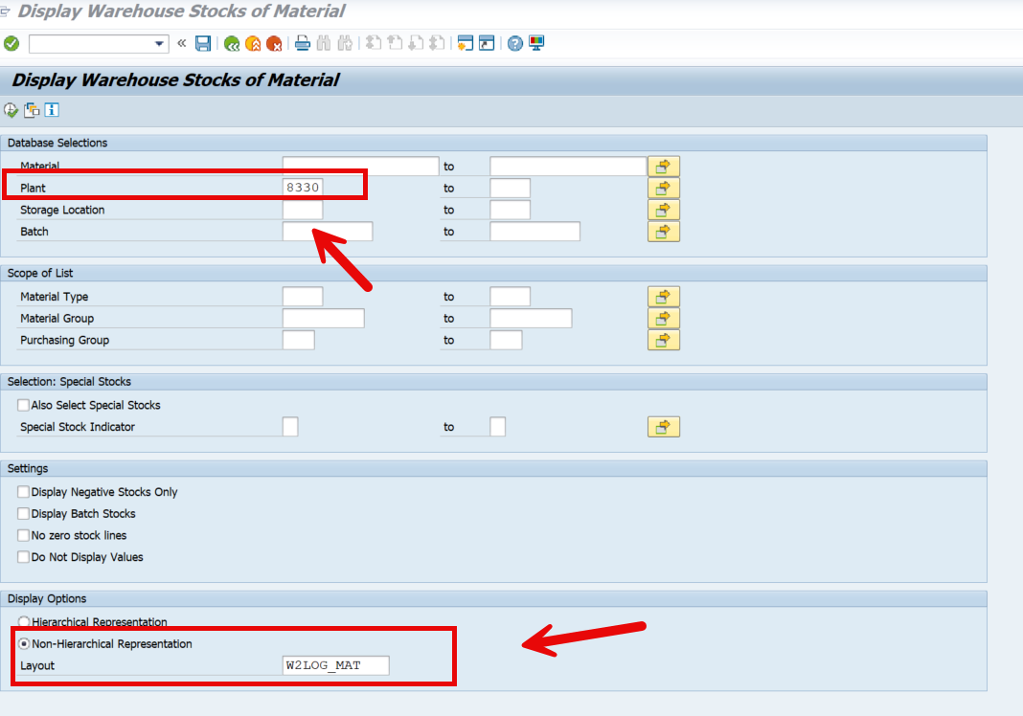
 | SAP Parameters | CL | AR | MX | BR
 | Sales Organization | 8650 | 8750 | 3000 | 8300
 | Plant | 8650-8663-8655-8658-8662 | 8750-8760 | 3000-3010-3014-3016-3018-3022-3002 | 8330
 | View | W2LOG_MAT | W2LOG_MAT | W2LOG_MAT | W2LOG_MAT
 | Trasaction | /nMB52 | /nMB52 | /nMB52 | /nMB52
 | Report

 |  |  |  |  |  |  |  |  |  |  |  |  |  | calculated field | calculated field2
Table | 1 | 2 | 3 | 4 | 5 | 6 | 7 | 8 | 9 | 10 | 11 | 12 | 13 | 14 | 15
Name in SAP | Material | Material Description | Storage location | DF stor. loc. level | Plant | Base Unit of Measure | Unrestricted | Transit and Transfer | Blocked | Quality Inspection | Restricted-Use Stock | Returns | Stock in Transit | Sorg | Key_Material
Name | Material | Material_description | Sloc | SL | Plant | Bun | Stock_on_hand | TT | Blocked | Quality_Inspection | Restricted_use | Returns | Stock_in_transit | Sales_Organization | Key_material

tbl_SCM_ZBO2CS
 | SAP Parameters | CL | AR | MX | BR
 | Sales Organization | 8650 | 8750 | 3000 | 8300
 | Plant | 8650-8663-8655-8658-8662 | 8750-8760 | 3000-3010-3014-3016-3018-3022-3002 | 8330
 | View | W2LOG_MAT | W2LOG_MAT | W2LOG_MAT | W2LOG_MAT
 | Trasaction | /nZBO2CS | /nZBO2CS | /nZBO2CS | /nZBO2CS

 |  |  |  |  |  |  |  |  |  |  |  |  |  |  |  |  |  |  |  |  |  |  |  |  |  |  |  |  |  |  |  |  |  |  | calculated field
Table | 1 | 2 | 3 | 4 | 5 | 6 | 7 | 8 | 9 | 10 | 11 | 12 | 13 | 14 | 15 | 16 | 17 | 18 | 19 | 20 | 21 | 22 | 23 | 24 | 25 | 26 | 27 | 28 | 29 | 30 | 31 | 32 | 33 | 34 | 34
Name in SAP | Sales Organization | Sales Document Type | Sales document | Sold-to Party | Name 1 | Ship-to Party | Name 1 | Customer Loyalty | Focus Customer | Territory | Created on | MRP Type | Material | Order Quantity | Corr.qty | Confirmed Quantity | Sales unit | BO value | Document Currency | initial requested date | promised date | Material Avail. Date | Delivery Date | Delivery Status | Delivery block | backorder status | Backorder | BO status changed | Goods Movement Sts | unconfirmed | Description p. group | Shipping Conditions | Route | Requested Deliv. Date | Key_Material
Name | Sales_organization | Sales_doc_type | Sales_document | Sold-to | Sold-to_name | Ship-to | Ship-to_name | Cust_loyalty | Focus_cust | Territory | Created_on | MRP_type | Material | Order_qty | Corr_qty | Confirmed_qty | Sales_unit | BO_value | Document_Currency | initial_requested_date | promised_date | Material_Avail._Date | Delivery_Date | Delivery_Status | Delivery_block | backorder_status | Backorder | BO_status_changed | Goods_Movement_Sts | unconfirmed | Description_p_group | Shipping_Conditions | Route | Requested_Deliv_Date | Key_material

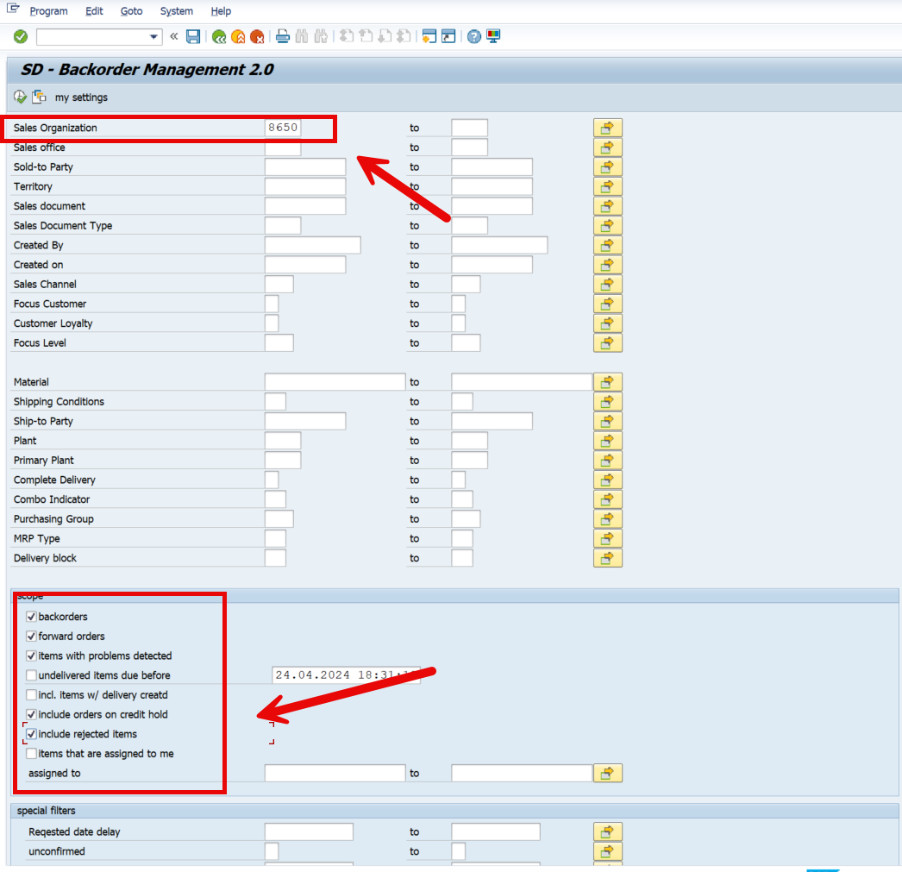

 |  |  |  |  | Comments
 |  |  |  |  | MOCL | Exluir la ZRO de la columna B del reporte de back order
 |  |  |  |  | Para el resto de los mercados mantener

 |  |  |  | MOBR | Si esta bloqueada | agregar desciption
 |  |  |  |  | Delivery block
 |  |  |  |  | backorder status

 |  |  |  |  |  |  | C:\Users\sepujas\Documents\dev-projects\mat2\01_source_files\
 |  |  |  |  |  |  | tbl_bo2cs.txt
 |  |  |  |  |  |  | script_bo2cs.vbs

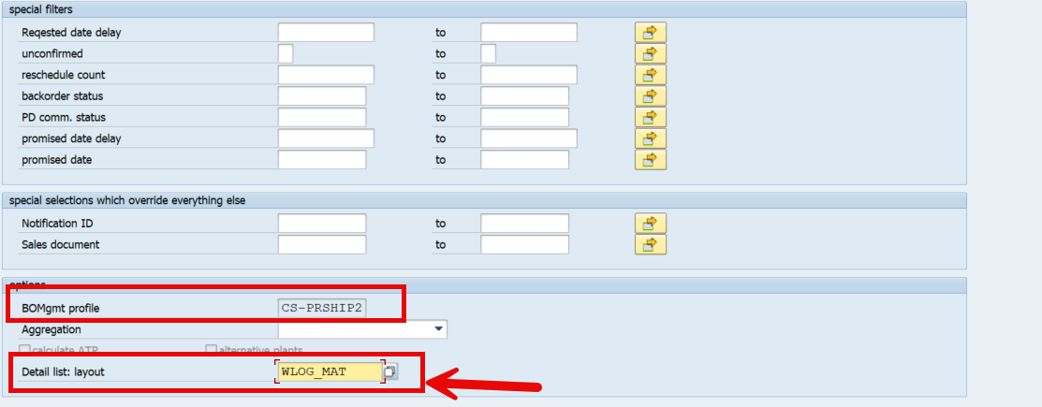
 |  |  |  |  |  |  | 8750
 |  |  |  |  |  |  | 8300
 |  |  |  |  |  |  | 8650
 |  |  |  |  |  |  | 3000

tbl_SCM_VL06O
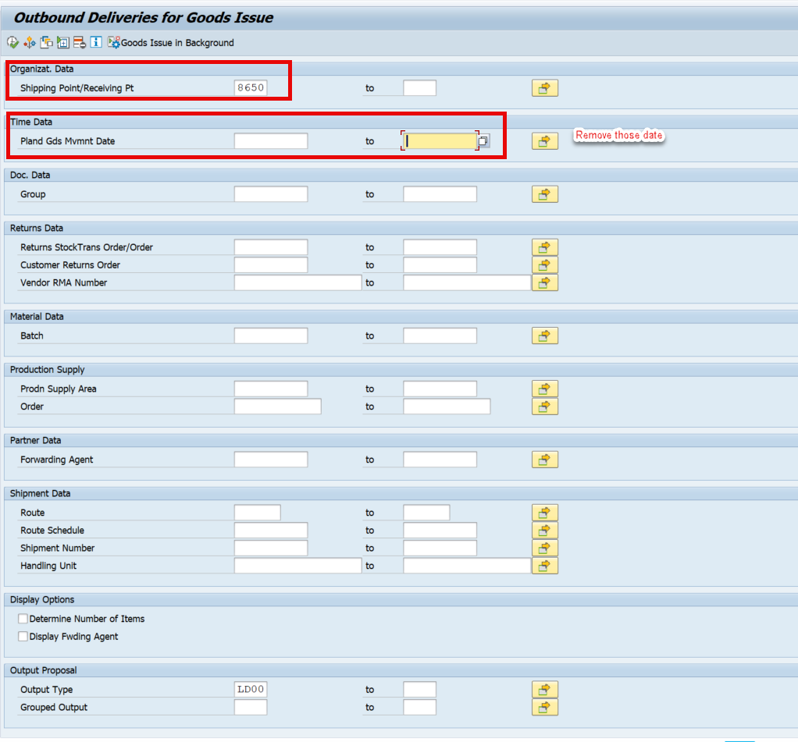
 | SAP Parameters | CL | AR | MX | BR
 | Sales Organization | 8650 | 8750 | 3000 | 8300
 | View | W2LOG_MAT | W2LOG_MAT | W2LOG_MAT | W2LOG_MAT
 | Trasaction | /nVL06O | /nVL06O | /nVL06O | /nVL06O

 |  |  |  |  |  |  |  |  |  |  |  |  |  |  |  |  |  |  | calculated field
Table | 1 | 2 | 3 | 4 | 5 | 6 | 7 | 8 | 9 | 10 | 11 | 12 | 13 | 14 | 15 | 16 | 17 | 18 | 19
Name in SAP | Sales Organization | Delivery | Item | Material | Item Description | Delivery Quantity | Sales unit | Batch | Picking Status | Picking Status | WM Activity Status | Goods Movement Sts | Route | Special Stock Number | Sold-to Party | Name of Sold-to Party | Purchasing Document | Transptn Plang Date | Key_Material
Name | Sales_organization | Delivery | Item | Material | Item_Description | Delivery_Quantity | Sales_unit | Batch | Picking_Status | Picking_Status | WM_Activity_Status | Goods_Movement_Sts | Route | Special_Stock_Number | Sold-to_Party | Name_of_Sold-to_Party | Purchasing_Document | Transptn_Plang_Date | Key_material

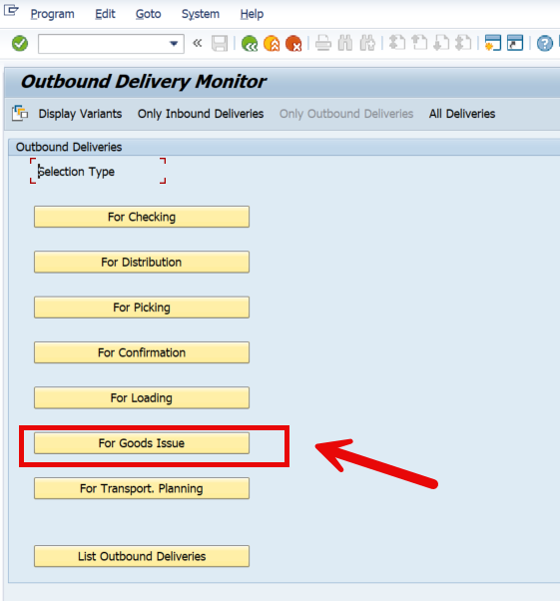

 |  |  |  |  |  |  |  |  |  |  |  |  |  | 8650
 |  |  |  |  |  |  |  |  |  |  |  |  |  | 8750
 |  |  |  |  |  |  |  |  |  |  |  |  |  | 3000
 |  |  |  |  |  |  |  |  |  |  |  |  |  | 8300
 |  |  |  |  |  |  |  |  |  |  |  |  |  | /nVL06O
 |  |  |  |  |  |  |  |  |  |  |  |  |  | vba_vl06o.vbs
 |  |  |  |  |  |  |  |  |  |  |  |  |  | C:\Users\sepujas\Dev\mat2\references\vba
 |  |  |  |  |  |  |  |  |  |  |  |  |  | c:\Users\sepujas\Dev\mat2\data\raw
 |  |  |  |  |  |  |  |  |  |  |  |  |  | tbl_vl06o.txt

tbl_SCM_Inbound_Del
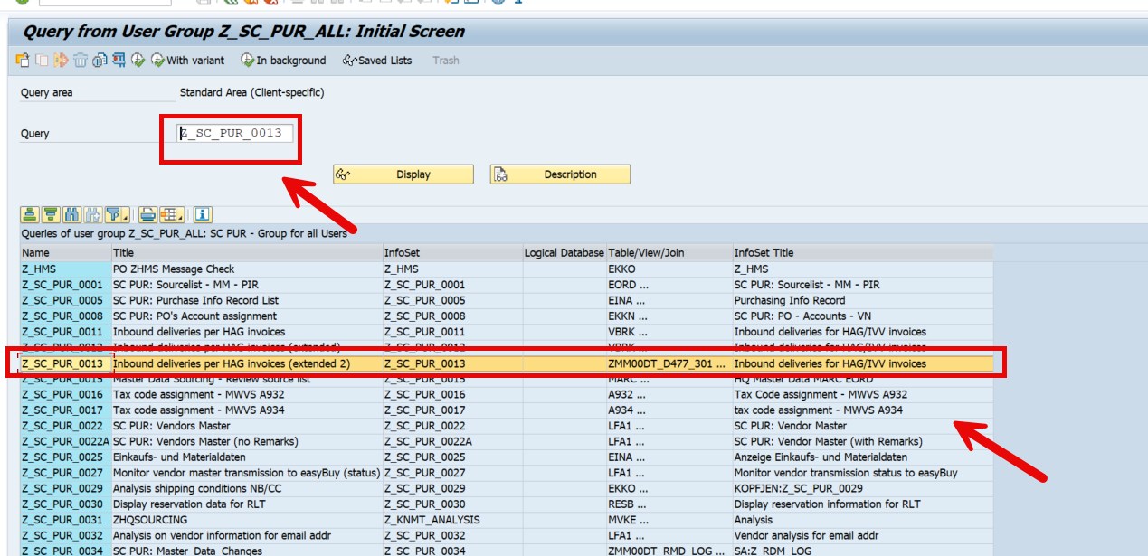
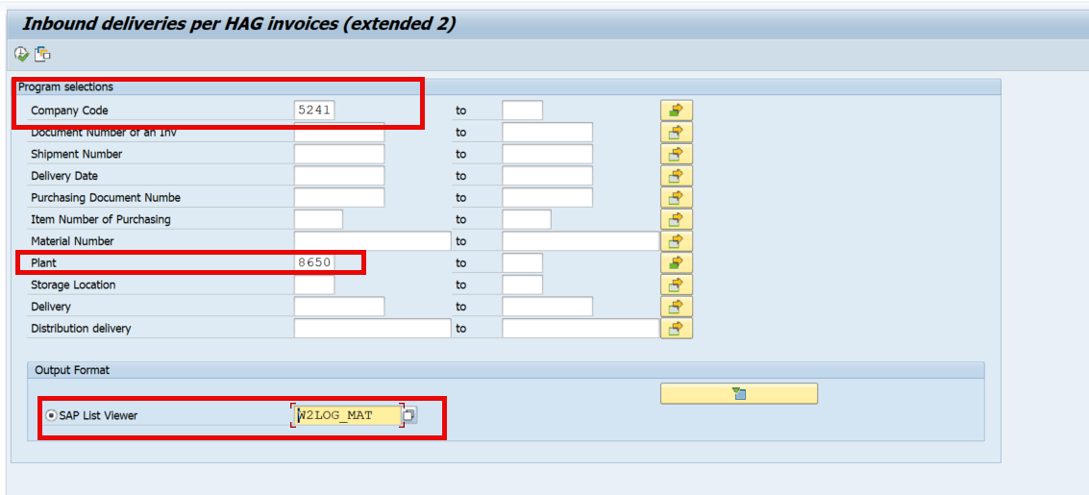
 | SAP Parameters | CL | AR | MX | BR
 | Sales Organization | 8650 | 8750 | 3000 | 8300
 | Company Code | 5241 | 5211 | 5251 | 5221
 | Plant | 8650-8663-8655-8658-8662 | 8750-8760 | 3000-3010-3014-3016-3018-3022-3002 | 8330
 | View | W2LOG_MAT | W2LOG_MAT | W2LOG_MAT | W2LOG_MAT
 | Trasaction | ZSQ01 | ZSQ01 | ZSQ01 | ZSQ01
 | Group | Z_SC_PUR_ALL | Z_SC_PUR_ALL | Z_SC_PUR_ALL | Z_SC_PUR_ALL
 | Query | Z_SC_PUR_0013 | Z_SC_PUR_0013 | Z_SC_PUR_0013 | Z_SC_PUR_0013

 |  |  |  |  |  |  |  |  |  |  |  |  |  |  |  |  |  |  |  |  |  |  |  |  |  |  |  |  |  | calculated field
Table | 1 | 2 | 3 | 4 | 5 | 6 | 7 | 8 | 9 | 10 | 11 | 12 | 13 | 14 | 15 | 16 | 17 | 18 | 19 | 20 | 21 | 22 | 23 | 24 | 25 | 26 | 27 | 28 | 29 | 30
Name in SAP | Doc. No. | Shipment | Purch.Doc. | Item | Material | Material Description | Plnt | SLoc | PO Quantity | OUn | OUn | Item | Delivery | Reference | Supplier | POrg | PGr | Vendor | ShPt | Deliv.Date | Doc. Date | Ext. Order Pos | Ext. Order Number | Suppl.Vndr | TrackingNo | Reservation | Reservation item | Reservation order date | Diff.days | Key_Material
Name | Doc_No | Shipment | PurchDoc | Item | Material | Material_Description | Plnt | SLoc | PO_Quantity | OUn | OUn | Item | Delivery | Reference | Supplier | POrg | PGr | Vendor | ShPt | Deliv_Date | Doc_Date | Ext_Order_Pos | Ext_Order_Number | Suppl_Vndr | TrackingNo | Reservation | Reservation_item | Reservation_order_date | Diff_days | Key_material

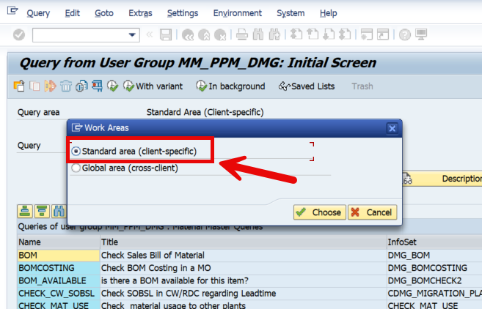
 |  |  |  |  |  |  |  |  |  |  |  |  | Comentarios
 |  |  |  |  |  |  |  |  |  |  |  |  | Mostrar total por la fecha
 |  |  |  |  |  |  |  |  |  |  |  |  | sumar todas las lineas de la fecha

 |  |  |  |  |  |  |  |  |  |  |  |  | Agregar una nota en MOBR que diga que el material esta disponible en 2 dias para ventas, validar texto en portuguese

 |  |  |  |  |  |  |  |  |  |  |  |  | MOMX va a validar la query
 |  |  |  |  |  |  |  |  |  |  |  |  | La unica diferencia que puede a ver por mercado es el gap desde que llega a la bodeha hasta que lo dejan disponibles

 |  |  |  |  |  |  |  |  |  |  |  |  | Campo 20
 |  |  |  |  |  |  |  |  |  |  |  |  | Agregar nota que diga que es la fecha de llegada a bodega.

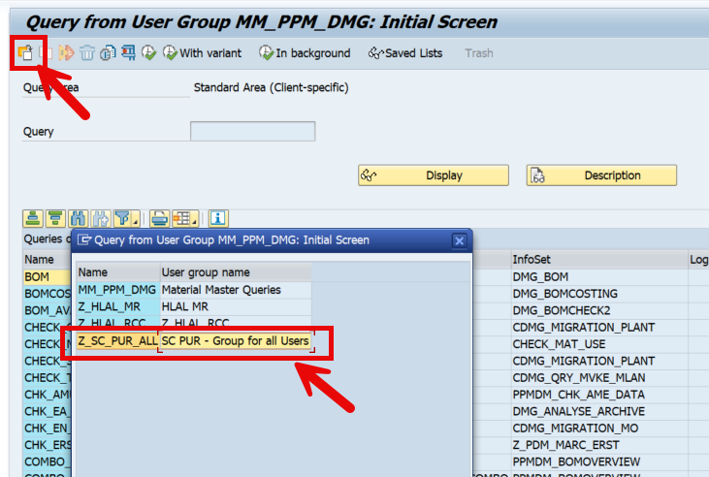
 |  |  |  |  |  |  |  |  |  |  |  |  | 5241
 |  |  |  |  |  |  |  |  |  |  |  |  | 5211
 |  |  |  |  |  |  |  |  |  |  |  |  | 5251
 |  |  |  |  |  |  |  |  |  |  |  |  | 5221
 |  |  |  |  |  |  |  |  |  |  |  |  | /nZSQ01

 |  |  |  |  |  |  |  |  |  |  |  |  | 8650
 |  |  |  |  |  |  |  |  |  |  |  |  | 8750
 |  |  |  |  |  |  |  |  |  |  |  |  | 3000
 |  |  |  |  |  |  |  |  |  |  |  |  | 8330
 |  |  |  |  |  |  |  |  |  |  |  |  | W2LOG_MAT
 |  |  |  |  |  |  |  |  |  |  |  |  | vba_inbound.vbs
 |  |  |  |  |  |  |  |  |  |  |  |  | C:\Users\sepujas\Dev\mat2\references\vba
 |  |  |  |  |  |  |  |  |  |  |  |  | c:\Users\sepujas\Dev\mat2\data\raw
 |  |  |  |  |  |  |  |  |  |  |  |  | tbl_inbound.txt

