TestNG Result Summary
STT | Username | Password | Action | Expected | Actual | Status | Date Check | LINK | Image
1 | cust01 | MatKhau@123 | Test Login | cust01 | Account | FAILED | 16:14:11 | 01-07-2022 | Full Image | 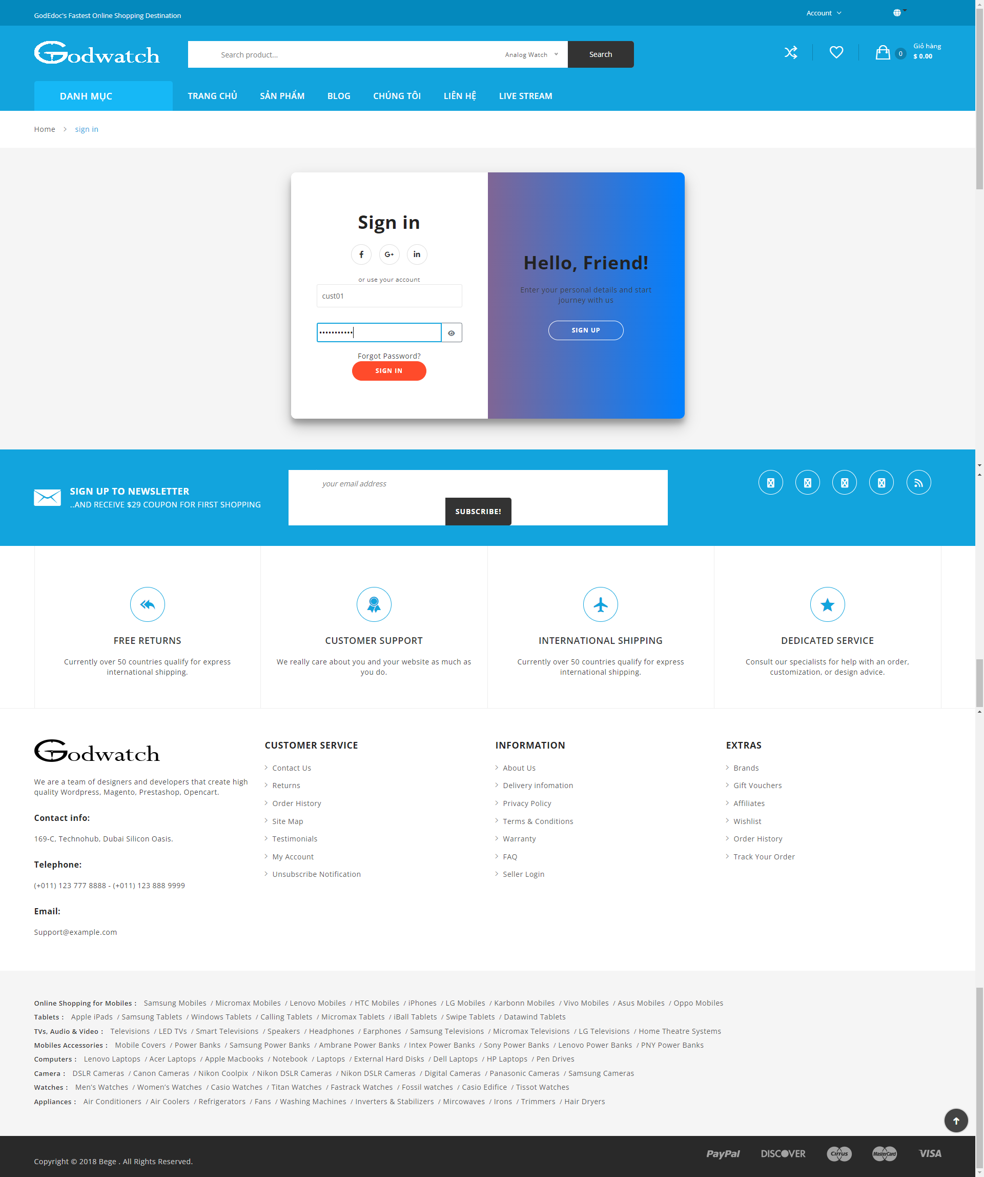
2 | cust01 | MatKhau | Test Login | Account | Account | PASS | 16:14:24 | 01-07-2022
3 | cust02 | 124 | Test Login | Account | Account | PASS | 16:14:27 | 01-07-2022
4 | cus12345 | 12345 | Test Login | Account | Account | PASS | 16:14:30 | 01-07-2022
5 | cust1102 | 123 | Test Login | Account | Account | PASS | 16:14:33 | 01-07-2022
6 |  |  | Test Login | Account | Account | PASS | 16:14:36 | 01-07-2022
7 |  | 123 | Test Login | Account | Account | PASS | 16:14:39 | 01-07-2022
8 | user02 |  | Test Login | Account | Account | PASS | 16:14:42 | 01-07-2022
9 |  | pppp | Test Login | Account | Account | PASS | 16:14:45 | 01-07-2022
10 | taikhoanchuatontai |  | Test Login | Account | Account | PASS | 16:14:49 | 01-07-2022

