TestNG Result Summary
STT | Username | Password | Action | Expected | Actual | Status | Date Check | LINK | Image
1 | cust01 | 123 | Test Login | cust01 | Account | FAILED | 19:46:07 | 26-06-2022 | Full Image | 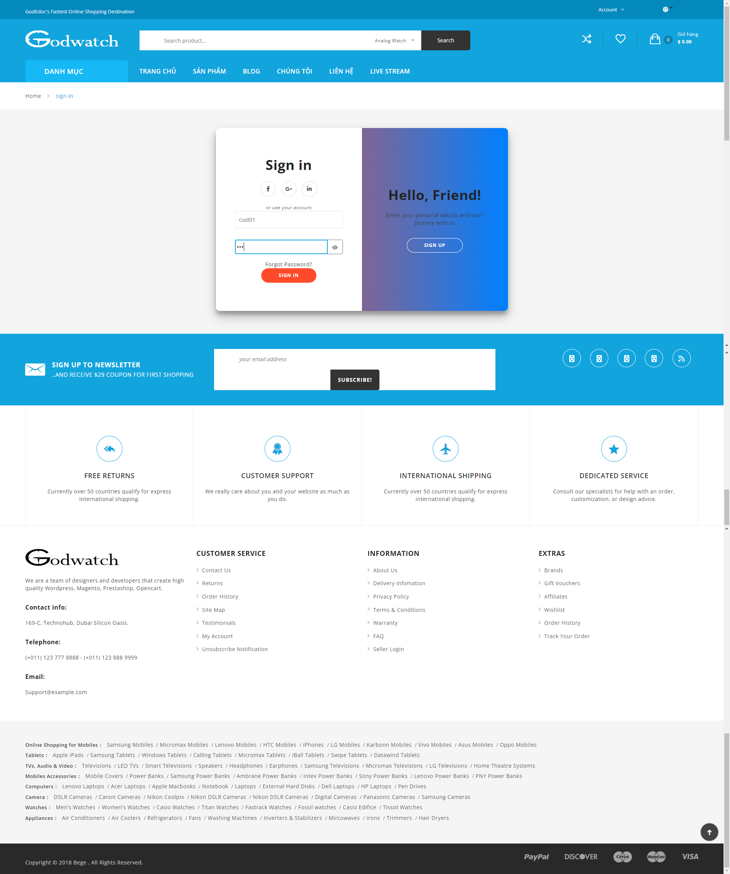
2 | cust01 | 12 | Test Login | Account | Account | PASS | 19:46:16 | 26-06-2022
3 | user01 | 124 | Test Login | Account | Account | PASS | 19:46:19 | 26-06-2022
4 | user0199 | 125 | Test Login | Account | Account | PASS | 19:46:22 | 26-06-2022
5 | user999 | 123 | Test Login | Account | Account | PASS | 19:46:25 | 26-06-2022
6 |  |  | Test Login | Account | Account | PASS | 19:46:28 | 26-06-2022
7 |  | 123 | Test Login | Account | Account | PASS | 19:46:30 | 26-06-2022
8 | user02 |  | Test Login | Account | Account | PASS | 19:46:33 | 26-06-2022
9 |  | pppp | Test Login | Account | Account | PASS | 19:46:35 | 26-06-2022
10 | taikhoanchuatontai |  | Test Login | Account | Account | PASS | 19:46:38 | 26-06-2022

