Mistakes
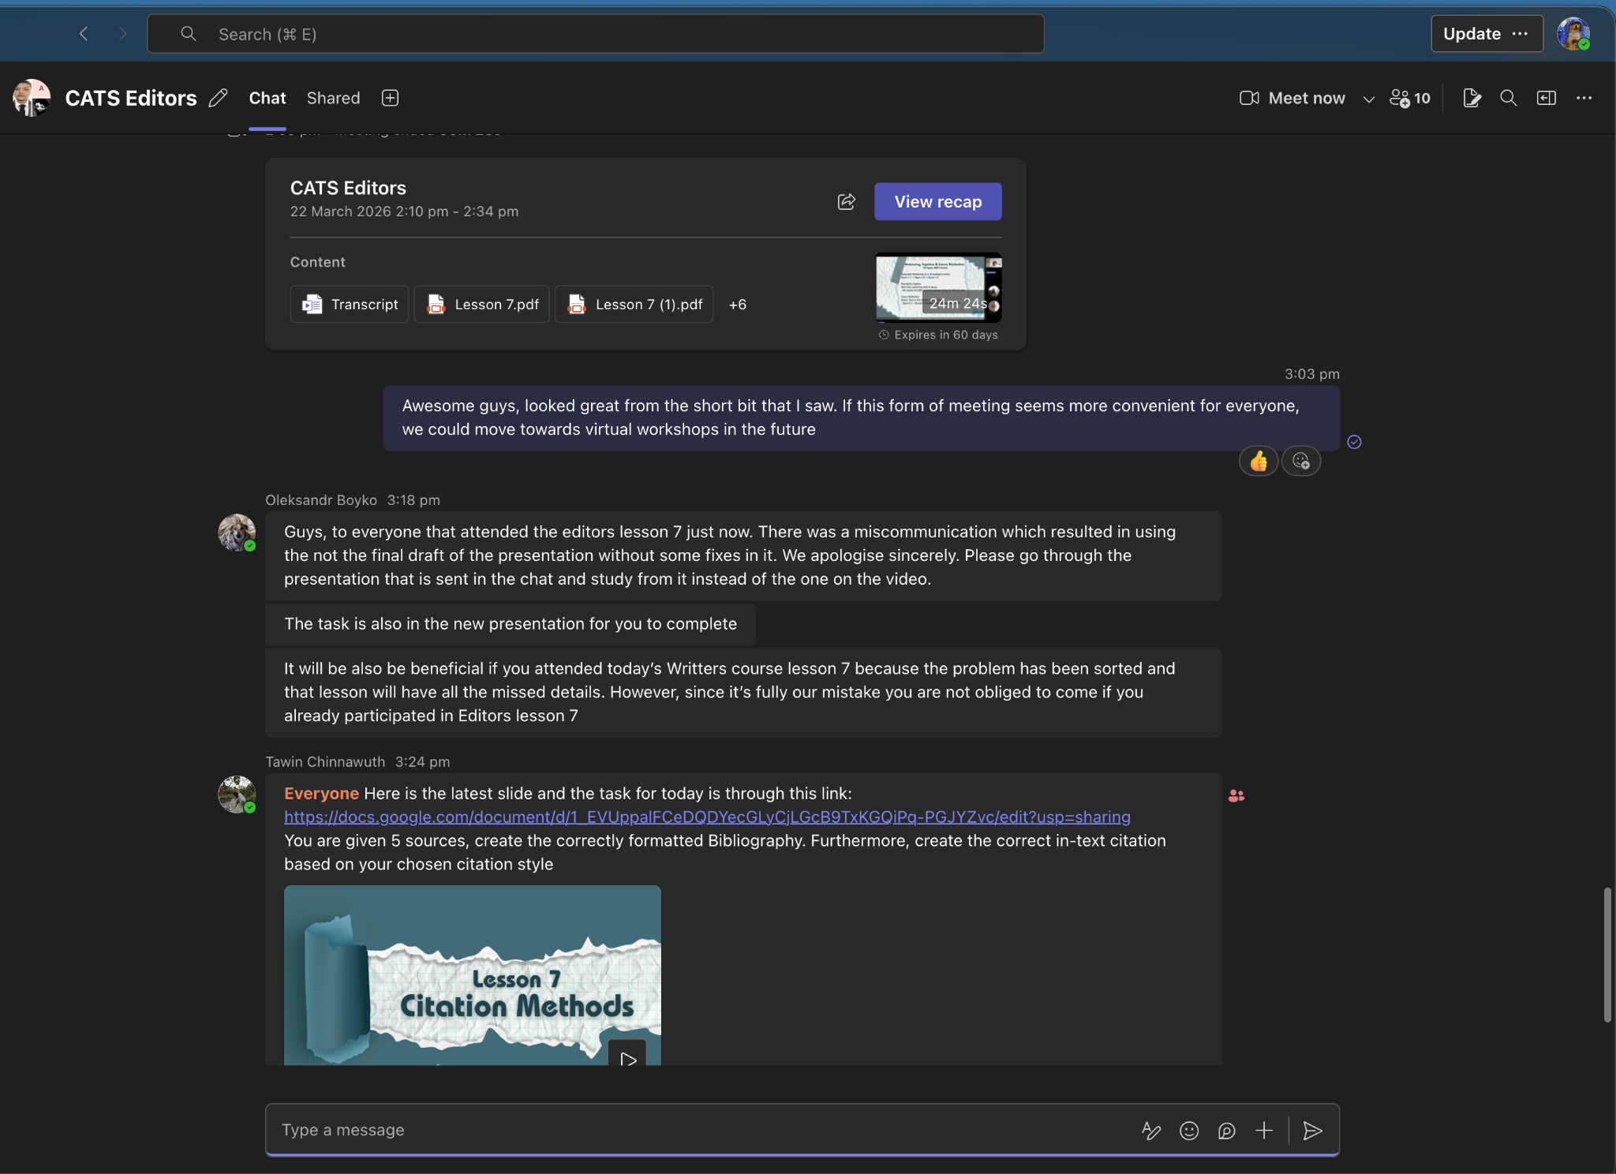
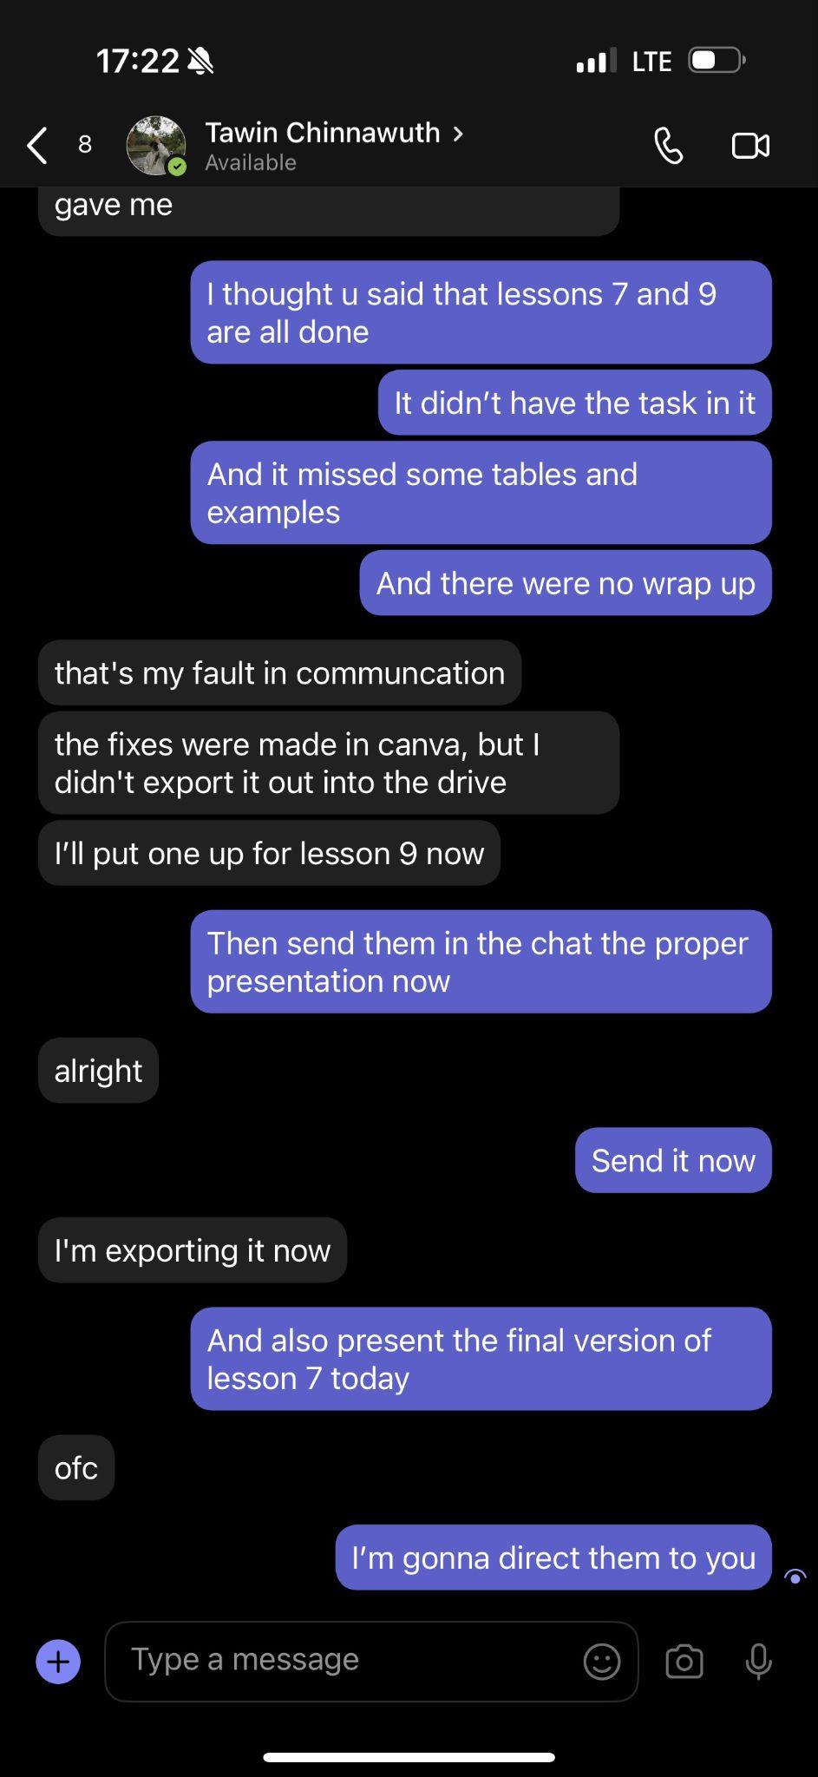
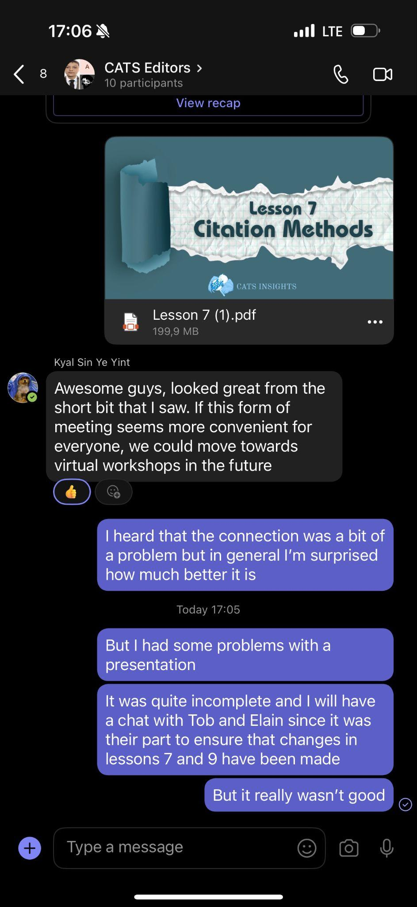

Due to the high pace of production of the lessons for the writers course, a lot of people were involved in the process to ensure speed and quality. However, with those benefits also came some complications in communication. Consequently, a problem occurred with one of the editors. After completion, the lessons were reviewed and some final corrections were made; however, the editor responsible for the correction of Lesson 7 of the writers course forgot to submit the final draft to the Google Drive. This led to the presenter having a flawed and short presentation during Editor’s Lesson 7. The problem was spotted immediately after the lesson and was fixed. All the participants were informed about the mistake and invited to attend the respective workshop again. Furthermore, since the mistake was made by the leadership team, it was unfair towards the participants to make it mandatory to attend the session again, so for those who did not attend due to personal reasons, no penalty was introduced; rather, a personal, much more concise session was created to cover the lost content. Moreover, the materials for the class were introduced in written form as well. So, despite facing the problem, we managed to mitigate the consequences and created an efficient and fair solution, demonstrating resilience and a high level of problem-solving skills.

