Train-EA(KNN)
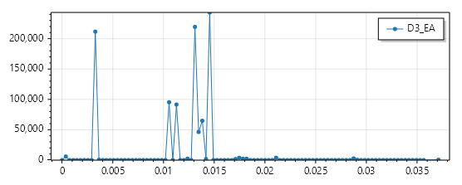
D8-1 |  |  |  |  |  | Threshold 2δ | Threshold 3δ | D7 |  |  |  |  |  | Threshold 2δ | Threshold 3δ
Bias：0.446576 | EA： | Max：0.025843 | Min：0.0 | AVG：0.004600 | STD：0.002670 | 0.00994 | 0.01261 | Bias：0.447344 | EA： | Max：0.039751 | Min：0.000169 | AVG：0.005776 | STD：0.004094 | 0.013964 | 0.018058
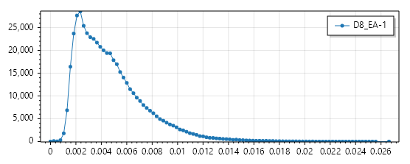
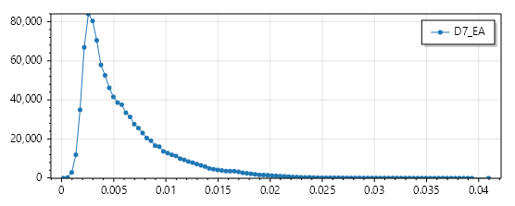

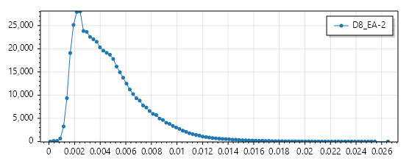
D8-2 |  |  |  |  |  | Threshold 2δ | Threshold 3δ
Bias：0.446590 | EA： | Max：0.025722 | Min：0.000101 | AVG：0.004604 | STD：0.002669 | 0.009942 | 0.012611 | D6 |  |  |  |  |  | Threshold 2δ | Threshold 3δ
 |  |  |  |  |  |  |  | Bias：0.447368 | EA： | Max：0.066264 | Min：0.000358 | AVG：0.012168 | STD：0.009357 | 0.030882 | 0.040239
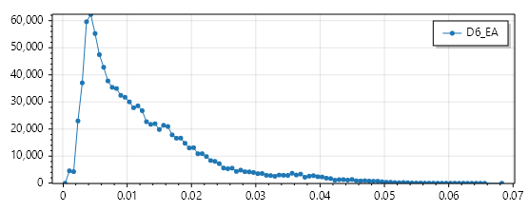

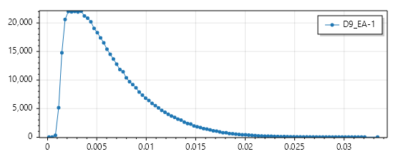
D9-1 |  |  |  |  |  | Threshold 2δ | Threshold 3δ
Bias：0.569206 | EA： | Max：0.032406 | Min：0.000171 | AVG：0.006005 | STD：0.003897 | 0.013799 | 0.017696 | D5 |  |  |  |  |  | Threshold 2δ | Threshold 3δ
 |  |  |  |  |  |  |  | Bias：0.424594 | EA： | Max：0.101883 | Min：0.000540 | AVG：0.031724 | STD：0.016639 | 0.065002 | 0.081641
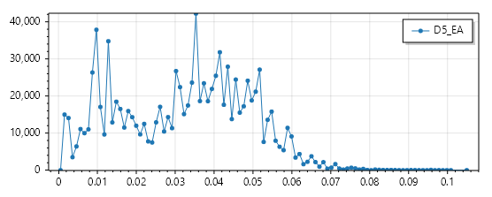

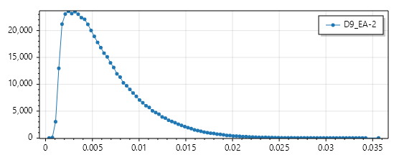
D9-2 |  |  |  |  |  | Threshold 2δ | Threshold 3δ
Bias：0.569182 | EA： | Max：0.034594 | Min：0.000366 | AVG：0.006009 | STD：0.003897 | 0.013803 | 0.0177 | D4 |  |  |  |  |  | Threshold 2δ | Threshold 3δ
 |  |  |  |  |  |  |  | Bias：0.364584 | EA： | Max：0.123803 | Min：0.003721 | AVG：0.037084 | STD：0.016005 | 0.069094 | 0.085099
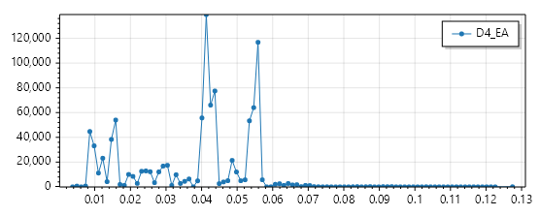

 |  |  |  |  |  |  |  | D3 |  |  |  |  |  | Threshold 2δ | Threshold 3δ
 |  |  |  |  |  |  |  | Bias：0.367037 | EA： | Max：0.036018 | Min：0.0 | AVG：0.010957 | STD：0.004492 | 0.019941 | 0.024433

Test-EA(KNN)
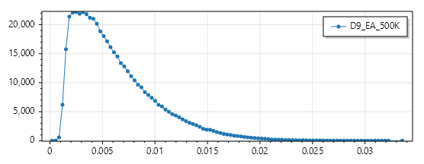
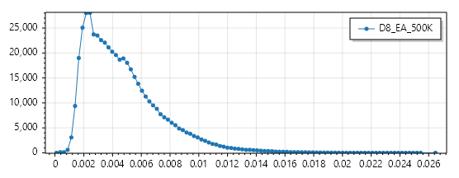
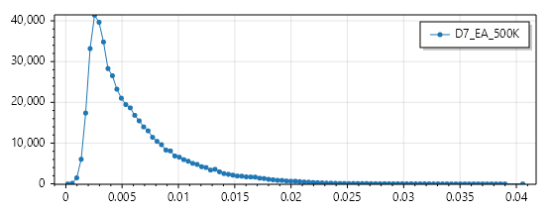
D9 500K |  |  |  | Correct 2δ | Correct 3δ | D8 500K |  |  |  | Correct 2δ | Correct 3δ | D7 500K |  |  |  | Correct 2δ | Correct 3δ
Max：0.032569 | Min：0.000210 | AVG：0.006007 | STD：0.003893 | 95.07% | 98.73% | Max：0.025697 | Min：0.000097 | AVG：0.004600 | STD：0.002667 | 95.40% | 98.63% | Max：0.039380 | Min：0.000185 | AVG：0.005779 | STD：0.004094 | 94.66% | 98.24%
 |  |  |  | Total: 500000 | Total: 500000 |  |  |  |  | Total: 500000 | Total: 500000 |  |  |  |  | Total: 500000 | Total: 500000
 |  |  |  | UFO: 475367 | UFO: 493652 |  |  |  |  | UFO: 23016 | UFO: 6872 |  |  |  |  | UFO: 26680 | UFO: 8776
 |  |  |  | EA: 24633 | EA: 6348 |  |  |  |  | EA: 476984 | EA: 493128 |  |  |  |  | EA: 473320 | EA: 491224
 |  |  |  | UFO Rate: 95.07% | UFO Rate: 98.73% |  |  |  |  | UFO Rate: 4.60% | UFO Rate: 1.37% |  |  |  |  | UFO Rate: 5.34% | UFO Rate: 1.76%
 |  |  |  | EA Rate: 4.93% | EA Rate: 1.27% |  |  |  |  | EA Rate: 95.40% | EA Rate: 98.63% |  |  |  |  | EA Rate: 94.66% | EA Rate: 98.24%

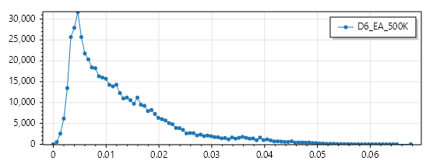
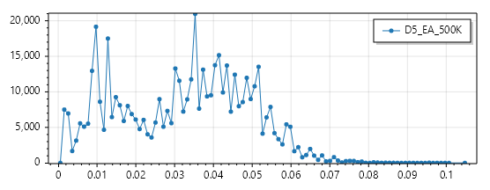
D6 500K |  |  |  | Correct 2δ | Correct 3δ | D5 500K |  |  |  | Correct 2δ | Correct 3δ
Max：0.065686 | Min：0.000000 | AVG：0.012166 | STD：0.009348 | 94.25% | 98.22% | Max：0.101741 | Min：0.000540 | AVG：0.031741 | STD：0.016654 | 98.86% | 99.96%
 |  |  |  | Total: 500000 | Total: 500000 |  |  |  |  | Total: 500000 | Total: 500000
 |  |  |  | UFO: 28770 | UFO: 8901 |  |  |  |  | UFO: 5707 | UFO: 191
 |  |  |  | EA: 471230 | EA: 491099 |  |  |  |  | EA: 494293 | EA: 499809
 |  |  |  | UFO Rate: 5.75% | UFO Rate: 1.78% |  |  |  |  | UFO Rate: 1.14% | UFO Rate: 0.04%
 |  |  |  | EA Rate: 94.25% | EA Rate: 98.22% |  |  |  |  | EA Rate: 98.86% | EA Rate: 99.96%

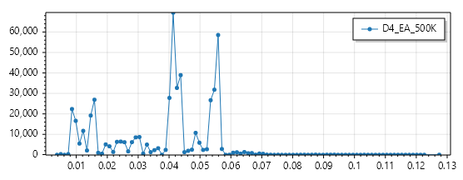
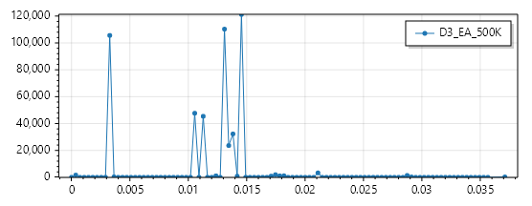
D4 500K |  |  |  | Correct 2δ | Correct 3δ | D3 500K |  |  |  | Correct 2δ | Correct 3δ
Max：0.123803 | Min：0.003721 | AVG：0.037038 | STD：0.015987 | 99.79% | 99.93% | Max：0.036018 | Min：0.0 | AVG：0.011015 | STD：0.004482 | 98.97% | 99.62%
 |  |  |  | Total: 500000 | Total: 500000 |  |  |  |  | Total: 500000 | Total: 500000
 |  |  |  | UFO: 1051 | UFO: 331 |  |  |  |  | UFO: 5166 | UFO: 1894
 |  |  |  | EA: 498949 | EA: 499699 |  |  |  |  | EA: 494834 | EA: 498106
 |  |  |  | UFO Rate: 0.21% | UFO Rate: 0.07% |  |  |  |  | UFO Rate: 1.03% | UFO Rate: 0.38%
 |  |  |  | EA Rate: 99.79% | EA Rate: 99.93% |  |  |  |  | EA Rate: 98.97% | EA Rate: 99.62%

Test-UFO(KNN)
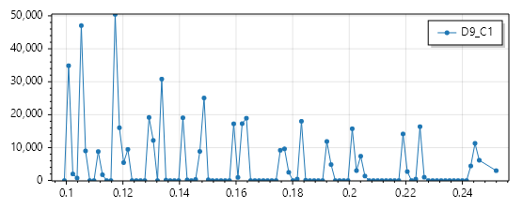
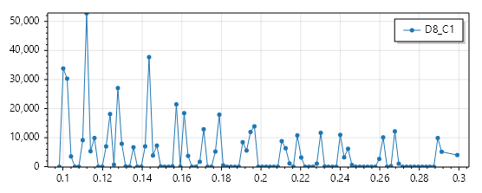
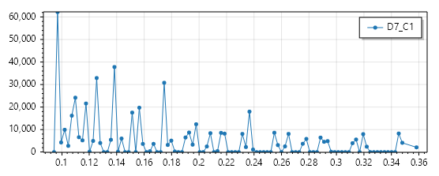
D9 C1 3-15 500K |  |  |  | Correct 2δ | Correct 3δ | D8 C1 3-15 500K |  |  |  | Correct 2δ | Correct 3δ | D7 C1 3-15 500K |  |  |  | Correct 2δ | Correct 3δ
Max：0.247450 | Min：0.099361 | AVG：0.149583 | STD：0.041881 | 100.00% | 100.00% | Max：0.293257 | Min：0.098094 | AVG：0.160348 | STD：0.054088 | 100.00% | 100.00% | Max：0.350509 | Min：0.094490 | AVG：0.169792 | STD：0.069480 | 100.00% | 100.00%
 |  |  |  | Total: 500000 | Total: 500000 |  |  |  |  | Total: 500000 | Total: 500000 |  |  |  |  | Total: 500000 | Total: 500000
 |  |  |  | UFO: 500000 | UFO: 500000 |  |  |  |  | UFO: 500000 | UFO: 500000 |  |  |  |  | UFO: 500000 | UFO: 500000
 |  |  |  | EA: 0 | EA: 0 |  |  |  |  | EA: 0 | EA: 0 |  |  |  |  | EA: 0 | EA: 0
 |  |  |  | UFO Rate: 100% | UFO Rate: 100% |  |  |  |  | UFO Rate: 100% | UFO Rate: 100% |  |  |  |  | UFO Rate: 100% | UFO Rate: 100%
 |  |  |  | EA Rate: 0% | EA Rate: 0% |  |  |  |  | EA Rate: 0% | EA Rate: 0% |  |  |  |  | EA Rate: 0% | EA Rate: 0%

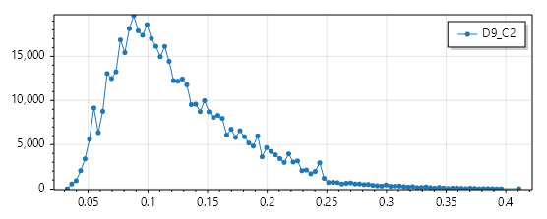
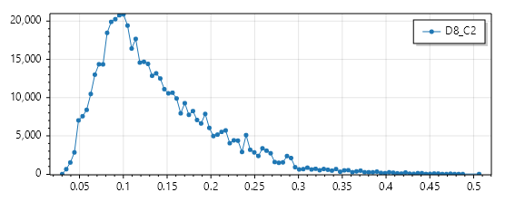
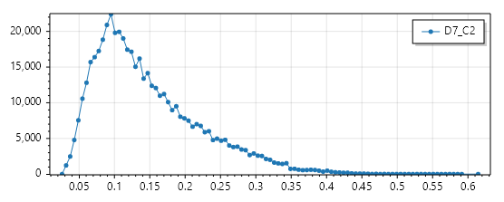
D9 C2 3-15 500K |  |  |  | Correct 2δ | Correct 3δ | D8 C2 3-15 500K |  |  |  | Correct 2δ | Correct 3δ | D7 C2 3-15 500K
Max：0.399890 | Min：0.032389 | AVG：0.122575 | STD：0.052213 | 100.00% | 100.00% | Max：0.492251 | Min：0.030146 | AVG：0.135303 | STD：0.065290 | 100.00% | 100.00% | Max：0.597120 | Min：0.025891 | AVG：0.144240 | STD：0.074484 | Correct 2δ | Correct 3δ
 |  |  |  | Total: 500000 | Total: 500000 |  |  |  |  | Total: 500000 | Total: 500000 |  |  |  |  | 100.00% | 100.00%
 |  |  |  | UFO: 500000 | UFO: 500000 |  |  |  |  | UFO: 500000 | UFO: 500000 |  |  |  |  | Total: 500000 | Total: 500000
 |  |  |  | EA: 0 | EA: 0 |  |  |  |  | EA: 0 | EA: 0 |  |  |  |  | UFO: 500000 | UFO: 500000
 |  |  |  | UFO Rate: 100% | UFO Rate: 100% |  |  |  |  | UFO Rate: 100% | UFO Rate: 100% |  |  |  |  | EA: 0 | EA: 0
 |  |  |  | EA Rate: 0% | EA Rate: 0% |  |  |  |  | EA Rate: 0% | EA Rate: 0% |  |  |  |  | UFO Rate: 100% | UFO Rate: 100%
 |  |  |  |  |  |  |  |  |  |  |  |  |  |  |  | EA Rate: 0% | EA Rate: 0%

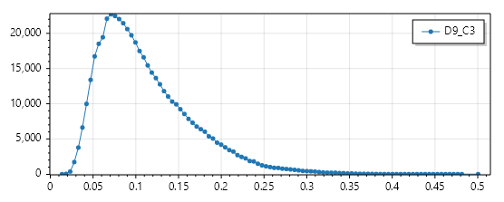
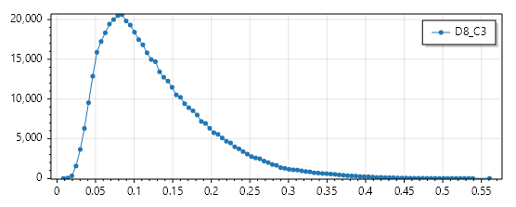
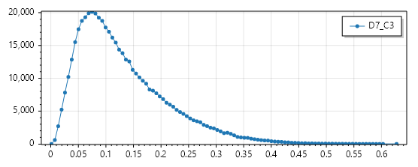
D9 C3 3-15 500K |  |  |  | Correct 2δ | Correct 3δ | D8 C3 3-15 500K |  |  |  | Correct 2δ | Correct 3δ | D7 C3 3-15 500K |  |  |  | Correct 2δ | Correct 3δ
Max：0.486193 | Min：0.013688 | AVG：0.109101 | STD：0.054127 | 100.00% | 99.99% | Max：0.544367 | Min：0.008494 | AVG：0.124452 | STD：0.068659 | 100.00% | 100.00% | Max：0.609043 | Min：0.001154 | AVG：0.127156 | STD：0.080263 | 99.28% | 98.61%
 |  |  |  | Total: 500000 | Total: 500000 |  |  |  |  | Total: 500000 | Total: 500000 |  |  |  |  | Total: 500000 | Total: 500000
 |  |  |  | UFO: 499999 | UFO: 499974 |  |  |  |  | UFO: 500000 | UFO: 499980 |  |  |  |  | UFO: 496382 | UFO: 493068
 |  |  |  | EA: 1 | EA: 26 |  |  |  |  | EA: 0 | EA: 20 |  |  |  |  | EA: 3618 | EA: 6932
 |  |  |  | UFO Rate: 100% | UFO Rate: 99.99% |  |  |  |  | UFO Rate: 100% | UFO Rate: 100% |  |  |  |  | UFO Rate: 99.28% | UFO Rate: 98.61%
 |  |  |  | EA Rate: 0% | EA Rate: 0.01% |  |  |  |  | EA Rate: 0% | EA Rate: 0% |  |  |  |  | EA Rate: 0.72% | EA Rate: 1.39%

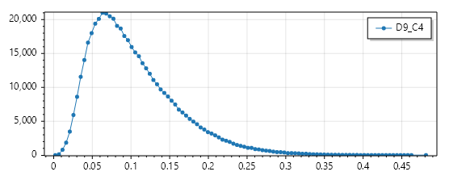
D9 C4 3-15 500K |  |  |  | Correct 2δ | Correct 3δ
Max：0.467135 | Min：0.002142 | AVG：0.100911 | STD：0.055771 | 99.67% | 99.28%
 |  |  |  | Total: 500000 | Total: 500000
 |  |  |  | UFO: 498366 | UFO: 496416
 |  |  |  | EA: 1634 | EA: 3584
 |  |  |  | UFO Rate: 99.67% | UFO Rate: 99.28%
 |  |  |  | EA Rate: 0.33% | EA Rate: 0.72%

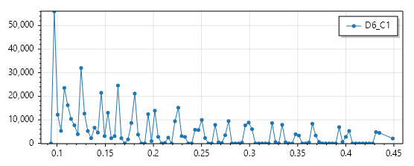
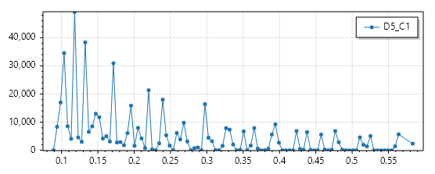
D6 C1 3-15 500K |  |  |  | Correct 2δ | Correct 3δ | D5 C1 3-15 500K |  |  |  | Correct 2δ | Correct 3δ
Max：0.438421 | Min：0.093437 | AVG：0.189480 | STD：0.091280 | 100.00% | 100.00% | Max：0.568793 | Min：0.089026 | AVG：0.220537 | STD：0.122593 | 100.00% | 100.00%
 |  |  |  | Total: 500000 | Total: 500000 |  |  |  |  | Total: 500000 | Total: 500000
 |  |  |  | UFO: 500000 | UFO: 500000 |  |  |  |  | UFO: 500000 | UFO: 500000
 |  |  |  | EA: 0 | EA: 0 |  |  |  |  | EA: 0 | EA: 0
 |  |  |  | UFO Rate: 100% | UFO Rate: 100% |  |  |  |  | UFO Rate: 100% | UFO Rate: 100%
 |  |  |  | EA Rate: 0% | EA Rate: 0% |  |  |  |  | EA Rate: 0% | EA Rate: 0%

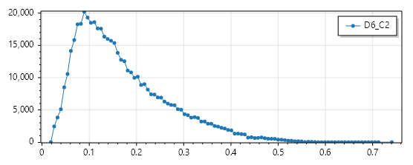
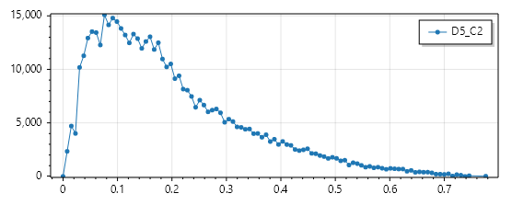
D6 C2 3-15 500K |  |  |  | Correct 2δ | Correct 3δ | D5 C2 3-15 500K |  |  |  | Correct 2δ | Correct 3δ
Max：0.719424 | Min：0.018604 | AVG：0.166461 | STD：0.097120 | 100.00% | 97.68% | Max：0.753364 | Min：0.0 | AVG：0.195972 | STD：0.138851 | 100.00% | 78.02%
 |  |  |  | Total: 500000 | Total: 500000 |  |  |  |  | Total: 500000 | Total: 500000
 |  |  |  | UFO: 495133 | UFO: 488381 |  |  |  |  | UFO: 500000 | UFO: 390111
 |  |  |  | EA: 4867 | EA: 11619 |  |  |  |  | EA: 0 | EA: 109889
 |  |  |  | UFO Rate: 99.03% | UFO Rate: 97.68% |  |  |  |  | UFO Rate: 100% | UFO Rate: 78.02%
 |  |  |  | EA Rate: 0.97% | EA Rate: 2.32% |  |  |  |  | EA Rate: 0% | EA Rate: 21.98%

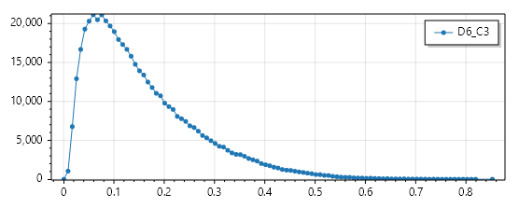
D6 C3 3-15 500K |  |  |  | Correct 2δ | Correct 3δ
Max：0.827467 | Min：0.000551 | AVG：0.153396 | STD：0.109769 | 93.83% | 89.68%
 |  |  |  | Total: 500000 | Total: 500000
 |  |  |  | UFO: 469134 | UFO: 448390
 |  |  |  | EA: 30866 | EA: 51610
 |  |  |  | UFO Rate: 93.83% | UFO Rate: 89.68%
 |  |  |  | EA Rate: 6.17% | EA Rate: 10.32%

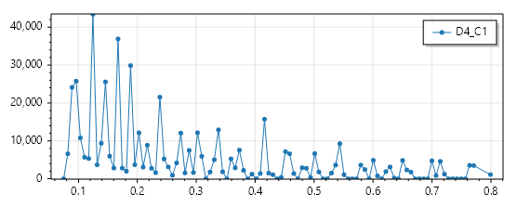
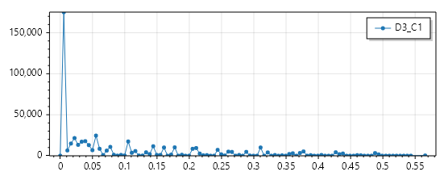
D4 C1 3-15 500K |  |  |  | Correct 2δ | Correct 3δ | D3 C1 3-15 500K |  |  |  | Correct 2δ | Correct 3δ
Max：0.777917 | Min：0.075054 | AVG：0.266760 | STD：0.175633 | 100.00% | 94.97% | Max：0.548930 | Min：0.0 | AVG：0.087377 | STD：0.118629 | 66.66% | 60.07%
 |  |  |  | Total: 500000 | Total: 500000 |  |  |  |  | Total: 500000 | Total: 500000
 |  |  |  | UFO: 500000 | UFO: 474869 |  |  |  |  | UFO: 333319 | UFO: 300360
 |  |  |  | EA: 0 | EA: 25131 |  |  |  |  | EA: 166681 | EA: 199640
 |  |  |  | UFO Rate: 100% | UFO Rate: 94.97% |  |  |  |  | UFO Rate: 66.66% | UFO Rate: 60.07%
 |  |  |  | EA Rate: 0% | EA Rate: 5.03% |  |  |  |  | EA Rate: 33.34% | EA Rate: 39.93%

Test-EAUFO(KNN)
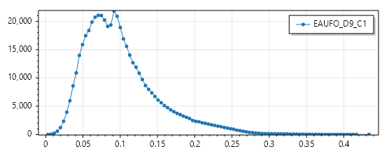
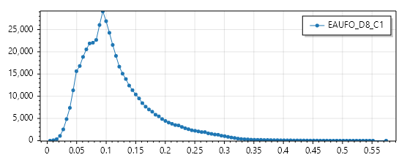
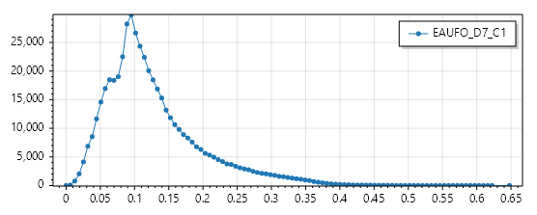
D9 C1 3-15 500K |  |  |  | Correct 2δ | Correct 3δ | D8 C1 3-15 500K |  |  |  | Correct 2δ | Correct 3δ | D7 C1 3-15 500K |  |  |  | Correct 2δ | Correct 3δ
Max：0.421230 | Min：0.002933 | AVG：0.098618 | STD：0.049646 | 99.89% | 99.73% | Max：0.557161 | Min：0.005059 | AVG：0.114344 | STD：0.059902 | 99.99% | 99.97% | Max：0.628739 | Min：0.000000 | AVG：0.124130 | STD：0.069940 | 99.77% | 99.50%
 |  |  |  | Total: 500000 | Total: 500000 |  |  |  |  | Total: 500000 | Total: 500000 |  |  |  |  | Total: 500000 | Total: 500000
 |  |  |  | UFO: 499453 | UFO: 498665 |  |  |  |  | UFO: 499929 | UFO: 499829 |  |  |  |  | UFO: 498833 | UFO: 497512
 |  |  |  | EA: 547 | EA: 1335 |  |  |  |  | EA: 71 | EA: 171 |  |  |  |  | EA: 1167 | EA: 2488
 |  |  |  | UFO Rate: 99.89% | UFO Rate: 99.73% |  |  |  |  | UFO Rate: 99.99% | UFO Rate: 99.97% |  |  |  |  | UFO Rate: 99.77% | UFO Rate: 99.50%
 |  |  |  | EA Rate: 0.11% | EA Rate: 0.27% |  |  |  |  | EA Rate: 0.01% | EA Rate: 0.03% |  |  |  |  | EA Rate: 0.23% | EA Rate: 0.50%

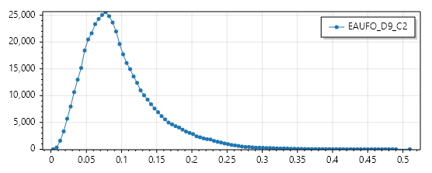
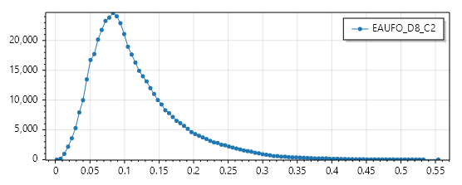
D9 C2 3-15 500K |  |  |  | Correct 2δ | Correct 3δ | D8 C2 3-15 500K |  |  |  | Correct 2δ | Correct 3δ
Max：0.494965 | Min：0.002745 | AVG：0.095054 | STD：0.051942 | 99.51% | 98.95% | Max：0.537907 | Min：0.002035 | AVG：0.112454 | STD：0.063692 | 99.92% | 99.80% | D7 C2 3-15 500K |  |  |  | Correct 2δ | Correct 3δ
 |  |  |  | Total: 500000 | Total: 500000 |  |  |  |  | Total: 500000 | Total: 500000 | Max：0.636979 | Min：0.000000 | AVG：0.120745 | STD：0.073452 | 99.49% | 99.00%
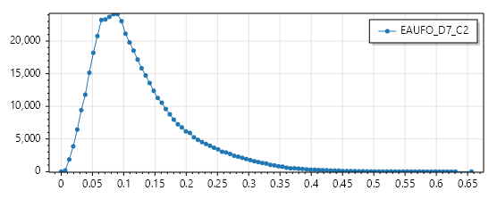
 |  |  |  | UFO: 497531 | UFO: 494746 |  |  |  |  | UFO: 499577 | UFO: 498978 |  |  |  |  | Total: 500000 | Total: 500000
 |  |  |  | EA: 2469 | EA: 5254 |  |  |  |  | EA: 423 | EA: 1022 |  |  |  |  | UFO: 497466 | UFO: 494976
 |  |  |  | UFO Rate: 99.51% | UFO Rate: 98.95% |  |  |  |  | UFO Rate: 99.92% | UFO Rate: 99.80% |  |  |  |  | EA: 2534 | EA: 5024
 |  |  |  | EA Rate: 0.49% | EA Rate: 1.05% |  |  |  |  | EA Rate: 0.08% | EA Rate: 0.20% |  |  |  |  | UFO Rate: 99.49% | UFO Rate: 99.00%
 |  |  |  |  |  |  |  |  |  |  |  |  |  |  |  | EA Rate: 0.51% | EA Rate: 1.00%

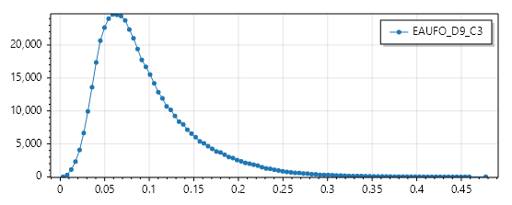
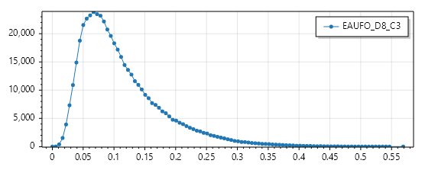
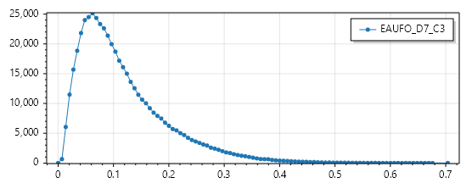
D9 C3 3-15 500K |  |  |  | Correct 2δ | Correct 3δ | D8 C3 3-15 500K |  |  |  | Correct 2δ | Correct 3δ | D7 C3 3-15 500K |  |  |  | Correct 2δ | Correct 3δ
Max：0.463454 | Min：0.003302 | AVG：0.092018 | STD：0.052171 | 99.64% | 99.21% | Max：0.552180 | Min：0.000000 | AVG：0.109449 | STD：0.066717 | 99.95% | 99.86% | Max：0.683036 | Min：0.000000 | AVG：0.113803 | STD：0.079430 | 98.62% | 97.35%
 |  |  |  | Total: 500000 | Total: 500000 |  |  |  |  | Total: 500000 | Total: 500000 |  |  |  |  | Total: 500000 | Total: 500000
 |  |  |  | UFO: 498176 | UFO: 496041 |  |  |  |  | UFO: 499751 | UFO: 499315 |  |  |  |  | UFO: 493106 | UFO: 486753
 |  |  |  | EA: 1824 | EA: 3959 |  |  |  |  | EA: 249 | EA: 685 |  |  |  |  | EA: 6894 | EA: 13247
 |  |  |  | UFO Rate: 99.64% | UFO Rate: 99.21% |  |  |  |  | UFO Rate: 99.95% | UFO Rate: 99.86% |  |  |  |  | UFO Rate: 98.62% | UFO Rate: 97.35%
 |  |  |  | EA Rate: 0.36% | EA Rate: 0.79% |  |  |  |  | EA Rate: 0.05% | EA Rate: 0.14% |  |  |  |  | EA Rate: 1.38% | EA Rate: 2.65%


D9 C4 3-15 500K |  |  |  | Correct 2δ | Correct 3δ
Max：0.484819 | Min：0.002948 | AVG：0.088117 | STD：0.054278 | 99.19% | 98.21%
 |  |  |  | Total: 500000 | Total: 500000
 |  |  |  | UFO: 495929 | UFO: 491046
 |  |  |  | EA: 4071 | EA: 8954
 |  |  |  | UFO Rate: 99.19% | UFO Rate: 98.21%
 |  |  |  | EA Rate: 0.81% | EA Rate: 1.79%

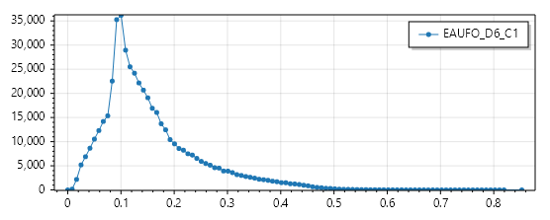
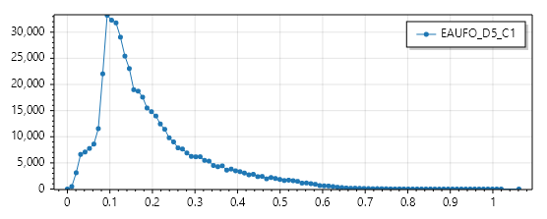
D6 C1 3-15 500K |  |  |  | Correct 2δ | Correct 3δ | D5 C1 3-15 500K |  |  |  | Correct 2δ | Correct 3δ
Max：0.827561 | Min：0.000000 | AVG：0.150394 | STD：0.089842 | 97.57% | 95.74% | Max：1.030150 | Min：0.000000 | AVG：0.187356 | STD：0.122090 | 92.80% | 87.31%
 |  |  |  | Total: 500000 | Total: 500000 |  |  |  |  | Total: 500000 | Total: 500000
 |  |  |  | UFO: 487861 | UFO: 478682 |  |  |  |  | UFO: 463976 | UFO: 436570
 |  |  |  | EA: 12139 | EA: 21318 |  |  |  |  | EA: 36024 | EA: 63430
 |  |  |  | UFO Rate: 97.57% | UFO Rate: 95.74% |  |  |  |  | UFO Rate: 92.80% | UFO Rate: 87.31%
 |  |  |  | EA Rate: 2.43% | EA Rate: 4.26% |  |  |  |  | EA Rate: 7.20% | EA Rate: 12.69%

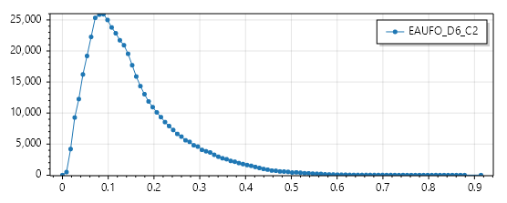
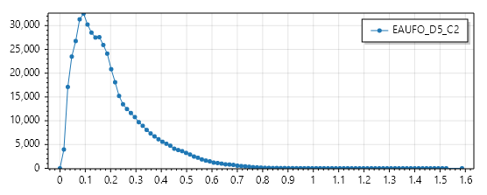
D6 C2 3-15 500K |  |  |  | Correct 2δ | Correct 3δ | D5 C2 3-15 500K |  |  |  | Correct 2δ | Correct 3δ
Max：0.887349 | Min：0.000000 | AVG：0.148150 | STD：0.098085 | 96.19% | 93.26% | Max：1.540167 | Min：0.000000 | AVG：0.192570 | STD：0.141128 | 84.68% | 77.84%
 |  |  |  | Total: 500000 | Total: 500000 |  |  |  |  | Total: 500000 | Total: 500000
 |  |  |  | UFO: 480970 | UFO: 466291 |  |  |  |  | UFO: 423402 | UFO: 389201
 |  |  |  | EA: 19030 | EA: 11619 |  |  |  |  | EA: 76598 | EA: 110799
 |  |  |  | UFO Rate: 96.19% | UFO Rate: 93.26% |  |  |  |  | UFO Rate: 84.68% | UFO Rate: 77.84%
 |  |  |  | EA Rate: 3.81% | EA Rate: 6.74% |  |  |  |  | EA Rate: 15.32% | EA Rate: 22.16%

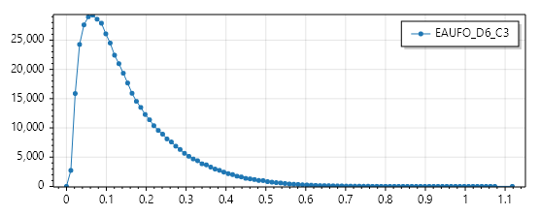
D6 C3 3-15 500K |  |  |  | Correct 2δ | Correct 3δ
Max：1.085160 | Min：0.000000 | AVG：0.146702 | STD：0.110960 | 92.36% | 87.77%
 |  |  |  | Total: 500000 | Total: 500000
 |  |  |  | UFO: 461816 | UFO: 438839
 |  |  |  | EA: 38184 | EA: 61161
 |  |  |  | UFO Rate: 92.36% | UFO Rate: 87.77%
 |  |  |  | EA Rate: 7.64% | EA Rate: 12.23%

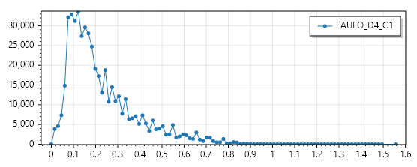
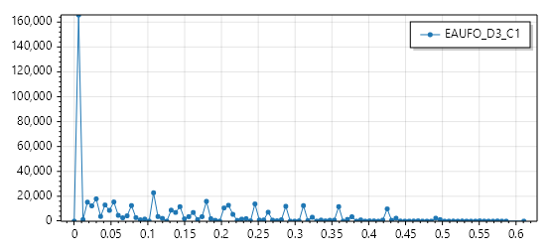
D4 C1 3-15 500K |  |  |  | Correct 2δ | Correct 3δ | D3 C1 3-15 500K |  |  |  | Correct 2δ | Correct 3δ
Max：1.509931 | Min：0.000000 | AVG：0.219702 | STD：0157122 | 90.87% | 83.70% | Max：0.592702 | Min：0.000000 | AVG：0.109678 | STD：0.125557 | 60.12% | 56.64%
 |  |  |  | Total: 500000 | Total: 500000 |  |  |  |  | Total: 500000 | Total: 500000
 |  |  |  | UFO: 454349 | UFO: 418479 |  |  |  |  | UFO: 300607 | UFO: 283176
 |  |  |  | EA: 45651 | EA: 81521 |  |  |  |  | EA: 199393 | EA: 216824
 |  |  |  | UFO Rate: 90.87% | UFO Rate: 83.70% |  |  |  |  | UFO Rate: 60.12% | UFO Rate: 56.64%
 |  |  |  | EA Rate: 9.13% | EA Rate: 16.30% |  |  |  |  | EA Rate: 39.88% | EA Rate: 43.36%

Correction(MID)-EAUFO(<=50%)
D9 C1 3-15 500K |  |  |  | D8 C1 3-15 500K |  |  |  | D7 C1 3-15 500K
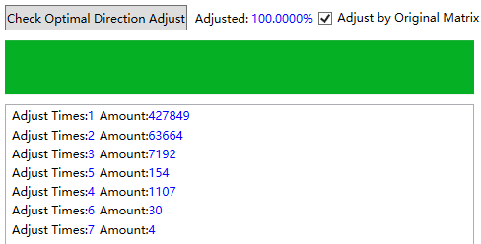






1 Item: | 0.855698 | 2 Item： | 0.855698
 |  |  |  | 1 Item: | 0.842876 | 1 Item： | 0.842876 | 1 Item： | 0.828474 | 2 Item： | 0.828474
D9 C2 3-15 500K |  |  |  | D8 C2 3-15 500K |  |  |  | D7 C2 3-15 500K







2 Item: | 0.907864 | 2 Item: | 0.941264 | 2 Item: | 0.884674 | 2 Item: | 0.924848 | 2 Item： | 0.870478 | 2 Item： | 0.913104

D9 C3 3-15 500K |  |  |  | D8 C3 3-15 500K |  |  |  | D7 C3 3-15 500K







 |  |  |  |  |  |  |  | 3 Item： | 0.89344 | 3 Item： | 0.970288

3 Item: | 0.920096 | 3 Item: | 0.961128 | 3 Item: | 0.917102 | 3 Item: | 0.961178
D9 C4 3-15 500K



4 Item: | 0.956162 | 4 Item: | 0.981132

D6 C1 3-15 500K |  |  |  | D5 C1 3-15 500K





 |  |  |  | 1 Item: | 0.76902 | 1 Item: | 0.76902

D6 C2 3-15 500K
1 Item: | 0.80669 | 1 Item: | 0.80669
D6 C2 3-15 500K |  |  |  | D5 C2 3-15 500K





 |  |  |  | 2 Item: | 0.808734 | 2 Item: | 0.957322

2 Item: | 0.866222 | 2 Item: | 0.92409

D6 C3 3-15 500K



3 Item: | 0.812058 | 3 Item: | 0.982736

D4 C1 3-15 500K |  |  |  | D3 C1 3-15 500K



 |  |  |  | 1 Item: | 0.960666 | 1 Item: | 0.960666

1 Item: | 0.862016 | 1 Item: | 0.862016

Correction(MID)-EAUFO(<=20%)


D9 C1 3-15 500K | D8 C1 3-15 500K | D7 C1 3-15 500K







D9 C2 3-15 500K | D8 C2 3-15 500K | D7 C2 3-15 500K







D9 C3 3-15 500K | D8 C3 3-15 500K | D7 C3 3-15 500K







D9 C4 3-15 500K



D6 C1 3-15 500K | D5 C1 3-15 500K





D6 C2 3-15 500K | D5 C2 3-15 500K




D6 C3 3-15 500K



D4 C1 3-15 500K | D3 C1 3-15 500K

