1
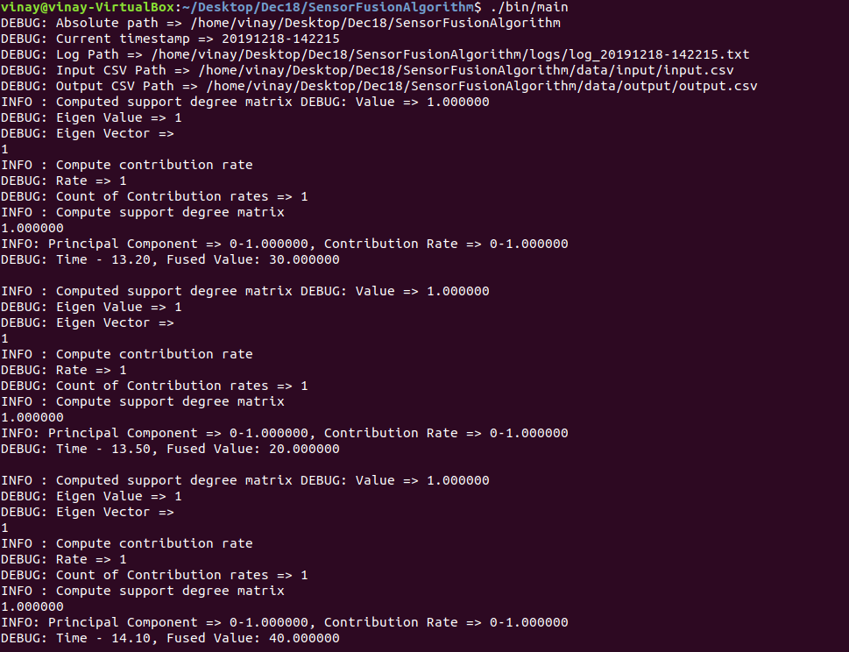
Platform testing on Ubuntu 18.04
Input |  |  | Output |  | CLI ScreenShot
13.2 | sen1 | 30 | Time: 13.20 | Fused Value: 30.000000
13.2 | sen2 | 30 | Time: 13.50 | Fused Value: 20.000000
13.2 | sen3 | 30.5 | Time: 14.10 | Fused Value: 40.000000
13.5 | sen1 | 20 | Time: 14.50 | Fused Value: 50.000000
13.5 | sen2 | 22 | Time: 15.20 | Fused Value: 10.000000
13.5 | sen3 | 25 | Time: 16.50 | Fused Value: 20.000000
14.1 | sen1 | 40
14.1 | sen2 | 45
14.1 | sen3 | 45.5
14.5 | sen1 | 50
14.5 | sen2 | 55
14.5 | sen3 | 100
15.2 | sen1 | 10
15.2 | sen2 | 20
15.2 | sen3 | 30
16.5 | sen1 | 20
16.5 | sen2 | 22
16.5 | sen3 | 25

2
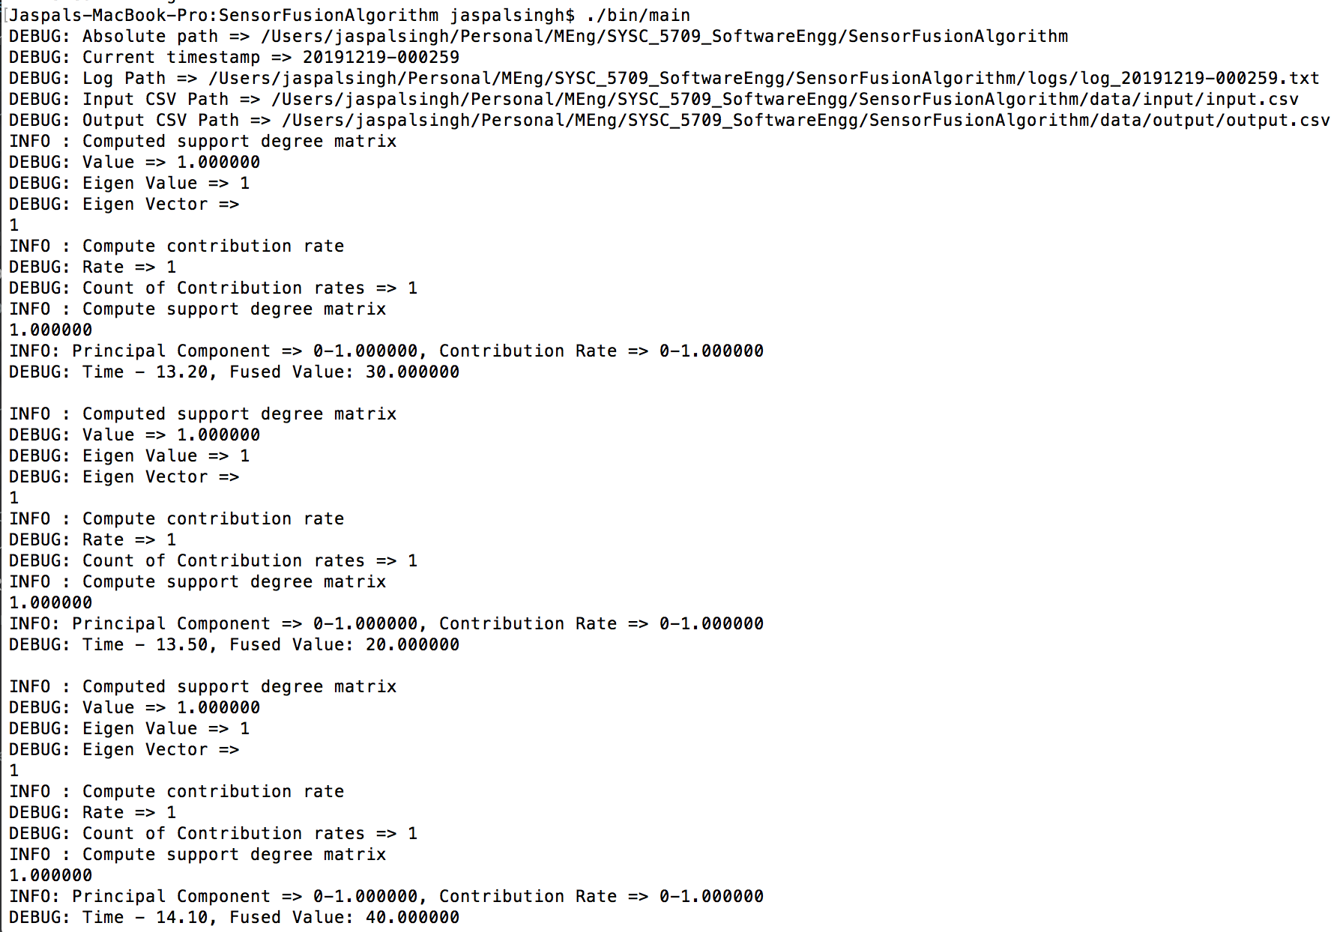
Platform testing on MAC OS Mojave 10.14
Input |  |  | Output |  | CLI ScreenShot
13.2 | sen1 | 30 | Time: 13.20 | Fused Value: 30.000000
13.2 | sen2 | 30 | Time: 13.50 | Fused Value: 20.000000
13.2 | sen3 | 30.5 | Time: 14.10 | Fused Value: 40.000000
13.5 | sen1 | 20 | Time: 14.50 | Fused Value: 50.000000
13.5 | sen2 | 22 | Time: 15.20 | Fused Value: 10.000000
13.5 | sen3 | 25 | Time: 16.50 | Fused Value: 20.000000
14.1 | sen1 | 40
14.1 | sen2 | 45
14.1 | sen3 | 45.5
14.5 | sen1 | 50
14.5 | sen2 | 55
14.5 | sen3 | 100
15.2 | sen1 | 10
15.2 | sen2 | 20
15.2 | sen3 | 30
16.5 | sen1 | 20
16.5 | sen2 | 22
16.5 | sen3 | 25

3
Platform testing onMicrosoft Windows 10
Input |  |  | Output
13.2 | sen1 | 30 | Time: 13.20 | Fused Value: 30.000000 | CLI ScreenShot
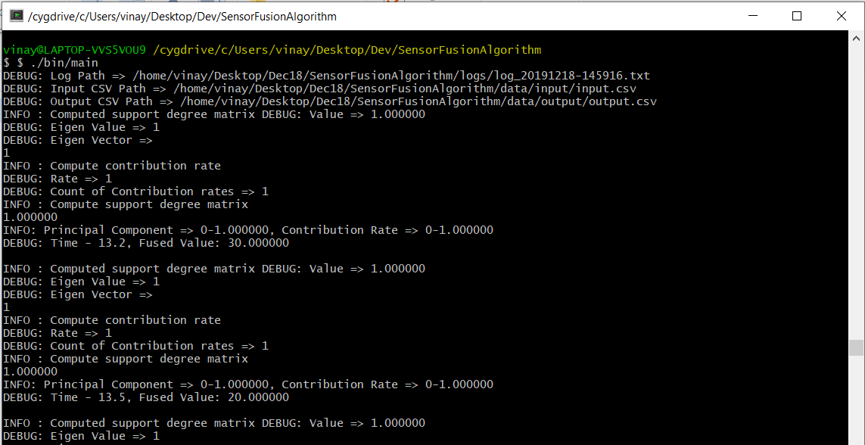
13.2 | sen2 | 30 | Time: 13.50 | Fused Value: 20.000000
13.2 | sen3 | 30.5 | Time: 14.10 | Fused Value: 40.000000
13.5 | sen1 | 20 | Time: 14.50 | Fused Value: 50.000000
13.5 | sen2 | 22 | Time: 15.20 | Fused Value: 10.000000
13.5 | sen3 | 25 | Time: 16.50 | Fused Value: 20.000000
14.1 | sen1 | 40
14.1 | sen2 | 45
14.1 | sen3 | 45.5
14.5 | sen1 | 50
14.5 | sen2 | 55
14.5 | sen3 | 100
15.2 | sen1 | 10
15.2 | sen2 | 20
15.2 | sen3 | 30
16.5 | sen1 | 20
16.5 | sen2 | 22
16.5 | sen3 | 25

11
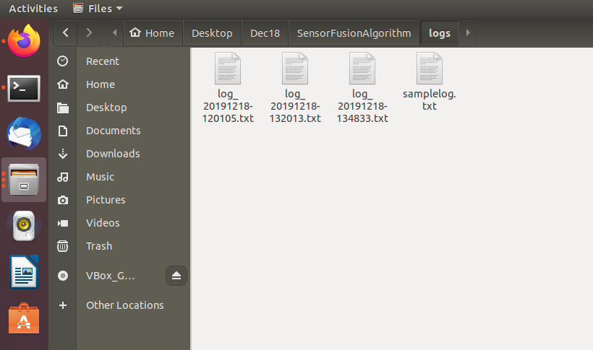
Log Handling Additional feature testing: Produce a txt file for every software execution
Observed Output

12
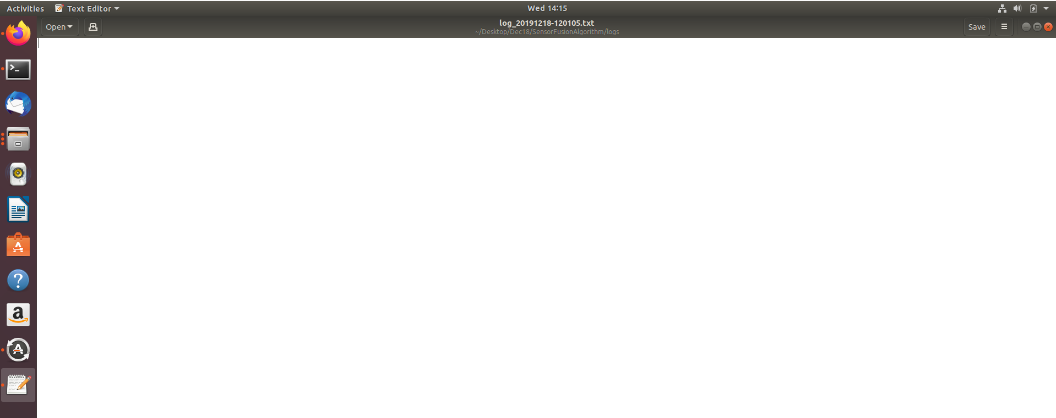
Log Handling Additional feature testing: Fused output and its components in log file
Observed Output

