Table 2-4
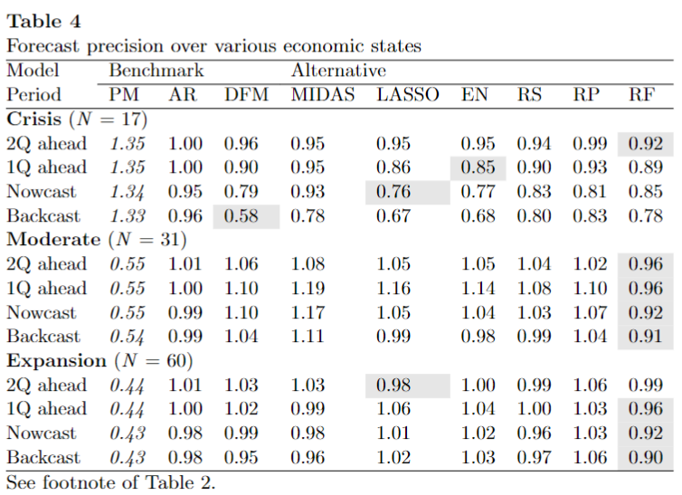
Fugures in red indicate difference with Table in paper > 0.03 (which still might be due to rounding)

Reproduce Table 2 |  |  |  |  |  |  |  |  |  | Reproduce Table 2 in R
 | PM | AR | DFM | MIDAS | LASSO | EN | RS | RP | RF |  | PM | AR | DFM | MIDAS | LASSO | EN | RS | RP | RF
2Q Ahead | 0.67 | 1.04 | 1.01 | 1.00 | 1.02 | 1.01 | 1.00 | 1.02 | 0.94 | 2Q Ahead | 0.68 | 1.04 | 1.02 | 1.00 | 1.01 | 1.02 | 1.00 | 1.02 | 0.94
1Q Ahead | 0.67 | 1.03 | 0.98 | 0.99 | 1.01 | 0.99 | 0.99 | 1.00 | 0.95 | 1Q Ahead | 0.67 | 1.03 | 0.99 | 0.99 | 1.00 | 0.99 | 0.99 | 1.00 | 0.94
Nowcast | 0.67 | 0.99 | 0.92 | 0.95 | 0.92 | 0.91 | 0.93 | 0.97 | 0.90 | Nowcast | 0.67 | 0.99 | 0.94 | 0.95 | 0.91 | 0.91 | 0.93 | 0.97 | 0.90
Backcast | 0.67 | 1.00 | 0.78 | 0.95 | 0.86 | 0.84 | 0.91 | 0.96 | 0.88 | Backcast | 0.67 | 1.00 | 0.81 | 0.96 | 0.84 | 0.84 | 0.90 | 0.96 | 0.88

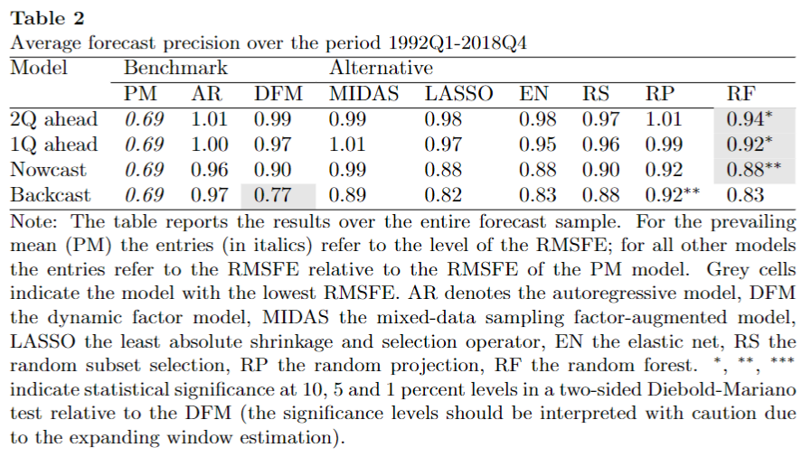

Reproduce Table 3 |  |  |  |  |  |  |  |  |  | Reproduce Table 3 in R
 | PM | AR | DFM | MIDAS | LASSO | EN | RS | RP | RF |  | PM | AR | DFM | MIDAS | LASSO | EN | RS | RP | RF
GM (N=64) |  |  |  |  |  |  |  |  |  | GM (N=64)
2Q Ahead | 0.54 | 1.06 | 0.97 | 1.01 | 0.99 | 1.00 | 1.01 | 1.02 | 0.98 | 2Q Ahead | 0.54 | 1.06 | 1.00 | 1.01 | 0.99 | 1.00 | 1.01 | 1.02 | 0.98
1Q Ahead | 0.53 | 1.05 | 0.97 | 1.02 | 1.03 | 1.02 | 1.00 | 1.00 | 0.96 | 1Q Ahead | 0.53 | 1.05 | 0.98 | 1.02 | 1.03 | 1.02 | 1.00 | 1.00 | 0.96
Nowcast | 0.53 | 1.03 | 0.96 | 1.01 | 1.00 | 0.98 | 0.96 | 1.02 | 0.92 | Nowcast | 0.53 | 1.03 | 0.97 | 1.01 | 1.00 | 0.98 | 0.96 | 1.02 | 0.92
Backcast | 0.53 | 1.03 | 0.88 | 1.01 | 1.00 | 0.97 | 0.98 | 1.03 | 0.94 | Backcast | 0.53 | 1.03 | 0.90 | 1.02 | 1.00 | 0.97 | 0.98 | 1.02 | 0.94
FC (N = 15) |  |  |  |  |  |  |  |  |  | FC (N = 15)
2Q Ahead | 1.25 | 1.02 | 1.03 | 0.99 | 1.02 | 1.01 | 1.01 | 1.01 | 0.91 | 2Q Ahead | 1.25 | 1.02 | 1.03 | 0.99 | 1.02 | 1.01 | 1.01 | 1.01 | 0.91
1Q Ahead | 1.24 | 1.02 | 1.01 | 0.96 | 0.99 | 0.99 | 1.00 | 1.02 | 0.96 | 1Q Ahead | 1.24 | 1.02 | 1.03 | 0.96 | 0.99 | 0.99 | 1.00 | 1.02 | 0.96
Nowcast | 1.24 | 0.99 | 0.86 | 0.87 | 0.83 | 0.86 | 0.91 | 0.93 | 0.89 | Nowcast | 1.24 | 0.98 | 0.91 | 0.87 | 0.83 | 0.86 | 0.91 | 0.93 | 0.90
Backcast | 1.24 | 0.99 | 0.64 | 0.88 | 0.66 | 0.68 | 0.83 | 0.90 | 0.83 | Backcast | 1.24 | 0.99 | 0.70 | 0.88 | 0.66 | 0.68 | 0.83 | 0.90 | 0.84
PFC (N=29) |  |  |  |  |  |  |  |  |  | PFC (N=29)
2Q Ahead | 0.51 | 1.02 | 1.03 | 1.02 | 1.11 | 1.05 | 0.97 | 1.03 | 0.95 | 2Q Ahead | 0.51 | 1.02 | 1.01 | 1.02 | 1.05 | 1.06 | 0.97 | 1.03 | 0.95
1Q Ahead | 0.51 | 1.00 | 0.93 | 1.00 | 1.01 | 0.92 | 0.90 | 0.96 | 0.87 | 1Q Ahead | 0.51 | 1.00 | 0.93 | 1.00 | 0.94 | 0.92 | 0.90 | 0.96 | 0.87
Nowcast | 0.51 | 0.93 | 0.95 | 1.00 | 0.99 | 0.89 | 0.89 | 0.94 | 0.86 | Nowcast | 0.51 | 0.92 | 0.92 | 1.00 | 0.91 | 0.88 | 0.89 | 0.93 | 0.86
Backcast | 0.50 | 0.96 | 0.91 | 1.02 | 1.01 | 0.93 | 0.96 | 0.96 | 0.86 | Backcast | 0.50 | 0.96 | 0.88 | 1.02 | 0.90 | 0.94 | 0.96 | 0.96 | 0.86

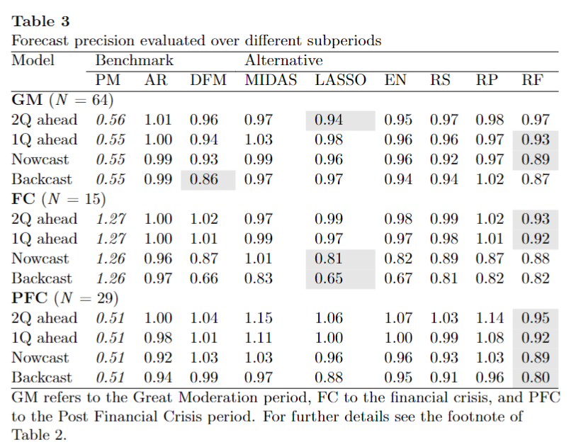

Reproduce Table 4 |  |  |  |  |  |  |  |  |  | Reproduce Table 4 in R
 | PM | AR | DFM | MIDAS | LASSO | EN | RS | RP | RF |  | PM | AR | DFM | MIDAS | LASSO | EN | RS | RP | RF
Crisis(N=17) |  |  |  |  |  |  |  |  |  | Crisis(N=17)
2Q Ahead | 1.31 | 1.03 | 0.97 | 0.98 | 1.00 | 0.98 | 0.97 | 1.00 | 0.91 | 2Q Ahead | 1.32 | 1.03 | 0.98 | 0.98 | 0.98 | 0.98 | 0.97 | 1.00 | 0.91
1Q Ahead | 1.31 | 1.03 | 0.91 | 0.96 | 0.89 | 0.88 | 0.93 | 0.96 | 0.91 | 1Q Ahead | 1.31 | 1.03 | 0.93 | 0.96 | 0.87 | 0.88 | 0.93 | 0.96 | 0.91
Nowcast | 1.30 | 0.98 | 0.79 | 0.90 | 0.80 | 0.79 | 0.86 | 0.90 | 0.86 | Nowcast | 1.30 | 0.98 | 0.83 | 0.90 | 0.78 | 0.79 | 0.86 | 0.89 | 0.86
Backcast | 1.30 | 0.99 | 0.57 | 0.91 | 0.72 | 0.69 | 0.83 | 0.89 | 0.81 | Backcast | 1.30 | 0.99 | 0.62 | 0.91 | 0.68 | 0.69 | 0.83 | 0.90 | 0.81
Moderate (N=31) |  |  |  |  |  |  |  |  |  | Moderate (N=31)
2Q Ahead | 0.53 | 1.04 | 1.07 | 0.99 | 1.09 | 1.08 | 1.06 | 1.03 | 0.92 | 2Q Ahead | 0.54 | 1.04 | 1.06 | 0.99 | 1.09 | 1.08 | 1.07 | 1.03 | 0.92
1Q Ahead | 0.53 | 1.03 | 1.10 | 1.02 | 1.20 | 1.18 | 1.12 | 1.08 | 0.98 | 1Q Ahead | 0.53 | 1.02 | 1.12 | 1.02 | 1.20 | 1.18 | 1.11 | 1.08 | 0.98
Nowcast | 0.53 | 1.02 | 1.12 | 1.01 | 1.09 | 1.09 | 1.06 | 1.08 | 0.96 | Nowcast | 0.53 | 1.03 | 1.13 | 1.01 | 1.10 | 1.09 | 1.06 | 1.08 | 0.96
Backcast | 0.53 | 1.03 | 1.05 | 1.03 | 1.02 | 1.01 | 1.02 | 1.06 | 0.97 | Backcast | 0.53 | 1.03 | 1.08 | 1.03 | 1.02 | 1.00 | 1.02 | 1.06 | 0.97
Expansion (N=60) |  |  |  |  |  |  |  |  |  | Expansion (N=60)
2Q Ahead | 0.43 | 1.05 | 1.06 | 1.07 | 1.03 | 1.04 | 1.04 | 1.06 | 1.04 | 2Q Ahead | 0.43 | 1.05 | 1.07 | 1.07 | 1.03 | 1.04 | 1.03 | 1.06 | 1.04
1Q Ahead | 0.42 | 1.04 | 1.05 | 1.04 | 1.11 | 1.09 | 1.03 | 1.05 | 1.00 | 1Q Ahead | 0.42 | 1.04 | 1.06 | 1.04 | 1.11 | 1.09 | 1.03 | 1.05 | 1.00
Nowcast | 0.42 | 1.01 | 1.03 | 1.02 | 1.05 | 1.03 | 0.99 | 1.04 | 0.94 | Nowcast | 0.42 | 1.01 | 1.03 | 1.02 | 1.05 | 1.02 | 0.99 | 1.04 | 0.95
Backcast | 0.42 | 1.02 | 0.98 | 0.99 | 1.04 | 1.03 | 1.00 | 1.04 | 0.97 | Backcast | 0.42 | 1.02 | 0.98 | 1.00 | 1.04 | 1.03 | 1.00 | 1.04 | 0.97

Figure 2
 | 1 | 2 | 3 | 4 | 5 | 6 | 7 | 8 | 9 | 10 | 11 | 12
PM | 0.68 | 0.68 | 0.67 | 0.67 | 0.67 | 0.67 | 0.67 | 0.67 | 0.67 | 0.67 | 0.67 | 0.67
AR | 0.70 | 0.70 | 0.70 | 0.69 | 0.69 | 0.68 | 0.68 | 0.68 | 0.64 | 0.67 | 0.67 | 0.52
DFM | 0.69 | 0.68 | 0.67 | 0.66 | 0.66 | 0.66 | 0.65 | 0.62 | 0.56 | 0.53 | 0.51 | 0.00
MIDAS-F | 0.68 | 0.68 | 0.67 | 0.67 | 0.66 | 0.65 | 0.65 | 0.63 | 0.62 | 0.63 | 0.64 | 0.64
LASSO | 0.70 | 0.68 | 0.69 | 0.66 | 0.67 | 0.69 | 0.64 | 0.62 | 0.60 | 0.58 | 0.57 | 0.56
EN | 0.69 | 0.68 | 0.68 | 0.66 | 0.66 | 0.67 | 0.65 | 0.60 | 0.58 | 0.56 | 0.55 | 0.55
RS | 0.68 | 0.69 | 0.67 | 0.67 | 0.67 | 0.65 | 0.64 | 0.62 | 0.60 | 0.61 | 0.60 | 0.63
RP | 0.69 | 0.69 | 0.68 | 0.68 | 0.68 | 0.66 | 0.66 | 0.65 | 0.63 | 0.64 | 0.64 | 0.61
RF | 0.65 | 0.64 | 0.62 | 0.63 | 0.63 | 0.64 | 0.62 | 0.60 | 0.59 | 0.59 | 0.59 | 0.51

