Sheet1
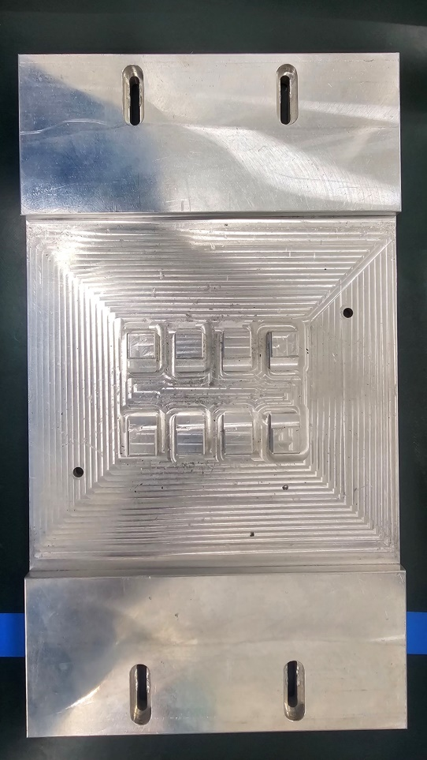
3
3
6
6
Reference plane
( )
1
3
4
6

4
8
3
7
2
2
2
5
6
5

1
5

1
1
4
4

mearsurement point
3 | 3 | 4 | 8 | 6 | 6
2 | 2 | 3 | 7 | 5 | 5
 |  | 2 | 6
1 | 1 | 1 | 5 | 4 | 4

Measurement data
-0.0018 | -8.0724 | -0.4621 | -0.4651 | -8.0864 | 0.0006 | 8.0972
0.0396 | -8.0468 | -0.4505 | -0.4575 | -8.0772 | 0.0238 | 0.4748
 |  | -0.4567 | -0.4610 |  |  | 7.6223
0.0022 | -8.1276 | -0.4780 | -0.4848 | -8.1104 | -0.0021

Run
Obs | EQ-BGEG 2230 SUPPORT BLOCK Measurement Program_Rev.00.Point-2-POINT-Z | EQ-BGEG 2230 SUPPORT BLOCK Measurement Program_Rev.00.Point-3-POINT-Z | EQ-BGEG 2230 SUPPORT BLOCK Measurement Program_Rev.00.Point-4-POINT-Z | EQ-BGEG 2230 SUPPORT BLOCK Measurement Program_Rev.00.Point-5-POINT-Z | EQ-BGEG 2230 SUPPORT BLOCK Measurement Program_Rev.00.Point-6-POINT-Z | EQ-BGEG 2230 SUPPORT BLOCK Measurement Program_Rev.00.Point-7-POINT-Z | EQ-BGEG 2230 SUPPORT BLOCK Measurement Program_Rev.00.Point-8-POINT-Z | EQ-BGEG 2230 SUPPORT BLOCK Measurement Program_Rev.00.Point-9-POINT-Z | EQ-BGEG 2230 SUPPORT BLOCK Measurement Program_Rev.00.Point-10-POINT-Z | EQ-BGEG 2230 SUPPORT BLOCK Measurement Program_Rev.00.Point-11-POINT-Z | EQ-BGEG 2230 SUPPORT BLOCK Measurement Program_Rev.00.Point-12-POINT-Z | EQ-BGEG 2230 SUPPORT BLOCK Measurement Program_Rev.00.Point-13-POINT-Z | EQ-BGEG 2230 SUPPORT BLOCK Measurement Program_Rev.00.Point-14-POINT-Z | EQ-BGEG 2230 SUPPORT BLOCK Measurement Program_Rev.00.Point-15-POINT-Z | EQ-BGEG 2230 SUPPORT BLOCK Measurement Program_Rev.00.Point-16-POINT-Z | EQ-BGEG 2230 SUPPORT BLOCK Measurement Program_Rev.00.Point-17-POINT-Z | EQ-BGEG 2230 SUPPORT BLOCK Measurement Program_Rev.00.Point-18-POINT-Z | EQ-BGEG 2230 SUPPORT BLOCK Measurement Program_Rev.00.Point-19-POINT-Z | EQ-BGEG 2230 SUPPORT BLOCK Measurement Program_Rev.00.Point-20-POINT-Z | EQ-BGEG 2230 SUPPORT BLOCK Measurement Program_Rev.00.Point-21-POINT-Z
LTL | -0.010000 | -0.010000 | -0.010000 | -0.010000 | -0.010000 | -0.010000 | -0.010000 | -0.010000 | -0.010000 | -0.010000 | -0.010000 | -0.010000 | -0.010000 | -0.010000 | -0.010000 | -0.010000 | -0.010000 | -0.010000 | -0.010000 | -0.010000
Target | 0.000000 | 0.000000 | 0.000000 | 0.000000 | 0.000000 | 0.000000 | 0.000000 | 0.000000 | 0.000000 | 0.000000 | 0.000000 | 0.000000 | 0.000000 | 0.000000 | 0.000000 | 0.000000 | 0.000000 | 0.000000 | 0.000000 | 0.000000
UTL | 0.010000 | 0.010000 | 0.010000 | 0.010000 | 0.010000 | 0.010000 | 0.010000 | 0.010000 | 0.010000 | 0.010000 | 0.010000 | 0.010000 | 0.010000 | 0.010000 | 0.010000 | 0.010000 | 0.010000 | 0.010000 | 0.010000 | 0.010000
Last Obs | 0.002167 | 0.039566 | -0.001754 | -0.002131 | 0.023771 | 0.000643 | -8.127611 | -8.046779 | -8.072385 | -8.110431 | -8.077175 | -8.086396 | -0.477950 | -0.456697 | -0.450528 | -0.484796 | -0.460953 | -0.457488 | -0.465107 | -0.462143
Histogram |  |  |  |  |  |  | 
Run |  |  |  |  |  |  |  |  |  |  |  |  |  |  |  |  |  |  |  | 
1 | 0.002167 | 0.039566 | -0.001754 | -0.002131 | 0.023771 | 0.000643 | -8.127611 | -8.046779 | -8.072385 | -8.110431 | -8.077175 | -8.086396 | -0.477950 | -0.456697 | -0.450528 | -0.484796 | -0.460953 | -0.457488 | -0.465107 | -0.462143

