Excel help
Excel is a powerful tool for tabular data with huge functionality
Useful in conjunction with python, csv, mySQL, webpages, etc.
E.g. Cleansing csv or webpage data & showing insights

Sample tabular data
name | attack | stealth | hp | Sort and filter by clicking arrow on column header
Turtle | 3 | 8 | 4
Worm | 4 | 5
Mongoose | 5 | 6 | 3
Rabbit | 5 | 10 | 2
Cat | 6 | 10 | 9
Pigeon | 9 | 3 | 5
Lion | 10 | 9 | 9

Top Tip:
Highlight cells (Ctrl + Shift + Arrow) to see aggregate values (count, average, and sum) on bottom right

Action |  | Shortcut | Steps
Highlight values |  | Ctrl + Shift + Arrow
Make a table |  | Ctrl + T | Click | Insert | Table
Autofit columns |  |  | Home | Cells | Format | AutoFit Column Width
Quick analysis |  | Ctrl + Q | Ctrl + Q

Insert row/column |  | Ctrl + + | Click or Shift Space | Ctrl + Shift + =
Delete row/column |  | Ctrl + -
Formula |  | =
Deselect |  | Esc
Navigate |  | Ctrl + (arrows, or home, end, pageup, …)
 |  | Tab for next cell

Quick analysis (Ctrl + Q) is very versatile. Can create heatmap, charts, pivot tables, and so on.
Animal stats
 | attack | stealth | hp
Pigeon | 9 | 3 | 5
Lion | 10 | 9 | 9
Cat | 6 | 10 | 9
Mongoose | 5 | 6 | 3
Worm | 4 | 5
Turtle | 3 | 8 | 4
Rabbit | 5 | 10 | 2

transpose paste

attr | Pigeon | Lion | Cat | Mongoose | Worm | Turtle | Rabbit
attack | 9 | 10 | 6 | 5 | 4 | 3 | 5
stealth | 3 | 9 | 10 | 6 | 5 | 8 | 10
hp | 5 | 9 | 9 | 3 |  | 4 | 2

Tip | Create multiple sheets if needed
 | F2 to edit a cell. Most shortcuts use Ctrl / (Shift)
 | Alt + Enter for line break

Using python | You can run any python code in here. =PY(). You can choose the output at the end to be a python or excel object.
 | It comes with matplotlib, pandas, sns, and an excel module imported. To use the xl() function to create a dataframe highlight the full table.

Generated /w python (seaborn, matplotlib, pandas)
Output as Excel object and right click to show over cells for resizing
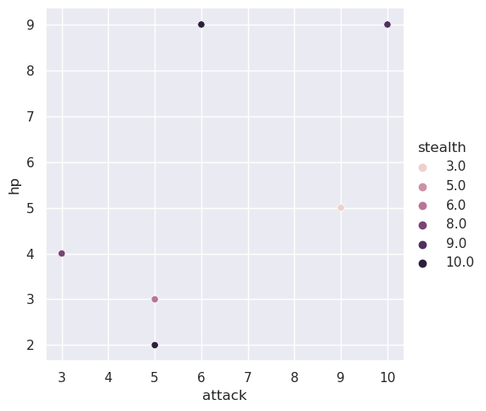

Definitions
Pivot table | Simple table showing aggregate functions and useful insights
VLOOKUP | Simple function for looking up values in a table
Macro / Visual Basic | A way to programatically carry out tasks in excel

