Sorting and Filtering Screensho
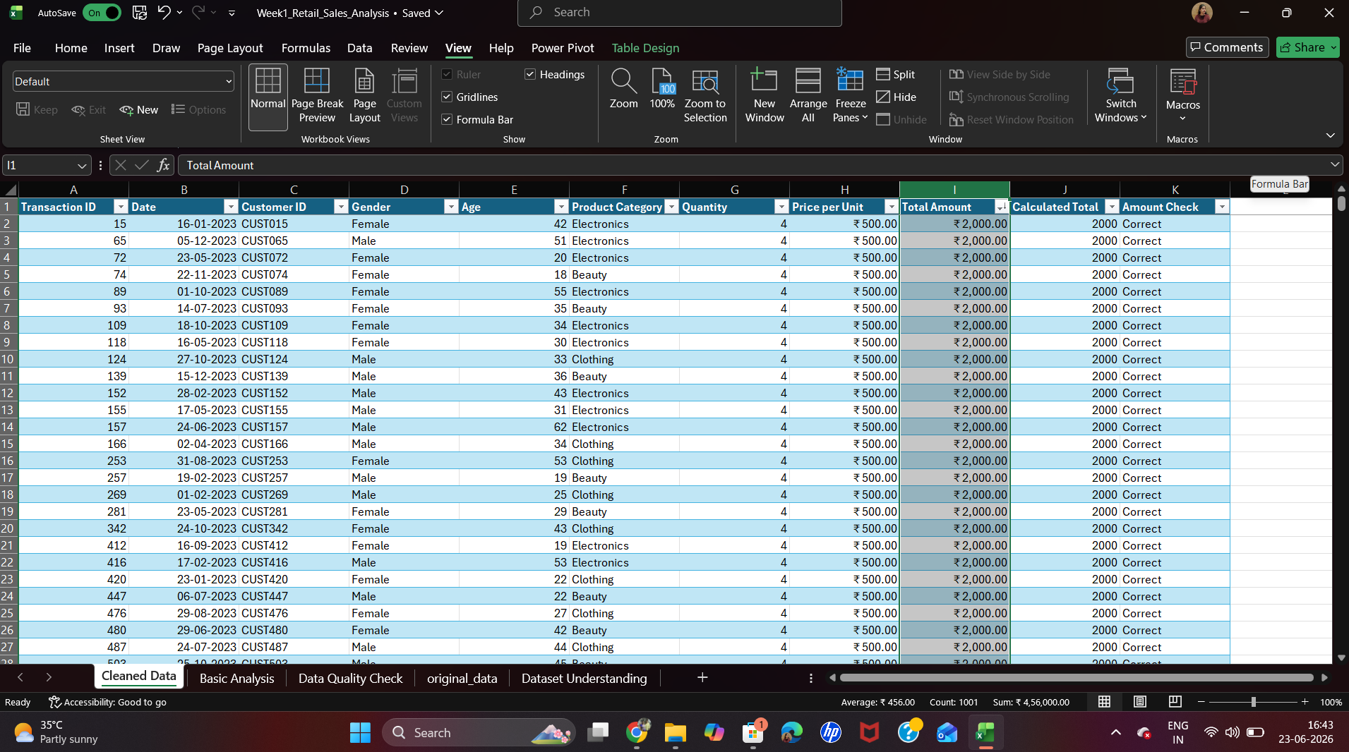

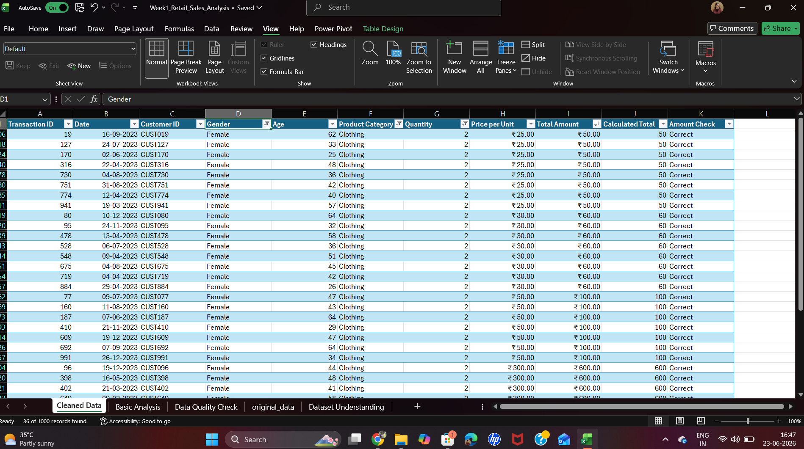

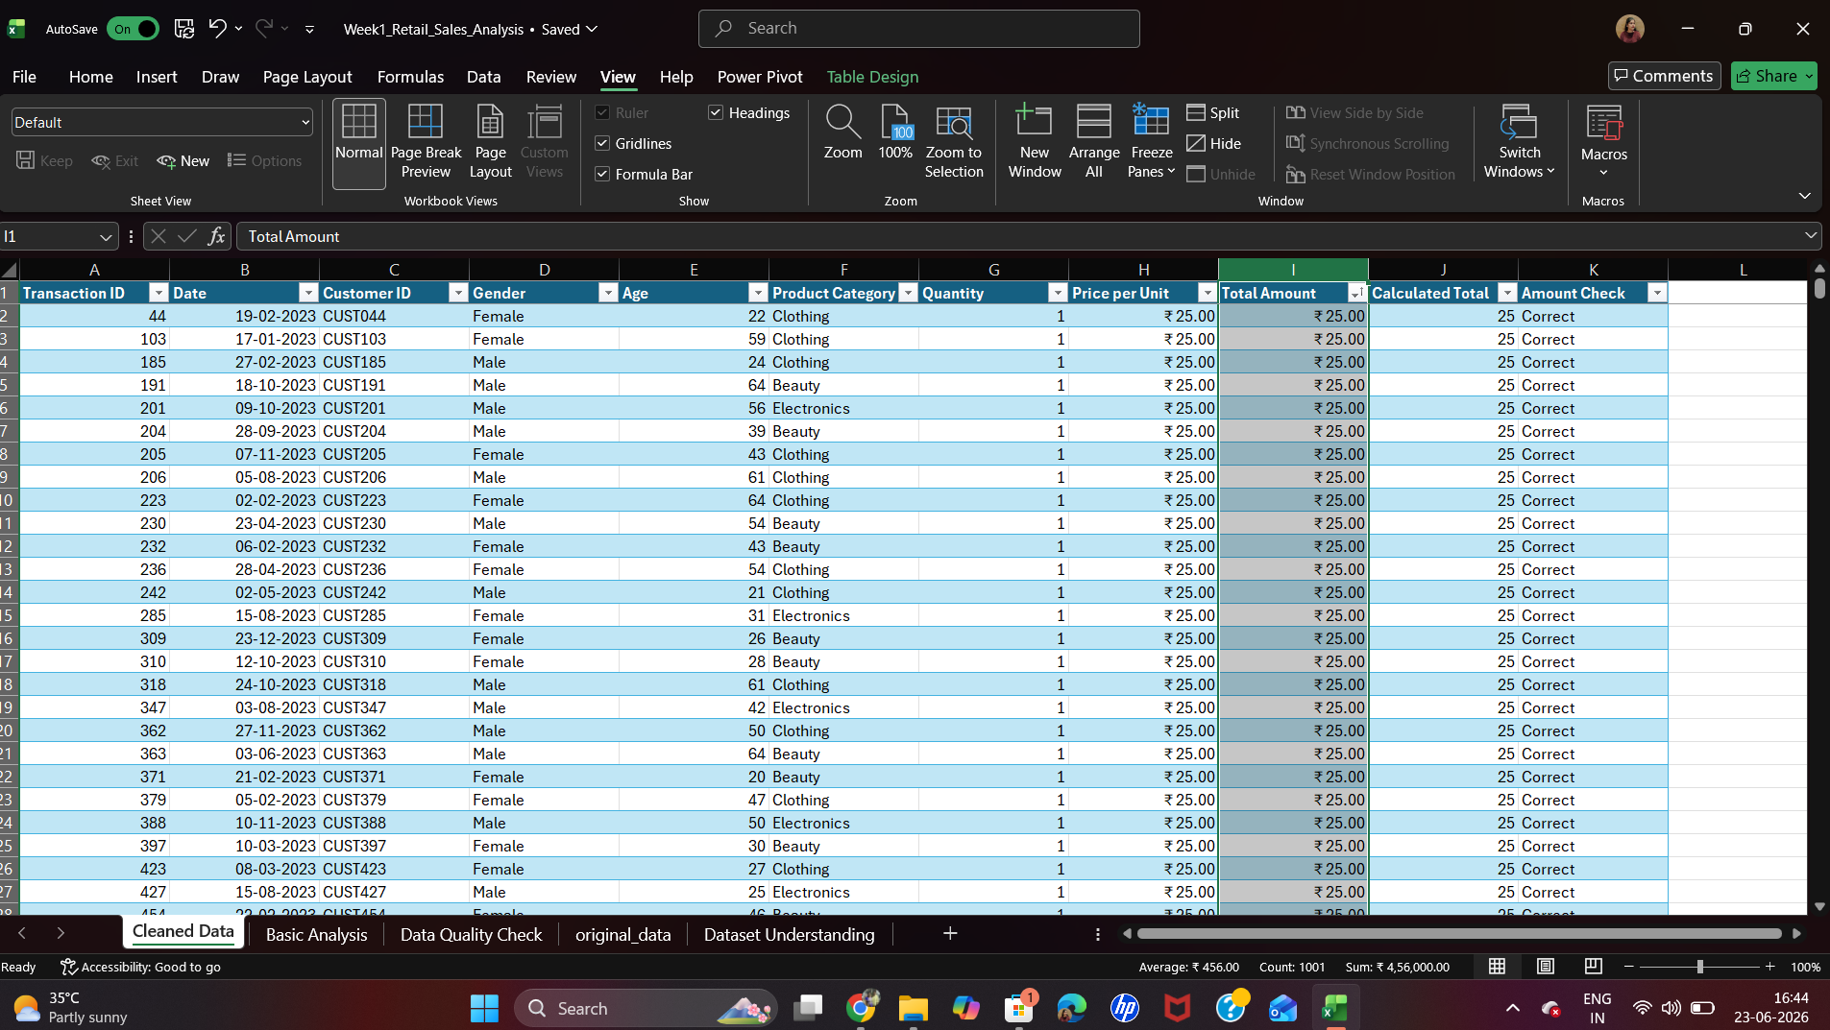

Charts
Total Sales by Product Category
 | Total Sales
Beauty | 143515
Clothing | 155580
Electronics | 156905
Total Quantity Sold by Product Category
 | Total Quantity Sold
Beauty | 771
Clothing | 894
Electronics | 849

total sales by gender
 | total sales
male | 223160
female | 232840

